BOQ
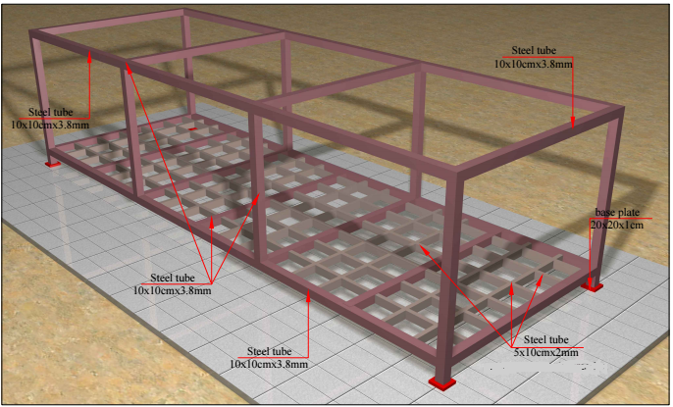
Akre School Expansion
Description | Quantity | Unit Cost | Unit | Total
Provision of 6X4 caravan | 6 |  | Ea | $-
Provision of 10X4 caravan (warehouse) | 1 |  | Ea | $-
Total Expense |  |  |  | $0.00

Caravan Details
Floor: frame is 10X10cm 3.8mm steel tube with 10X5cm mesh each 60cm, the first layer of flooring will be 2mm plate and a plywood layer, final layer will be plastic sheet of 2mm thickness
Roof: frame is 10X10cm 3.8mm steel tube with 10X5cm steel structure, ceiling is sandwich panel, roof will be sloped backward by 10cm.
Columns: 10X10cm steel square tube
Walls: 5 cm sandwich panel
Door: 1X2m PVC door
Window: 2 windows of 1X1m PVC
AC: 1 AC of 24,000 BTU
Lighting: LED 70 watt (2 in 4X6 and 3 in 10X4)
Electrical board: 12 line 1-phase board contain 63A main breaker, 2 of 20A circuit breaker one will be for lights and one for the 8 sockets of 13A and one breaker of 32A for AC.

