Low loader
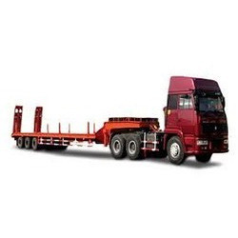
Low loader for transporting trucks and heavy equipment (1 unit required) | Requested model / specifications | Offered model/ specifications | Source country | Unit Price (USD) | Total Price (USD)
Ford truck 1843 or equal
Brand | New
Model Year | 2016 or higher
Emission | Euro 3
Axle | 4X2
Cabin Type | Extra High Roof Sleeper Cab
Engine
Type | FPT 10.3 liters VGT/ 6cylinders inline
Power | 430 PS (316,3 kW ) / 1800 rpm
Torque | 1900 Nm / 1050-1550 rpm
Oil Filling Volume | 50 L
Transmission
Manuel Transmission / Ratios (1. gear - 16. gear) | 16+2 Speed
Braking System
Brakes (Ø mm x mm Length) | 410 x 200 Dual line full air Z-cam brakes
APU with heated automatic air dryer and oil seperator,
Engine brake, ABS &ESP
Intarder Power | max. 600 kW / continuous 160 kW
Electrical System

Battery | 24 V, 2 x 12 V 180 Ah
Alternator / Starter Motor | 90 A / 4,5 kW
Chassis
10mm, 500 Mpa highstrength steel chassis frame
weight
Kerbweight | 7623
1.Axle capacity | 7100
2.axel capacity | 11500
GVM | 18000
GTM | 40000
Diamention (mm)
Front Overhang | 1485
wheelbase | 3590
Overall Length | 5994
Overall Cab Length | 2297
Overall height | 3910
width of the Cab | 2489
Trailer specification
Axle No. | 3 axle lowbed trailer
brand | new
brake system | dual line pnuematic brake w
A pair of Ladders: | Mechanical or Hydraulic
loading space | 8000 mm (minimum)
total length (with out ladder) | 13000 mm
loading weight of trailer | 25 Tons (minimum)
trailer wide | 3000mm
Recommended Spare Part Set: | Air Filter Outer-Inner 24 pieces
 | Fuel Filter, 24 Pieces
 | Engine Oil Filter, 24 Pieces
 | Chassis Filter, 12 Pieces
 | Hydraulic Return Filter, 12 Pieces
 | Hydraulic Pilot Filter, 4 Pieces

Roller vibrater
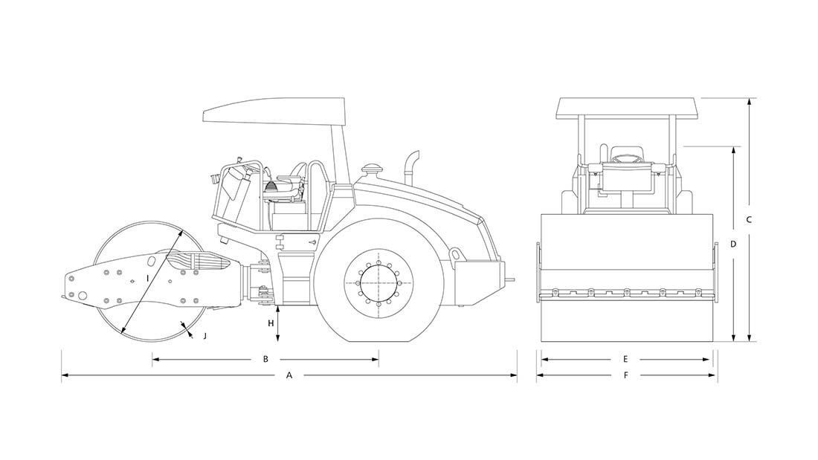
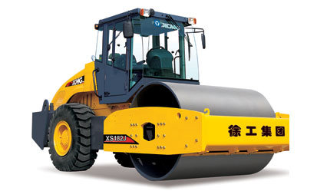
Single drum roller (1 unit required) | Requested model / specifications | Offered model/ specifications | Source country | Unit price (USD) | Total Price (USD)
Ammann ASC 120 Tier 1 Soil Compactor or Equal to its specifications The roller is suitable for compaction of a wide range of soil, from silt to crushed stones. It provides an outstanding price-to-productivity ratio and is the industry leader in compaction efficiency.

Brand: | new
Year Model: | 2014 or higher
Weights
Operating weight (CECE) | 11500 kg
Operating weight max. | 13480 kg
Drum load CECE | 6350 kg
Axle load CECE | 5150 kg
Static linear load (drum) | 29,8 kg/cm
Drum and Axle
Working width | 2130 mm
Drum diameter | 1500 mm
Drum shell thickness | 25 mm
Tyres | 23,1×26´´ mm
Steering
Steering angle (+/-) | 36 °
Oscillation angle (+/-) | 10 °
Turning radius inner | 3210 mm
Riding characteristics
No. of travel speeds | 2
Maximum speed | 10,3 km/h
Gradeability with vibration | 30%
Gradeability without vibration | 40%
Brakes
Operating | Hydrostatic
Parking | SAHR
Emergency | SAHR
Capacities
Amplitudes | 1,65/0,95 mm
Frequencies | 32/35 Hz
Centrifugal forces | 277/206 kN
Fluid capacities
Fuel | 410 l
Electrical installation
Voltage | 24 V
Capacity of batteries | 2 x 61 Ah
Engine
Make | Cummins
Type | 4 BTA 3.9 – C116
Rated power | 86/115 kW/HP
Standard | EPA/CARB Tier 1

Dimensions | Metric
A = Machine length | 5630 mm
B = Wheel-base | 2820 mm
C = Machine height | 3027 mm
D = Machine height (removed CAB / ROPS) | 2375 mm
E = Drum width | 2130 mm
F = Machine width | 2250 mm
G = Machine length (blade) | –
H = Ground clearance | 450 mm
I = Drum diameter | 1500 mm
J = Drum shell thickness | 25 mm
Recommended Spare Part Set: | Air Filter Outer-Inner 24 pieces
 | Fuel Filter, 24 Pieces
 | Engine Oil Filter, 24 Pieces
 | Chassis Filter, 12 Pieces
 | Hydraulic Return Filter, 12 Pieces
 | Hydraulic Pilot Filter, 4 Pieces

Water Tanker
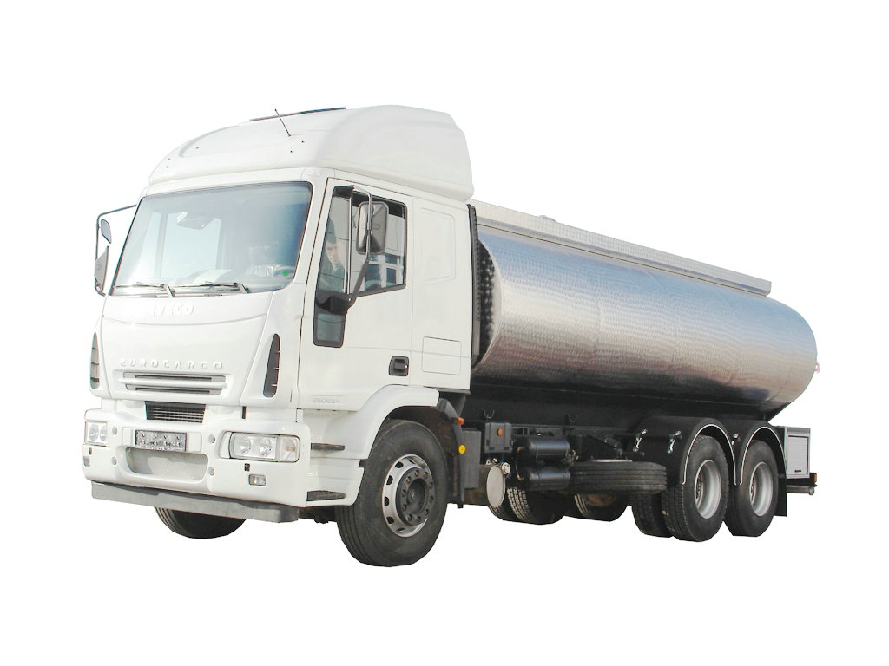
Water Tanker 15,000 Liters (2 units required) | Requested model / specifications | Offered model/ specifications | Source country | Unit Price (USD) | Total Price (USD)
TRUCK | Brand: Isuzu FVR33PLX or equal
 | Model Year: 2016-2017
 | Engıne Model: Isuzu 6HH-s, Euro 1 Diesel (preferably)
 | Status: New
 | Single Cabin (Without a bed)
 | Standard seatbelts
 | Suitable Manual Transmission
 | Engine Power200 – 300 (HP) 150 Kw, 2850 RPM
 | 4*2 Cabin Chassis with Cargo Case
 | Chassis Mass 5000-6000 kg
 | 6 Cylinder, Water Cooled.
 | Tyres, 7 Nos. (İncluding 1 Spare)
 | air conditioned
Water tank specification
Elliptical shape
Galvanized Steel sheet metal, 4mm thick
Baffle Plates Sufficient number of baffle plates (Min. 2) will be mounted inside the tank
Manhole: 2 unit manhole with lid for filling and maintanence
The ladder for the purpose of climbing to top of the tank.
Pump are with 2 functions discharge and vacuum
The water pump will be driven by vehicle’s PTO ( winged on gear ) and controlled from driver’s cab
Filter must be placed from the tank water inlet to the pump
Recommended Spare Part Set:
Spare Part Set | Each set will include 20 Fuel Filters, 24 Oil Filters and 24 Air Filters

Van Hiace
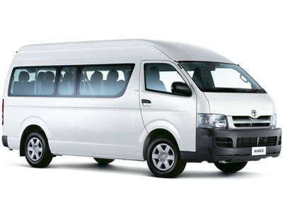
Van with 14 seats ( 3 Units required) | Requested model / specifications | Offered model/ specifications | Source country | Unit Price (USD) | Total Price (USD)
Hiace 2.7L Petrol Van High Roof MT 2016 OR 2017 or Equal
Engine specification
No. of Cylinders | 4 DOHC
Displacement Cc | 2,694
Max. Output (BHP/RPM) | 149 / 5,200
Transmission Type | 5 Speed / Manual
Fuel System | Electronic Fuel Injection
Engine Type | 2TR-FE
Tires | 15 Inches Steel Wheels
Fuel tank capacity | 76L
Interior Features
Power Door Lock (Driver & Passenger)
Fabric Upholstery
Deck Hooks (6 Hooks)
Black Colored Door Handles
Radio AM/FM‐CD Player USB 2 Speakers
Front & Rear Air Conditioner
Safety Features
ABS , VSC , BAS ,VSC& TPMS ,TCS
Tire Pressure Warning reset switch. SET
Dual Airbags
DIMENSION, CAPACITIES & SUSPENSIONS
Dimensions (mm) | Length 5,380 X Width 1,880 X Height 2,285
Fuel Tank Capacity | 70 Litres
Front Suspension | Double Wishbone
Rear Suspension | Leaf Spring, Rigid
Curb Weight(kg) | 2075
Gross Vehicle Weight (kg) | 3200 Kg
Wheel Base | 3110
Tyres | 195r15c 8pr Tube Less 15x6j (15" Steel Wheels)
spare parts
oil fillter | 10
Air fillter | 5

