REPRESENTATIVE OFFICE EQUIP
ANNEX 1 TECHNICAL SPECIFICATION
A. Technical Specification
IT Equipment
Item No | Product Name | Product Specifications | Possible Producer, Equivalent brand and Reference Picture | Quantity

1 | Computer Monitor | 25” / min. 1920x1080 pixel or better/ small frame if possible/ Sample specification: - Screen size: 25-inch diagonal. - Panel type: IPS w/ LED backlight. - Native resolution: min. 1920 x 1080 (Full HD). - Dynamic contrast ratio: 5,000,000:1. - Brightness: 250 nits. - Response time: 7ms G to G with overdrive. - Viewing angles: 178 degrees horizontal and vertical. - Tilt: -5 degrees to +25 degrees. - Input connectors: 1 VGA, 2 HDMI (with HDCP). - Dimensions (w x d x h): 22.68-inch x 7.66-inch x 16.76-inch. Acceptable Brands: Acer, Asus, BenQ, HP, Samsung, Dell, LG (Certificate of Authenticity required) | 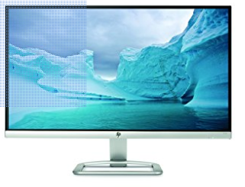 | 12
2 | keyboard | QWERTY & Arabic. Plug-and-play USB instantly connects Convenient function keys Built-in number pad Compatible with XP, Vista, Window 7, Windows 8 and Windows 10 Brand Name |  | 7
3 | mouse wireless | Full-size comfortable shape Precision laser-grade optical sensor Back/Forward buttons* Vertical and side-to-side scrolling plus zoom* scroll wheel Tiny Unifying receiver for plug-and-forget wireless connection Windows, Mac and Chrome OS compatible | 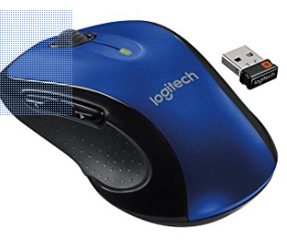 | 7
4 | smart phone | Android mandatory, dual sim Sample specification: Screen: 5.2-inch Super AMOLED Capacitive Touchscreen, 1080 x 1920 pixel OS: Android v6.0 Marshmallow, Chipset: Exynos 7 Octa 7880, Processor: Octa-Core 1.9 GHz Cortex-A53, GPU: Mali-T860MP3. Camera: 16 Megapixel Camera with f/1.9, 27mm, autofocus, LED flash, Geo-tagging, touch focus, face detection, panorama, HDR + 16 Megapixel Front Camera with f/1.9, 1080p; Video Capture: 1080p@30fps. Internal Memory: 32GB, 3GB RAM - microSD Up to 256GB. | 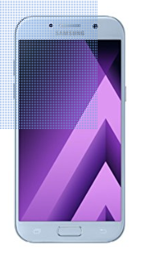 | 3
5 | laptop & Bag | •Function: Business type or hevy duty • Processor : core i5 6th generation (minimum) • Display : Intel HD Graphics 620 integrated graphics (minimum) • SSD :256GB M.2 SATA SSD (minimum) • RAM : 8GB DDR4-2133 dual-channel RAM (minimum) • OS : Windows 10 Pro 64-bit OEM ( recommended ) •English keyboard •office software in English •Minimum one year warranty. |  | 7
B. Delivery
All Items should Be delivered to GIZ Office - Baghdad

C. Remarks And Condition

1- | All standard accessories for all offered items should be provided.
2- | A Technician must be delegated from supplier to Install, and recheck after maintenace time.

