Sheet1
 |  | Annex A
 |  | SCOPE OF WORK

The work should be implemented by contractor under the supervision of Norwegian Refugee Council (NRC) shelter technical team according to the attached BoQ’s and below instructions. NRC reserves the right to provide further clarifications/drawings/instructions on works specifications during implementation phase.

BOQ Item # | Items / Activities |  | Descriptions/ Details
B07 | Cement Re-Plastering |  | 1. Remove worn-out old plaster (or any other finishing).
 |  |  | 2. Repair all cracks in the wall and ceiling if found by using (chicken wire) and steel bars where need.
 |  |  | 3. Fixing wire mesh over the steel lintels of doors and windows .
 |  |  | 4. Surface should be dry before re-plastering, then Re-plastering the internal walls & ceilings with 2 layers of cement: sand(smooth) mix (1:3) , with taking into consideration the verticality and alignment of the surfaces.

 |  |  | 5. The work includes removing the existing electricity wirings and all electrical fittings, and also re-installing the electricity wirings and all electrical fittings on the new plastered walls.
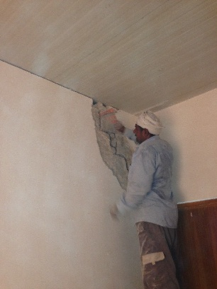
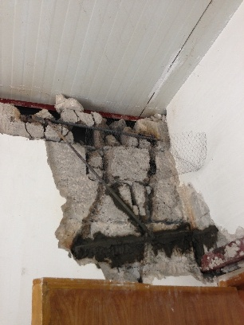
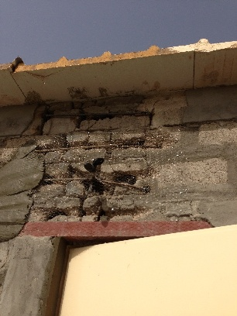
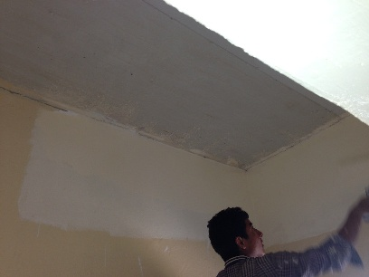

BOQ Item # | Items / Activities |  | Descriptions/ Details
B06 | Cement Plastering |  | 1. Fixing wire mesh over the steel lintels of doors and windows.
 |  |  | 2. Surface should be dry before plastering, then plastering the internal walls & ceilings with 2 layers of cement: sand(smooth) mix (1:3) , with taking into consideration the verticality and alignment of the surfaces.

 |  |  | 3. The work includes removing the existing electricity wirings and all electrical fittings, and also re-installing the electricity wirings and all electrical fittings on the new plastered walls.
 |  |  | 4. Plastering must be regularly watered throughout the curing phase to prevent cracking.

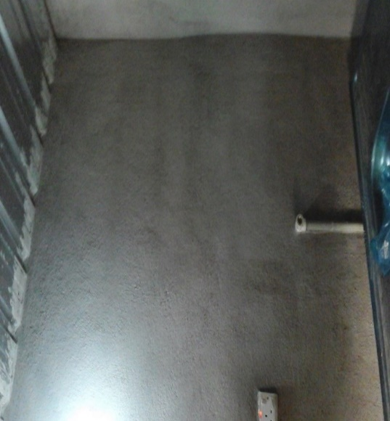
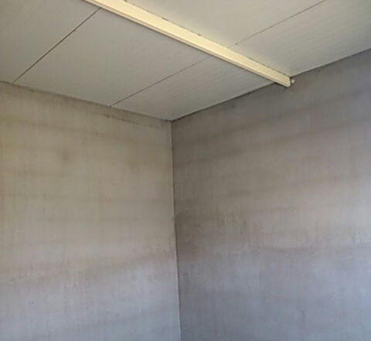

BOQ Item # | Items / Activities |  | Descriptions/ Details
A04 | Concrete Flooring |  | 1. Remove the old and damaged flooring, according to the instruction of site engineer.
 |  |  | 2. Preparation, laying a layer of crushed stone or gravel, levelling and good compacting for the floor before casting.
 |  |  | 3. The concrete slab for floors should be at least 10 cm thickness with a mixing ratio (1:2:4), The casting should be in levelling and smooth face (using power trowel) without any slope for rooms and small slope for Kitchen and bathroom in the direction of gutter.

 |  |  | 4. Remove all construction rubbles from the site perimeter on daily bases to the authorized landfill site.
 |  |  | 5. Concrete must be regularly watered throughout the curing phase to prevent cracking.
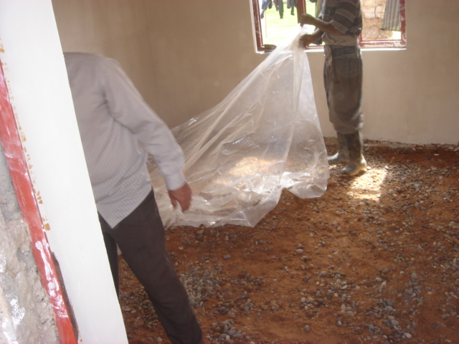
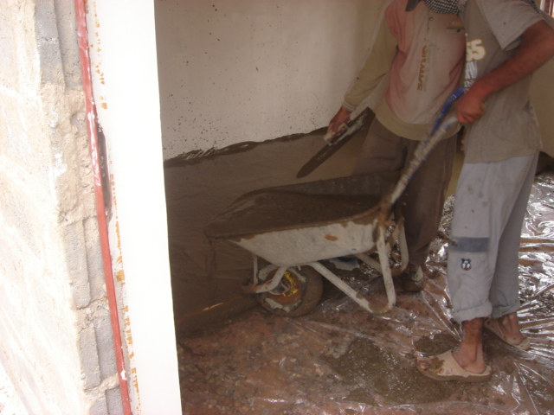
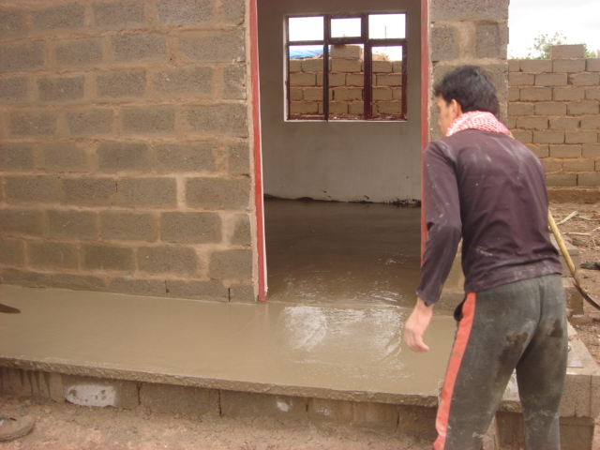

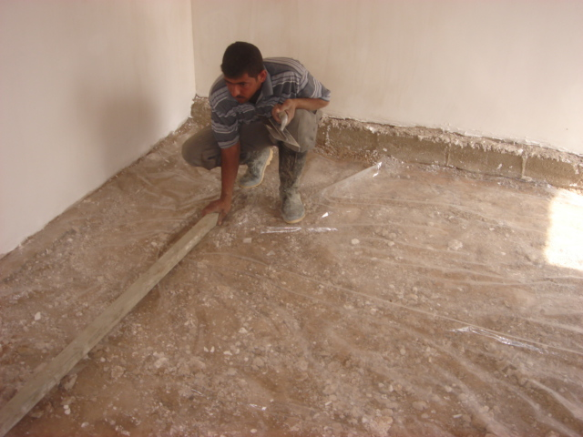

BOQ Item # | Items / Activities |  | Descriptions/ Details
B01-B02-B03 | Concrete Block Building |  | 1. Remove the irregular and slanted walls and build new walls, The weight of concrete block should be not less than 22kg and building material should be approved by site engineer (block, cement and sand).

 |  |  | 2. The wall should be build on a level ground, in case of having slope, it should be levelled by filling with gravel or clean soil with a proper compaction, and also the first row of the concrete blocks will be build on width of 40 cm.
 |  |  | 3. Install steel angle lintels (2.5X2.5" and thickness 3mm) over openings doors and windows, and chicken wires should be fixed on the angle lintels for plastering the angles properly.

 |  |  | 4. All the joints between the blocks should be filled using cement mortar. The surface must be smooth and void free.
 |  |  | 5. The work includes removing the old partitions (if exist) and existing doors and windows and electricity wirings and all electrical fittings, and also re-installing the doors and windows and electricity wirings and all electrical fittings on the new constructed partition.
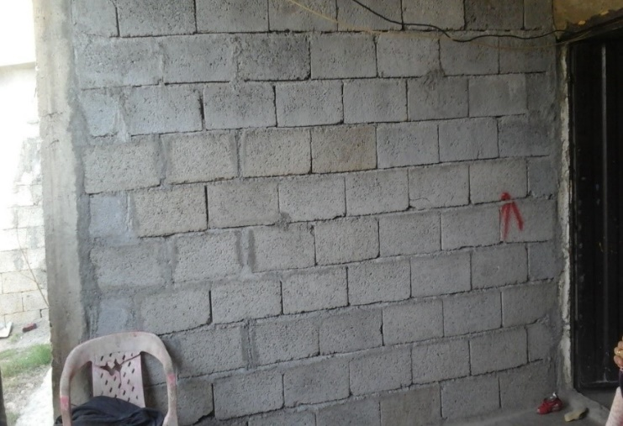

BOQ Item # | Items / Activities |  | Descriptions/ Details
C01 | Sandwich panel Roofing |  | 1. Remove the old and damaged roof (should take care about household stuff and walls from damaging).
 |  |  | 2. Install steel frame for new roof on the walls and fix it by welding steel rods (T shape), steel rods should fix within the last row of concrete block every 1.5m.

 |  |  | 3. For steel frame using steel channel beam 3” (U section) with thickness 3mm above the walls and steel channel ( U section 3” ) with thickness 3mm for internal space with maximum span between the supports 1.7 m (the support beams should be one part "not connected by welding").

 |  |  | 4. The steel frame should install in good way with slope 1cm high each 3m length to ensure drainage of rainwater.
 |  |  | 5. Closed the gabs between the roofs and walls by filling it with plastering 20cm At least under sandwich panel from the external face and return the internal finishing.

 |  |  | 6. Sandwich panel should be installed by using screw 10” with rubber washer and distance between each screw 50 cm.
 |  |  | 7. fix drain to drain rain water collected over roofs in joints between the new and old roofs using Galvanic sheet to made channel and connected with PVC pipe 3" to Drain accumulated water away from the shelter rooms.

 |  |  | 8. Using the asphalt felts to close the slots in the joints between the sandwich panels and new corrugated sheet or joints between the roof and surrounding walls to prevent leakage of water accumulated.

 |  |  | 9. All material should be approved by site engineer.

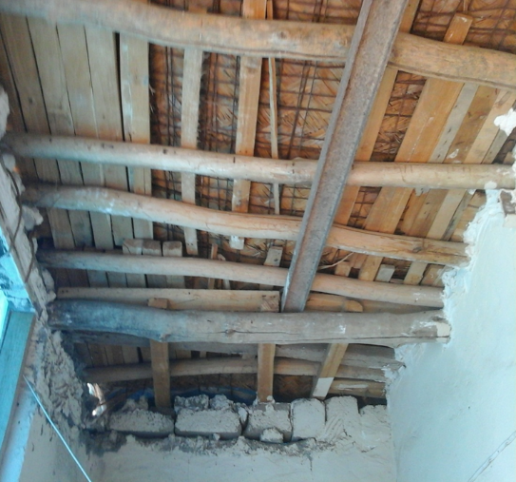
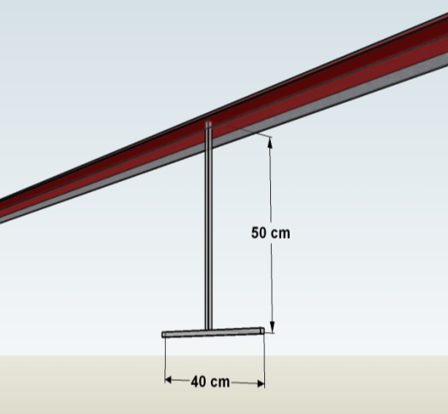
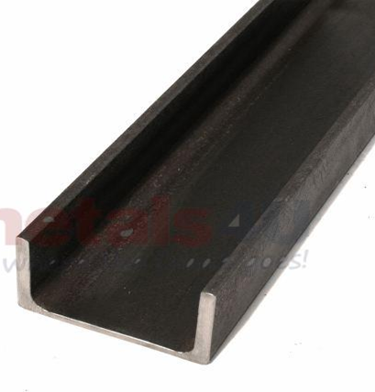
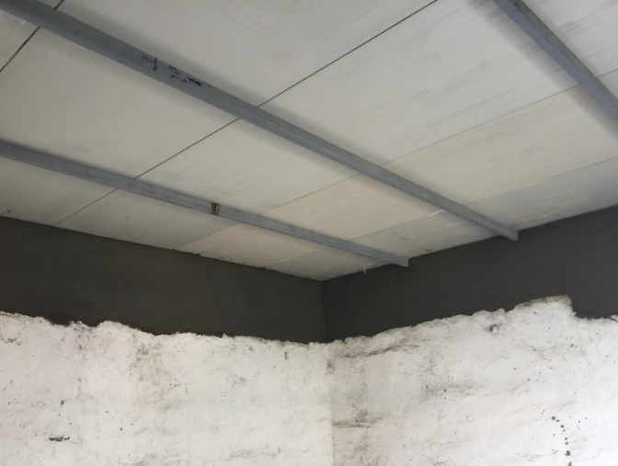

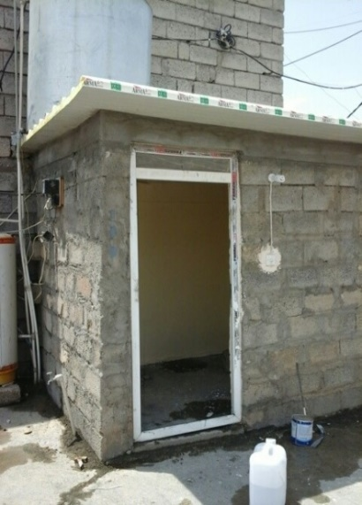
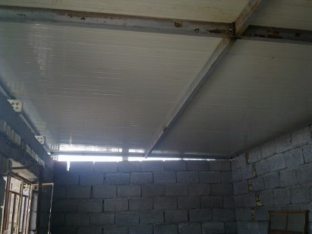
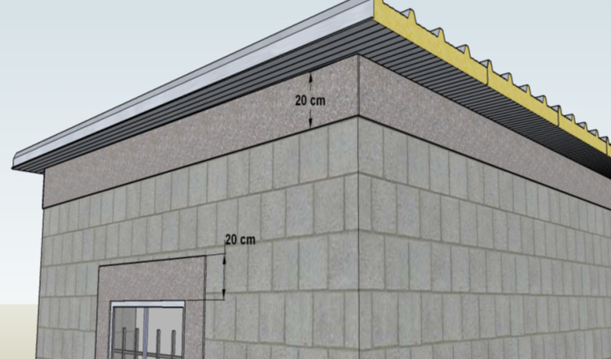

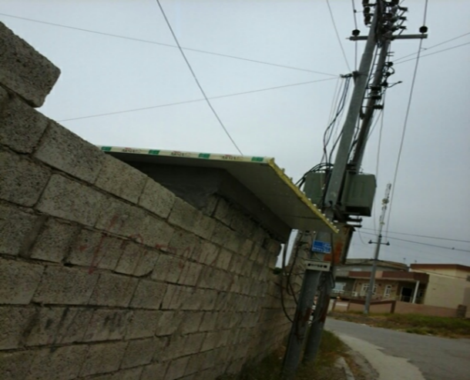
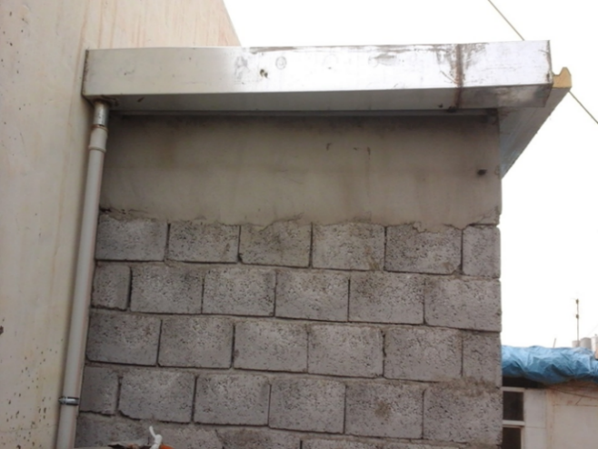
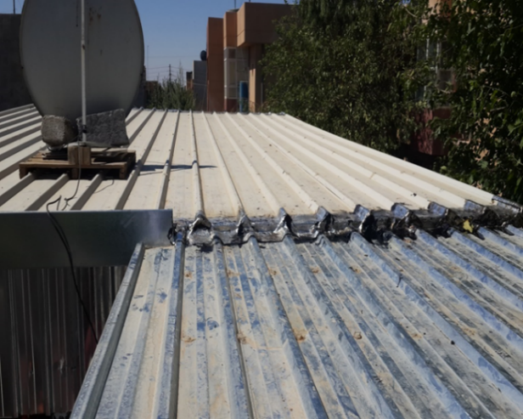

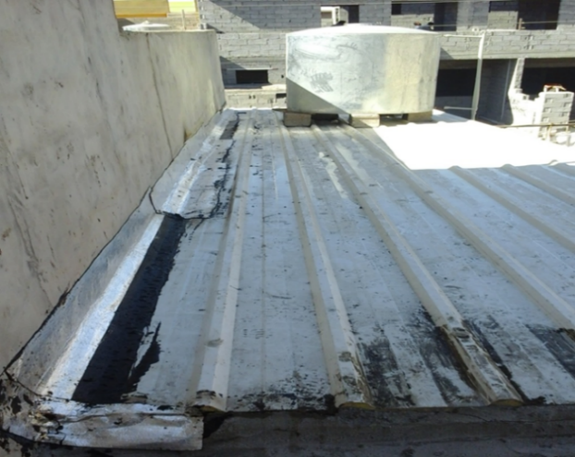

BOQ Item # | Items / Activities |  | Descriptions/ Details
C02 | Corrugated Iron Roofing |  | 1. Remove the old and damaged roof (should take care about household stuff and walls from damaging).
 |  |  | 2. Install steel frame for new roof on the walls and fix it by welding steel rods (T shape), steel rods should fix within the last row of concrete block every 1.5m.

 |  |  | 3. For steel frame using steel frame square section 1.5x1.5 inch with thickness 5mm above the walls and square section 3x1.5 inch with thickness 5mm for internal space with maximum span between the supports 1.7 m (the support beams should be one part "not connected by welding").

 |  |  | 4. The steel frame should install in good way with slope 1cm high each 3m length to ensure drainage of rainwater.
 |  |  | 5. Closed the gabs between the roofs and walls by filling it with plastering 20cm At least under sandwich panel from the external face and return the internal finishing.

 |  |  | 6.Corrugated iron plate should be installed by using screw 10” with rubber washer and distance between each screw 50cm.
 |  |  | 7. All material should be approved by site engineer.

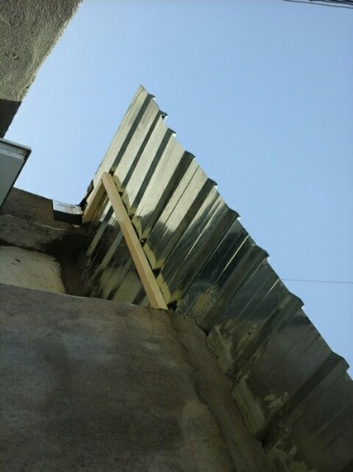
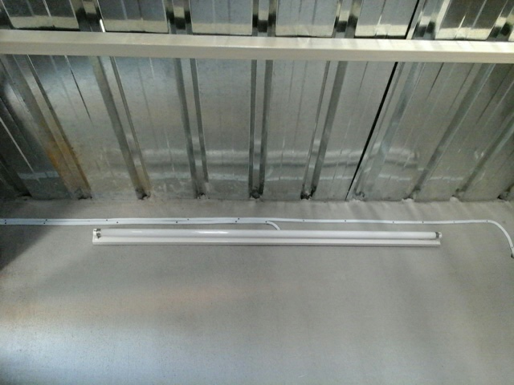

BOQ Item # | Items / Activities |  | Descriptions/ Details
D01-D02 | Steel Doors |  | 1. Removing the old doors & frames if exist and repair of all damages that may occur to the wall or finishing due to the removal process.

 |  |  | 2. Supply and install steel hinged doors, with frame 2 x 2”, 5 mm thick steel angle according to the drawings , plated on one side steel plate gauge 18.

 |  |  | 3. All door frames will be plastered with cement plaster plus 15cm of the wall around it, the plastering should be vertical and with sharp edges so that the door frame would be fixed on it properly with out leaving and openings.

 |  |  | 4. All metal surfaces should be painted, primed with anti-corrosion paint, and supplying and installing all required handles, locks, hinges, glasses….etc.

 |  |  | 5. The new installed door should be vertical, open and close properly.
 |  |  | 6. All the openings over, under or around the frame should be closed properly by using cement plastering.

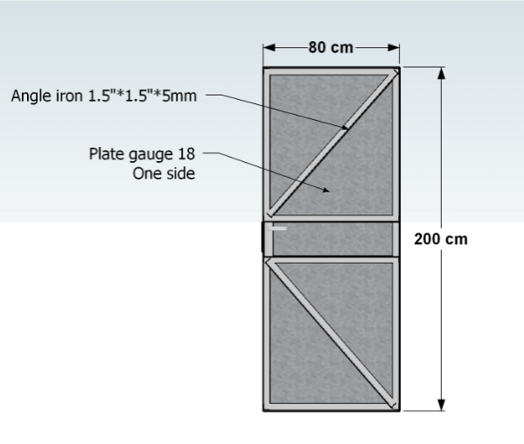
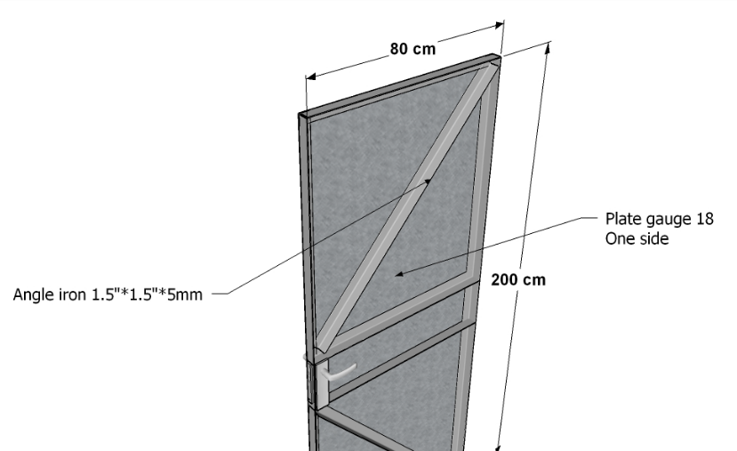
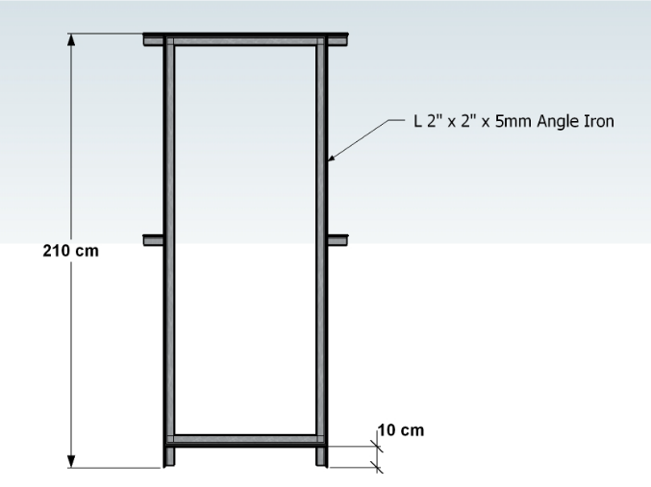

BOQ Item # | Items / Activities |  | Descriptions/ Details
D03 | PVC Doors |  | 1. Removing the old doors & frames and repair of all damages that may occur to the wall or finishing due to the removal process.

 |  |  | 2. Supply materials and install new PVC doors complete with the frames, All the PVC Doors, should be reinforced and the PVC should be new and not refurbished.

 |  |  | 3. All door frames will be plastered with cement plaster plus 15cm of the wall around it, the plastering should be vertical and with sharp edges so that the door frame would be fixed on it properly with out leaving and openings.

 |  |  | 4. Supplying and installing all required handles, locks, hinges, glass... etc. where required.
 |  |  | 5. The new installed door should be vertical, open and close properly.
 |  |  | 6. All the openings over, under or around the frame should be closed properly by using silicon.
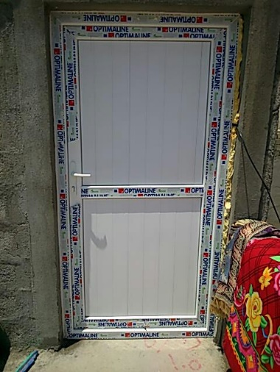
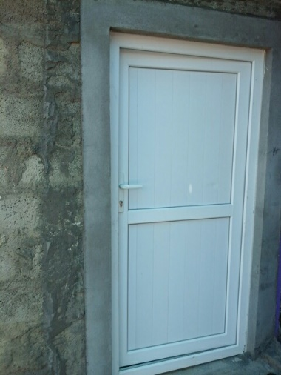
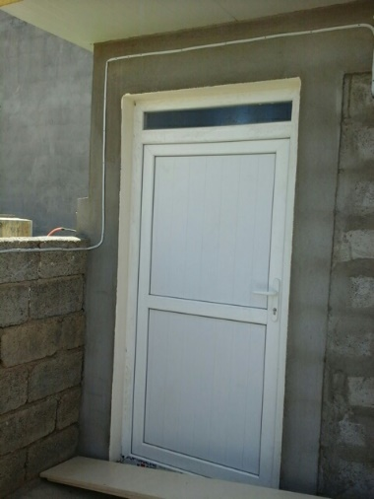
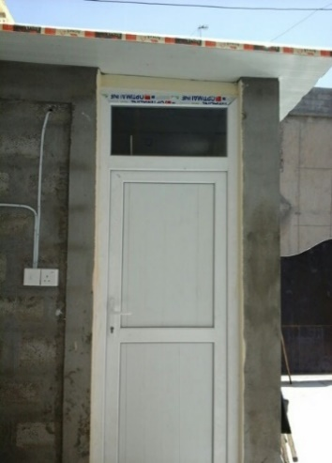
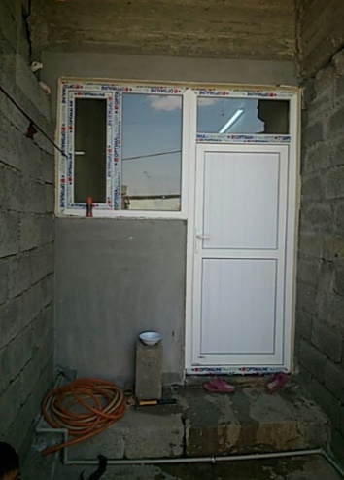

BOQ Item # | Items / Activities |  | Descriptions/ Details
D04 | PVC Windows |  | 1. Removing the old windows & frames if exist and repair of all damages that may occur to the wall or finishing due to the removal process.

 |  |  | 2. Supply materials and install new PVC windows complete with the frames, All the PVC windows, should be reinforced and the PVC should be new and not refurbished.

 |  |  | 3. All door frames will be plastered with cement plaster plus 15cm of the wall around it, the plastering should be vertical and with sharp edges so that the window frame would be fixed on it properly with out leaving and openings.

 |  |  | 4. Supplying and installing all required handles, hinges, etc.
 |  |  | 5. The new installed windows should be vertical, open and close properly.
 |  |  | 6. All the openings over, under or around the frame should be closed properly by using silicon.
 |  |  | 7. All windows should have an openable part.

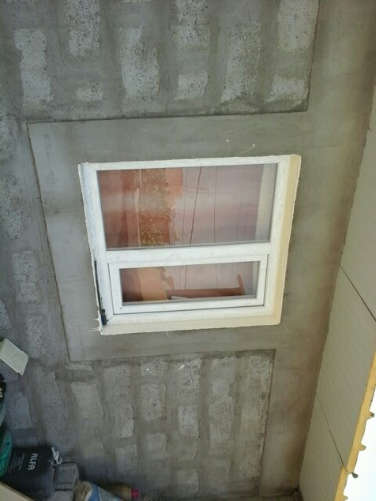
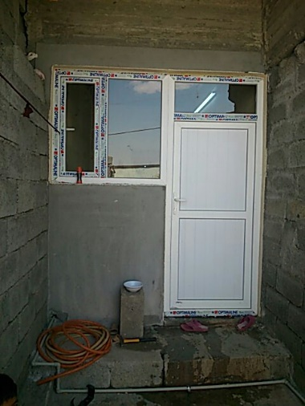
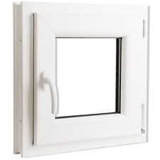
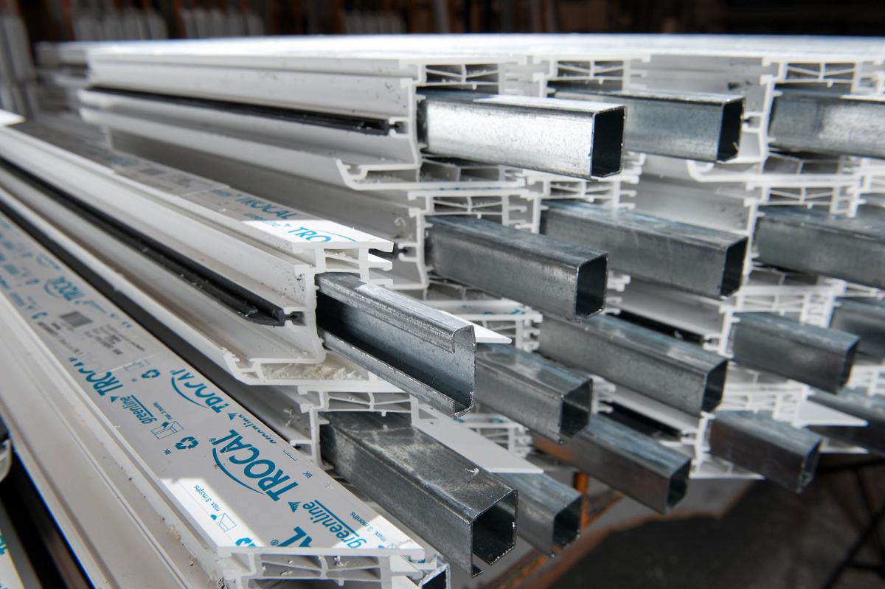

BOQ Item # | Items / Activities |  | Descriptions/ Details
D07 | PVC partitions |  | 1. Removing the old partitions if exists and repair of all damages that may occur to the wall or finishing due to the removal process.

 |  |  | 2. Supply materials and install new PVC partitions complete with the frames including PVC door and windows where is required, All the PVC partitions, should be reinforced and the PVC should be new and not refurbished.

 |  |  | 3. All the partition frames will be plastered with cement plaster plus 15cm of the wall around it (if required), the plastering should be vertical and with sharp edges so that the door frame would be fixed on it properly with out leaving and openings.

 |  |  | 4. Supplying and installing all required handles, locks and hinges for the doors and windows if exist.
 |  |  | 6. All the openings over, under or around the frame should be closed properly by using silicon.
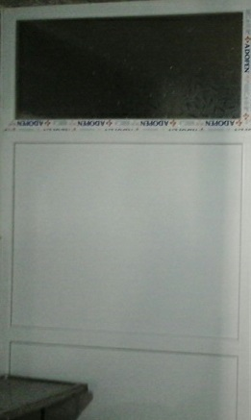
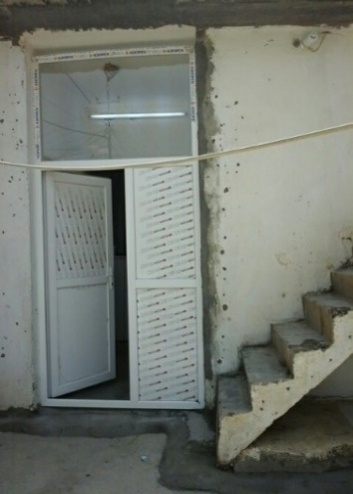
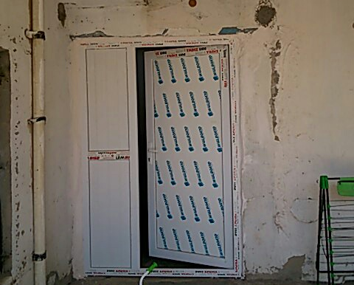

BOQ Item # | Items / Activities |  | Descriptions/ Details
E01 | Steel Handrail |  | 1. Providing and installing steel square pipe for 3"x1.5" for the two main frames , the total height of handrail will be 90 cm minimum, (the net distance between to 2 main axes of handrail frame).

 |  |  | 2. Using steel square pipe 1.5"X1.5" stiffeners support for the frame at least each 10 cm along the handrail.
 |  |  | 3. Using steel bar to fix the frame with the stairs by good welding, at least each 1 m.
 |  |  | 4. Paint the frame with 2 coat of anti-corrosion and 2 coat of oil paint.
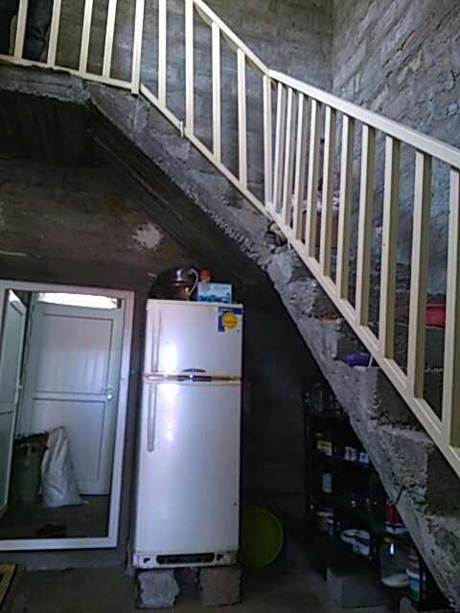
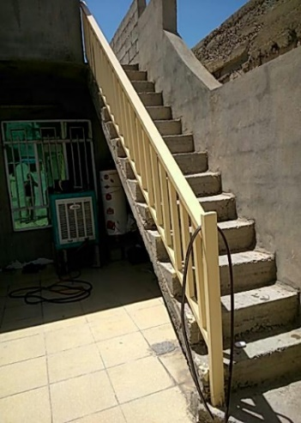

BOQ Item # | Items / Activities |  | Descriptions/ Details
F03 | Water Tank Stand |  | 1. Supply and install steel stand for the water steel tank, using steel angle 2.5x2.5 inch 3mm thick with 3.5m height.
 |  |  | 2. The design will be as the images and sketches shown below.
 |  |  | 3. The stand will supported in wholes of 0.3X0.3 m , 0.5 m depth , casted with concrete (SR cement).
 |  |  | 4. The price includes painting the steel stand with anti-corrosion and oil paint.
 |  |  | 5. All the diagonal support stiffeners for stand frame should be welded and fix properly as showing.
 |  |  | 6. Relocating and putting the existing water tank properly on the steel stand and re-connecting the pipes if exists.
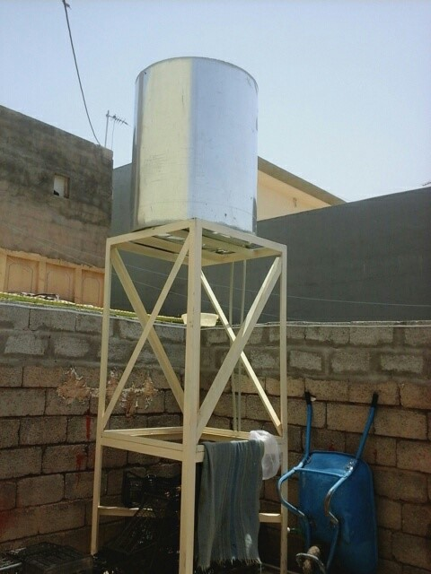

the stand in the image is missing the upper part

BOQ Item # | Items / Activities |  | Descriptions/ Details
F04 | PVC Water Pipes |  | 1. Providing and installing PVC water supply pipes including all fittings (elbow, extensions, ….etc.),All provided materials (pipes, fittings and accessories…) should be new and approved by site engineer.
 |  |  | 2. The work includes connecting the pipes with the main resource of water according to the instructions of site engineer.

 |  |  | 3. The pipes should be fixed properly on walls (where need) and the work includes drilling the walls for the pipe way if required.

 |  |  | 4. Laying pipes should be under ground, the work includes the excavation and filling the pipe way by clean soil.

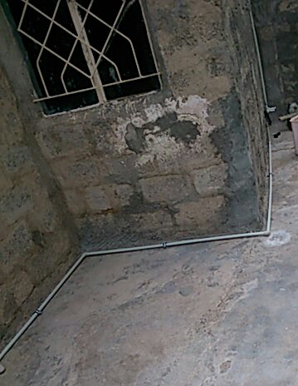
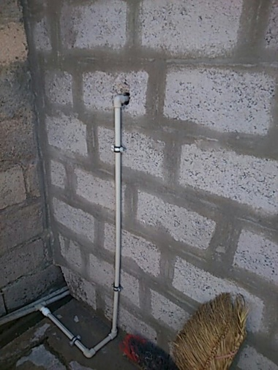
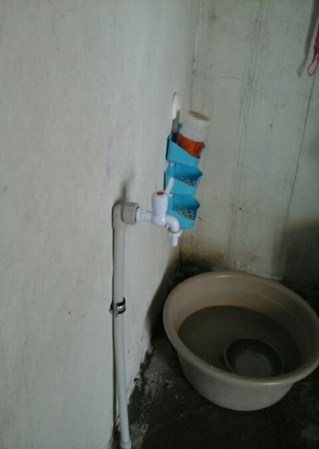

BOQ Item # | Items / Activities |  | Descriptions/ Details
F05-F06 | PVC Drain Pipes |  | 1. Providing and installing PVC drain pipes including all fittings (elbow, gully trap, extension, ….etc.),All provided materials (pipes, fittings and accessories…) should be new and approved by site engineer.
 |  |  | 2. The work and price including the connection of pipes for bathroom, Kitchen (grey water) with drainage, for WC (black water) the pipes should be connected to the Septic tank. The location of manholes should be specified with site engineer.

 |  |  | 3. The laying of pipe should be under ground with specific slope 1/d (d= diameter of pipe in mm) and according to the instruction of site engineer.

 |  |  | 4. Excavate the ground at least 40cm and lay the pipe and fixing it by concrete after that backfilling with fine sand and recasting the floor.

 |  |  | 5. The work includes removing the old pipes (if exists).
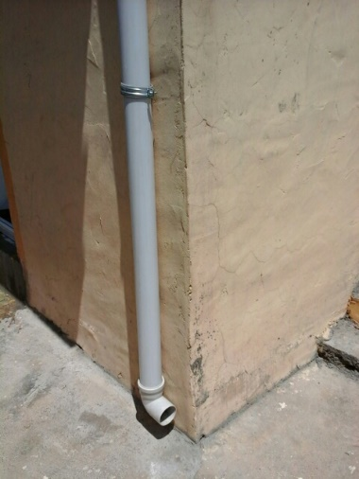

BOQ Item # | Items / Activities |  | Descriptions/ Details
G01 TO G12 | Electrical Works |  | 1. Provide and install material & work for the electrical items described in attached BoQ and according to the instruction of site engineer.
 |  |  | 2. - All supplied material must be new and approved by site engineer.
 |  |  | 3. All supplied materials should be good quality (Turkish or western origin ), and approved by site engineer.
 |  |  | 4. The wirings paths will be in straight lines (vertical and horizontal) and will be specified by technical site engineers, and the wires should be fixed properly on the walls using nails at least each 30 cm.
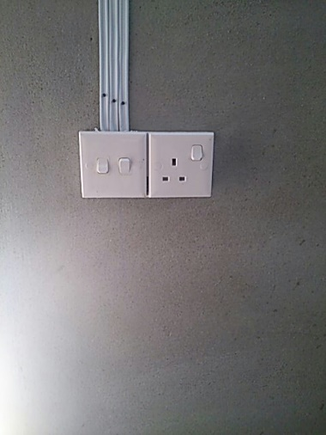
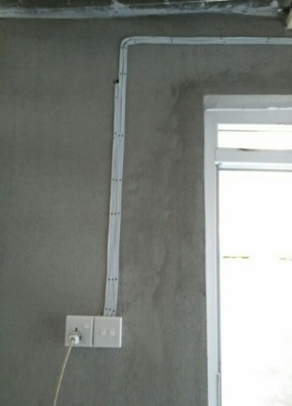
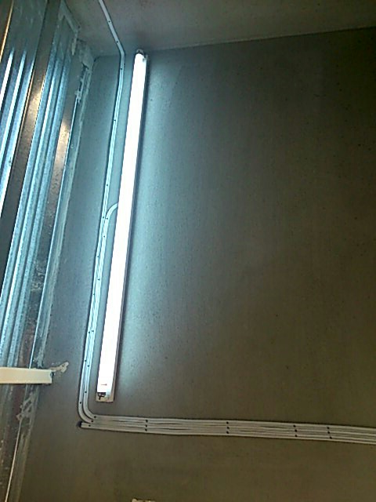

BOQ Item # | Items / Activities |  | Descriptions/ Details
F09 | Cesspool |  | 1. Excavation in all types of soil, and making a pit for the cesspool.
 |  |  | 2. Laying a layer of sub base materials, building a wall with Solid Block (20*20*40), first row will be on (40 cm thickness).
 |  |  | 3. Building the other rows of the wall by (20 cm thickness), and only the horizontal joints between the concrete blocks will be filled by cement mortar.
 |  |  | 4. Casting and installing a concrete (1:2:4) cover reinforced slab (15cm thick , steel bars 12mm over 12cm c/c in both direction), the work includes installing ventilation iron pipe 2.5" and a manhole cover of 50*50 cm.

BOQ Item # | Items / Activities |  | Descriptions/ Details
A05 | Foundation |  | 1. Excavation in all types of soil.
 |  |  | 2. Laying a layer of sub base materials, 10 cm thick with adequate compaction under the footings.
 |  |  | 3. Cast reinforced concrete for the strip footing 40X30 cm according to the attached sketch and using steel reinforcement 12 mm Dia.and 10mm dia. Stirrups according to the below drawings.

