Winter Clothes
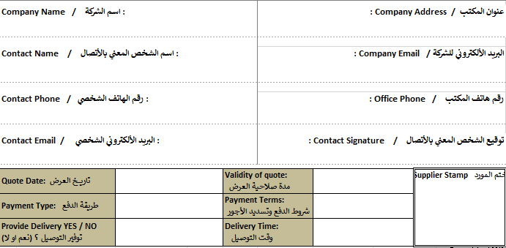
Bill of Quantity - Winterization
Annex A
a) All items must be delivered to Samaritan's Purse Warehouse
b) All the items and quality must be approved by Samaritan's Purse
Winter Clothing
NO. | ITEM Description | Unit | QTY | Price | Total
1. Winter Coats
1.1 | Winter coats for children, ages 2-5. Sizes of the coats must be appropriate for small children, namely size "Small". The total amount of coats must be split 50-50 between boys and girls. Amounts will be Boys: 1727, Girls:1727 | ea | 3,454 |  | $-
1.2 | Winter coats for children, ages 6-9. Sizes of the coats must be appropriate for small children, size "Medium". The total amount of coats must be split 50-50 between boys and girls. Amounts will be Boys: 1727, Girls: 1727. | ea | 3,454 |  | $-
1.3 | Winter coats for children, ages 10-11. Sizes of the coats must be appropriate for small children, size "Large". The total amount of coats must be split 50-50 between boys and girls. Amounts will be Boys: 883, Girls: 883. | ea | 1,726 |  | $-
1.4 | Winter coats for children, ages 12-14. Sizes of the coats must be appropriate for small children, size "X-Large". The total amount of coats must be split 50-50 between boys and girls. Amounts will be Boys: 883, Girls: 883. | ea | 1,726 |  | $-
2. Winter Sweaters
2.1 | Winter sweaters for children, ages 2-5. Sizes of the coats must be appropriate for small children, size "Small". The total amount of coats must be split 50-50 between boys and girls. Amounts will be Boys: 1727, Girls:1727. | ea | 3,454 |  | $-
2.2 | Winter sweaters for children, ages 6-9. Sizes of the coats must be appropriate for small children, size "Medium". The total amount of coats must be split 50-50 between boys and girls. Amounts will be Boys: 1727, Girls: 1727. | ea | 3,454 |  | $-
2.3 | Winter sweaters for children, ages 10-11. Sizes of the coats must be appropriate for small children, size "Large". The total amount of coats must be split 50-50 between boys and girls. Amounts will be Boys: 883, Girls: 883. | ea | 1,726 |  | $-
2.4 | Winter sweaters for children, ages 12-14. Sizes of the coats must be appropriate for small children, size "X-Large". The total amount of coats must be split 50-50 between boys and girls. Amounts will be Boys: 883, Girls: 883. | ea | 1,726 |  | $-
3. Winter Hats
3.1 | Winter hats for children. Size: one size fits all. Split 50-50 between boys and girls. Amounts Boys: 5180, Girls: 5180. | ea | 10,360 |  | $-
4. Winter Gloves
4.1 | Winter gloves for children ages 2-9. Size: Medium. Split 50-50 between boys and girls. Amounts Boys: 3454, Girls: 3454. | ea | 6,908 |  | $-
4.2 | Winter hats for children ages 10-14. Size:Large. Split 50-50 between boys and girls. Amounts Boys: 1726, Girls: 1726. | ea | 3,452 |  | $-
5. Winter Socks
5.1 | Winter socks for children, ages 2-5. Sizes of the coats must be appropriate for small children, size "Small". The total amount of coats must be split 50-50 between boys and girls. Amounts will be Boys: 1727, Girls:1727. | ea | 3,454 |  | $-
5.2 | Winter socks for children, ages 6-9. Sizes of the coats must be appropriate for small children, size "Medium". The total amount of coats must be split 50-50 between boys and girls. Amounts will be Boys: 1727, Girls: 1727. | ea | 3,454 |  | $-
5.3 | Winter socks for children, ages 10-11. Sizes of the coats must be appropriate for small children, size "Large". The total amount of coats must be split 50-50 between boys and girls. Amounts will be Boys: 883, Girls: 883. | ea | 1,726 |  | $-
5.4 | Winter socks for children, ages 12-14. Sizes of the coats must be appropriate for small children, size "Large". The total amount of coats must be split 50-50 between boys and girls. Amounts will be Boys: 883, Girls: 883. | ea | 1,726 |  | $-
Total (USD) |  | -
 | Questions |  |  | Comments
A | The supplier is legally registered to do this business? | Yes | No
B | The supplier have sufficient capacity for procuring, packing and delivering the boxes? | Yes | No
C | The company is officially registered in Iraq (GOI) or (KRI)? | Yes | No
D | Company have a USD (United States Dollars) bank account? | Yes | No
E | Receiver bank account is under the company name | Yes | No
F | Receiver bank is able to receive international bank transfers | Yes | No
G | The supplier can conduct all communication with Samaritan's Purse in English | Yes | No
I | Completed, signed, and stamped request for quotes form with prices and origin information for all items indicated provided? | Yes | No
J | Company CV Provided? | Yes | No
K | References of NGOs with current or past contracts with a similar provision? | Yes | No
L | Tax Registration Certificate provided? | Yes | No
M | Chamber of Commerce Registration provided? | Yes | No
N | Financial Information (only fill if available/applicable) provided? | Yes | No
O | Payment can be received upon completion of the project? | Yes | No
P | Supplier will deliver quantities of the order as set by Samaritan's Purse to (Sinjar,Qaraqosh, Duhok,Erbil) | Yes | No
O | Note 1 : Bidders Must Provide Samples of all the items they are provideing. these samples must come packaged and labled with the bidder's company logo. The samples are subjects of loss or damage while the committee is checking them and for that the bidder might or might not be able to get them back.
Q | please note that there are multiple tabs in this file they all need to be reviewed and priced and attached together to get the final BOQ.
R | Note 2 : Please attach a copy of the following in your sealed package. Your company's registration, Chamber of commerce, Company's CV, References list, Tax registration, Bank information.

Packaging Example
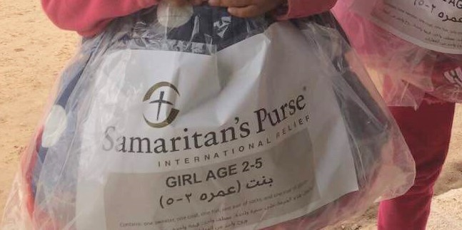

Blanket Example
