Technical Specifications
 | ANNEX 1. SPECIFICATIONS PN 16.1845.3-005.00

No. | Item name | Discription | Unit | Quantity | Reference Picture
1 | Wheelbarrow | 8 cubic foot capacity | Piece | 6
2 | Gardening Spades | Iron made with wooden hand | Piece | 44 | 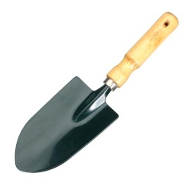
3 | Pruning Scissors for apple orchards | Made from steel used for cutting wood | Piece | 44 | 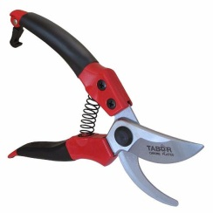
4 | Mulch (Nylon) | Nylon black in color used for mulching bed of vegetables with not less than 100 cm in width | Kg | 220
5 | Insect screen | Used for aeration of plastic house and as a protector against insects.(2 m in width and 13 m in length) | Meter | 121
6 | Mask | Agriculture Mask used against dust. | Piece | 11 | 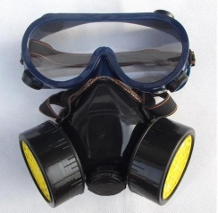
7 | Plastic Boots | Working safety shoes PVC plastic rain boots Water-resistant protection accessories staff shoes | Piece | 44 | 
8 | Protection Uniform | Cotton polyster blend | Piece | 11
9 | Manual Sprayers | dimartino-Rosy 16L Italian made or any other sprayer but with the same quality | Piece | 4 | 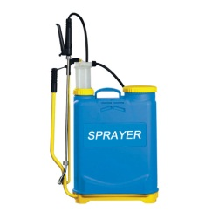
10 | 3 Plastic robe (24 Roller) Thread | Thread its used to tied the plants to roof of greenhouse | Bag | 55
11 | Plastic Bags | Big plastic bags 20 liter Used for cereal crops | Kg | 22
12 | Pin | Iron pin 60 cm | Piece | 264
13 | Thermo Hygrometer | Used for measuring temperature and humidity inside green houses | Piece | 22
14 | Insect Sticker trapping | Sticking papers used for trapping insects and spiders | Piece | 250 | 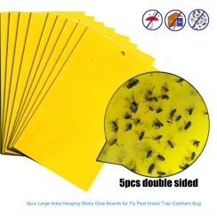
15 | Safety goggles | Pesticides eyes protection | Piece | 11
16 | Hats | Head protective hats made of straw or cotton | Piece | 44
17 | First aid kits | First aid metal cupboard including treatment package for minor accidents (see Picture) | Piece | 1 | 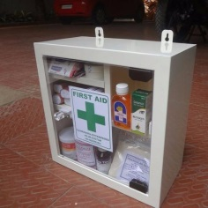
18 | Fire Extinguisher body | Min. 50 cm length | Piece | 2
19 | Cooking pot/Sterilizer | 150-200 L capacity including a lid • Can hold 50-60 bottles at a time • Stainless steel tank for ease of cleaning and long life • Holds preserving bottles | Piece | 2 | 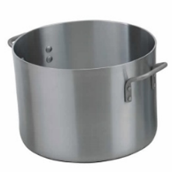
20 | Heater | Propane Gas Single Burner Outdoor Stove • Single gas burner • Manual/Automatic ignition • 5 PSI regulator • Heavy gauge welded steel frame • Preassembled and only requiring you to connect the liquefied propane (LP) hose to the burner and propane tank • Square frame design that incorporates the windscreen as the supporting structure | Piece | 6 | 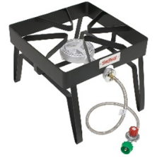
21 | Thermometer | Instant reading with LCD Screen: 10 -100 C. Accuracy +-1 C. | Piece | 6 | 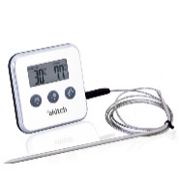
22 | Wash tub | 80 L Plastic approx. 70 x 50 x 32 cm. New Plastic high intensity 2 mm thickness minimum. | Piece | 6 | 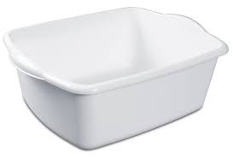
23 | Perforated bucket | 20 L Plastic perforated buckets. New Plastic, high intensity, 2 mm thickness minimum. | Piece | 6 | 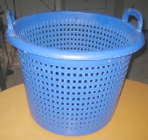
24 | Strainer | • Perforated 2mm fine mesh stainless steel strainer prevents pulp and skins from slipping through • Mashes and sieves soft foods • Approximate 1 L capacity • Handle hooks allow strainer to rest on bowls without slipping • Stainless steel cone strainer • Chrome support stand • East to clean and dishwasher safe | Piece | 6 | 