Quotation
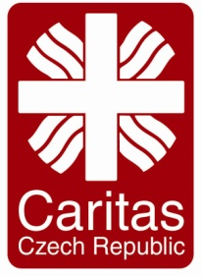
Quotation Form
 |  | Organization: | Please Specify
 |  | Caritas Czech Republic in Iraq MRF 4 Towers, D4, 11th, Apt: 40. Erbil, Iraq

Company Name |  |  | Guaranty
اسم الشركة |  |  | ضمانة
Prepare by |  |  | Availability
أعدت من قبل |  |  | توفر
Phone No |  |  | Delivery Time
رقم الهاتف |  |  | مدة التسليم
Adress |  |  | Delivery Cost
عنوان الشركة |  |  | تكلفة النقل
Email Adress |  |  | Validity of Price
البريد الالكتروني |  |  | صحة السعر
Date: |  |  | Term of Payment |  | Bank Cheque
تأريخ: |  |  | طريقة الدفع |  | شيك المصرفي
Project Code |  | IR10 | Currency |  | USD
Winter Coat for Worker in Bersive Camp/Zakho
# | Item Description |  |  | Quantity | Unit | total price for the Assignment | Any comment
1 | Final external evaluation of a humanitarian project “Emergency Humanitarian Assistance for Vulnerable Internally Displaced Families in Berseve 1 Camp, Iraq (Kurdistan)” (contract No.: PI180071) implemented by Caritas Czech Republic in Bersive Camp/Zakho_ Duhok In KRI between July 2018 and February 2019 |  |  | Service for 18 Days from 11 to 28 april 2019 | Service
Total Amount in USD

Suppliers Stamp & Signature

