Quotation
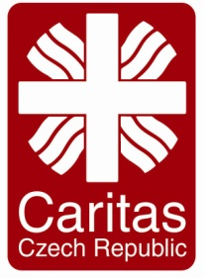
Quotation Form
 |  | Organization: | Please Specify
 |  | Caritas Czech Republic in Iraq MRF 4 Towers, D4, 9th, Apt: 30. Erbil, Iraq

Company Name |  |  | Year of Experience
اسم الشركة
Prepare by |  |  | Availability
أعدت من قبل
Phone No |  |  | Delivery Time | Trainer profeciency in Brief
رقم الهاتف |  |  | مدة التسليم
Adress |  |  | Requested Service |  | Detail of the service is mentioned in the Instruction for Biders form
عنوان الشركة
Email Adress |  |  | Any Comment
البريد الالكتروني
Date:
تأريخ:
Project Code |  | IR11 | Currency |  | USD
Technical Training for medical Staff In Qaim
# | Item Description |  |  | Quantity | Unit | Service Fee | Total price
1 | Technical training for medical staff for 12 days, each day 3 hour training for the number of 45 attendees in Qa'im/ Anbar |  |  | Service | 1
Total Amount in USD

Suppliers Stamp & Signature

