REPRESENTATIVE OFFICE EQUIP
A. Technical Specification
IT Equipment
Item No | Product Name | Product Specifications | Quantity

1 | Computer | 3.2GHz 6-core 8th-generation Intel Core i7 processor, Turbo Boost up to 4.6GHz 8GB DDR4 memory Radeon Pro 555X with 2GB of GDDR5 memory 1TB Serial ATA Drive @ 5400 rpm Magic Mouse 2 Magic Keyboard - US English OS: MAC | 1
2 | Interactive Displays | 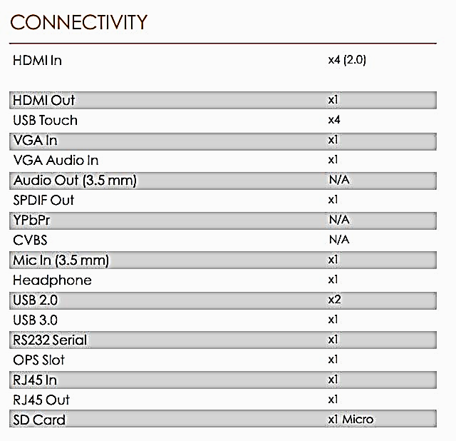 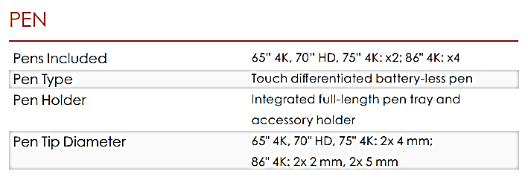 SIZE : 75 Inch-4K INTERACTIVITY Gestures and Edge Swipes :Windows® Supported Touch Technology :InGlass Technology Touch Resolution : 0.4 mm (minimum) Contact Detection Height :=<0.95 mm @ 2 mm object size Max Touch Response Time : 18 ms (first touch), 13 ms (continuous) Touch Accuracy:1 mm Tracking Rate:4 m/s Scan Rate : =<6.7 ms Whiteboard : Gesture controls, palm and block erase, protractor, ruler, and more Compatibility* : Windows® 7 to 10 OS X® 10.8 to 10.11 macOS® Sierra 10.12.1 or later Linux® Ubuntu 16.04 LTS Chrome OS™ DISPLAY Screen Type : TFT LCD (Direct LED Backlight) Aspect Ratio : 16:9 Display Area : 75" 4K: 1652 x 930 mm (65 x 36.6 in) Resolution : 3840 x 2160 px @ 60 Hz Display Colors : 1.07 Billion (10 bits) Glass Hardness : 7 Mohs, 9H pencil | 1

3 | Access Point | Dimensions 196.7 x 196.7 x 35 mm (7.74 x 7.74 x 1.38") Weight With Mounting Kits 350 g (12.4 oz) 450 g (15.9 oz) Networking Interface (2) 10/100/1000 Ethernet Ports Port (1) USB 2.0 Port Buttons Reset Power Method Passive Power over Ethernet (48V), 802.3af/802.3at Supported (Supported Voltage Range: 44 to 57VDC) Power Supply UniFi Switch (PoE) Power Save Supported Maximum Power Consumption 9W Maximum TX Power 2.4 GHz 5 GHz 22 dBm 22 dBm Antennas (3) Dual-Band Antennas, 2.4 GHz: 3 dBi, 5 GHz: 3 dBi Wi-Fi Standards 802.11 a/b/g/n/r/k/v/ac Wireless Security WEP, WPA-PSK, WPA-Enterprise (WPA/WPA2, TKIP/AES) BSSID Up to 8 per Radio Mounting Wall/Ceiling (Kits Included) Operating Temperature -10 to 70° C (14 to 158° F) Operating Humidity 5 to 95% Noncondensing Certifications CE, FCC, IC Advanced Traffic Management VLAN 802.1Q Advanced QoS Per-User Rate Limiting Guest Traffic Isolation Supported WMM Voice, Video, Best Effort, and Background Concurrent Clients 250+ Supported Data Rates (Mbps) Standard Data Rates 802.11ac 6.5 Mbps to 1300 Mbps (MCS0 - MCS9 NSS1/2/3, VHT 20/40/80) 802.11n 6.5 Mbps to 450 Mbps (MCS0 - MCS23, HT 20/40) 802.11a 6, 9, 12, 18, 24, 36, 48, 54 Mbps 802.11g 6, 9, 12, 18, 24, 36, 48, 54 Mbps 802.11b 1, 2, 5.5, 11 Mbps | 4

4 | Multi Function Printer | An A4/A3 colour Multi-Functional Product with 25 page per minute productivity (in A4). It's ideal for mid-sized workgroups given the advanced functionality, usability and customisation options. Resolution 1,200 x 1,200 dpi, 2bit depth for print quality of 4,800 dpi equivalent x 1,200 dpi Engine speed Up to 25/12 pages per minute A4/A3 in colour and b/w Scan speed Colour: 160 images per minute, b/w: 160 image per minute, (A4, 300dpi with DP-7110) | 1
5 | Shredder | (Sheet Capacity: 4-6pcs(70g/A4) Cut Size:2×6 mm SecurityLevel:Level 4(DIN32757-1-1995) Speed:3.5m/min Bin Capacity:20L Throat Width:220mm Noise:58dB Rated Power:130W Features: Bin-Full Indicater Auto Reverse on Over Loading Manual Start and Stop Special Cutter | 1
6 | conference sound system | CCS‑Dx CCS Delegate Unit | 29
 |  | Master mic | 2
 |  | Controler Unit | 1
 |  | Amplifier (mixer 8channel) | 1
 |  | Ceiling Mount Speaker | 15
7 | Video recording camera with wireless mike with all accsories | DX format 24.2 mega-pixels 100-12800 ISO EXPEED 4 11 AF points 5 fps | 1

Remarks:
* | Technical specification are approximate and minimum required specifications.

