Sheet1
A. | ANNEX 1 - TECHNICAL SPECIFICATIONS

LOT1 - | Clothing

Item No. | product name | Product Specifications | Reference Pictures | Unit | Quantity الكمية
1 | working suit | 100% cotton material; one color; flame retardant; acid resist; top V pocket; two side pockets; reflective tape around arms as well as across backlight, high-strength workmanship. Sizes : S-M-L-XL-XXL Color : Grey with phosphoric line High Quality Standards. |  | pieces | 1,800
2 | Safety Vest | Polyester mesh material; Color: Lime, Yellow or Orange; all one color; reflects at night, waterproof resistance, Adjustable for closure; meets ANSI Class 2 Standards; min. 2 silver reflective stripes each front and back; 1 outer chest pocket; 1 inside pocket; ments that require high visibility. Minimum weight per vest : 120 gm minimum |  | pieces | 1,800
3 | Work Gloves | 100 % cotton material (Mixed Rubber in the front with fabric in the back ), Weight ( not less than 800 gm/ dozean). Heavy duty handling; Color prefer: Black/Gray/Yellow; all one color. or similar |  | pair | 1,800
4 | plastic work boots with different sizes | Upper: High quality PVC/Nitrile; Lining: Abrasion resistant fabric mesh; Outsole: High quality PVC/Nitrile; anti-slip; Application fields: Automobile; Energy supply; Construction; Mining; Logistics; Steel industry etc Color : Black Sizes : 40-41-42-43-44 | 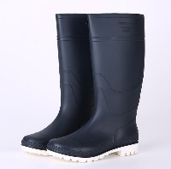 | pair | 900
5 | shoes with different sizes | International CE EN20345 standard for safety shoes SAFETY CLASS (Reference EN345) Basic Function Anti-slipping, Shock-absorption heel, Oil/fuel resistant, Weak acids/alkali resistant Outsole SB - Basic safety boots. Covering 50% of the fabric and polyester cloth on top of 50% cotton veneers, covered with high-spongy sponge Outsole Material:PVC Color : not limited Sizes : 40-41-42-43-44 | 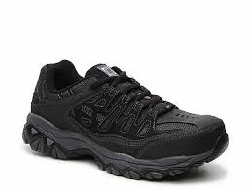 | pair | 1,800
6 | Work Shoes | Upper-Genuine Leather Type:Cow Leather Closure Type:Lace-Up Leather Style:Nubuck Leather Shaft Material:Full Grain Leather Insole Material:Bonded Leather Upper Material:Genuine Leather Lining Material:PVC Boot Type:Work & Safety Heel Height:Low (1cm-3cm) Outsole Material:Rubber Work shoes made of high quality cowhide smoothly Color : not limited Sizes : 40-41-42-43-44 | 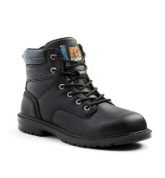 | pair | 1,800
7 | Cap / Kaskit | Polyethylene shell construction, ABS shell insert with foam padding Lightweight working cap is great for full time outdoor workers in the low-risk workplace Air holes on both sides of cap for ventilation Size Ranges: one size fits all Color: light (white or grey), all one color 100-percent cotton ball cap with ABS shell insert or similar | 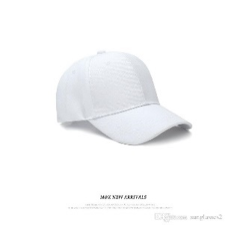 | pieces | 1,800

LOT 2 - Waste equipment

Item No. | Product Name | Product Spesifications | Reference Pictures | Unit | Quantity
1 | Cleaning Brush Type1 | Hard/steel bristle Broom Usage: Outdoor (coarse hair to clean the streets) Broomstick Material: metal Total length: approx. 60 cm Brush head weight: approx. 600 gram Broom Head Material: PP Material: PP + PET + Handle Color: all in same color Bristle diameter: approx. 0.90 mm The brush is with handle Lengh of handle : 115 cm Dimention of Brush : 25-30 cm | 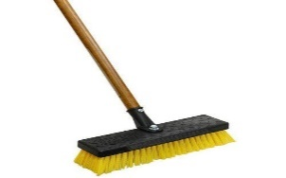 | pieces | 225
2 | Cleaning Brush Type 2 | Street cleaning brush with wood handle (Wood butterfly) Usage: Outdoor (coarse hair to clean the streets) Broomstick Material: Wood Size: approx. 30 cm Brush head weight: approx. 600 gram Broom Head Material: PP Color: all in same color Bristle diameter: approx. 0.90 mm A wood butterfly with a wooden arm. A wooden base and rough hair. The hair can be replaced with a piece of cord. The brush is with handle Lengh of handle : 115 cm Dimention of Brush : 25-30 cm |  | pieces | 240
3 | Shovel | Item: Shovel with Hardwood Handle Usage: Garden Width (cm): Min 20 cm. Handle: Min 120 cm. strong hardwood with D handle. Description: The head is min. 1,6 mm. in stainless steel material. The forging should be clearly and indelibly marked with manufacturer name and/or trademark. Excellent workmanship with a sharp-edged wooden arm | 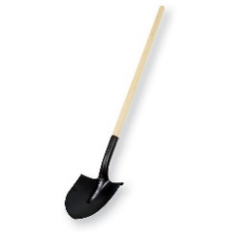 | pieces | 460
4 | Pick with Hardwood Handle | Item: Pickaxe with Hardwood Handle Usage: Garden, Farming, Digging Prying and cutting roots. Material: stainless steel material Min: 2 kg Handle: Min 120 cm Wooden Handle Description: Black forged. The forging should be clearly and indelibly marked with manufacturer name and/or trademark. |  | pieces | 240
5 | Garden Hammers | Item: Rake with Hardwood Handle Scope: Rake with Hardwood Handle in steel material covered by thermoset plastic for gardening. Usage: Garden and parks Handle: Wooden Min 150 cm Number of teeth: Min 16 teeth Width (cm): Min 41 cm High quality lawn mowers and smooth wooden arm | 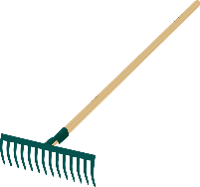 | pieces | 230
6 | Rake-cum- hoe | Item: Rake-cum-hoe with plastic handle Usage: Garden and parks Handle: Iron Handle: plastic Description: The two tools are combined on the same end, so that they are on the same piece of metal. The rake is very coarse, so can only be used for raking coarse material. The hoe is a flat blade, that can be used to scrape and dig. or similar Hight of Handle : 30 cm Dimention of Rake : 20 cm | 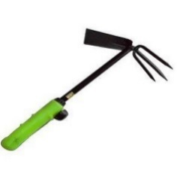 | pieces | 200

B. Remarks for both LOT 1 & LOT 2 :

 | 1- All Items should Be delivered to Bartalla Town /East Mousl
 | 2- All items should match the spesifications

