Annex A1 Technical Bid
 |  | ITB reference number: ITB-IQ-BGT-19-009 |  |  |  |  | Annex A.1 Technical Bid
DRC to complete |  |  |  |  | Bidder to complete
# | Item Required | Specification | Photos | Item offered (name make and model with full specification) |  | Country of Origin | Lead Time
1 | Basketball Hoop Stand | 115 cm Toy Set for Kids, Adjustable Outdoor Game | 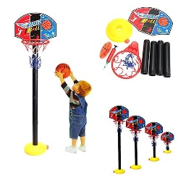
2 | Latex Balloon | 12 inch assorted colors packs of 100Pcs in package- Sample required
3 | Original Classic Ping Pong Table | Fine steel pipe connection, Folding, Sturdy and Durable, Standard Table for competitions or training, With rolling paint process, film level and smooth, Adopting new environmental protection materials. Table should be the standard table for Adults with dimensions ( 2.74 m (9.0 ft) long, 1.525 m (5.0 ft) wide, and 76 cm (2.5 ft) ) | 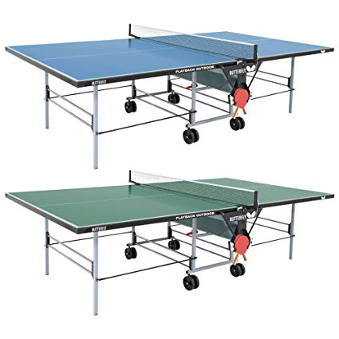
4 | Ocean Ball for Children | Assorted color Package of 7 cm assorted color plastic balls, 100 pack. Sample required | 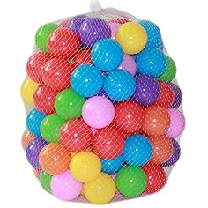
5 | Puzzle Carpet set for childrens | Large Interlocking made from Foam assorted color ,Every tiles=31.5x31.5cm with 1 cm thickness. Each set should have 36 pieces. (please note picture is not to scale and colors can be different)
6 | Building Block Brick Set | Large Creative Colorful Foam , Children Educational Cube Toys set with 50pcs (please note the how large the pieces are compared to the children.)
7 | Rubix cubes | 5*5 Magic Cube Puzzle (Sample required)
8 | Wooden Tower Blocks Toy (Jenga game) | colorful , 60 pcs in package | 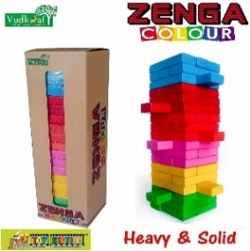
9 | Legos | Set of 110 pcs (Sample required) | 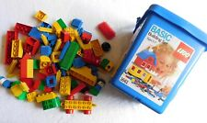
10 | Hoola hoops | Assorted color for kids (Sample required) | 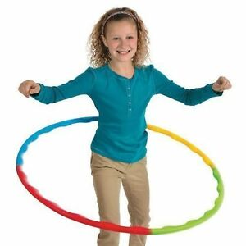
11 | One foot skip Ball - | plastic material and it is size : Diameter 12 cm, lenth 60-70 cm | 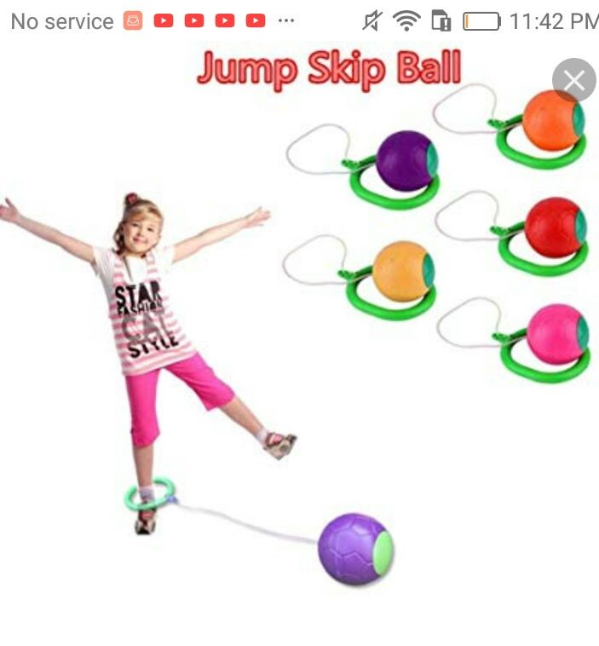
12 | Hoopla Piling Ring Separable Throw circle for Children | Plastic, Random Colours 44*18.5cm | 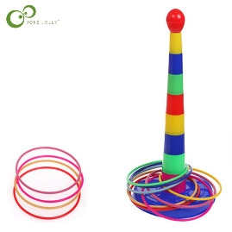
13 | Basketball | performance rubber cover, Official, size 29.5 inches, size 7
14 | Build your own race car kit | (enough pieces to build 10-20 cars per kit) (similar to Lego race car kit) (Sample required) | 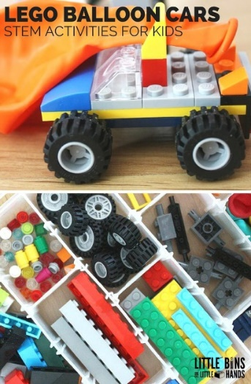
15 | Rocking Chair Seesaw | coated steel frame rust-resistant can support up to 40 Kg per child. With plastic seats. | 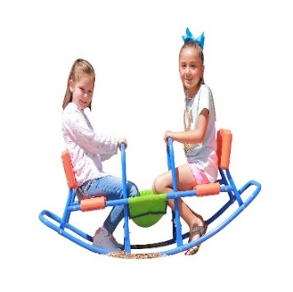
16 | Plastic Kids Swings And Slides Set With Basketball Stand | 170*173*138 cm" | 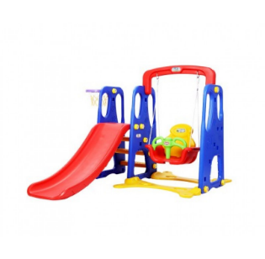
17 | Soccer Jerseys for Adults | Set includes: Shorts and T-shirt - 100% polyester (XL / White colour)
18 | Soccer Jerseys for Adults | Set includes: Shorts and T-shirt - 100% polyester (XL / Blue colour)
19 | Soccer Jerseys for Adults | Set includes: Shorts and T-shirt - 100% polyester (XL / Green colour)
20 | Soccer Ball | Synthetic leather cover extremely soft touch for Adults, size 5, dimensions 21.6 x 25.4 x 20.3 cm (see picture) | 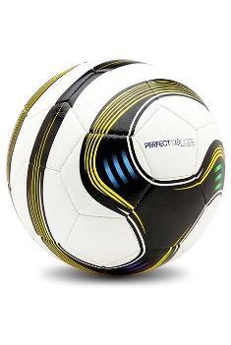
21 | Soccer net | 5*3 meter (pack of 2 net)
22 | Wooden chess set | 40cm * 40cm
23 | Foosball | Outer dimension: 127.8cm x 62cm x 86.8cm, playfield dimension: 106.6cm x 58.4cm x 10.3cm, STANDARD DESIGN: 8 rows are included in the table (4 rows per team); 11 blue players and 11 white players Anti-skid grips (Easily install) 1-Chromed Tubes with Easy run and low friction Bearings 2-Anti Slip Rubber Feet and rubberized handles 3-Scoreboard for both Teams 4-Feet made from chromed Steel with wheels and brakes | 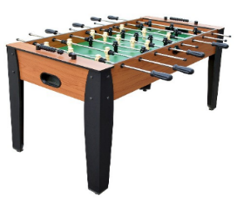
24 | Goalkeeper long sleeve Jersey for adults | Set including Yellow long sleeve Jersey and shorts.
25 | Plastics Gold painted Medals for Soccer (Winner Medals) , | 2 Inches in Diameter with 30-Inch Ribbon (12 Piece in pack)
26 | Volleyball ball for adults | Standard, 65 -67 centimetres circumference | 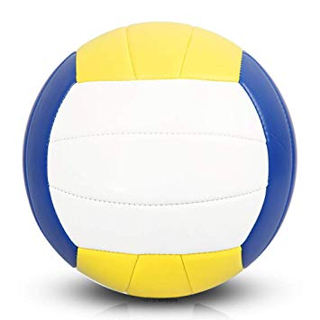
27 | Volleyball net | 9.75 meter*1Meter
28 | Backgammon | wooden 48cmx30cmx7cm with pair of dice and buttons
29 | Double Six Professional Dominoes - | White with Black Dots (ignore color in picture) | 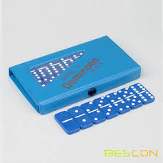
30 | Rubber flooring printing Giant Snakes & Ladders- | Dimension 2*2 meter Please note this can be printed on a large piece of plastic sheet in order to fit the measurements. | 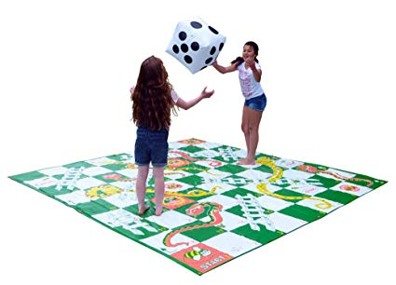
31 | Colorful Leather cover compressed Sponge filled Dice Six Sided | The numbers could be sewed patches or printed dimensions 30 x 30 x 30cm | 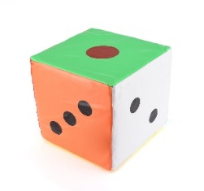
32 | Skipping robe for adults | with Wooden Handle. 6 ft in length.
33 | Badminton Racket Set | 2 Player Set, with Shuttlecock and Carry bag | 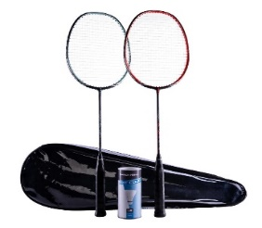
34 | Cartoon Costumes | Different characters and colors, suitable for children, good quality, gender neutral. | 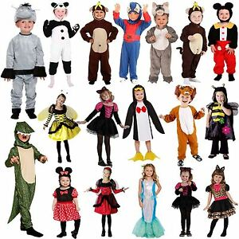
35 | metal scooter, | Strong Material, wheel diameter: 20 cm. Materials: aluminum alloy PU wheels. Dimension: width x height: 5 inch x 75 cm, and weight of 1.5 kg, handle width: 32 cm, pedal length: 47 cm, good quality and different colors. | 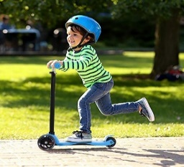
36 | Doll Puppet | Normally used for puppet show activity for children, different characters (Animals or cartoon characters), made of cotton or fabric, medium size with height 25-30 cm. | 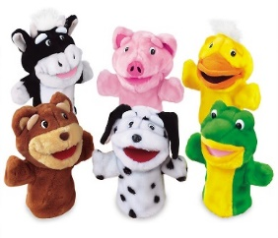
37 | Jump-O-Lene Castle | In different colors, dimension of 1.32 m x 1.32 m x1.07 m. Soft inflatable floor and the walls should provide a safe bouncing platform. Good quality.
38 | Plastic Jumping Horse. | Ride-on Bouncy Animal,Easy inflation, Stable 4 legged, Length: 60 cm from nose to tail; Seat height: 28 cm; Body height: 50 cm from ear to floor. Suitable for age group; 3 years +.
39 | Seesaw, good quality | (Please note picture not to scale.). Big enough for Kids to ride
40 | Artificial clay. | Similar to playdough. Sets of 6 colors minimum. | 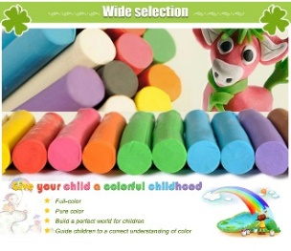
41 | Ping pong Bats | Set of 2 racks minimum | 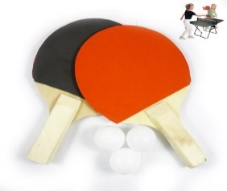
42 | Ping pong balls. | Set of 12 any color.
43 | Ping pong net. |  | 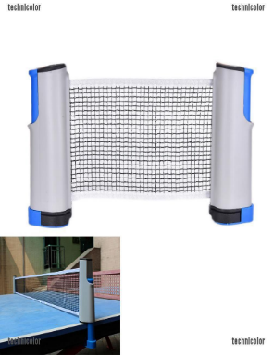
DRC to complete |  |  |  | Bidder to complete
Delivery time required (days after PO signature): |  | 10 Days |  | Delivery time offered (days after PO signature):
Delivery Terms required (Add Incoterm if necessary): |  | DDP (Incoterms 2010) |  | Delivery Terms offered (must include incoterm):
Delivery Destination required: |  | Baghdad, Baquba, Fallujah, Karbala and Tikrit Cities |  | Delivery Destination offered:
Minimum bid validity period required: |  | 1 Year |  | Bid validity period offfered:
Additional comments to bidders: - Samples are required for Items 2, 7, 9, 10 and 14. All Samples are to be submitted alongside the Bids and Samples should be Clearly marked with Bidders name and ITB reference Number - ITB-IQ-BGT-19-009. - Picture Samples are to be presented for all Other offered Items. -Note that pictures are not a definition of Models or Brands but a description of the required item, any item of similar design, and quality as the pictures will be considered. |  |  |  | Company Name:
 |  |  |  | Contact Person:
 |  |  |  | Address: |  | Phone number:
 |  |  |  | Email Address: |  | Date:
 |  |  |  | Signed by a duly authorized company representative:
 |  |  |  | Title:
 |  |  |  | Print Name:
 |  |  |  | Stamp of company

