Italian made Boiler
1.0 | BoQ for Replacement Three Water Boilers with Burners by new one in Directorate of Adult Reform in Erbil, |  |  |  |  | 
 | Notes:
 | ► The contractor is responsible on repairing any damage that may occur during work (existing pipe, walls, electric)…etc.
 | ► The Contractor is responsible for providing any materials, items, tools, machines and skilled manpower needed for the work
 | ► All materials to be provided by the contractor shall be approved by Supervisors before using
 | ► The Contractor should provide to NPA original certificates, warranties and technical documentation of installed machineries, equipment and devices.
 | ► Contractor should take in consider that transportation of materials inside the prison
 | ► The contractor is responsible for any other expense (transportation, labor test, tax, curing of work…etc.)
 | ► The contractor is responsible for fixing any change in boilers during installation of new boilers. |  |  |  |  | Technical offer details
 | ► Working days: 6 days /week ► Working Duration (09:00 am to 04:00 pm)
No. | Work details | Unit | Qtty | Cost USD | Total cost USD | catalogues needed Yes/No | catalogues provided (by contractor) Yes/No | Brand name and Country
1 | Supply and install new water boiler ~ ACK2-600 (698kW): | $-
1.1 | Provide machines manpower and tools needed remove existing water boiler then supply and install new water boiler Remove existing water boiler then supply and install new water boiler ITALIAN MADE with electric control board and all electric accessories, ~close to these specifications; Type ACK2-600 Product capacity: 600.000 Kcal/h & 698 kW Operating Pressure: 4 mbar Water Side Resistance: 16 mbar Gas Side Resistance: 1.82 mbar Standby losses: 0.17% Combustion chamber volume: 559 dmᵌ Type: B23 Dimensions: Boiler Height: ~1511 mm Boiler Width(B): ~1240 mm Boiler Length (C): ~2005mm. Fill and drain valve: 3/4" Water Content: 569 Lt. and with automatic sensor | Number | 2 |  | 0 | Yes
1.2 | Provide machines manpower and tools needed remove existing water boiler then supply and install new water boiler Remove existing water boiler then supply and install new water boiler ITALIAN MADE with electric control board and all electric accessories, ~ close to these specifications; Type ACK2-700 Product capacity: 700.000 Kcal/h & 814 kW Operating Pressure: 4 Bars Gas Side Resistance: 2.3 mbar Water Side Resistance: 18 mbar Standby losses: 0.16% Combustion chamber volume: 1005 dmᵌ Water Side Resistance: 18 Dimensions: Boiler Height: ~1400 mm Boiler Width(B): ~1450 mm Boiler Length (C): ~2400 mm. Fill and drain valve: 1" Water Content: 1019 Lt. with automatic sensor | Number | 1 |  | 0 | Yes
1.3 | Diesel Fuel Filter/Water Separator: Remove existing one then supply and install new Diesel Fuel Filter/water separator with pipes and any fittings needed to install it for suction (vacuum) side application, best quality, according to the following specifications: type: 900FG Flow rate: 90GPH (340LPH) working vacuum 28.5 IN.HG Max/test pressure 100 PSIG | No. | 3 |  | 0 | No
2.0 | Supply and install new Burner | $-
2.1 | Replace existing Burner with new Burner good quality (European brand, Swedish,...), with electrical accessories, ~ close to these specifications to be to be adequate with boilers; A) Pump : Volt: 230 to 400 Hz: 50 kW 1.1 Rotation: ~ 2860 RPM A: 4.2 to 2.4 efficiency: 79.6 % B) Burner specification: Capacity: 32-59.5 Kg/hr. operating power: 380-706 kW diesel: (20º C'de 1.5º E=6cSt) energy supply: 3~380/400 V, Hz 50, 1.42kW | lumps. | 3 |  |  | Yes
3.0 | Safety valve and expansion tank membrane | $-
3.1 | Replace Safety Valve (Air Relief Valve) with new one good quality according to the following specifications; TS. EN. ISO 4126.1 DN: 65 PN: 16 Setup Pressure Flow: 8 Bars Maximum Pressure: 18 Bar Maximum allowable temperature: 10°C to +300°C Type: Proportional Lift | No. | 3 |  | 0 | No
3.2 | Supply and install new Expansions Tank Membrane (SE.FA) Product: 1500 Liter Expansion Tanks Model: SE.FA 1000/1500 lt Body Material: EPDM (Italian made) Pressure: 10 Bars | No. | 1 |  | 0 | Yes
3.3 | Supply and install new Expansions Tank Membrane (SE.FA) Product: 1500 Liter Expansion Tanks Model: SE.FA 750/1000 lt Body Material: EPDM (Italian made) Pressure: 10 Bars | No. | 2 |  | 0 | Yes
 |  |  |  |  |  | Note: Company should provide the above items specifications, brand, country of made, catalogues within application offer

1 | Supply and install new water boiler ~ ACK2-600 (698kW): |  |  |  | 0
2 | Supply and install new Burner |  |  |  | 0
3 | Safety valve and expansion tank membrane |  |  |  | 0
 | TOTAL |  |  |  | 0

 | Duration + Installation |  |  |  | 0 | calendar days

Pictures
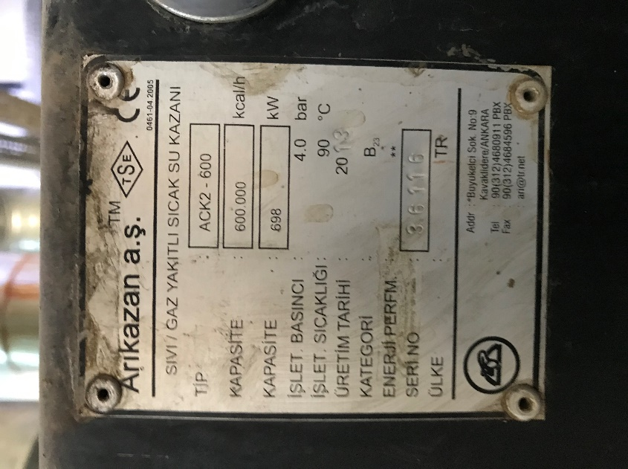
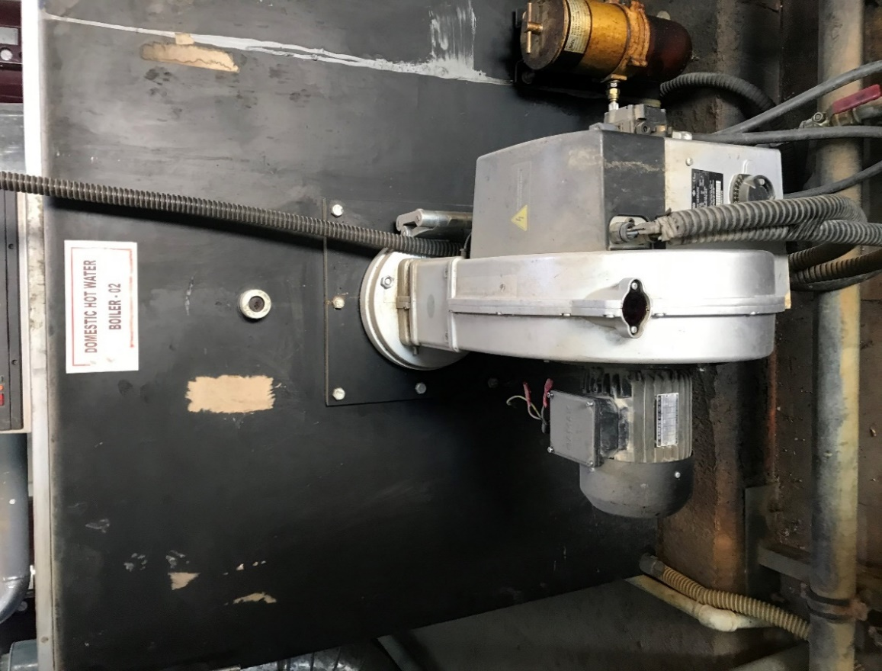
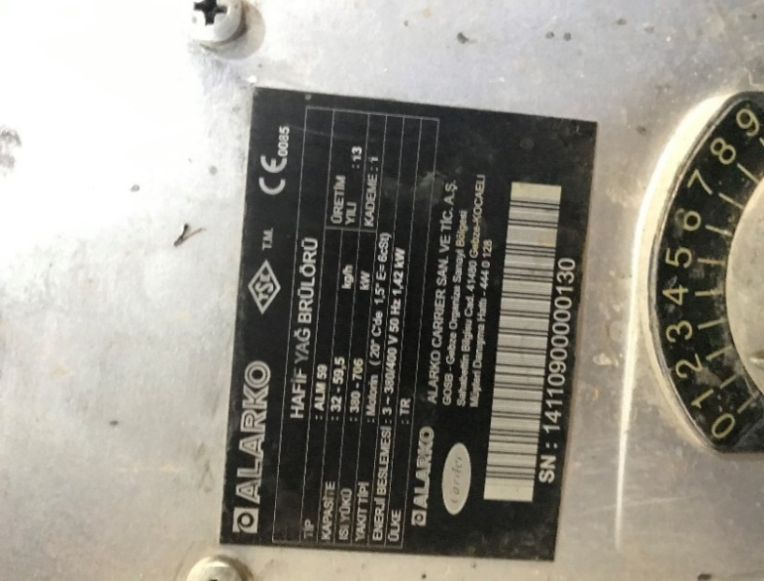
 | 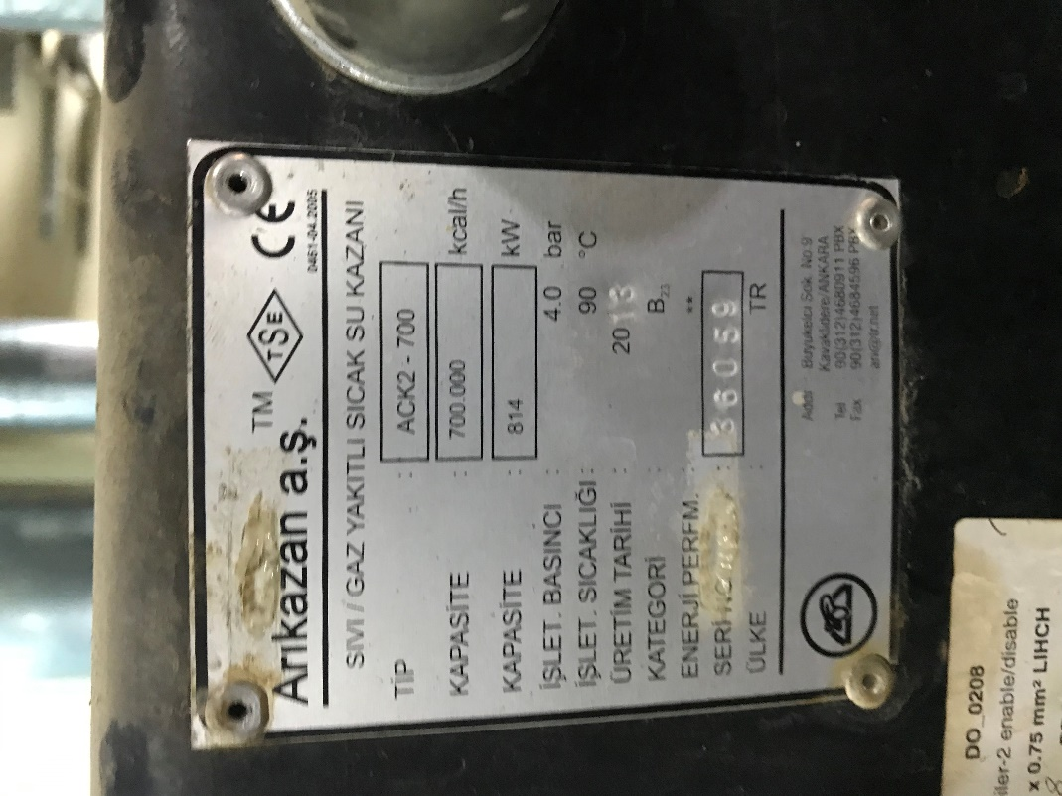

Line: 1.1 | Line: 1.2 | Line: 2.1 | Line: 2.1 specifications

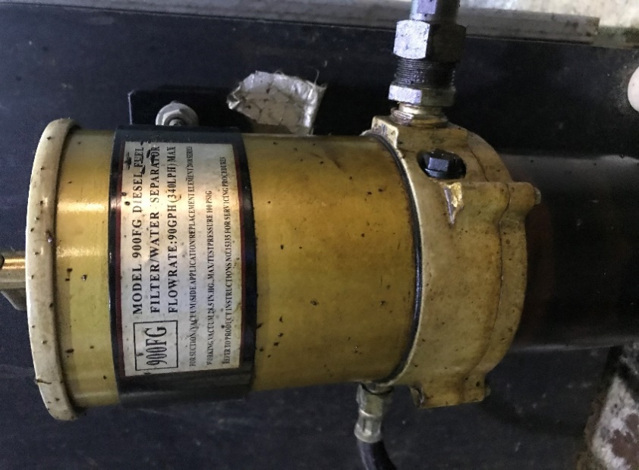 | 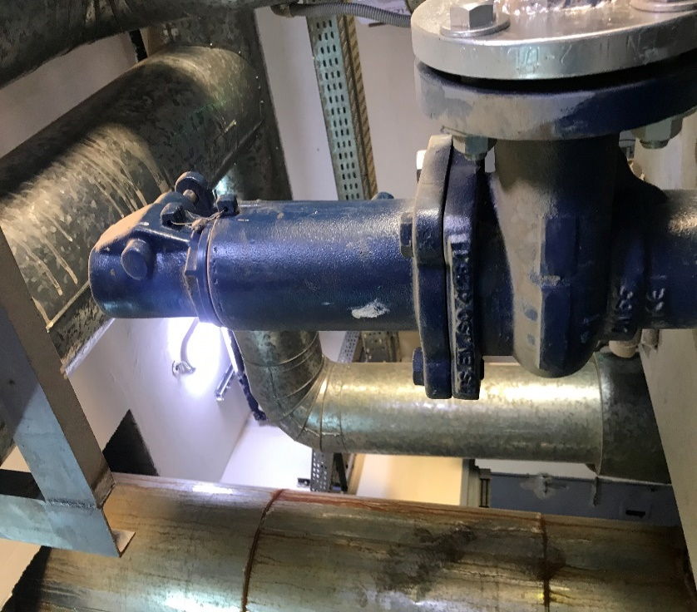 | 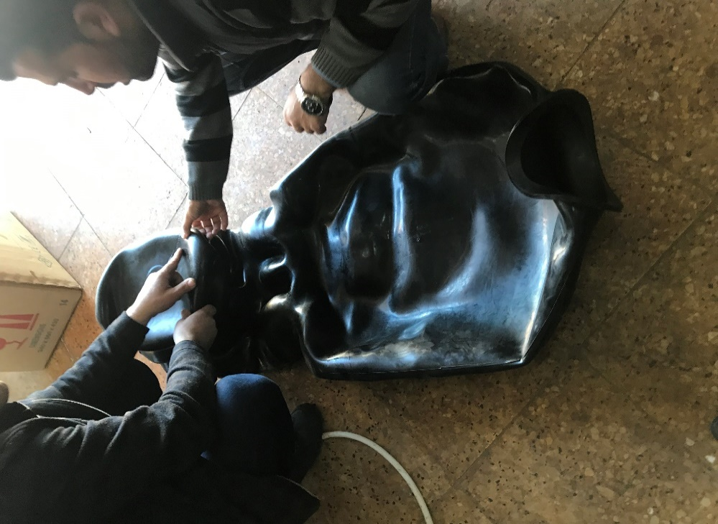 | 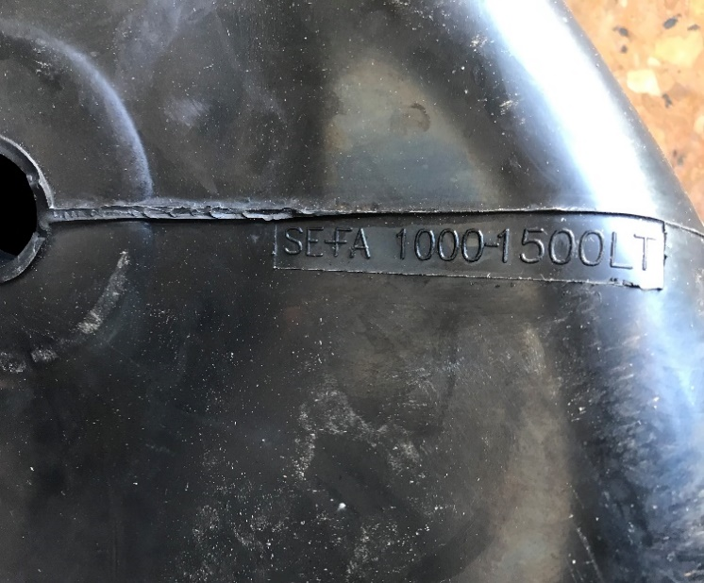
Line: 1.3 | Line: 3.1 | Line:3.2 | Line:3.2

