FAINANCIAL BID FORM
ANNEX A2- FAINANCIAL BID FORM ITB reference number: DRC/ TB-001DIY22 Supply and installation of durable solution items for shelter upgrade- Rehabilitation under Framework Agreement
 | ITEMS DESCRIPTION | UNIT | Total Estimation Quantity | UNIT COST/USD (including supply, loading, unloading, and installation). | TOTAL COST/USD (including supply, loading, unloading, and installation). | PICTURES for illustrative purpose pnly
A | CONSTRUCTION WORKS
A.1 | BUILDING WORKS |  |  | To be filled by supplier
A-1.1 | Concrete Block Wall 40 cm: Supply materials and manpower's to build a wall by using concrete block according to the following specifications: - Type: Solid. - Block size: 40x20x15 cm. - Wall thickness: 40 cm. - Mortar Ratio: Cement, Sand mix (1:3). - Curing by water: at least 3 days. The cost includes using two steel angle size 2", thickness 4mm over doors and windows openings. | M2 | 156 |  |  | 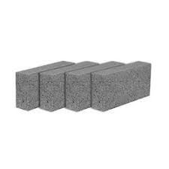
A-1.2 | Concrete Block Wall 20 cm: Supply materials and manpower's to build a wall by using concrete block according to the following specifications: - Type: Solid. - Block size: 40x20x15 cm. - Wall thickness: 20 cm. - Mortar Ratio: Cement, Sand mix (1:3). - Curing by water: at least 3 days. The cost includes using two steel angle size 4", thickness 4mm over doors and windows. | M2 | 2050
A-1.3 | Concrete Hollow Block Wall 20 cm: Supply materials and manpower's to build a wall by using concrete block according to the following specifications: - Type: hollow. - Block size: 40x20x20 cm. - Wall thickness: 20 cm. - Mortar Ratio: Cement, Sand mix (1:3). - Curing by water: at least 3 days. the cost includes using two steel angle size 2", thickness 4mm over doors and windows openings. | M2 | 1150 |  |  | 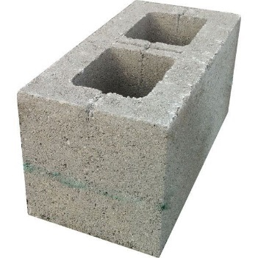
A-1.4 | Concrete Hollow Block Wall 12 cm: Supply materials and manpower's to build a wall by using concrete block according to the following specifications: - Type: hollow. - Block size: 40x20x12 cm. - Wall thickness: 12 cm. - Ratio: Cement, Sand mix (1:3). - Curing by water: at least 3 days. The cost includes using two steel angle size 2", thickness 4mm over doors and windows openings. | M2 | 220 |  |  | 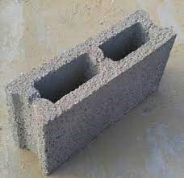
A-1.5 | Rectangular Perforated Brick Wall 24 cm: Supply materials and manpower's to build a wall by using rectangular Perforated Brick according to the following specifications: - Block size: 75x115x240 mm. - Wall thickness: 24 cm. -Mortar Ratio: Cement, Sand mix (1:3). - Curing by water: at least 3 days The cost includes using two steel angle size 2", thickness 4mm over doors and windows. | M2 | 215 |  |  | 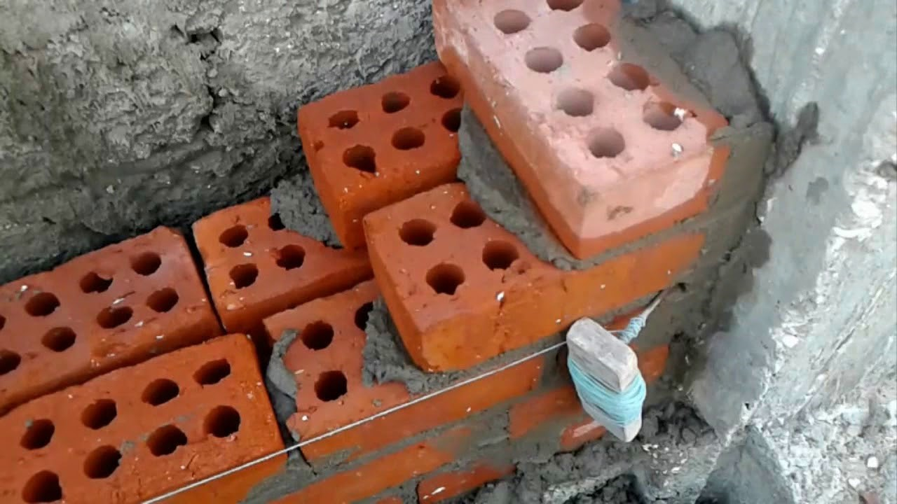
A-1.4 | Rectangular Perforated Brick Wall 12 cm: Supply materials and manpower's to build a wall by using rectangular Perforated Brick according to the following specifications: - Block size: 75x115x240 mm. - Wall thickness: 12 cm. - Ratio: Cement, Sand mix (1:3). - Curing by water: at least 3 days The cost includes using two steel angle size 2", thickness 4mm over doors and windows. | M2 | 255 |  |  | 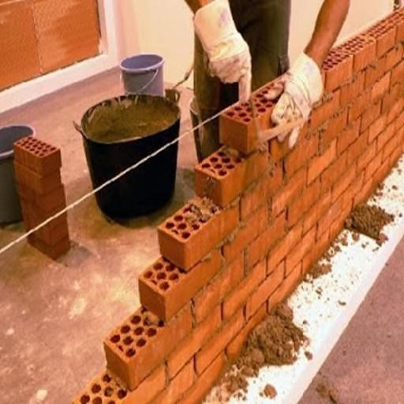
A.2 | EXCAVATION AND BACKFILLLING WORKS
A.2.1 | Excavation: Provide equipment, tools and manpower to excavate in any kind of soil and rocky area in accordance to the following specifications: - Level/depth: at all levels/depth and locations, as instructed by DRC site engineer. The work includes removal of the excavated soil and rubbles to an approved area by municipalities outside city/town limits. | m3 | 125 |  |  | 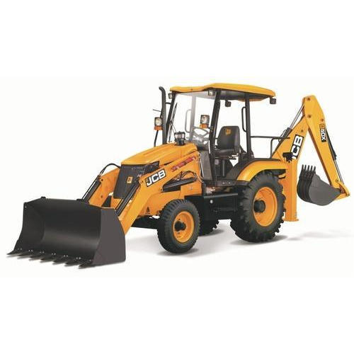
A.2.2 | Back Filling: Provide materials and manpower to backfill the assigned area by clean and clear soil as follows: - Method: backfilling shall be in layers. - Layer thickness: not more than 25 cm. - Finishing: compacted to 95%. | m3 | 60 |  |  | 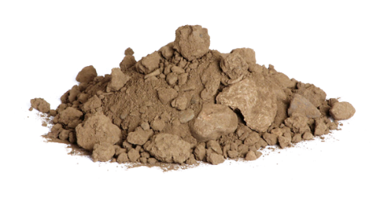
A.3 | PLASTERING WORKS
A.3.1 | Cement Plaster: Provide materials, tools, and manpower to render walls and roofs in cement plaster by using cement sand mortar according to the bellow instructions: - Cleaning walls from dust, dirt, ensure level uniform surface. - Filling concrete block joint and holes by cement mortar 1:4. - Plastering by two layer of sand surface plaster, each layer thickness 1cm. The price includes a smooth and even surface, preparation of surface, scaffolding , curing and finishing at all levels/height and locations, all as directed by the supervisor engineer. | M2 | 12750 |  |  | 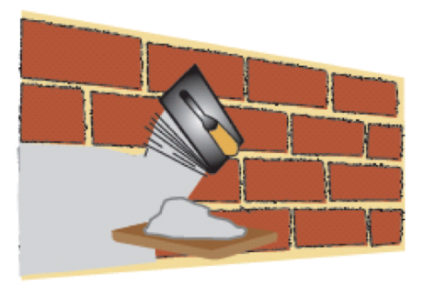
A.3.2 | Gypsum Faced Plaster: Provide materials, tools, and manpower to render walls and roofs with gypsum plaster according to bellow instructions: - Cleaning walls from dust and dirt. - Filling concrete block joint and holes by cement mortar 1:4. - Rendering by two layers of gypsum plaster, first layer thickness at least 25mm, starting with a base coat and finished by a topcoat in white gypsum plaster obtaining a straight and level finish surface on horizontal and vertical planes by using aluminum straight edges each 80cm. | M2 | 15500 |  |  | 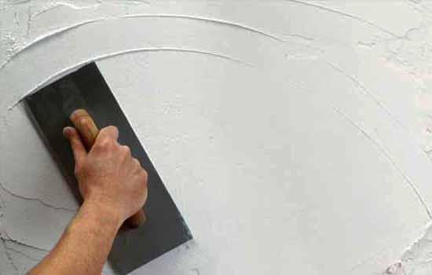
A.3.3 | Scrape of the Finishes: Provide material and remove existing wall painting/finishes until original surface is exposed. | M2 | 2200
A.4 | CONCRETE WORKS
A.4.1 | Casting Concrete C15 for grounds: Providing materials and manpower to cast concrete slab for grounds with bellow specification: - Thickness: 10cm. - Concrete Strength of 15 MPa. - Cement content not less than 200kg/m3. - Sulfate resistant cement, gravel, and sand mix with water cement ration not more than 60%. The working process shall be according to the bellow instructions: - Preparing the ground, cleaning and levelling. - Compacting the ground soil. - Laying one layer of clear plastic sheeting under the concrete (Agriculture Nylon not less than 1mm thickness) . - Using at least 10cm thickness laminated plywood for the edges. - Smoothing concrete surface to be fair-face. - Slope 1% toward floor drain and Slope 2% toward floor drain for bathrooms & toilets. - Removing extra soil to the assigned place by site engineer. - Curing: curing by water for at least three days. | M3 | 3300 |  |  | 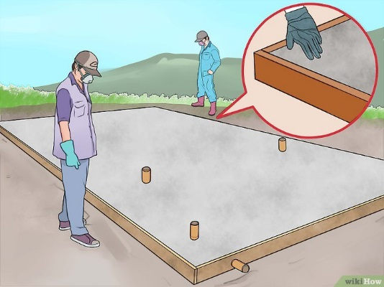
A.4.2 | Casting Concrete C15 for Roofs: Providing materials and manpower's to cast concrete slab for Levelling the roofs according to the bellow specification: - Concrete thickness range: 7.5-10cm. - Strength of 15 MPa. - Cement content not less than 200kg/m3. - Reinforced by steel bar wire mesh (BRC) 4-mm diameter of (15-cm x 15-cm) C/C opening.. - Bonding agent: covering roof with one layer of SBR bonding agent. working process shall be according to the bellow: - Cleaning the roof from dust, trashes and disposal materials. - Scratching the roof. - Using at least 10cm thickness laminated plywood for the edges. - Smoothing concrete surface. - Slope 1% to ward floor drain. - Using Agriculture Nylon thickness 1 mm if necessary. - Curing by water for at least three days. | M3 | 62
A.4.3 | Casting Concrete C20 for foundations: Providing materials, equipment, tools and manpower to cast reinforced concrete for foundation with bellow specification: - Concrete strength 20 MPa. - Cement content not less than 250kg/m3. - Thickness not less than 30cm. - Agriculture Nylon of 1 mm thick underneath the concete before casting. Working process shall be according to the bellow: - Preparing the ground, levelling, compacting and removing trushes, organic materials,...etc. - Laydown and fix the agricultural Nylon sheet with overlap of not less than 20 cm between the differen layers and at the edges. - Reinforcing foundation by 4-steel bars of Ø12 mm diameter each meter width, with stirrups of Ø10 mm diameter @30 cm in longitudinal side . - Curing by water for at least three days. | M3 | 21
A.4.4 | Casting Concrete C20 for Roofs: Providing materials, equipment, tools, and manpower's to cast reinforced concrete for roofs with bellow specification: - Concrete strength 20 MPa. - Cement content not less than 250kg/m3. - Thickness: 20 cm or less. According to the bellow: - Preparing the roof for casting by removing damaged concrete and steels. - Reinforcing roofs by reinforcement steel bars using one layer (bottom, in Two direction) with hidden beam when required by the supervisor engineer, bendup rebars for negative moment at supports, additional bars for corners and openings in slab. The reinforcement steel bars of Ø12-mm @25cm as a maximum spacing. - Formwork made of new timber and plywood to hold and the concrete and rebars proper supporting. - SBR: using SBR 10-ltr/1m3 of concrete. - Fixing electrical works in the roofs includes PVC pipes and wirings. - Ensure Slope 1% toward floor drain. - Smoothing concrete surface and curing by water for at least three days. The work includes remove the old damage roof (if needed) and transport the debris out of the area. | M3 | 1230
A.4.5 | Casting Concrete C20 for Roofs: Providing materials, equipment, tools, and manpower's to cast reinforced concrete for roofs with bellow specification: - Concrete strength 20 MPa. - Cement content not less than 250kg/m3. - Thickness: 20 cm or less. According to the bellow: - Preparing the roof for casting by removing damaged concrete and steels. - Reinforcing roofs by reinforcement steel bars using tow layer (bottom, in Two direction) with hidden beam when required by the supervisor engineer, bendup rebars for negative moment at supports, additional bars for corners and openings in slab. The reinforcement steel bars of Ø12-mm @(15-18)cm as a maximum spacing. - Formwork made of new timber and sheet wood to hold and the concrete and rebars proper supporting. - SBR: using SBR 10-ltr/1m3 of concrete. - Fixing electrical works in the roofs includes PVC pipes and wirings. - Ensure Slope 1% toward floor drain. - Smoothing concrete surface and curing by water for at least three days. The work includes remove the old damage roof (if needed) and transport the debris out of the area. | m3 | 60
A.4.6 | Casting Concrete C25 for Roofs: Providing materials and manpower's to cast reinforced concrete for roofs with bellow specification: - Concrete strength 25 MPa. - Cement content not less than 350kg/m3. - Thickness: 20cm (max.). According to the bellow: - Preparing the roof for casting by removing damaged concrete and steels. - Reinforcing roofs by reinforcement steel bars using one layer (bottom, in Two direction) with hidden beam when required by the supervisor engineer, bendup rebars for negative moment at supports, additional bars for corners and openings in slab. The reinforcement steel bars of Ø12-mm @25cm as a maximum spacing. - Preparing the formwork of timber and plywood to ensure fair-face concrete slab. - SBR: use SBR 10ltr/1m3 of concrete to joint old (existing) with new concrete. - Fixing electrical works in the roofs includes PVC pipes and wirings. - Ensure Slope of 1% toward floor drain if necessary. - Smoothing concrete surface and curing by water for at least 7-days. The work includes remove the old damage roof (if needed) and transport the debris out of the area | M3 | 160
A.4.7 | Concrete Ramp for disability person: Supply material, equipment, tools and manpower to cast concrete (1:2:4) Ramp (1 m width), the slope should not be more than (1:5), for elevations of more than 20cm of height, supply and cast concrete over the 1-mm thick nylon sheet, for making concrete ramp 1-m in width and %12 slope rate for each 1m in length. Concrete should be class C 1:2:4 mix (21Mpa) with steel wire mesh reinforcement. All works to be according to the specification, drawings and requests of the supervisor engineer. | M3 | 21 |  |  | 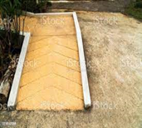
A.4.8 | Casting concrete C20 for Lintels: Providing materials and manpower's to cast reinforced concrete for lintels with bellow specification: - Concrete strength 20 MPa. - Cement content not less than 250kg/m3. According to the bellow: - Preparing the lintels for casting by removing damaged concrete and steels. - Reinforcing lintels by using, 5 steel Ø12 and stirrups Ø 10 @25cm. - Fix the formwork of timber and plywood to hold the concrete with rebar. - Curing the concretes by water for at least three days.According to drwaing No.9 | M3 | 16 |  |  | 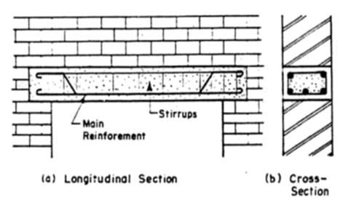
A.4.9 | Casting Concrete C25 for Columns: Providing materials, equpiment, tools, and manpower to cast reinforced concrete for columns with bellow specification: - Concrete strength 25 MPa. - Cement content not less than 300kg/m3. According to the bellow: - Preparing the columns for casting by removing damaged concrete and steels. - Reinforcing columns by using at least 4 steel-rebars Ø16 mm and stirrups Ø 12 mm @25cm or less spacing. - Fix the formwork of timber and plywood to hold the concrete the rebar tightly. - Covering columns with blanket, and curing by water for at least three days. | M3 | 8
A.5 | DEMOLISHING AND CLEANING WORKS
A.5.1 | Demolishing Concrete Roof, Floors and Stairs: Provide materials and manpower to demolish damaged concrete roof, floor and stairs, according to bellow instructions: - Using concrete cutter for the edges. - Using jack hammer, chisel and hummer for demolishing. - Cutting steel bars by using cutting machine. - Transportation of rubbles to dump site area assigned by supervisor engineer. | M2 | 82
A.5.2 | Demolishing Concrete Block walls 20cm thickness: Provide materials and manpower to demolish concrete block walls, thickness 20cm according to bellow instructions: - Using temporary support under the roof. - Using concrete cutter for the edges. - Using jack hammer, chisel and hummer for demolishing. - Transportation of rubbles to dump site area assigned by supervisor engineer. | M2 | 95
A.5.3 | Demolishing Concrete Block/Stone Block Walls 40cm thickness: Provide materials and manpower to demolish concrete block/stone walls, thickness at least 40cm according bellow instruction: - Using temporary support under the roof. - Using jack hammer, chisel and hummer for demolishing. - Transportation of rubbles to dump site area assigned by supervisor engineer. | M2 | 55
A.5.4 | Cutting Steel Bars: Provide materials and manpower to cut steel bars diameters from 12mm to 16mm, maximum length 3m, the cost includes: - Cutting steel bars by using hand grinding machine. - Transportation of steel bars to assigned area by supervisor engineer. | No. | 110
A.5.5 | Removing Construction Debris: Provide materials and manpower to remove construction debris, the cost includes: - Hiring skilled labors and machineries. - Transportation of debris to assigned area by supervisor engineer. | m2 | 160 |  |  | 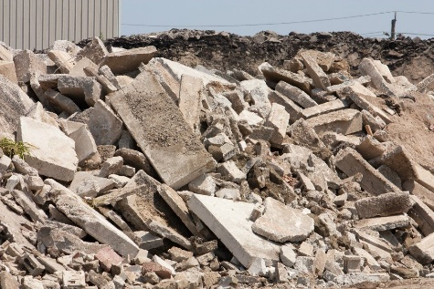
A.6 | REPAIRING AND SEALING WORKS
A.6.1 | Bituminous Sheets: Providing materials and manpower to install one layer of bituminous sheets according to the following specifications: - Thickness: 4 mm - Cover: Aluminum. - Overlapping: at least 10cm - Purpose: covering wall and roofs. The price includes good cleaning and removing the debris from the roof including cement sand mortar and painting the roof/walls with three layer of liquid tar. | M2 | 350 |  |  | 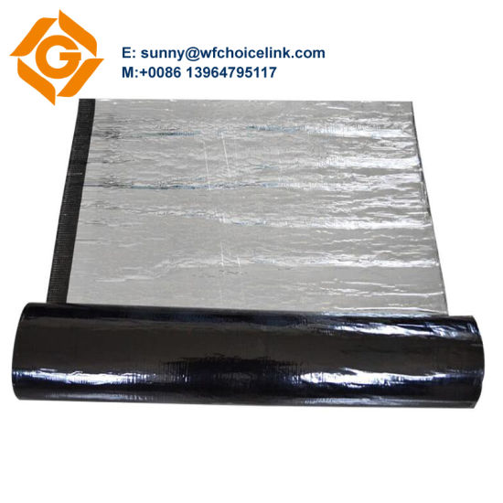
A.6.2 | Renovation of Cracked Walls: Provide materials and manpower to repair cracks according to bellow instructions: - Strip off finishing (cement plaster, Gypsum, etc.), width 50cm, distance from the center 25cm, using mechanical cutter for cutting surface materials. - Filling the cracks with cement, sand 1:4. - Clipping the cracks by steel bars, thickness Ø10 @10cm. - Fixing iron mesh to the pins along the crack, width 50 cm. - Plastering by three layer of cement plaster 1:4 or two layer of Gypsum plaster as instructed. | ml | 550 |  |  | 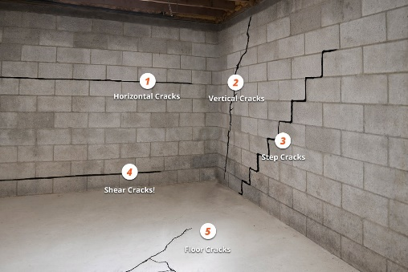
Aluminum cover/or Bituminous sheet
inserting Fam sealant
Cleaning joints
A.6.3 | Repairing Joints: Provide materials and manpower to repair the expansion joins or joint between two roofs/walls according to bellow instructions: - Cleaning joints or connection of two concrete roof/walls. - Inserting expanding sealant foams into the joints. - Covering the joint with one layer of Bituminous sheet according to item (A.6.1) of BoQ or using Aluminum cover plate thickness 3mm over the joint, using screw for fixing. | m.l | 500
A.6.4 | Polyurethane Waterproofing Membranes: Providing materials and manpower to stop the leakage from the roof as follow: - Type: UV resistant. - Low viscosity. - PU based membrane. - Cleaning roof by using high pressure water. - Curing the cracks by and gaps by filling it with Polyurethane Waterproofing Membranes - Painting the roof by one layer of primer and two layer of Polyurethane Waterproofing Membranes. - Purpose: covering wall and roofs. The price includes good cleaning and removing the debris from the roof including cement sand mortar. | M2 | 1700 |  |  | 
A.6.5 | Tar Water Proofing: Provide material and manpower to supply and cover rooftops with 2 layers of tar to seal off rooftop against leakages in accordance to the following specifications: - Two layers (not less than 5 mm thick per each layer) - all surfaces to be covered shall be cleaned from dust and impurities. the work includes clean and remove the old tar from the joints according to the engineer instruction. | M2 | 3500 |  |  | 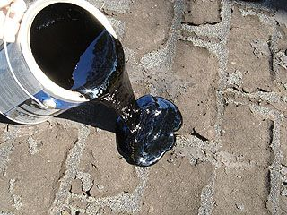
A.7 | PARAPETS AND PARTETIONS
A.7.1 | Aluminium Handrails (4 line): Supply and install Aluminium handrails for stairs and parapets according to the following specifications: - Newal: main colounm pipe (7 cm ) diameter (3mm thickness) with crystal handle, at the first step and for each corner. - Handrail: (5 cm) diameter clylinder pipe, thickness (2)mm. - Baluster: (3)cm diameter cylinder pipe, thickness 2mm, distance every step or 15 C/C. - The height of handrails should not be less than 1.0m - type : 4 line The price including providing all the required accessories then fixing and wilding it to the ground according to the instruction of supervisor engineer. | m.l | 650 |  |  | 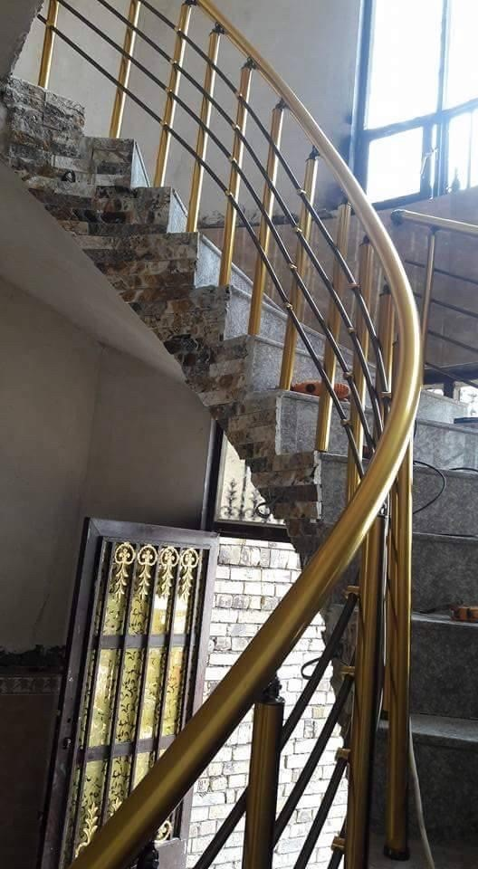
A.7.2 | Steel Handrails: Supply and install steel handrails for stairs and parapets according to the following specifications: - Newel: 4x4cm square pipe, thickness 2mm - Handrail: 4x4cm square pipe, thickness 2mm. - String capping: Handrail: 4x4cm square pipe, thickness 2mm. - Baluster: 2x2cm square pipe, thickness 2mm, distance 15cm C/C. - Supports: 4x4xm square pipe, thickness 2mm, - The height of handrails should not be less than 1.0m - Paintings: one layer of anti-rust paint and two layer of oil paints. the price including fixing and wilding it to the ground according to the instruction of supervisor engineer.According to drwaing No.9 | m.l | 1300 |  |  | 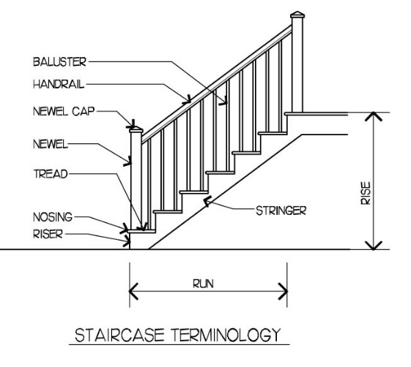
A.7.3 | Plywood partition - one sided: Supply and install plywood partitions according to the following specifications: - Thickness: 18mm. - Finishes: one sides. - Grade: First-Class. - Usage: Indoor. - Dimensions: 1220 x 2440. -Structure: Using rectangular hollow iron tube 5 x 5cm, plate thickness 2mm, as frame around the walls and as support vertically every 120 cm C/C, distance between Self-drilling screw 30 cm, the cost includes painting hollow iron tube by one layer of anti-rust paint and two layer of oil paint.According to drwaing NO.3 | M2 | 170 |  |  | 
A.7.4 | Plywood Partition - Two Sided: Supply and install plywood partitions according to the following specifications: -Thickness: 18mm. -Finishes: two sides. -Grade: First-Class. -Usage: Indoor or Outdoor -Dimensions: 1220 x 2440. -Structure: Using T-Section tube 5x5 (cm) with rectangular hollow, plate thickness 2mm, as frame around the walls and as support vertically between piece and other 120 cm C/C, distance between Self-drilling screw 30 cm, the cost includes painting hollow iron tube by one layer of anti-rust paint and two layer of oil paint. - The cost include work door in (rooms,Kitchens, Latrines) and use double locks from inside and outside evry door and Close gaps between steel tube and playwood in use mortor suitable.According to drwaing NO.4, | M2 | 700
A.7.5 | Vinyl Flooring : Provide material, machinery and manpower to supply and install vinyl or linoleum for floors padded by flax in accordance to the following specifications: - Thickness: 2mm. - Color and design: to be assigned by the supervisor engineer. - Preperation: installation surface shall be cleaned from any dust and impurities. | M2 | 200 |  |  | 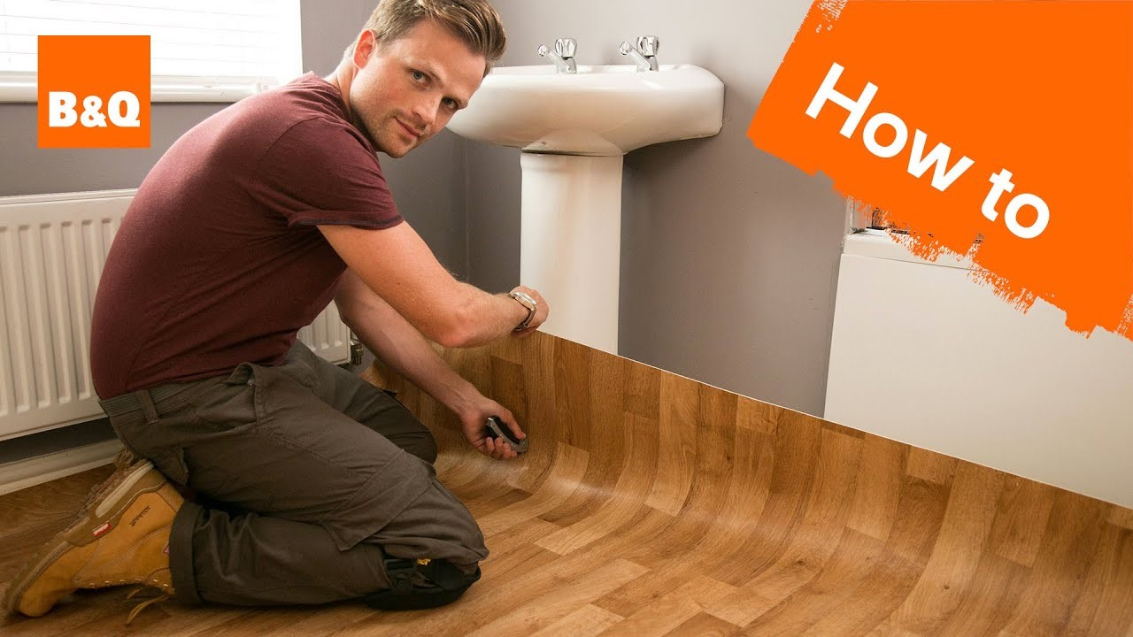
A.8 | SANDWITCH PANELS AND CORRUGATED SHEET WORKS
A.8.1 | Sandwich Panels for Roof: Supply and install sandwich panels for roofs according to the following specifications: - Type: roofs - Materials: Galvanized, pre-fabricated, painted in white color - Insulations: Polyurethane foam - Thickness: 5cm - Structure: using rectangular hollow iron tube 1.5" x 3"inch., plate thickness 2mm over the existing walls Two way Latitudinal (along short side dimension), distance between iron tube (1.5) m C/C and so for the longitudinal side every (2) m C/C including the frame over the circumfrence of the wall, the work includes providing drain chanel at the proper sloping area, distance between Self-drilling screw 30 cm, the cost includes painting hollow iron tube by one layer of anti-rust paint and two layer of oil paint. Note: the cost includes remove the old damage roof (if needed), transport the debris out of the area and closing the gaps between iron frame and wall with suitable mortar and Masonary work if required this work and fix iron frame not less than 50cm in walls .According to drwaing NO. 7 | M2 | 5000 |  |  | 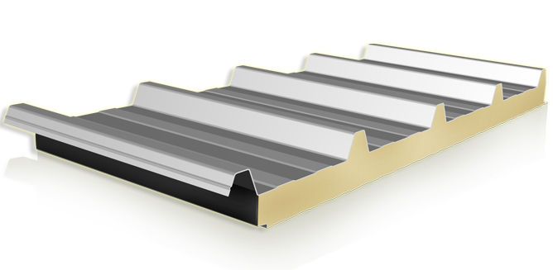
A.8.2 | Sandwich Panels for Walls: Supply and install sandwich panels for walls according to the following specifications: - Type: Walls - Materials: Galvanized, pre-fabricated, painted in white color. - Insulations: Polyurethane foam. - Thickness: 5cm. - Structure: Using rectangular hollow iron tube 1.5" x 3", plate thickness 2mm and right angle iron (3) mm thickness , as frame around the walls and as Vertically support every 1.5m C/C, distance between Self-drilling screw 30 cm, the cost includes painting hollow iron tube by one layer of anti-rust paint and two layer of oil paint.According to drwaing NO.8 | M2 | 270 |  |  | 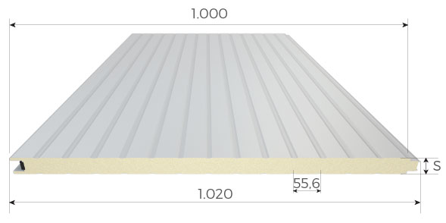
A.8.3 | Corrugated Sheets: Supply and install corrugated sheet for walls according to the following specifications: - Type: roof and walls - Materials: Galvanized. - Thickness: 0.8mm - Structure: Using rectangular hollow iron tube 5 x 5 cm, plate thickness 2mm, as frame around the walls and as Vertically support every 150 cm C/C, distance between Self-drilling screw 30 cm, the cost includes painting hollow iron tube by one layer of anti-rust paint and two layer of oil paint.According to drwaing to NO.5 | M2 | 500 |  |  | 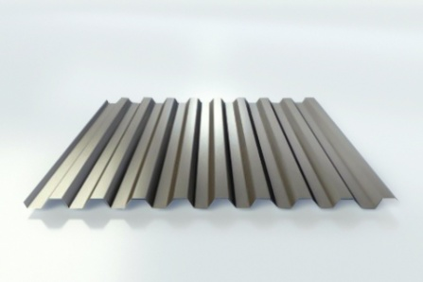
A.9 | Finishing works
A.9.1 | Interiors Emulsion Painting: Provide materials and manpower to paint walls and roofs according to bellow instructions: - Cleaning walls by removing dust, smoke traces, peeling paint, etc. - Painting by one layer of Primer paint. - Filling holes and cracks with special paste, then well sanding it. - Painting by two layer of Emulsion paint, specialized for interiors. | m2 | 11200 |  |  | 
A.9.2 | Oil Painting: Provide materials and manpower to paint walls and roofs according to bellow instructions: - Cleaning walls by removing dust, smoke traces, peeling paint, etc. - Painting by one layer of Primer paint. - Filling holes and cracks with special paste, then well sanding it. - Painting by two layer of oil paint. | m2 | 8000 |  |  |  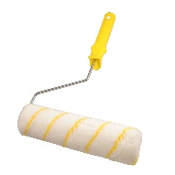
A.9.3 | Oil Painting for Steel: Provide materials and manpower's to paint doors and windows according to bellow instructions: - Cleaning doors by removing dust, smoke traces, peeling paint, etc. - Fixing damaged plates and frames. - Painting by one layer of Primer paint. - Painting by two layer of oil paint. | m2 | 950 |  |  | 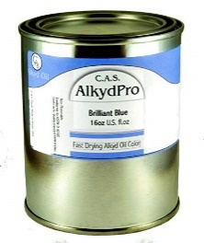

 | ITEMS DESCRIPTION | UNIT |  | UNIT COST | TOTAL COST | PICTURES
B | DOORS AND WINDOWS
B.1 | Iron Gate
B.1.1 | Iron Gate: Supply and install new iron gate for the houses, according to the following specifications: - Frame: using steel angle 5.5cm thickness 4mm. hollow steel 4 x 4cm thickness 3mm for the edges. - Panel: single steel sheeting G18. - Stile: square pipe 4 x 4cm, thickness 3mm - Mullion: square pipe 2 x 2cm thickness 1.5mm. - Accessories: gate locks, hinges.According to drwaing No.6 - Paint: well sanding the door and painting by one layer of anti-rust paint and two layer of oil paints. The price includes removing the old frame and plastering the frame sides by using cement plaster 1:4. According to drwaing, No.6 | M2 | 170 |  |  | 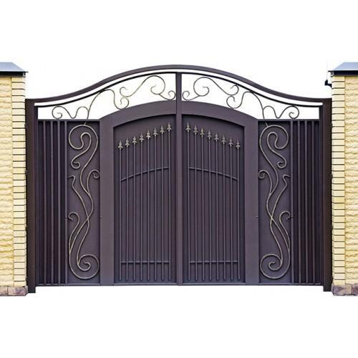
B.1.2 | Iron Gate with poles: supply and install new iron gate for the houses, according to the following specifications: - Frame: using steel angle 5.5cm thickness 4mm. hollow steel 4 x 4cm thickness 3mm for the edges. - Panel: single steel sheeting G18. - Stile: square pipe 4 x 4cm, thickness 3mm - Mullion: square pipe 2 x 2cm thickness 1.5mm. - Poles: installing 2 fixed frame of steel poles 70x70x4mm in concrete base 40 x 40 x 50cm, ratio 1:2:4 for hte left and right side of the door. - Accessories: gate locks, hinges. - Paint: well sanding the door and painting by one layer of anti-rust paint and two layer of oil paints. The price includes removing the old frame and plastering the frame sides by using cement plaster 1:4..According to drwaing, No.6 | M2 | 60
B.1.3 | Repairing Iron Gate: Provide materials and manpower to repair iron gate for the houses, single plate/double plates, according to the bellow instructions: - Replacing missing accessories (Gate locks, plates, hinges). - Replacing damaged steel plate. - Repairing/Replacing the frame to get the door appropriately functional. - Well sanding the door, one layer of primer coat and two layers of oil paint for steel door, filling the cracks with special paste. | NO. | 100 |  |  | 
B.1.4 | Latch Door Gate Rim Lock with Iron Key: Provide materials and manpower to install gate lock as follow: - Removing old gate lock. - Replacing or/and repairing damaged steel plate around the lock. - Installing new gate rim lock according to following specification. - Certificate: ISO. - Materials: Zinc Alloy/stainless steel/Brass - Color: Black | NO. | 170 |  |  | 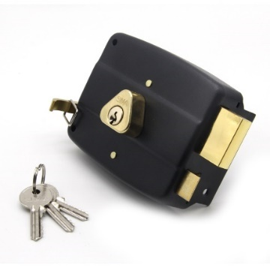
B.2 | Iron Door |  | 15
B.2.1 | Iron Door: Supply and install new iron door for the interior and exteriors, according to the following specifications: - Frame: pressed steel , thickness 3mm. - Panels: double plate, steel sheeting G18. - Insulation: insulated with Polystyrene Foam. - Cross rail, lock rail: square pipe 2x2cm thickness 1.5mm. - Glass: 4mm for light -Accessories: hinges, handles, locks. - Paint: well sanding the door and painting by one layer of anti-rust paint and two layer of oil paints. the price includes removing the old frame and plastering the frame sides by using cement plaster 1:3 gypsum plaster. to make sure close all gaps around the door . | m2 | 250
B.2.2 | Iron Door Leaf: Supply and install iron for the interior and exteriors, according to the following specifications: - Panels: double plate, steel sheeting G18. - Insulation: insulated with Polystyrene Foam. - Cross rail, lock rail: square pipe 2x2cm thickness 1.5mm. - Accessories: hinges, handles, locks. - Paint: well sanding the door and painting by one layer of anti-rust paint and two layer of oil paints.to make sure close all gaps around the door . | m2 | 120
B.2.3 | Repairing Iron Doors: Provide materials and manpower to repair iron doors, single plate/double plates, according to the bellow instructions: - Replacing missing accessories (handles, locks, plates, hinges). - Replacing damaged steel plate. - Repairing/Replacing the frame to get the door appropriately functional. - Well sanding the door, one layer of anti-rust and two layers of oil paint for steel door, filling the cracks with special paste. | No. | 400 |  |  | 
B.2.4 | Handle and Locks: Provide materials and manpower to install hand lock for iron doors, according to the following specifications: - Materials: Stainless steel. - Finishes: stainless steel, brass, Zinc. - Size: 8", 12",16" or 18". The price includes removing the old broken handle and locks. | NO | 250 |  |  | 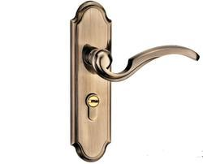
B.3 | Wooden Door
B.3.1 | Wooden Doors: Supply and install new wooden door for the interiors, according to the following specifications: - Frame: sewed wood 100mm. - Door structure: sewed wood 50 x 50mm. - Accessories: three hinges, stop door, handles and locks. - Cover: covered with 2 layer wood board, thickness 4 mm. - Paint: one layer of primer paint and two layer of semi Gloss paint. The price includes removing the old frame and plastering the frame sides by using cement plaster 1:4 Gypsum.to make sure close all gaps around the door .According to drawing NO.2 | m2 | 210 |  |  | 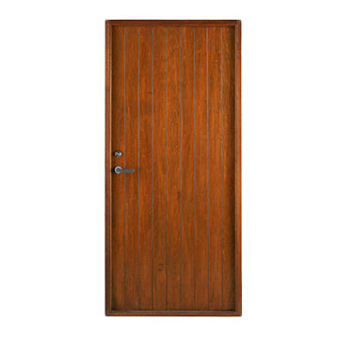
B.3.2 | Wooden Door Leaf: Supply and install new wooden door for the interiors, according to the following specifications: - Door structure: is sewed wood 50x50mm. - Accessories: three hinges, stop door, handles and locks. - Cover: covered with 2 layer wood board, thickness 4 mm. - Paint: one layer of primer paint and two layer of Gloss paint, the price includes painting old Frame.to make sure close all gaps around the door .According to drawing NO.2 | m2 | 120
B.3.3 | Repairing Wooden Doors: Provide materials and manpower to repair wooden door, according to bellow instructions: - Replacing missing accessories (handles, locks, plates, hinges). - Replacing damaged wood cover. - Repairing/Replacing the frame to get the door appropriately functional. - Paint: one layer of primer paint and two layer of semi Gloss paint. | No. | 450 |  |  | 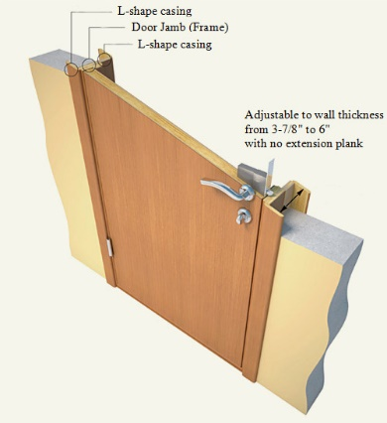
B.3.4 | Handle and Locks: Provide materials and manpower to install hand lock for wooden doors, according to the following specifications: - Materials: Stainless steel. - Finishes: stainless steel, brass, Zinc. - Size: 8", 12",16" or 18". The price includes removing the old broken handle and locks. | NO | 160 |  |  | 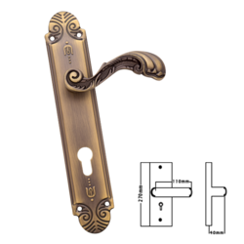
B.4 | UPVC Door
B.4.1 | UPVC door: Supply and install new reinforced UPVC door for the interior and exteriors, according to the following specifications: - Frame and stile (structure): 6.5cm thickness panels. - Hinges(Mullions): 8.5cm. - Panels: UPVC panels, white color. - Accessories: three hinges, stop door, handles and locks. - Glasses: 4mm thickness, Clear/Blur. According to drawing NO.1 the price includes removing old door if available, plastering the frame edges by cement plaster 1:3.to make sure close all gaps around the door . | m2 | 2600 |  |  | 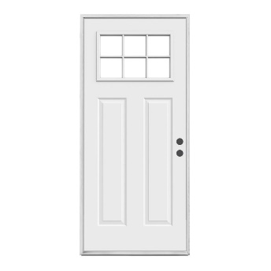
B.4.2 | UPVC door: Supply and install new reinforced UPVC door for the interior and exteriors, according to the following specifications: - Frame and stile (structure): 6.5cm thickness panels. - Hinges(Mullions): 8.5cm. - Panels: UPVC panels, white color. - Accessories: three hinges, stop door, handles and locks. - According to drawing NO.1 The price includes removing old door if available, plastering the frame edges by cement plaster 1:3.to make sure close all gaps around the door . | m2 | 930 |  |  | 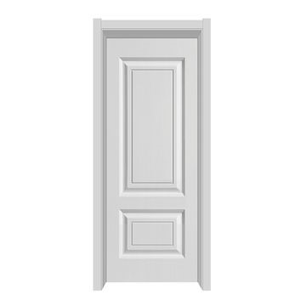
B.4.3 | Handle and Lock: Provide materials and manpower to install hand lock for UPVC doors, according to the following specifications: - Materials: Aluminum, Aluminum Alloy. - Finishes: Powder coating (white). - Size: 8", 12",16" or 18". The price includes removing the old broken handle and locks. | NO | 140 |  |  | 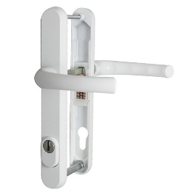
B.4.4 | Repairing PVC Door: Supply tools and materials for repairing PVC door, the work includes: - Replacing broken part (panels). - Replacing broken Accessories: hinges, handles, locks. - Protection: adding projection, using mosquito wire mesh for openings. - Removing and cleaning old Silicon from the edge, and using new silicon in order to prevent water leaks. | No. | 300 |  |  | 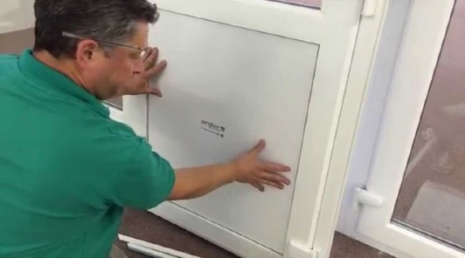
B.5 | UPVC windows and Partitions
B.5.1 | UPVC Window Triple Shutters: Supply and install reinforced UPVC windows, according to the following specifications: - Shutters: 3. - Frame (structure): 6.5cm. - Hinges (Internal): 8.5cm. - Protection: using mosquito wire mesh - Accessories: hinges, handles. - Glasses: 4mm thickness, blur/clear. The cost includes removing old broken windows, plastering the edges by cement plaster 1:3.to make sure close all gaps around the window. The work includes providing rectangular hollow iron tube fram (1.5"*3") inch (2 mm) for functional installation. According to drawing NO.1 | m2 | 550 |  |  | 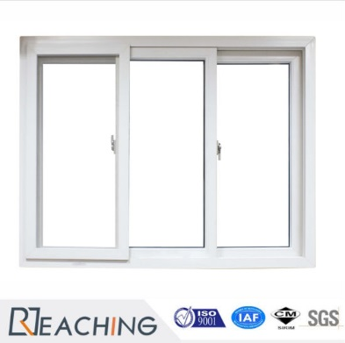
B.5.2 | UPVC Window Double Shutters: Supply and install Reinforced UPVC windows, according to the following specifications: - Shutters: 2. - Frame and Mullion (structure): 6.5cm. - Hinges (Internal): 8.5cm. - Protection: using mosquito wire mesh - Accessories: hinges, handles. - Glasses: 4mm thickness, blur/clear. The cost includes removing old broken windows, plastering the edges by cement plaster 1:3. to make sure close all gaps around the window . The work includes providing rectangular hollow iron tube fram (1.5"*3") inch (2mm)for functional installation. | m2 | 230 |  |  | 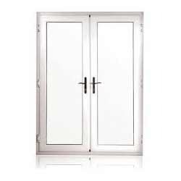
B.5.3 | UPVC Window Single Shutter: Supply and install reinforced uPVC windows, according to the following specifications: - Shutters: 1. - Frame: 6.5cm. - Hinges (Internal): 8.5cm. - Protection: using mosquito wire mesh - Accessories: hinges, handles. - Glasses: 4mm thickness, blur/clear. The cost includes removing old broken windows, plastering the edges by cement plaster 1:3. to make sure close all gaps around thewindow . The work includes providing rectangular hollow iron tube fram (1.5"*3") inch (2 mm) for functional installation. According to drawing NO.1 | m2 | 110 |  |  | 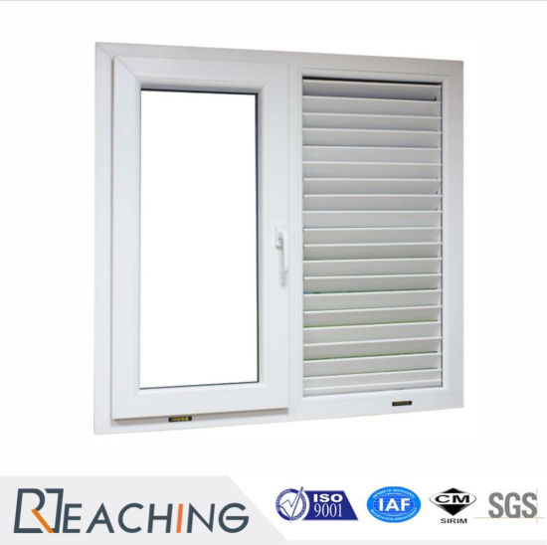
B.5.4 | UPVC Partition: Supply and install Reinforced UPVC partitions, according to the following specifications: - Shutters: 2 one for window and one for Door. - Frame: 6.5 cm. - Mullions: 8.5cm. - Support structure: using rectangular hollow iron tube 4x8cm, plate thickness 3mm. - Protection: using mosquito wire mesh for openings. - Accessories: hinges, handles, locks. - Glasses: 4mm thickness, blur/clear. the cost includes painting hollow iron tube by one layer of anti-rust paint and two layer of oil paint, plastering the edges by cement plaster 1:3. | m2 | 200 |  |  | 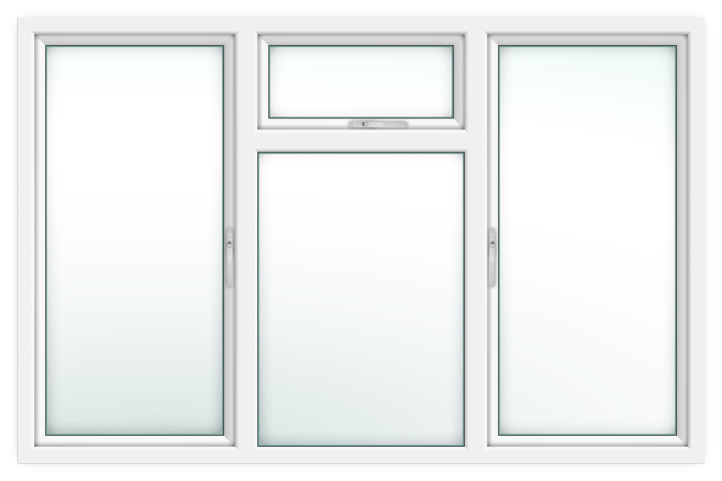
B.5.5 | UPVC Partition(over door): Supply and install Reinforced UPVC partitions, according to the following specifications: * using UPVC frame (6.5) cm * using shaded glass 4 mm * plastering the corner and edge of the partition by using cement and sand with good finishing . * close the gaps around the partition by using suitable materials (silicone or foam). | m2 | 270 |  |  | 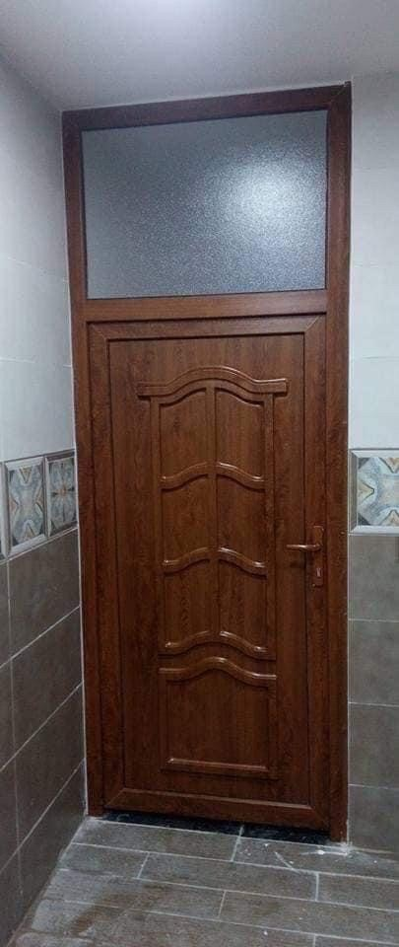
B.5.6 | Handles for UPVC Windows: Supply and install handles for UPVC windows, according to the following specifications: - Materials: Aluminum, Aluminum Alloy. - Finishes: Powder coating (white). The price includes removing the old broken handles. | NO | 240 |  |  | 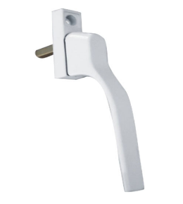
B.5.7 | Repairing PVC Window: Supply tools and materials for repairing PVC windows, the work includes: - Replacing broken part (Panels). - Replacing broken Accessories: hinges, handles, locks. - Protection: adding projection, using mosquito wire mesh for openings. - Removing and cleaning old Silicon from the edge, and using new silicon in order to prevent water leaks. | NO. | 200 |  |  | 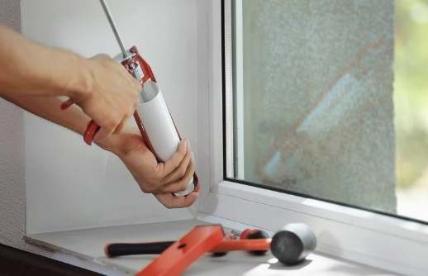
B.6 | Steel Windows
B.6.1 | Double Shutter Iron Window : Supply and install iron windows with below specifications: -Shutters: Two. - Consisting of steel frame & sub dividers 40x2mm. - Protection: Square Hole Mild Steel Wire Mesh. - Fittings: Handle, lock holder, hinges including hinges, handles. - Paintings: Painting by one layer of anti-rust paint and two layer of oil paints. - Glass: 4mm thickness, blurred or clear. The cost includes removing old window, plastering the edges by cement plaster 1:4. | m2 | 110 |  |  | 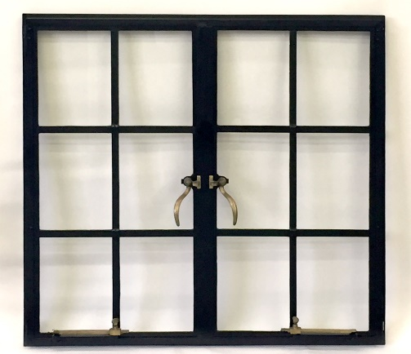
B.6.2 | Handles for Iron Windows: Supply and install handles for iron windows, according to the following specifications: - Materials: Brass. - Finishes: Chrome or Brass. The price includes lock holder and removing the old broken handles. | NO | 300 |  |  | 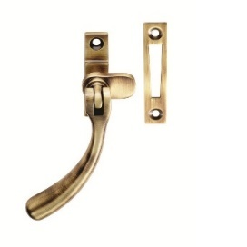
B.6.3 | Repairing Steel Window: Provide materials and manpower to repair steel windows according to bellow instructions: - Structure: replacing damaged frames and shutter. - Replace an anti-insects wire mesh. - Accessories: replacing missing accessories (handles, hinges, lock holders...etc.). - Cleaning: cleaning and well sanding the window. -Painting: one layer of anti-rust paint and two layers of oil paint. | No. | 400 |  |  | 
B.7 | GLAZING WORKS
B.7.1 | 4mm Glass Sheets: Supply and install glasses for windows and doors with bellow specification: - Thickness: 4mm - Installation: using windows putty/Silicon according to the instruction of supervisor engineers. - Cleaning: Removing the old broken glasses and putties. - Application: UPVC, steel and Wooden doors/windows. | M2 | 2000 |  |  | 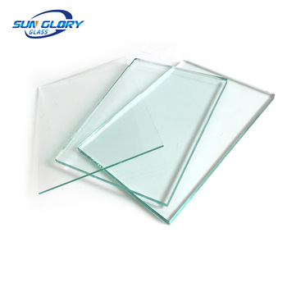
B.7.2 | 6mm Glass Sheets: Supply and install glasses for windows and doors with bellow specification: - Thickness: 6mm. - Installation: using windows putty/Silicon according to the instruction of supervisor engineers. - Cleaning: Removing the old broken glasses and putties. - Application: UPVC, steel and Wooden doors/windows. | M2 | 85

 | ITEMS DESCRIPTION | UNIT |  | UNIT COST | TOTAL COST | PICTURES
C | WASH WORKS
C.1 | Horizontal Storage tank 1.5m3: Supply and install galvanized steel water tank according to the following specifications: - Size: 1.5m3 - Type: Horizontal - Structure: Galvanized Steel Sheet G18. - Installation: using PPR pipe 3/4" with necessary fittings( elbow, tee, valves, female elbow, floating valves, etc.). The price includes water tank base and transportation of water tank to the roof. | NO | 20 |  |  | 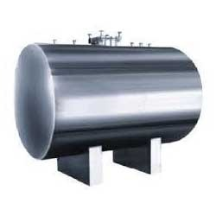
C.2 | Horizontal Storage Tank 1.0m3: Supply and install galvanized steel water tank according to the following specifications: - Size: 1.0m3 - Type: Horizontal - Structure: Galvanized Steel Sheet G18. - Installation: using PPR pipe 3/4" with necessary fittings( elbow, tee, valves, female elbow, floating valves, etc.). The price includes water tank base and transportation of water tank to the roof. | NO | 28
C.3 | Horizontal Storage Tank 0.5m3: Supply and install galvanized steel water tank according to the following specifications: - Size: 0.5m3 - Type: Horizontal - Structure: Galvanized Steel Sheet G20. - Installation: using PPR pipe 3/4" with necessary fittings ( elbow, tee, valves, female elbow, floating valves, etc.). The price includes water tank base and transportation od water tank to the roof. | No. | 100
C.4 | Vertical Storage Tank 1.5m3: Supply and install galvanized steel water tank according to the following specifications: - Size: 1.5m3 - Type: Vertical - Structure: Galvanized Steel Sheet G18. - Installation: using PPR pipe 3/4" with necessary fittings ( elbow, tee, valves, female elbow, floating valves, etc.). The price includes water tank base and transportation of water tank to the roof. | NO | 10 |  |  | 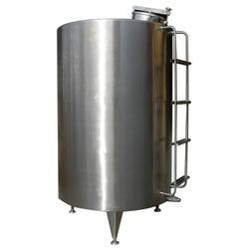
C.5 | Vertical Storage Tank 1.0m3: Supply and install galvanized steel water tank according to the following specifications: - Size: 1.0m3 - Type: Vertical - Structure: Galvanized Steel Sheet G18. - Installation: using PPR pipe 3/4" with necessary fittings ( elbow, tee, valves, female elbow, floating valves, etc.). The price includes water tank base and transportation of water tank to the roof. | NO | 20
C.6 | Vertical Storage Tank 0.5m3: Supply and install galvanized steel water tank according to the following specifications: - Size: 0.5m3 - Type: Vertical - Structure: Galvanized Steel Sheet G18. - Installation: using PPR pipe 3/4" with necessary fittings ( elbow, tee, valves, female elbow, floating valves, etc.). The price includes water tank base and transportation of water tank to the roof. | NO | 140
C.7 | Horizontal Storage Tank 2m3: Supply and install PVC water tank according to the following specifications: - Size: 2m3 - Type: Horizontal - Structure: PVC water tank, (3 layers of polyethylene). - Installation: using PPR pipe 3/4" with necessary fittings ( elbow, tee, valves, female elbow, floating valves, etc.). The price includes water tank base and transportation of water tank to the roof. | NO | 100 |  |  | 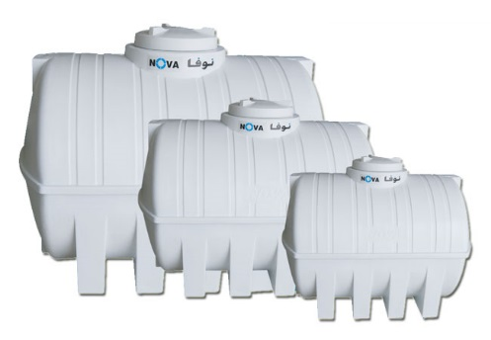
C.8 | Horizontal Storage Tank 1.5m3: Supply and install PVC water tank according to the following specifications: - Size: 1.5m3 - Type: Horizontal - Structure: PVC water tank, (3 layers of polyethylene). - Installation: using PPR pipe 3/4" with necessary fittings ( elbow, tee, valves, female elbow, floating valves, etc.). The price includes water tank base and transportation of water tank to the roof. | NO | 40
C.9 | Horizontal Storage Tank 1.0m3: Supply and install PVC water tank according to the following specifications: - Size: 1.0 m3 - Type: Horizontal - Structure: PVC water tank, (3 layers of polyethylene). - Installation: using PPR pipe 3/4" with necessary fittings ( elbow, tee, valves, female elbow, floating valves, etc.). The price includes water tank base and transportation of water tank to the roof. | NO | 500
C.10 | Horizontal Storage Tank 0.5m3: Supply and install PVC water tank according to the following specifications: - Size: 0.5m3 - Type: Horizontal - Structure: PVC water tank, (3 layers of polyethylene). - Installation: using PPR pipe 3/4" with necessary fittings ( elbow, tee, valves, female elbow, floating valves, etc.). The price includes water tank base and transportation of water tank to the roof. | NO | 350
C.11 | Water Tank Stand: Supply & Install water tank stand made of steel frame according to the follwing specification: - Structure: steel Frame structure using angle steel (3 inch x 3 inch x steel thickness 3 mm). - Diementions: height 2.2 meter, length 1.05 m , width 1.05 meter. - Base: This steel structure is to be fixed on lean concrete cubes (4 cubes, cube dimension 40x40x30 cm) base with a concrete mix ratio of 1:2:3. - Ladder: and the design shall be as according to the attached picture. - Paint: One laye of anti rust paint, and two layers of oil paint. | PCs | 60 |  |  | 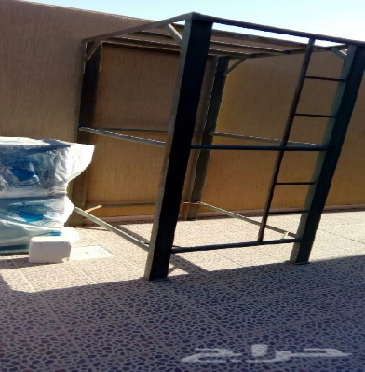
C.12 | 200ltr Water Heater Electric/Kerosene: Supply and install Water Heater according to the following specifications: - Capacity: 200 letter - Plate thickness: 2mm - Fuels: Electric/ Kerosene - Accessories: heating elements, flue, storage for Kerosene,...etc. - Water pipe Connections: The cost includes using PPR pipes, 3/4" or 1" up to 5m with necessary accessories (elbow, connector, tee, valves, etc.). - Vent pipe with the all fitting needed - Electrical connections: using 2x2.5mm cable for connections, up to 10m.l, switch 45Am and cable tray 3/4" for cable. The cost includes removing old broken water heater. | NO | 15 |  |  | 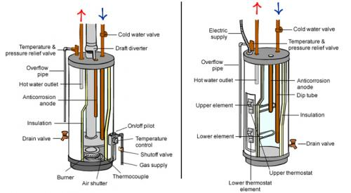
C.13 | 160ltr Water Heater Electric/Kerosene: Supply and install Water Heater according to the following specifications: - Capacity: 160 letter - Plate thickness: 2mm - Fuels: Electric/Kerosene - Accessories: heating elements, flue, storage for Kerosene, etc. - Water connections: Using PPR pipes, 3/4" or 1" up to 5m with necessary accessories (elbow, connector, tee, valves, etc.). - Vent pipe with the all fitting needed - Electrical connections: using 2x2.5mm cable for connections, up to 10m.l, switch 45Am and cable tray 3/4" for cable. the cost includes removing old broken water heater. | NO | 20
C.14 | Electric Water Heater-200ltr: Supply and install Water Heater according to the following specifications: - Capacity: 200 letter - Plate thickness: 2mm - Fuels: Electric - Accessories: heating elements. - Pipe Connections: The cost includes using PPR pipes, 3/4" or 1" up to 5m with necessary accessories (elbow, connector, tee, valves, etc.). - Electrical connections: using 2x2.5mm cable for connections, up to 10m.l, switch 45Am and cable tray 3/4" for cable. The cost includes removing old broken water heater. | NO | 15
C.15 | Electric Water Heater-160 letter: Supply and install Water Heater according to the following specifications: - Capacity: 160 letter - Plate thickness: 2mm - Fuels: Electric - Accessories: heating elements. - Pipe Connections: The cost includes using PPR pipes, 3/4" or 1" up to 5m with necessary accessories (elbow, connector, tee, valves, etc.). - Electrical connections: using 2x2.5mm cable for connections, up to 10m.l, switch 45Am and cable tray 3/4" for cable. The cost includes removing old broken water heater. | NO | 55
C.16 | Electric Water Heater-120 letter: Supply and install Water Heater according to the following specifications: - Capacity: 120 letter - Plate thickness: 2mm - Fuels: Electric - Accessories: heating elements. - Pipe Connections: The cost includes using PPR pipes, 3/4" or 1" up to 5m with necessary accessories (elbow, connector, tee, valves, etc.). - Electrical connections: using 2x2.5mm cable for connections, up to 10m.l, switch 45Am and cable tray 3/4" for cable. The cost includes removing old broken water heater. | NO | 220
C.17 | 1" ppr pipe: Supply and install PPR pipes according to the following specifications: - Size: 1". - Pressure: 20 bars. - Temperature: -20C to 90C. - Type: for drinking water. - Fittings: elbow, connector, female elbow, male elbow, tee, fixings fittings, cap, etc. the price includes hiding ppr pipes in the walls, breaking floor and fixing it, covering pipes by cement sand 1:3 for floors and cement plaster for walls. | ML | 130 |  |  | 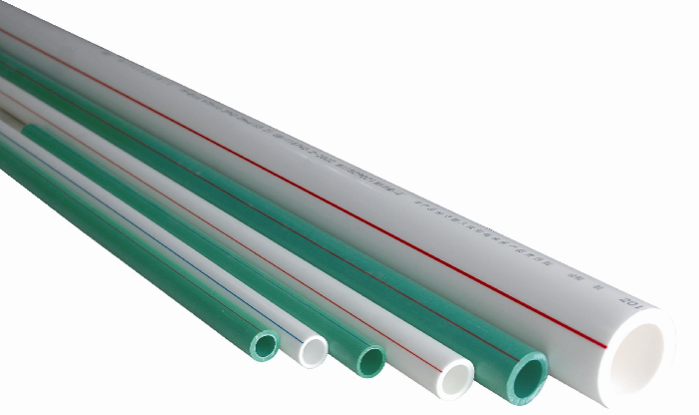
C.16 | 3/4" ppr Pipe: Supply and install PPR pipes according to the following specifications: - Size: 3/4". - Pressure: 20 bars. - Temperature: -20C to 90C. - Type: for drinking water. - Fittings: elbow, connector, female elbow, male elbow, tee, fixings fittings, cap, etc. the price includes hiding ppr pipes in the walls, breaking floor and fixing it, covering pipes by cement sand 1:3 for floors and cement plaster for walls. | ML | 800
C.17 | 1/2" ppr Pipe: Supply and install PPR pipes according to the following specifications: - Size: 1/2". - Pressure: 20 bars. - Temperature: -20C to 90C. - Type: for drinking water. - Fittings: elbow, connector, female elbow, male elbow, tee, fixings fittings, cap, etc. the price includes hiding ppr pipes in the walls, breaking floor and fixing it, covering pipes by cement sand 1:3 for floors and cement plaster for walls. | ML | 8000
C.18 | 4" PVC pipe: Supply and install 4" PVC pipe for sewage and sanitation system with bellow specification: - Size: 4". - Materials: PVC raw materials. - DIN: 4102. - Fittings: elbow, tee, Y, p-Trap, etc. The cost includes excavation in any type of soil, breaking concrete floor/tiles, surface using mechanical cutter, covering with cement mortar 1:3 and smoothing surface. | ML | 1700 |  |  | 
C.19 | 2.5" PVC Pipe: Supply and install 2.5" PVC pipe for sewage, sanitation and drain system with bellow specification: - Size: 2.5". - Materials: PVC raw materials. - DIN: 4102. - Fittings: elbow, tee, Y, p-Trap, etc. The cost includes excavation in any type of soil, breaking concrete floor/tiles, surface using mechanical cutter, covering with cement mortar 1:3 and smoothingB106:B107 surface. | ML | 150
C.20 | 1.5" PVC Pipe: Supply and install 1.5" PVC pipe for sewage and sanitation system with bellow specification: - Size: 1.5". - Materials: PVC raw materials. - DIN: 4102. - Fittings: elbow, tee, Y, p-Trap, etc. the cost includes excavation in any type of soil, breaking concrete floor/tiles, surface using mechanical cutter, covering with cement mortar 1:3 and smoothing surface. | ML | 100
C.21 | 3/4" Float Valve Water Tank: Provide machinery, material and manpower to supply and install float valve for water tanks as according to the following specification: - Size: 3/4 inch. - Material: Brass, and ABS - Wall mounted. - Accessories: hole cover, reducer. - Flow rate: High Flow Rate - Estimated flow rate is 30 gpm at 60 psi - Works well between 15-160 psi. | No | 100 |  |  | 
C.22 | 1/2" Float Valve Water Tank: Provide machinery, material and manpower to supply and install float valve for water tanks as according to the following specification: - Size: 1/2 inch. - Material: Brass, and ABS - Wall mounted. - Accessories: hole cover, reducer. - Flow rate: High Flow Rate - Estimated flow rate is 30 gpm at 60 psi - Works well between 15-160 psi. | No | 70
C.23 | Water Pump - 1 HP: Supply and install 1 Hp water pumps with side suction for small household system and simple industrial application, according to the following specifications: - Motor Type: 1 Hp, 60Hz with booster (float switch) and thermal protection - Material: Cast Iron, brass, or aluminum - Impeller material: Fiberglass reinforced plastic or brass. - Fluid Temperature: 0 - 90 °C - Insulation Class F - Degree of Protection. IP44 The work includes all required fittings, connection to the water pipe, and the on-ground power supply. | No. | 200 |  |  | 
C.24 | Water Pump - 3/4 HP: Supply and install 3/4 Hp water pumps with side suction for small household system and simple industrial application, according to the following specifications: - Motor Type: 3/4 Hp, 60Hz with booster (float switch) and thermal protection - Material: Cast Iron, brass, or aluminum - Impeller material: Fiberglass reinforced plastic or brass. - Fluid Temperature: 0 - 90 °C - Insulation Class F - Degree of Protection. IP44 The work includes all required fittings, connection to the water pipe, and the on-ground power supply. | No. | 65
C.25 | Water Tap: Provide machinery, material and manpower to supply and install water taps, the supplied tap should adhere to the following specification: - Size: 3/4 inch. - Material: Brass, Chrome finished. - Wall mounted. - Accessories: hole cover, reducer. | No | 750 |  |  | 
C.26 | Shower Set: Supply and install bathroom shower according to the following specifications: - Materials: Brass. - Surface Finishing: Chrome. The cost includes removing the old broken shower set. | Set | 750 |  |  | 
C.27 | Mixer tap for kitchen sink: Supply and install Mixer tap for kitchen sink according to the following specifications: - Materials: Brass. - Surface finishing's: Chrome. - Number of Handles: Single/double handle. The cost includes removing old broken Mixer tap. | NO | 150 |  |  | 
C.28 | Mixer tap for ceramic basin: Supply and install Mixer tap for ceramic basin according to the following specifications: - Materials: Brass. - Surface finishing's: Chrome. - Number of Handles: Single/double handle. - Accessories: drain pipes, chrome valves and water supply line. The cost includes removing old broken Mixer tap. | NO | 150 |  |  | 
C.29 | Wash Basin: supply and install wash basin, according to the following specifications: - Dimensions: 650 x 600 mm. - Rounded bowl. - One tap hole. - Material: ceramic. - Mixer tap: single hand - Accessories: bolts, nuts, washers, flexible hose, drainage hose and chained cap. The cost includes removing old broken wash basin. | No. | 200 |  |  | 
C.30 | Wash Basin: supply and install wash basin, according to the following specifications: - Dimensions: 500 x 420 mm. - Rounded bowl. - One tap hole. - Material: ceramic. - Mixer tap: single hand - Accessories: bolts, nuts, washers, flexible hose, drainage hose and chained cap. The cost includes removing old broken wash basin. | No. | 100
C.31 | Wash Basin for Disability: supply and install wash basin, according to the following specifications: - Dimensions: 650 x 600 mm. - Rectangular bowl. - Clearances for knees underneath - One tap hole. - Material: ceramic. - Mixer tap: single hand - Accessories: bolts, nuts, washers, flexible hose, drainage hose, and chained cap. The cost includes removing old broken wash basin. according to drawing No.16 | No. | 50 |  |  | 
C.32 | Wash Basin for Disability: supply and install wash basin, according to the following specifications: - Dimensions: 500 x 400 mm. - Rectangular bowl. - Clearances for knees underneath - One tap hole. - Material: ceramic. - Mixer tap: single hand - Accessories: bolts, nuts, washers, flexible hose, drainage hose, and chained cap. The cost includes removing old broken wash basin. | No. | 25
C.33 | Squatting Toilet Pan: Supply and install squatting toilet pan for latrines according to the following specifications: - Materials: Ceramic. - Color: white. - Size: 585 x 460 x 275mm. - Squat Pan Type: With Trap way. The cost includes removing old broken base, repairing/replacing PVC pipe and P-traps and fixing damaged floors. | NO | 240 |  |  | 
C.34 | One Piece Toilet Seat: Supply and install one piece toilet seat according to the following specifications: - Material: Ceramic. - Color: white. - Feature: Dual-Flush. - Installation Type: Floor Mounted. - Seat cover material: High quality PP plastic. - Flushing Method: Siphon Flushing the price includes installation of latrine base using 4" PVC pipes, up to 2m for sewage system and using PPR pipes, 3/4" , up to 3m for water supply. | NO | 100 |  |  | 
C.35 | Flush Tank: Supply and install flush tank according to the following specifications: - Material: Ceramic - Color: white. - Feature: 6-10 liters water flushing, Ceramic cistern with front flush lever, Side water inlet - Installation Type: Wall Mounted. - Dimensions(WxDxH)mm: 430x175x380 The work includes installation of flush tank base using Ø 40mm hose to be connect with toilet set and using PPR pipes, 1/2" for connection of water supply. | No. | 35 |  |  | 
C.36 | Signle Bowl Sink with Steel Base: Supply & install kitchend stainless steel sink with stand As Follow: - Dimensions: 50cm*120cm - Sink Style: Single Bowl with two wings - Stand Dimensions: 120Cm*50Cm*90Cm - Stand section:steel profile 2 cm x 2 cm x 3mm | NO | 170 |  |  | 
C.37 | Aluminum Counter Single Sink: Supply and install aluminum counter for kitchen, the design should be approved by DRC engineers and shall be similar to bellow specifications: - Dimensions: (160x60x90cm). - Sink Style: Single Bowl. - Sink materials: Stainless Steel. - Aluminum counter structure: using aluminum plate 3mm thickness for front and sides, using 1mm thickness aluminum plate for backside, using 2" aluminum hollow square pipes, 3mm thickness for the stands and supports, the price includes drawers, cabinet doors, connection to the floor drain and necessary accessories hinges, handles, etc. | NO | 35
C.38 | Stainless steel sink: Supply & install kitchend stainless steel sink with stand similar to below specifications: - Dimensions: 50cm*120cm - Sink Style: Single Bowl with two wings - Stand Dimensions: 120Cm*50Cm*90Cm -Stand section:steel profile 2 cm x 2 cm x 3mm | LS | 200 |  |  | 
C.39 | Aluminum Counter Double Bowl Sink: Supply and install aluminum counter for kitchen, the design should be approved by DRC engineers and shall be similar to bellow specifications: - Dimensions: (160x60x90cm). - Sink Style: double Bowl. - Sink materials: Stainless Steel. - Aluminum counter structure: using aluminum plate 3mm thickness for front and sides, using 1mm thickness aluminum plate for backside, using 2" aluminum hollow square pipes, 3mm thickness for the stands and supports, the price includes drawers, cabinet doors, connection to the floor drain and necessary accessories hinges, handles, etc. | NO | 25 |  |  | 
C.40 | Floor Drain: Supply and fix floor drain according to the following specifications: - Material: 304 stainless steel. - Size: 100 x 100mm. | NO | 160 |  |  | 
C.41 | Manhole Cover: Supply and fix manhole cover according to the following specifications: - Material: ductile iron. - Size: 40x40 cm. - Finish paint: Black bitumen. | NO | 100 |  |  | 
C.42 | Heating Element Supply and install an electric water heating element in accordance to the follwoing specifications: - Voltage: 220 v, 50 Hz - Power: 3000 Watt. - Type: Screw plug thread immersion. - Design: Tubular water heater. - Thermostat: Automatic high temperature cut-off, 220 V, 3000 Watt. | NO | 70 |  |  | 
C.43 | Open Blocked Pipe Line: Provide materials tools and manpower to clean blocked pipe line for sewage and/or sanitary pipe line, the work includes: - Providing machinery, water truck. - Using wiring for opening blocked pipe. - Using cleaning and detergent materials as final steps. | NO | 65 |  |  | 
C.44 | Septic Tank m3: Construct hollow cement block Septic Tank inside width x depth x (m)3 (1*1*1)m, including excavation, reinforced concrete roof slab 15 cm, 2 manhole covers UPVC 50x50cm, ventilation pipe Dia. 2'' ended with T-fitting and all necessary to complete work - The work includes plastering the wall with normal cement and sand . | M3 | 300 |  |  | 
C.44a | Septic Tank: Construct hollow cement block Septic Tank inside width x depth x length = 2 x 2 x 2 (m), according to drawing No.10, including excavation, reinforced concrete roof slab 15 cm, 2 manhole covers UPVC 50x50cm, ventilation pipe Dia. 2'' ended with T-fitting and all necessary to complete work | LS | 50
C.45 | Desludging Septic Tank: Provide materials tools and manpower to dislodge septic tank as follow: - Providing desludging truck for cleaning the septic tank. - Removing the black-waste/sludge to approved place assigned by municipality. - Make a desludging hole in septic tank roof, with proper movable manhole cover and frame. | NO | 55 |  |  | 
C.46 | Inspection Chamber Connection: Provide material and manpower to supply and install Inspection chamber connection to the main sewage network with the follwoing specifications: - Material: white P.V.C 4" - Depth: 1 m, Width: 0.5 m , length: 0.5 m. Work include plastering & painting with water proof flint coat from inside, incliding concrete base C20 (100x100x10 cm).Manhole cover P.V.C 50x50 cm with handle, reinforced concrete C20 manhole slab and connecting the chamber with existing sewage pipes at inlet and outlet. According to drawing No.11 | NO | 45 |  |  | 
C.47 | Mobile Shower: Provide material, machinery and manpower to supply and install mobile shower with the follwoing specifications: - Dimensions: 225x200x200cm. - Structure frame is Iron 3mm, walls sandwich Panel 50mm thickness. - P.V.C door. - Exhaust ventilation: rectangular exhaus fan, 30x30cm diameter. - Lighting: installing light fixture inside, and outside. - Plumbing and water fittings complete internal and external. - Water Tank: 120 liter galvanized water tank. - Floor: plywood 18 mm covered by packaging flog vinyl 2.5 mm. - Support: four steel hanging point, cabinet standing on 4 feet. - Shower: 2m high with mixer water tap, and ceramic shower pan 80x80x5cm - The work incudes casting the floor with normal concrete base slab (250*250*30) cm by using (cement ,sandand stone) , ceramic basin, and a mirror.According to the engineer instruction. | No. | 75
C.48 | Mobile latrine: Provide material, machinery and manpower to supply and install mobile latrine with the follwoing specifications: - Dimensions: 225x100x100cm. - Structure frame is Iron L section (3"*3") 3mm, walls sandwich Panel 50mm thickness. - P.V.C door. - Exhaust ventilation: round exhaus fan, 6" diameter. - Lighting: installing light fixture inside, and outside. - Plumbing and water fittings complete internal and external. - Water Tank: 120 liter galvanized water tank. - Floor: plywood 18 mm covered by packaging flog vinyl 2.5 mm. - Support: four steel hanging point, cabinet standing on 4 feet. - The work includes casting the floor with normal concrete base slab (200*200*30) cm by using (cement ,sandand stone) According to the example pictures in drwaing No. 12&13 | No. | 75
C.49 | SepticTank for waste: Supply matarial, tools and manpower to work septic tank for waste in dimension (width 1m, length 1m and depth 1.5m) according to sepcification below: - Excavations : Work Exacavation hole in dimension (1*1*1.5)m and Transfer all waste out site according to supervisor engineer. - Masonary : Use Hollow block (15*20*40) cm. - Roof : work roof for cover this septic tank use reinforcement cast in thickness 10cm and use steel bar of dia 10mm one layer @25 cm maximum spacing should be used. The price include preparing Fromwork and all work required according to supervisory engineer, according the drawing No.11 | No. | 150 |  |  | 
C.50 | Shower Cap Supply and install shower cap with small hollow allow water to escape from good quality and use in bathroom according to supervisor engineer. | No. | 500
C.51 | Folding Drop Down Safety Rails: Provide material, machinery and manpower to supply and install folding drop down safety rails in WC & Toilet rooms for elderly / PLWD use for assistance for squatting or sitting when using the toilet, the suppled rails should adhere to the following specifications: - Material: stainless steel or Aluminum. - Dia. ø: 32 mm. - Grab rail dimensions: 600 x 25 mm. - Cantina foldable drip dimensions: 700 x 25 mm. According to drawing No.16 | LS | 50 |  |  | 
C-52 | P.V.C Sewer pipe 6": Supply and install P.V.C 6" high pressure sewer pipe from building to settling tank and septic tank, excavation in average 60 cm deep and 60 cm wide, including river sand under the pipe 10 cm and 5 cm around pipe, including backfilling and compacting and all necessary to complete the work. | ML | 600 |  |  | 
C.53 | Box manhole: - Size: 200x200 mm - Material: P.V.C - The work include all that needed for correct installation with sewage P.V.C pipe. | NO. | 400

D | ITEMS DESCRIPTION | UNIT | Total Qty. | UNIT COST | TOTAL COST | PICTURES
 | ELECTRIC WORKS
D.1 | Socket with Switch 13A: Supply and install a 5 pin universal wall socket with switch, the product should be CE marked according to the following specifications: - Rated Current: 13Amp - Color: white - Standard Grounding. - Type: Wall Socket. - Accessories: galvanized electrical junction box. | No. | 1600
D.2 | Socket with Switch 15A: Supply and install a wall socket with switch, the product should be CE marked according to the following specification: - Rated Current 15Amp - Color: white - Standard Grounding. - Type: Wall Socket. - Accessories: galvanized electrical junction box. | No. | 850 |  |  | 
D.3 | Single-Light Switch: Supply and install a single Switch, the product should be CE marked according to the following specifications: - Rated Current: 6 Amp. - Color: White. - Type: wall mounted. - Accessories: galvanized electrical junction box. | No. | 300 |  |  | 
D.4 | Double-Light Switch: Supply and install a Double Switch, the product should be CE marked according to the following specifications: - Rated Current: 6 Amp. - Color: White. - Type: wall mounted. - Accessories: galvanized electrical junction box. | No. | 1500 |  |  | 
D.5 | Triple-Light Switch: Supply and install a triple Switch, the product should be CE marked according to the following specifications: - Rated Current: 6Amp. - Color: White. - Type: wall mounted. - Accessories: galvanized electrical junction box. | No. | 400 |  |  | 
D.6 | Plastic Cover 2 Gang: Provide and install blank or non functional siwtch plate cover with following specification: - Type: 1 gang. - Color: White. | No. | 100
D.7 | Plastic Cover 2 Gangs: Provide and install blank or non functional siwtch plate cover with following specification: - Type: 2 gangs. - Color: White. | No. | 110 |  |  | 
D.8 | Lighting Fixture for interior: Supply and install an LED ceiling light fixture, the product should be CE marked with the following specifications: - Power: 220 V, 50 Hz, 18 Watt. - Light color: 6000 K. - Shape: round, 8 inches. - 2 years warranty certificate. | No. | 600 |  |  | 
D.9 | Lighting Fixture for Exterior: Supply and install an LED ceiling light fixture, the product should be CE marked with the following specifications: - Power: 220 V, 50 Hz, 18 Watt. - Light color: 6000 K. - Shape: round, 8 inches. - 2 years warranty certificate. | No. | 700 |  |  | 
D.10 | Bulb light 9 Watt: Supply and install a Bulb light and base, the light shall be CE marked with the following specifications: - Type: LED Bulb 9 Watt. - Light color: 6000 K. | No. | 1000 |  |  | 
D.11 | Bulb light 60 Watt: Supply and install a Bulb light and base, the light shall be CE marked with the following specifications: - Type: LED Bulb 60 Watt. - Light color: 6000 K. | NO | 1000
D.12 | LED Tube light with base: Supply and install tube light with base , the light should be CE marked with the following specifications: Power: 18W. Length: 1.2m. Color Temperature: Cool White(5500-7000K). Average Life (hrs.): 80000H. | NO | 400 |  |  | 
D.13 | Square shape Exhaust Fan 6": Supply and install an exhaust fan, the fan should be CE marked with the following specifications: - Power: 220 V, 50 Hz, 32 Watt. - Type: square. - Sweep: 150 mm, 6". - 5 Plastic Blades. the work includes make proper opening in the wall when required with suitable frame for functional installation. | No. | 200 |  |  | 
D.14 | Square shape Exhaust Fan 12": Supply and install an exhaust fan, the fan should be CE marked with the following specifications: - Power: 220 V, 50 Hz, 32 Watt. - Type: square. - Sweep: 300mm, 12". - 5 Plastic Blades. the work includes make proper opening in the wall when required with suitable frame for functional installation | No. | 170
D.15 | Circular shape Exhaust Fan 6": Supply and install an exhaust fan, the fan should be CE marked with the following specifications: - Power: 220 V, 50 Hz, 32 Watt. - Type: round. - Sweep: 150 mm, 6". - 5 Plastic Blades. the work includes make opeing in the window or wall when required for functional installation. | No. | 250 |  |  | 
D.16 | Circular shape Exhaust Fan 4": Supply and install an exhaust fan, the fan should be CE marked with the following: - Power: 220 V, 50 Hz, 32 Watt. - Type: round. - Sweep: 110 mm, 4". - 5 Plastic Blades. the work includes make opeing in the window or wall when required for functional installation. | No. | 60
D.17 | 2x1.5mm PVC insulated flat cable: Supply and install electrical power cable according to the following specifications: - Size: 2x1.5mm - Type: PVC insulated- twin flat cable. - Conductor type: Solid. - Conductor Material: Copper. - Permissible operating tem.: -5 C - 70 C - Test voltage (AC): 2KV. The cost includes installation of the cable under walls and ceiling finishing. | m.l | 5500
D.18 | 2x2.5mm PVC insulated flat cable: Supply and install electrical power cable according to the following specifications: - Size: 2x2.5mm - Type: PVC insulated- twin flat cable. - Conductor type: Solid. - Conductor Material: Copper. - Permissible operating tem.: -5 C - 70 C - Test voltage (AC): 2KV. The cost includes installation of the cable under walls and ceiling finishing. | m.l | 5500
D.19 | 2x1.5mm PVC insulated flat cable: Supply and install electrical power cable according to the following specifications: - Size: 2x1.5mm - Type: PVC insulated- twin flat cable. - Conductor type: Solid. - Conductor Material: Copper. - Permissible operating tem.: -5 C - 70 C - Test voltage (AC): 2KV. The cost includes Provision and installation of PVC cable tray. | m.l | 7600 |  |  | 
D.20 | 2x2.5mm PVC insulated flat cable: Supply and install electrical power cable according to the following specifications: - Size: 2x2.5mm - Type: PVC insulated- twin flat cable. - Conductor type: Solid. - Conductor Material: Copper. - Permissible operating tem.: -5 C - 70 C - Test voltage (AC): 2KV. The cost includes Provision and installation of PVC cable tray. | m.l | 130
D.21 | 2x4mm PVC insulated round cable: Supply and install electrical power cable according to the following specifications: - Size: 2x4mm - Type: PVC insulated- twin round cable. - Conductor type: Solid. - Conductor Material: Copper. - Permissible operating tem.: -5 C - 70 C - Test voltage (AC): 2KV. The cost includes Provision and installation of PVC cable tray. | m.l | 225 |  |  | 
D.22 | 2x6mm PVC insulated round cable: Supply and install electrical power cable according to the following specifications: - Size: 2x6mm - Type: PVC insulated- twin round cable. - Conductor type: Solid. - Conductor Material: Copper. - Permissible operating tem.: -5 C - 70 C - Test voltage (AC): 2KV. The cost includes Provision and installation of PVC cable tray. | m.l | 110
D.23 | 3x4mm PVC insulated round cable: Supply and install electrical power cable according to the following specifications: - Size: 3x4mm - Type: PVC insulated- twin round cable. - Conductor type: Solid. - Conductor Material: Copper. - Permissible operating tem.: -5 C - 70 C - Test voltage (AC): 2KV. The cost includes Provision and installation of PVC cable tray. | m.l | 120 |  |  | 
D.24 | 4x6mm PVC insulated round cable: Supply and install electrical power cable according to the following specifications: - Size: 4x6mm - Type: PVC insulated- twin round cable. - Conductor type: Solid. - Conductor Material: Copper. - Permissible operating tem.: -5 C - 70 C - Test voltage (AC): 2KV. The cost includes Provision and installation of PVC cable tray. | m.l | 450 |  |  | 
D.25 | Outdoor Electrical Distribution box: Supply and install electrical distribution box, the box should be CE marked with the following specifications: - Material: ABS. - Mounting Type: Flush or Surface. - Color: White. - Protection Degree: IP40. - Window: Transparent. - Modules: 18 The cost includes wiring, and removing the old broken circuit breaker. | No. | 100 |  |  | 
D.26 | Outdoor Electrical Distribution Box: Supply and install electrical distribution box, the box should be CE marked with the following specifications: - Material: ABS. - Mounting Type: Flush or Surface. - Color: White. - Protection Degree: IP40. - Window: Transparent. - Modules: 12 The cost includes wiring, and removing the old broken circuit breaker. | No. | 140
D.27 | Outdoor Steel Electrical Distribution Box: Supply and install electrical distribution box, the box should be CE marked with the following specifications: - Material: Steel. - Mounting Type: Flush or Surface. - Color: White. - Protection Degree: IP40. - Window: Transparent. - Modules: 16 The cost includes wiring, and removing the old broken circuit breaker. | No. | 100 |  |  | 
D.28 | Outdoor Steel Electrical Eistribution Box: Supply and install electrical distribution box, the box should be CE marked with the following specifications: - Material: Steel. - Mounting Type: Flush or Surface. - Color: White. - Protection Degree: IP40. - Window: Transparent. - Modules: 8 The cost includes wiring, and removing the old broken circuit breaker. | No. | 150
D.29 | Circuit Breaker 63A: Supply and install Circuit Breaker, the circuit breaker should be CE marked with the following specifications: - Rated current: 63A, dual breaker. - Rated frequency: 50 Hz. - Rated voltage: 230V. The cost includes wiring, and removing the old broken circuit breaker. | No. | 180 |  |  | 
D.30 | Circuit Breaker 40A: Supply and install Circuit Breaker, the circuit breaker should be CE marked with the following specifications: - Rated current: 40A, dual breaker. - Rated frequency: 50 Hz. - Rated voltage: 230V. The cost includes wiring, and removing the old broken circuit breaker. | No. | 100
D.31 | Circuit Breaker 25A: Supply and install a miniature circuit breaker MCB, the product should be CE marked according to the following specifications: - Rated Current: 25 A, class C in accordance to EN 60898. - Rated Voltage: 230/400 V. - Single Pole. - Type: MCB. - Box Clamp Barrier. - Breaking Capacity: 10 kA. The cost includes all installation accessories (i.e. wire terminals, screws, etc.) | No. | 100 |  |  | 
D.32 | Circuit Breaker 20A: Supply and install a miniature circuit breaker MCB, the product should be CE marked according to the following specifications: - Rated Current: 20 A, class C in accordance to EN 60898. - Rated Voltage: 230/400 V. - Single Pole. - Type: MCB. - Box Clamp Barrier. - Breaking Capacity: 10 kA. The cost includes all installation accessories (i.e. wire terminals, screws, etc.) | No. | 180
D.33 | Circuit Breaker 16A: Supply and install a miniature circuit breaker MCB, the product should be CE marked according to the following specifications: - Rated Current: 16 A, class C in accordance to EN 60898. - Rated Voltage: 230/400 V. - Single Pole. - Type: MCB. - Box Clamp Barrier. - Breaking Capacity: 10 kA. The cost includes all installation accessories (i.e. wire terminals, screws, etc.) | No. | 150
D.34 | Circuit Breaker 100A: Supply and install a molded case circuit breaker MCCB, the product should be CE marked according to the following specifications: - Rated Current: 100 A, in accordance to EN 60898. - Rated Voltage: 230/400 V. - Double Pole. - Type: MCCB, fixed mount formula A1. - Breaking Capacity: 10 kA at 240 Vac. The cost includes all installation accessories (i.e. wire terminals, screws, etc.) | No. | 35 |  |  | 
D.35 | Electrical Main Distribution Panel: Supply and install power electrical main distribution board panel according to the following specifications: - Dimensions: 60x40x20cm. - Plate thickness: 1.2mm. - Surface treatment: Powder coating spray. - Protection degree: IP55. - Lock: Zinc alloy. | NO | 50 |  |  | 
D.36 | Electrical Main Distribution Panel: Supply and install power electrical main distribution board panel according to the following specifications: - Dimensions: 70x60x20cm. - Plate thickness: 1.2mm. - Surface treatment: Powder coating spray. - Protection degree: IP55. - Lock: Zinc alloy. | NO | 60

E | ITEMS DESCRIPTION | UNIT | Total Qty. | UNIT COST | TOTAL COST | PICTURES
# | ELECTRICAL Materials
E 1 | Electrical lamp holder, screw type, Copper Terminals holder, outside cover Plastic, base of holder made from pottery not Plastic. Please see the attached photo | PC | 1250 |  |  | 
E 2 | Electrical circuit breaker 3PH Up to 10kA at AC 220/415V 50/60Hz Rated current : up to 100 A.Similar to Siemens. Please see the attached photo. | PC | 600 |  |  | 
E 3 | Electrical Circuit Breaker Copper Terminal with 35mm Capacity 1PH up to AC 220/415V 50/60Hz. Rated current : up to 10 A. Similar to Siemens.Please see the attached photo. | PC | 1250 |  |  | 
E 4 | Electrical Circuit Breaker Miniature Type. Based on current-limiting technology. Protection from Short-circuit and overload Adjustable rating in full range with diverse trip mechanisms.Internal Accessories(Auxiliary switch,Trip alarm switch and Shunt trip) Copper Terminal 3P up to AC 220/415V 50/60Hz Rated current : up to 250 A.Similar to Siemens. Please see the attached photo. | PC | 10 |  |  | 
E 5 | Plastic rope to fasten electrical fixtures. Length of each rope is 30cm. Usually supplied 100 pcs in a plastic bag. Please see the attached photo. | Box | 600 |  |  | 
E 6 | Electrical wire - flexible strand type dual pole pure-copper wire. Diameter (1.5mm), (the length of each roll =90m).Similar to Siemens. Please see the attached photo. | Roll | 85 |  |  | 
E 7 | Electrical wire - flexible strand type dual pole pure-copper wire. Diameter (2.5mm), (the length of each roll =90m).Similar to Siemens. Please see the attached photo. | Roll | 160
E 8 | Single switch plug rated voltage 220V-250V and rated current 13A. Size 86*86mm. Rounded edges, inside material copper, "touch point made from pure copper". Terminal capacity 3 x 2.5mm². Usually supplied 1pc in a plastic bag,10pc in a box,100 ps in a carton.Similar to a Jordanian. Please see the attached photo. | PC | 1500 |  |  | 
E 9 | Dual electrical lighting switch 1 way switch. Rated voltage 220V-250V and rated current 10A. Size 86*86mm. Inside Material Copper, red copper point "touch point made from pure copper". Terminal capacity 1.5mm². Usually supplied 1pc in a plastic bag,10pc in a box,100 pc in a carton.Similar to a Jordanian. Please see the attached photo. | PC | 800 |  |  | 
E 10 | Twisted electrical cable strand type 2 pole pure-Aluminum wire diameter (16mm) Wrapped in rolls/coils/rings with Plastic film. Treated wooden/steel-wooden drums. Cables are normally supplied in lengths of 1000 meters. Please see the attached photo. | Meter | 2500 |  |  | 
E 11 | Twisted electrical cable strand type 4 pole pure-Aluminum wire diameter (35mm) Wrapped in rolls/coils/rings with Plastic film. Treated wooden/steel-wooden drums. Cables are normally supplied in lengths of 1000 meters. Please see the attached photo. | Meter | 2000 |  |  | 
E 12 | Iron pole used to fix electrical wires and to carry the projector. Usually the length of the pole is 6 meters It looks like the letter T.Please see the attached photo. | PC | 800
E 13 | LED projector light 300 watt .220v (Lamp Body Material is Aluminum Alloy,central LED light with aluminum bracket 180 degrees adjustable with screw holes for bracket installation) . Please see the attached photo. | PC | 150 |  |  | 
E 14 | Electrical board (made of plastic material used to store and collect electrical circuit breakers). Approx. 60 x 40 cm. Please see the attached photo. | PC | 400 |  |  | 
E 15 | Adjustable plastic clips to install twisted electrical cable. Please see the attached photo. | PC | 900 |  |  | 
E 16 | Terminals to connect the twisted cable (for large current cable uses) diameter ( ,25,,70,35, mm^2 ). Steel Tube Connecting Terminal Industrial twisted Electrical Cable. Please see the attached photo. | PC | 125
E 17 | Electrical lighting lamp bulb LED 60_150 watt screw type, for communal areas. power range 85 watt,power source 220V 50Hz , Please see the attached photo. | PC | 1275
E 18 | Electrical conductors (diameter 25 mm)(Type 625). The inside terminal should be pure copper, smooth plastic insulation (each strip contains 12 conductors). Please see the attached photo. | Box | 35 |  |  | 
E 19 | Steel strip for electrical circuit breaker (length 120cm).Used to install Electrical Circuit Breake.Please see the attached photo. | PC | 100
E 20 | Electrical adhesive tape (each roll consists of 10 pcs) (Size=0.13mm*18mm*10m). No color preference. Please see the attached photo. | Roll | 225
E 21 | Square plastic electrical switch box, smooth plastic surface, square-edged surfaced for single electrical lighting. Switch size 25mm inner depth outer depth 30mm. Total plate width 85mm, height 85mm. Compliant with the latest British and European standards. Please see the attached photo. | PC | 750 |  |  | 
E 22 | Rectangle plastic electrical switch box, smooth plastic surface, square-edged surfaced for dual electrical lighting. Switch size 25mm inner depth, outer depth 30mm. Total plate width 170mm, height 85mm. Compliant with the latest British and European standards. Please see the attached photo. | PC | 700
E 23 | 13A plug 3 pin top white included 13A. Fuse Solid brass pins, screw down cable clamp, tough nylon construction. Please see the attached photo. | PC | 1250 |  |  | 
E 24 | Plastic round electrical clips to install electrical wire. Flexible strand type dual pole (2*4mm). The size of clips is 10mm. Each box contains 50 pieces. Please see the attached photo. | Box | 400 |  |  | 
E 25 | Stainless steel nails suitable for cement walls (length=1.5 inch). Please see the photo attached. | Box | 12
E 26 | Screw fixing (1 inch ) (each box contain 500pcs). Please see the attached photo. | Box | 10
E 27 | Round wood base used to hold the holder. Please see the attached photo. | PC | 1000 |  |  | 
E 28 | PVC Tray Cable supply, install PVC cable tray of the dimensions are shown below and thickness not less than 1.0 mm, width 18mm, Height 20mm, length2.1m and white color which should be installed above false ceiling of the building using sticky to install and lay all cables on wooden walls, Sandwitch Panel or out walls, and according to the supervisory enginner, with all the required works to complete the Job. | m.l | 2500 |  |  | 
E 29 | Hexagon flange head (10 bore screw)(each box contains 100 piecs . Please see the attached photo. | PC | 10

 | TOTAL PRICE

 | DRC to complete |  |  |  | Bidder to complete
 | Time required to start the work after signning the cntract | 5 working days |  |  | Time required to start the work after signning the cntract
 | Time required to complete 75 shelters | 30 working days |  |  | Time required to complete 75 shelters
 | Delivery Terms required (Add Incoterm if necessary): | DDP 2020 |  |  | Delivery Terms offered (must include incoterm):
 | Delivery Destination required: | Anbar and Diyala Governorates |  |  | Delivery Destination offered:
 | Minimum bid validity period required: | 90 days |  |  | Bid validity period offered:
 | Additional comments to bidders: |  |  |  | Company Name:
 | 1- All the works must be executed in accordance with the Iraqi General Technical Specifications (I.G.T.S.) published by Ministry of Housing and Reconstruction/ Republic of Iraq, the drawings, contract documents and instructions of the supervisor engineer. 2- All materials shall be tested and approved by the National Centre of Construction Laboratories (NCCL) as requested by the supervisor engineer. 3- All materials must be new, sound, fair, in merchantable quality and in line with the technical specifications. 6- All the materials shall be new and deemed to be of approved available type in the local market by the project engineer. 7- Pre and Post delivery inspection shall be done internally to assess item conformity to the specifications. 8- In case of differences between bill of quantities and drawings, the drawings will govern. 9- All equipment shall be manufactured within two years of installation date. 10- Data sheets, test result sheets, and catalogues shall be submitted prior transportation and installation. 11.contractor shall finish 75 shelter per 30 working days. 12. The price of transportation, delivery, and installation shall be included within item prices. |  |  |  | Contact Person:
 |  |  |  |  | Address:
 |  |  |  |  | Email Address:
 |  |  |  |  | Can you please confirm you have ability to implement across all sites according to our the delivery plan?
 |  |  |  |  | Signed by a duly authorized company representative:
 |  |  |  |  | Title:
 |  |  |  |  | Print Name:
 |  |  |  |  | Stamp of company

