Fuel&Spare part - Technical Bid
ANNEX A1 - TECHNICAL BID FORM ITB reference number: DRC/IQ-TIK-22-PA-001– Provide of Fuel and Generator Spare Part
 |  |  |  |  |  |  | To be Filled by Bdder
# | Category | Item Description | Estimated Qty | UOM | listed below photos are for illustrative purpose only | Sample Photo is required | Offered Specifications | Brand Name | Offered Quantity | UOM | Country of Origin
1 | Fuel & Oil | Fuel for generator for DRC Office in Tikrit, and other place in Salah AlDin governorate ( the fuel must be Good Quality ): Fuel, pure diesel for generators with following specifications: - Density at 15 C degree: 820-840 - Water: <500 mg/kg - Copper Strip corrosion: Class 1 - Lubricity: < 460 - (The samples will be test) | 190,000 | Liter |  | Yes
 |  | وقود محركات (كاز) بنوعية جيدة يتم تجهيزه الى مقر منظمة DRC في تكريت او اي مكان في محافظة صلاح الدين وحسب المواصفات المذكورة اعلاه. (عينات الوقود ستخضع للفحص)
2 |  | Engine Oil of Generator type Perkins Jerry can of 20 liter similler to shell type -15w40. زيت مولد بيركنز 20 لتر نوعية جيدة مشابه لزيت نوعية شيل | 50,000 | Liter |  | Yes
15 | Generator Spare Parts | Fuel Filter of Generator type Perkins capacityd 65kv & 45 kv size 4461493, (فلتر كاز ). | 100 | pc | 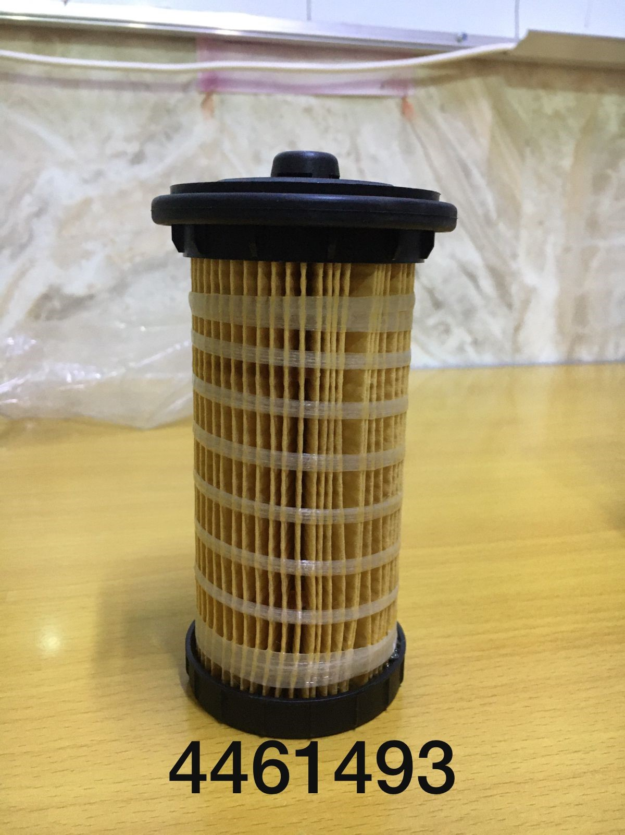 | Yes
 |  | Fuel Filter of Generator type Perkins capacityd 50 kv size 26560163, (فلتر كاز ). | 100 | pc | 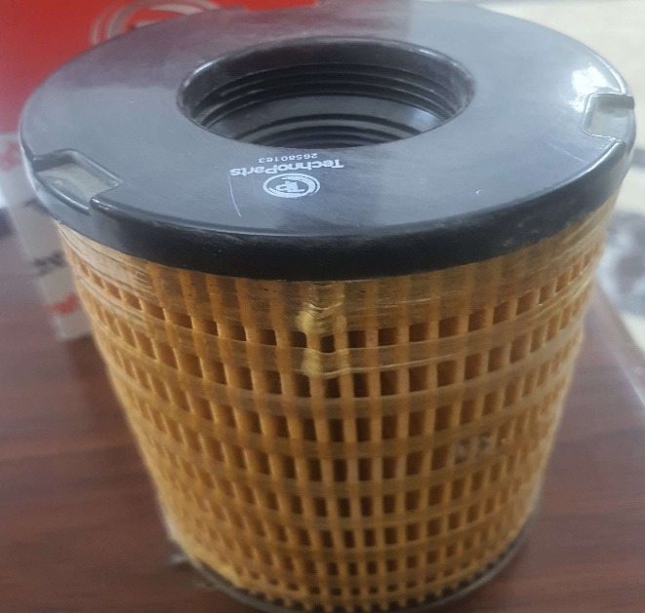 | Yes
18 |  | Oil Filter of Generator type Perkins capacity 65kv and 45 kv (فلتر دهن ) size2664403 . | 100 | pc | 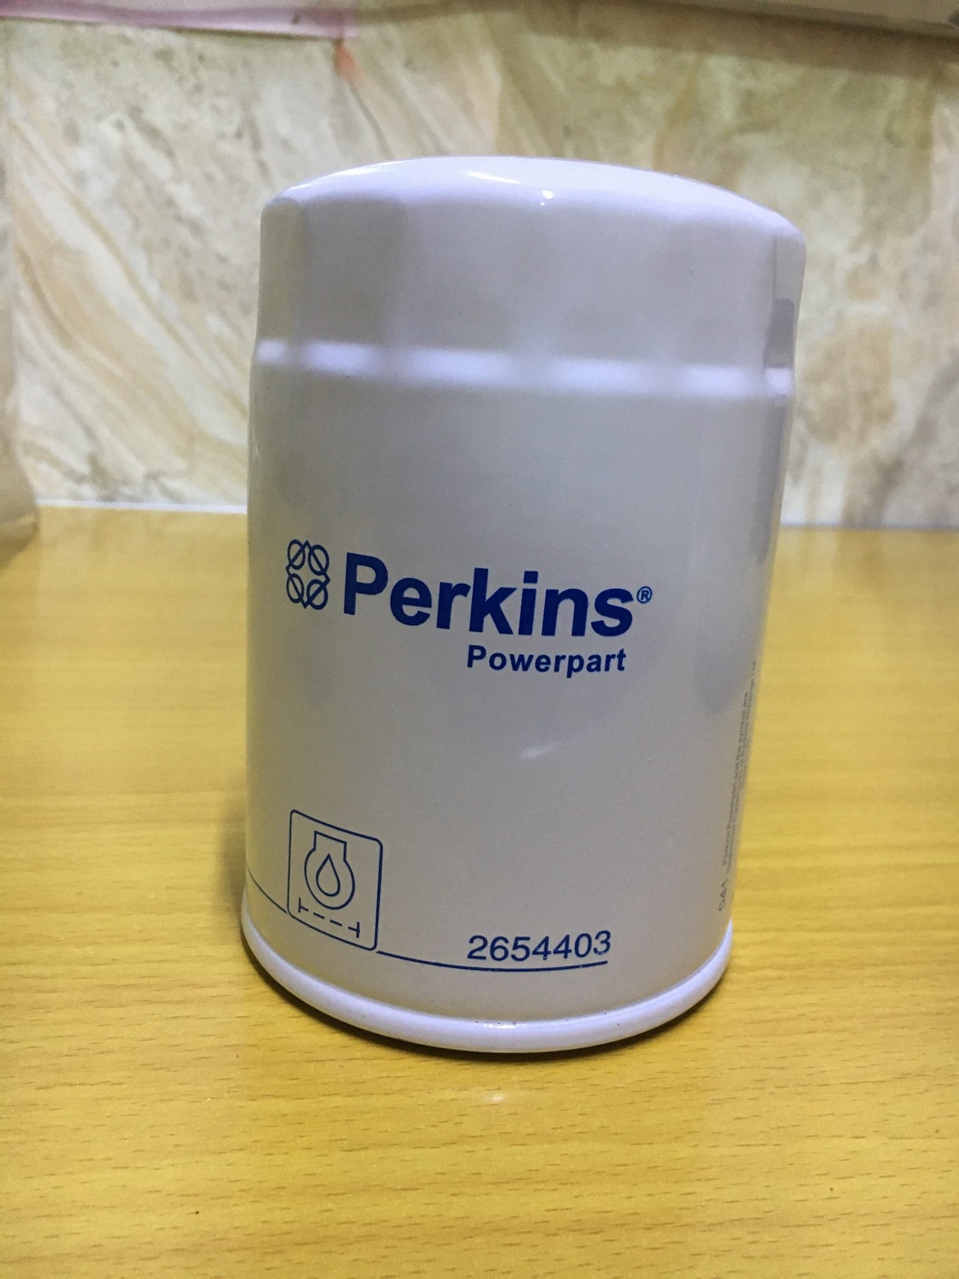 | Yes
 |  | Air filter of Generator type Perkins capacity 65kv and 45 kv , (فلتر هواء) size 26510337 . | 100 | pc | 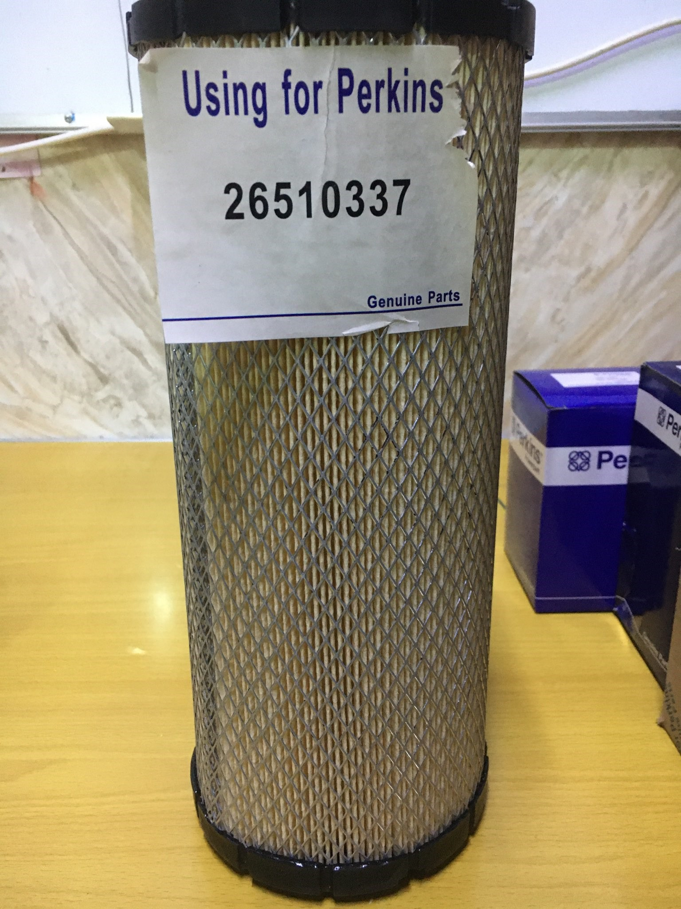 | Yes

DRC to complete |  |  |  |  |  |  | Bidder to complete
 | Requested delivery lead time : | to be deliver within 3 calendar days from PO signed |  |  |  |  | Offred delivery lead time:
 | Delivery Terms required (Add Incoterm if necessary): | DDP( incoterm 2020) |  |  |  |  | Delivery Terms offered (must include incoterm):
 | Delivery Destination required ( per each Lot): | Salah Al-Din districts- (Tikrit -Balab,Baiji,Samara) |  |  |  |  | Delivery Destination offered:
 | Minimum bid validity period required: | 90 days |  |  |  |  | Bid validity period offered:
 | Essential Criteria |  |  |  |  |  | Company Name:
 | Additional Comments: Bidders should note that Delivery will be to DRC sites. The Delivery District Locations have been listed in the "Delivery Destination required" cell. |  |  |  |  |  | Contact Person:
 |  |  |  |  |  |  | Address:
 |  |  |  |  |  |  | Phone number:
 |  |  |  |  |  |  | Email Address:
 |  |  |  |  |  |  | Date:
 |  |  |  |  |  |  | Do you agree on all Essential Criteria ?
 |  |  |  |  |  |  | Signed by a duly authorized company representative:
 |  |  |  |  |  |  | Title:
 |  |  |  |  |  |  | Print Name:
 |  |  |  |  |  |  | Stamp of company

