Annex A.1 Technical
 | TECHNICAL SPECIFICATIONS AND BILL OF QUANTITIES |  | Annex A.1 Technical ITB#01TAF2022 Garbage Dumpsters
DRC to complete |  |  |  |  | Bidder to complete
 | Item/Milestone Required | Delivery Location | Unit | Quantity required | Item/Milestone offered (name make and model with full specification) |  | Country of Origin | Brand | Pictures
D.1 | MATERIALS
D.1.1 | Roll-off Dumpster: Provide machinery, material and manpower to manufacture 16 m³ Roll-off Dumpster in accordance to the attached drawings and the following specifications: General Specification: - Capacity: 16 m³. - Total Height: 1.99 m including steel rolls. - External Width: 2.28 m. - External Length: 5.84 m. Design Specifications: - Base structure (Chassis): shall be made by using 8 inches 9mm steel I-Beam with length of (5.28 m) on both sides, supported by triangular 16 mm steel plates (each 40 cm) , and the base shall be plated with 5 mm thick steel plate. - Latch Base: shall be made from 8 inch 8mm steel channel, with 60 mm2 rod U-shaped and inverted to be welded to 16 mm thick steel plate welded on top of 16 mm thick steel plate, with height from dumpster base of (170 cm). - Body structure: shall be plated with 5 mm thick steel plate on sides and roof, and plated with 5 mm thickness at both front and rear ends. - Reinforcement Sections: 5 support channels shall be made from (20 x 5 cm ) 5mm steel channel around the container each of 7.5 m long, and other 2 channels made from (20 x 5 cm ) 5mm steel channel to be crossed membered on both sides of the container. - Garbage Disposal Opening: 8 opening with dimensions of ( 60 x70) cm, 4 on each side of the dumpster shall be made using 2 mm steel plate with frame and handle, to be outswing with hinges. - Emptying Door: Using 4 mm steel plate with frame made from 4 mm thick support channels, with weld on heavy duty hinges (30 mm) capable of bearing loads, and handles and locks to swing it to the side. - Rear Rollers: Fabricate and install steel cylindrical rollers to facilitate the sliding the dumpster on/off the hook lift truck, the rear roller shall be at the back side with dimensions of (length 30 cm, diameter 18 cm, thickness 16 mm), on a 16 mm thick support steel plate as baseplate and side supports. - Front Rollers: Fabricate and install steel cylindrical rollers to facilitate sliding the dumpster on/off the ho |  | No.

Supplying 14 m³ Roll-off Garbage Dumpsters
D.1 | MATERIALS
D.1.1 | Roll-off Dumpster: Provide machinery, material and manpower to manufacture 14m³ Roll-off Dumpster in accordance to the attached drawings and the following specifications: General Specification: - Capacity: 14 m³. - Total Height: 1.99 m including steel rolls. - External Width: 2.28 m. - External Length: 5.1 m. Design Specifications: - Base structure (Chassis): shall be made by using 8 inches 9 mm steel I-Beam with length of (5 m) on both sides, supported by triangular 8 mm steel plates (eache 40 cm) , and the base shall be plated with 5 mm thick steel plate. - Latch Base: shall be made from 8 inch 8mm steel I beam, with 60 mm2 rod U-shaped and inverted to be welded to 16 mm thick steel plate welded on top of 16 mm thick steel plate, with height from dumpster base of (170 cm). - Body structure: shall be plated with 4 mm thick steel plate on sides and roof, and plated with 4 mm thickness at both front and rear ends. - Reinforcement Sections: 4 support channels shall be made from (20 x 5 cm ) 5mm steel channel around the container each of 7.5 m long, and other 2 channels made from (20 x 5 cm ) 5mm steel channel to be crossed membered on both sides of the container. - Garbage Disposal Opening: 6 opening with dimensions of ( 60 x 70) cm, 3 on each side of the dumpster shall be made using 2mm steel plate with frame and handle, to be outswing with hinges. - Emptying Door: Using 4 mm steel plate with frame made from 4mm thick support channels, with weld on heavy duty hinges (30 mm) capable of bearing loads, and handles and locks to swing it to the side. - Rear Rollers: Fabricate and install steel cylindrical rollers to facilitate the sliding the dumpster on/off the hook lift truck, the rear roller shall be at the back side with dimensions of (length 30 cm, diameter 18 cm, thickness 16 mm), on a 16 mm thick support steel plate as baseplate and side supports. - Welding works: Shielded metal arc welding type shall be used in welding, welding electrodes shall be E7018 stick wel |  | No.

Supplying 12m³ Roll-off Garbage Dumpsters
D.1 | MATERIALS
1 | Roll-off Dumpster: supplly and distribute 12 m³ Roll-off Dumpster in accordance to the attached drawings and the following specifications: General Specification: - Capacity: 12 m³. - Total Height: 1.99 m including steel rolls. - Internal Width: 2.20 m. - Internal Length: 4.55 m. Design Specifications: - Base structure (Chassis): shall be made by using 8 inches 9 mm steel I-Beam with length of (4.55 m) on both sides, supported by triangular 8 mm steel plates (each 40 cm) , and the base shall be plated with 5 mm thick steel plate. - Latch Base: shall be made from 8 inch 8mm steel I-beam with 60 mm2 rod U-shaped and inverted to be welded to 16 mm thick steel plate welded on top of 16 mm thick steel plate, with height from dumpster base of (170 cm). - Body structure: shall be plated with 4 mm thick steel plate on sides and roof, and plated with 5 mm thickness at both front and rear ends. - Reinforcement Sections: 4 support channels shall be made from (20 x 5 cm ) 5mm steel channel around the container each of 7.5 m long, and other 2 channels made from (20 x 5 cm ) 5mm steel channel to be crossed membered on both sides of the container. - Garbage Disposal Opening: 6 opening with dimensions of ( 60 x 70) cm, 3 on each side of the dumpster shall be made using 2mm steel plate with frame and handle, to be outswing with hinges. - Emptying Door: Using 4 mm steel plate with frame made from 4mm thick support channels, with weld on heavy duty hinges (30 mm) capable of bearing loads, and handles and locks to swing it to the side. - Rear Rollers: Fabricate and install steel cylindrical rollers to facilitate the sliding the dumpster on/off the hook lift truck, the rear roller shall be at the back side with dimensions of (length 30 cm, diameter 18 cm, thickness 16 mm), on a 16 mm thick support steel plate as baseplate and side supports. - Welding works: Shielded metal arc welding type shall be used in welding, welding electrodes shall be E7018 stick welding electrode special for stru |  | No. |  |  |  |  |  | 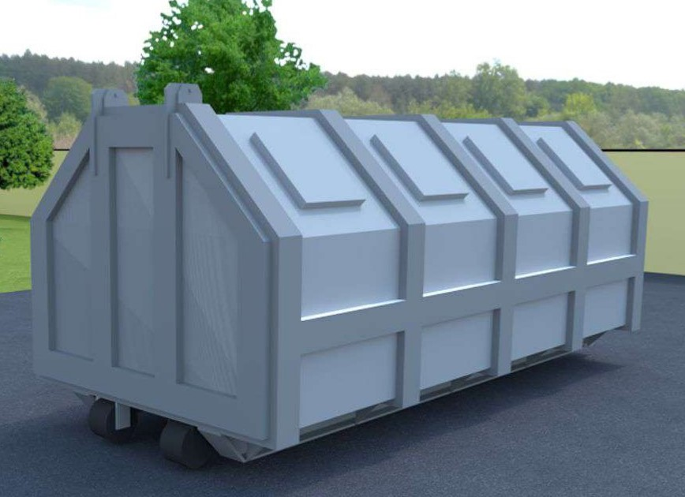

Supplying 1 m³ Garbage Dumpsters
# | Dumpster 1.1 m3
1 | Capacity of garbage dumpster = 1.1 m3 Using galvanized steel plate in manufacturing the dumpster (Galvanized ) with (3.5 mm) thickness.The body of the dumpster shall be reinforced to ensure rigidity and undertake garbage load of not less than 1100 Kg.Body of the dumpster is consist of 2 steel stand base (10*10*100) with (3.5mm) thickness to be rigidity welded at the external bottom side of the dumpster Two steel rectangular section ( 7.62*2.54) Cm on back to strengthen the dumpster Using solid steel bar (35-40)mm on both sides and fixed on glvanized steel bracket at least (4)mm thickness , the length of each solid steel bar is (15 cm) in each side .Using continous grinded welding in manufacturing the dumpster , And welding location (areas) should be painted by two layers of anty-rust and three layers of oil painting for all welding locations and steel , The color of the paint should be the same color of galvnized steel plate.The door of the dumpster ,The two sides of the dumpster should be supported by two handles ,The dimension of each handle (solid steel (5mm) Dia. And (30cm) in lengh)and should be fixed on the both side of the dumpster for the purpose of moving the dumpster around by the worker . should be supplied with two supporting arms with holder .The dumpster should be supplied by 4 wheels (200mm) Dia,Wheel rotation of 360 degrees .,the extenal sides of the wheels should be fixed on rubber and wheel breaking devices ( 4 units) ,The sample shall be provided according to the specification, After approval of sample by DRC engineers, contract will supply the rest of quantities.The work should be according to instructions the supervising engineer. |  |  |  |  |  |  |  | 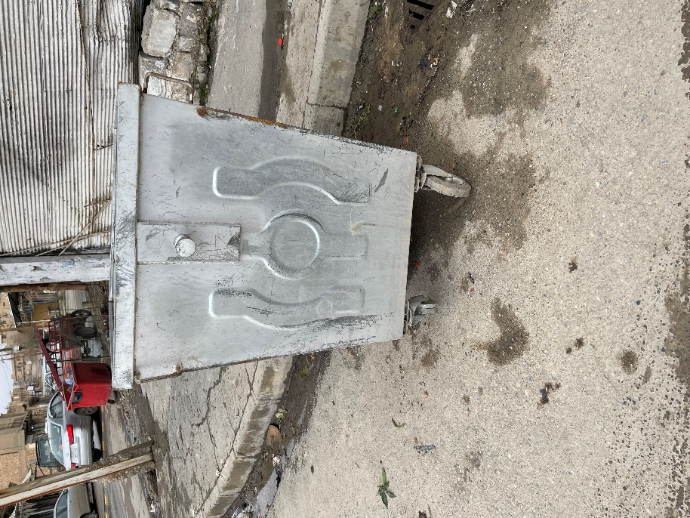

 | DRC to complete |  |  |  | Bidder to complete
 | Delivery time required (days after PO signature): |  | 30 days |  | Delivery time offered (days after PO signature):
 | Delivery Terms required (Add Incoterm if necessary): |  | DDP |  | Delivery Terms offered (must include incoterm):
 | Delivery Destination required: |  | Nineveh province |  | Delivery Destination offered:
 | Minimum bid validity period required: |  | 60 days |  | Bid validity period offered:
 | Additional comments to bidders: |  |  |  | Company Name:
 | 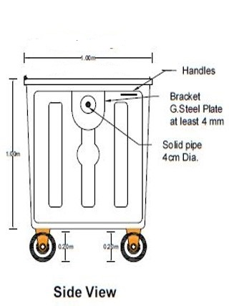 1- All the works must be executed in accordance with the drawings, contract documents, and instructions of the supervisor engineer. 2- All materials must be new, sound, fair, in merchantable quality, and in line with the technical specifications. 3- All the materials shall be new and deemed to be of the approved available type in the local market. 4- Pre and Post delivery inspection shall be done internally to assess item conformity to the specifications. 5- In case of differences between bills of quantities and drawings, the drawings will govern. 6- The price includes the distribution of containers in Locations identified by DoM and DRC withen Telafar, Ayadiya and Ba'aj cities and anywhere with in Ninewa Provance. 7- Ability to deliver 10 big size garbage dumpsters with in one Month. |  |  |  | Contact Person:
 |  |  |  |  | Address: | Phone number:
 |  |  |  |  | Email Address: | Date:
Yes
NO
 |  |  |  |  | Can you please confirm you have ability to implement to delivery to Telafar, Ayadiya and Ba'aj according to our BOQ ? | no
 |  |  |  |  | Signed by a duly authorized company representative:
 |  |  |  |  | Title:
 |  |  |  |  | Print Name:
 |  |  |  |  | Stamp of company

