NFI-Technical-lot1-Mosul.
 | TECHNICAL SPECIFICATIONS AND BILL OF QUANTITIES (Lot 1) NFI Kit |  |  | ITB: Reference Number: ITB-02TAF22 Supplying & distributing NFI & WASH KITS Purchase agreement for DRC northern area
DRC to complete |  |  |  |  | Bidder to complete
 | Item/Milestone Required | Delivery Location | Unit | Quantity required | Item/Milestone offered (name make and model with full specification) | Country of Origin | Brand | Pictures
 | Brief Description: Supply and distributing NFI Kits in Mosul-Telafar-Ba'aj and Sinjar districts
1 | Blankets: Syntetics 1.5x2m, medium thermal Make: Knitted or woven, dry raised both sides Content ISO 1833 on dry weight: 100% virgin polyester and/or acrylic fibers or polyester/cotton Colours: Any dark uniform colour, other than black, red, or white. Size: 150 x 200cm +3%/-1%. To be taken on flat stabilized sample, without folds. Weight: 350 to 670g/m2 Weight determined by total weight/total surface. | Ninevah | PC | 1 |  |  |  | 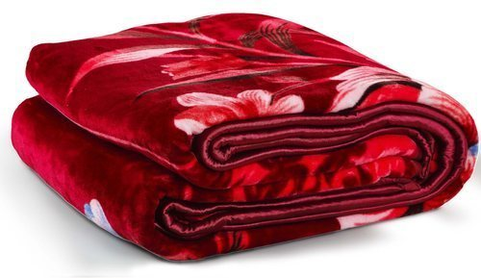
2 | Bedsheet: Single bed type bedsheet, fitted sheet, 90 cm x190 cm, deep pocket corners 10 – 13 inches, composition 100% cotton (polyester), basic colors | Ninevah | PC | 1 |  |  |  | 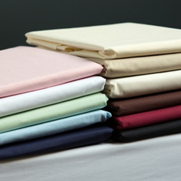
3 | Mattress: 10 cm, high density foam mattress Density lbs/cu. ft. Minimum 1.70, ILD/50 sq. in. @ 25% (4 in.) 52 - 58, 90 cm x 180 cm, cotton/poly blend removable cover Indentation Load Deflection: 16kg min. | Ninevah | PC | 1 |  |  |  | 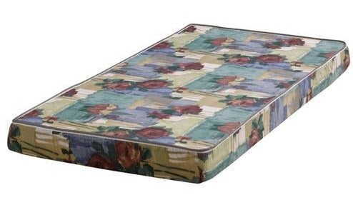
4 | Thermal roll mat: Insulating floor mat, aluminized, fleece. It is an assembling of three layers:- First layer, on the ground-side, a plastic mat, double weave.- Second layer, an aluminized canvas, aluminium face upward.- Third layer, on upper-side, a fleece blanket. The assembling is done with a heavy-duty ribbon strongly stitched all around the mat. The second and third layer are also stitched together, lengthwise in the centre, and crosswise into 3 lines equally spaced. Dimensions: 1.8m x 0.9m At one end, the mat is open on the whole width, to allow access in between the plastic mat and the aluminized canvas. This opening closes with a fold like a pillowcase closing system. A pair of strong laces is sewn to the mat at one end in the centre, to secure the mat when rolled up for transport or storage. | Ninevah | PC | 1 |  |  |  | 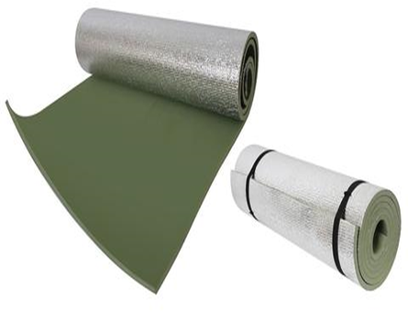
5 | Kerosene Cooker: Stainless Steel Fuel Containing Capacity:- 3 Liter Number Of Wicks:- 10 Wicks (Cotton) Kerosene Consumption Rate:- 151 - 165 gms/hr Useful Heat Output:- 940 - 950 K.Cals/hr Thermal Efficiency:- 60% Quality Standard:- IS:2980 (ISI) Net Weight Of Stove:- 2.930 Kilograms Master Cartoon CTN:- Corrugated Box Contents Per CTN:- 6 Pieces in 1 CTN Dimension mm CTN:- 850 x 560 x 200 Gross Weight/CTN:- 21.120 Kilograms Net Weight /CTN:- 17.580 Kilograms. cooker to be supplied with 1 funnel/Plastic hand pump for easy and safe fuel filling. Funnel/Plastic hand pump to be packed together with cooker. | Ninevah | PC | 1 |  |  |  | 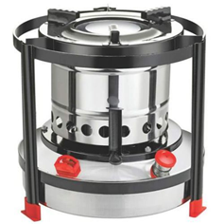
6 | Gas Cooker (Table stove): Stainless steel, 3 burners with control knob and igniter, 66 x 33 x 8 cm, with High Quality gas regulator ( 300 mmSS / 0,2 kg/h )and a gas hose for connection with gas canister. | Ninevah | PC | 1 |  |  |  | 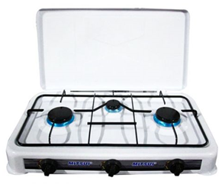
7 | Kerosene Jerrycan: 20 litre, HDPE, Fuel Storage Type with plastic cap contain rubber washer. | Ninevah | PC | 1 |  |  |  | 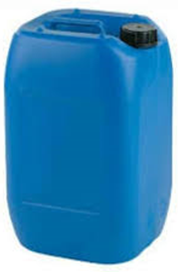
8 | Kerosene Heater: Double or triple layer tank system, glass burner, heat output 7,000 – 11,000 BTU/Hr, fuel consumption maximum 0.30 L/H, Weight net/gross weight: 7Kg to 12Kg, tank capacity 4-8 litre, Automatic safety shut-off, Fuel leakage prevention system, adjustable thermostat, heating space 16-18 m2, High quality model with a lifespan of at least two winters. Heater to be supplied with 1 funnel/Plastic hand pump for easy and safe fuel filling and three spare wicks (fiber glass type). All packed together with heater. | Ninevah | PC | 1 |  |  |  | 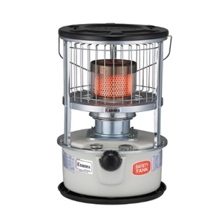
9 | Electrical Heater: Power 2400 Watts, 4 Quartz Heating Elements, Thermostat Control, 4 Heating elements ( 2 on top and two on front), independent switching for elements (2x2), safety tip over mechanism. Preferably Turkish brand Newal QHT-471 01. | Ninevah | PC | 1 |  |  |  | 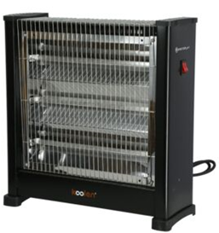
10 | Electrical Heater: Power Up to 1200 Watts, 3 Quartz Heating Elements, Thermostat Control, 3 Heating settings 400, 800 and 1200 Watts, with Handle, safety tip over mechanism. Preferably Turkish brand Newal QHT-135 03. | Ninevah | PC | 1 |  |  |  | 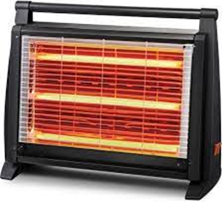
11 | Rechargeable LED lantern: Rechargeable LED lantern - Dimension 137x137x236 mm, AC 220-240V 50/ 60Hz, With plastic handle, Rechargeable with solar panel and power cord, USB output, LED 60x0.1W, Operating time of 12/15 hours. | Ninevah | PC | 1
12 | Electric fan: 16 inches, 12 V DC, 220V rechargeable, 15 W high speed ( 3 hrs operational time)- 9 W low speed (8hrs operational time) with Oscillation control knob. | Ninevah | PC | 1 |  |  |  | 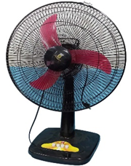
13 | Evaporative water air-cooler: portable: Max. Air-flow (5000 m3/hr.); cooling medium made of anti-microbial honeycomb pad shape; Voltage (220-240); Power (230) W; effective for area of (30-40) m2, low noise, electrical-shock protection, water tank capacity 55-L or larger, vertical and horizontal louver movement capability | Ninevah | PC | 1 |  |  |  | 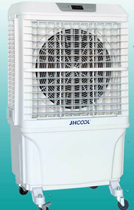
14 | Kitchen set: 6 bowls stainless steel + 6 cups (made of High Quality food grade plastic) + 6 plates + 1 cooking pot 5L (High quality ALuminum with a cover) + 1 frying pan 7L (Aluminum with Handle and cover)+ 6 forks (High quality stainless steel) + 6 knives (High quality stainless steel) + 6 spoons (High quality stainless steel) + 1 wooden stiring spoon + 1 steel serving spoon + 1 kitchen knife stainless steel 15cm + 1 scouring pad (High quality) . All those items needs to be packaged by the supplier, each item needs to be properly protected to avoid breakage, and the set needs to be put in a carton box. The set is about 7KG. | Ninevah | PC | 1 |  |  |  | 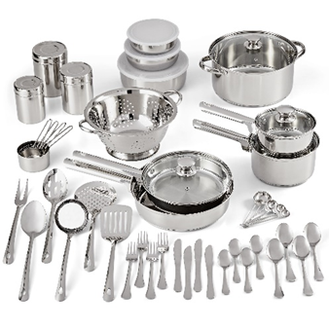
15 | Cool box: 30 L HDPE Cool box, hinged lid, Ice retention 1.5 + days, handle | Ninevah | PC | 1 |  |  |  | 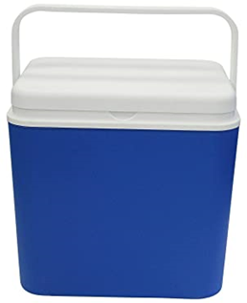
16 | Carpet: Material, Polyester 4m x 6m, fire, and flame resistant, preferably dark colour Weight= 800g/cqm- 1000 g/cqm. | Ninevah | PC | 1 |  |  |  | 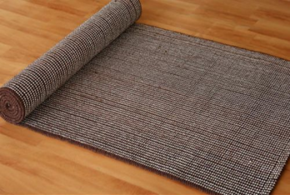
17 | Ground Mat Polypropylene or recycled reed-woven mat, 3m x 4m | Ninevah | PC | 1 |  |  |  | 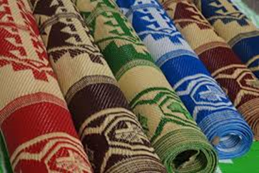
18 | Cardboard box (brown) for packaging smaller sized items with dimensions of 50 (L) 50 (b) 50 (h) cm Box. With DRC Logo printed on 2 sides (Note Photo is not proportional to requested dimension - but just a sample of Box type) | Ninevah | PC | 1 |  |  |  | 
Delivering and transportation
1 | Transportation and distribution :- Provide Machines and manpower to transport the goods to Mosul and deliver it to the Bneficiary :- - Transportation should be inclusive of all works of transferring the items from the point of packing to the selected beneficiary's house, including loading and off-loading, labor and truck. Transportation will be to individuals beneficiaries locations within Mosul city. - brocken materials must be replaced . | Mosul | PC | 1
2 | Transportation and distribution :- Provide Machines and manpower to transport the goods to Baaj twon center and deliver it to the Bneficiary :- - Transportation should be inclusive of all works of transferring the items from the point of packing to the selected beneficiary's house, including loading and off-loading, labor and truck. Transportation will be to individuals beneficiaries locations within Baaj town. - brocken materials must be replaced . | Baaj | PC | 1
3 | Transportation and distribution :- Provide Machines and manpower to transport the goods to Talafar District and deliver it to the Bneficiary :- - Transportation should be inclusive of all works of transferring the items from the point of packing to the selected beneficiary's house, including loading and off-loading, labor and truck. Transportation will be to individuals beneficiaries locations within Talafar city. - brocken materials must be replaced . | Talafar | PC | 1
4 | Transportation and distribution :- Provide Machines and manpower to transport the goods to Sinjar city and deliver it to the Bneficiary :- - Transportation should be inclusive of all works of transferring the items from the point of packing to the selected beneficiary's house, including loading and off-loading, labor and truck. Transportation will be to individuals beneficiaries locations within Sinjar city. - brocken materials must be replaced . | Sinjar | PC | 1
 | DRC to complete |  |  |  | Bidder to complete
 | Delivery time required (days after PO signature): |  | 21 days |  | Delivery time offered (days after PO signature):
 | Delivery Terms required (Add Incoterm if necessary): |  | DDP |  | Delivery Terms offered (must include incoterm):
 | Delivery Destination required: |  | Ninevah province / As per requested districts (Mosul / Ba'aj / Talafer / Sinjar) |  | Delivery Destination offered:
 | Minimum bid validity period required: |  | 60 Days |  | Bid validity period offered:
 | Additional comments to bidders: |  |  |  | Company Name:
 | 1- All the works and materials must be approved by the project manager Engineer. 2- The item description herein after means "Supply of all materials, manpower, transportation, equipment, tools, temporary works and all the other works required", as approved by the Engineer. 4 - Items to be distributed either in a distribution site or door to door (Based on DRC request). 5 - All items supplied are to be of known origin, high quality and with recognizable brand. 6 - This FWA is to cover the delivery of NFI and Wash items to Mosul, Telafar, Ba'aj, Sinjar and Hatra districts and related Subdistricts witin Ninewa Governorate. 7- the supplier is responsible for Loading and unloading of NFI and Wash Kits and items into and out of the trucks and distribution site he/she is through provision of sufficient labor. 8 - the supplier is directly responsible for obtaining all the necessary paper works, Access letters and Security access letters to ensure access of supplied items through checkpoints and delivery of items into the distribution site. 9 - The contractor must fully adhere to occupational safety procedures at distribution site and ensure that his/her work team or sub-contractors fully adhere to occupational safety procedures and follow COVID-19 prevention guidelines during distribution. 10 - Bidders are to submit Pictures of samples (the pictures are to clearly show the brand and origin of supplied items whenever possible). For items that doesn’t come with brand (ex: Foam mattress), the supplier should provide an authentic origin statement letter and an invoice stating the origin of the Mattress if requested by DRC Supply chain team. 11- The listed pictures are for illustrative purpose only. |  |  |  | Contact Person:
 |  |  |  |  | Address: |  |  | Phone number:
 |  |  |  |  | Email Address: |  |  | Date:
Yes
NO
 |  |  |  |  | Do you agree on and accept the additional comments to bidder?
 |  |  |  |  | Signed by a duly authorized company representative:
 |  |  |  |  | Title:
 |  |  |  |  | Print Name:
 |  |  |  |  | Stamp of company

