Wash -Technical-lot1-Mosul
 | TECHNICAL SPECIFICATIONS AND BILL OF QUANTITIES (LOT 2) WASH Kit |  |  | ITB: Reference Number: ITB-02TAF22 Supplying & distributing NFI & WASH KITS Purchase agreement for DRC northern area
DRC to complete |  |  |  |  | Bidder to complete
 | Item/Milestone Required | Delivery Location | Unit | Quantity required | Item/Milestone offered (name make and model with full specification) | Country of Origin | Brand | Pictures
 | Brief Description: Supply and distributing Wash kits (hygiene kits) in Mosul-Telafar-Ba'aj and Sinjar districts
1 | Plastic garbage bins of 60 liters capacity, with lid and two wheels, injection-moulded HDPE plastic, resistant to decay, frost, heat, and chemicals. The bin must compliant with EN840 and AS4123 quality standards. The bin must holds DRC logo paint/printed colorfully on the front side using permeant ink/paint in clearly visible manner | Ninevah | PC | 1 |  |  |  | 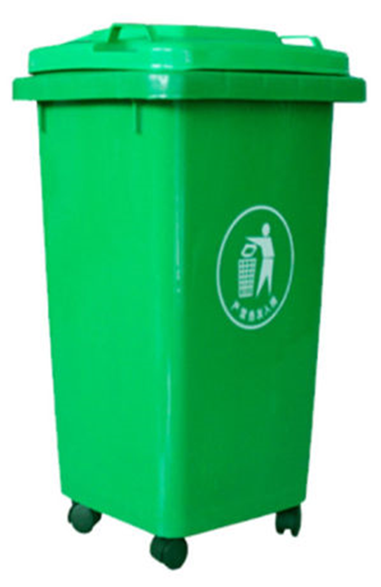
2 | Plastic Garbage bins of 80 liters capacity, with lid and two wheels, injection-moulded HDPE plastic, resistant to decay, frost, heat, and chemicals. The bin must compliant with EN840 and AS4123 quality standards. The bin must holds DRC logo paint/printed colorfully on the front side using permeant ink/paint in clearly visible manner | Ninevah | PC | 1
3 | Plastic Garbage bins of 120 liters capacity, with lid and two wheels. Injection-moulded HDPE plastic, resistant to decay, frost, heat, and chemicals. The bin must compliant with EN840 and AS4123 quality standards. The bin must holds DRC logo paint/printed colorfully on the front side using permeant ink/paint in clearly visible manner | Ninevah | PC | 1
4 | Mop (floor-wiper) 35-42 cm width. The mop handle (120 -130) cm length made of hollow steel/aluminum pipe covered by plastic layer, or made of beech wood. The mop is of high-quality and durable for house cleaning usage. | Ninevah | PC | 1 |  |  |  | 
5 | Sweep floorbroom for domestic use with universal handel (120-130) cm length made of hollow steel/aluminum pipe covered by plastic layer, or made of beech wood. Efficient cleaning along walls and corners, durable and high-quality type | Ninevah | PC | 1 |  |  |  | 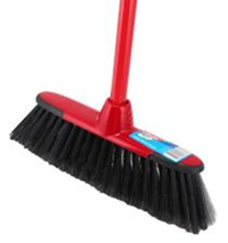
6 | Disinfection liquid (similar to Dettol) of 500 ml, suitable for multipurpose usage (surface/floor cleaning , laundary, …etc.) | Ninevah | PC | 1 |  |  |  | 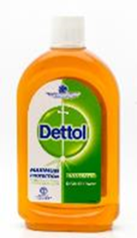
7 | Toilet cleaning brush of high quality | Ninevah | PC | 1 |  |  |  | 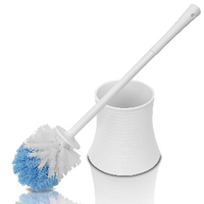
8 | Large plastic garbage bags 60-L (or, 82 cm x 29 cm x 16.5 cm) of high quality, durable, leakage proof and tear resistant, for regular domistic trash collection, at least 16 bags per each roll/pack | Ninevah | PC | 1 |  |  |  | 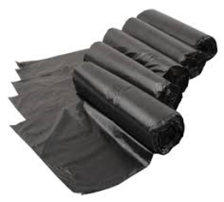
9 | Shampoo for normal hair, mostly made from natural ingredients, preferably parabems free, 500 ml, good quality | Ninevah | PC | 1
10 | Detergent powder (1 Kg) for washing cloths by hands and machiene in suitable well-closed pack | Ninevah | PC | 1 |  |  |  | 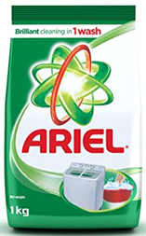
11 | Tooth paste (100 ml) and 3 brushes for adults of good quality packed porperly. | Ninevah | PC | 1 |  |  |  | 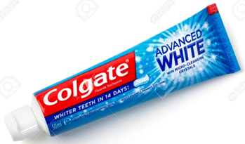
12 | Nail cutter for adults ( stainless steel ), high quality | Ninevah | PC | 1 |  |  |  | 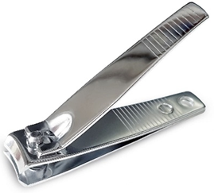
13 | Baby disposable diapers (0-3) years old, anti-leaking, high absorption, dry comfortable, compacted in a package | Ninevah | PC | 1 |  |  |  | 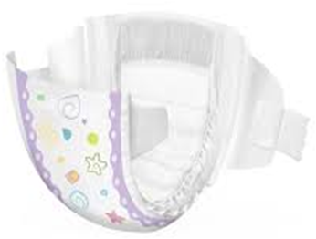
14 | Disposable razor for body shaving, equipped with additional 3 blades stainless steel | Ninevah | PC | 1 |  |  |  | 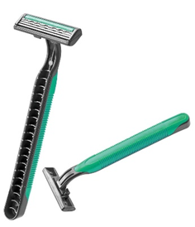
15 | Hand soap, wrapped bar. Non-perfumed, for normal skin. Hypoallergenic, 250g. Long durability. Pack of 6 | Ninevah | PC | 1 |  |  |  | 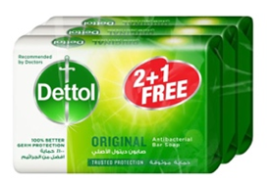
16 | Women napkin package ( Sanitary pads, female, with wings, disposable, wrapped individually in plastic packaging) | Ninevah | PC | 1 |  |  |  | 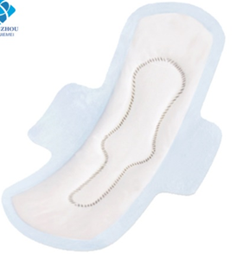
17 | Towels, cotton, medium size (130 x 70) cm, 250-g, high absorbency rate, no shrinkage and low color fade after repeated washing. | Ninevah | PC | 1 |  |  |  | 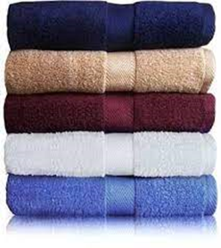
18 | Hair brush comb of high quality | Ninevah | PC | 1 |  |  |  | 
19 | Socks of good quality, wool blend thick heavy-weight fabric with ribbed construction for comfort & durability with soft grip top. | Ninevah | PC | 1 |  |  |  | 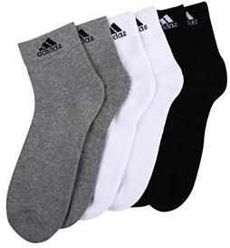
20 | Mirror around 40 X 50 cm, with shelf incorporated for soap/personal hygiene material. | Ninevah | PC | 1 |  |  |  | 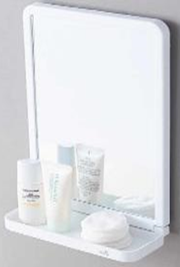
21 | Plastic holder for cleaning material (50/60 cm height) with 3 comparments. | Ninevah | PC | 1 |  |  |  | 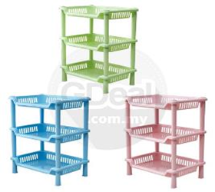
22 | Plastic toilet jug, standard dimension (approx. 2L) | Ninevah | PC | 1 |  |  |  | 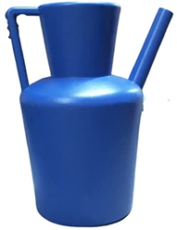
23 | Plastic water jerrycan 10L made of food grade PVC coated polyester fabric, polyethylene, or equivalent material | Ninevah | PC | 1 |  |  |  | 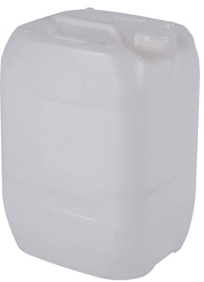
24 | Plastic water jerrycan 15L made of food grade PVC coated polyester fabric, polyethylene, or equivalent material | Ninevah | PC | 1
25 | Plastic water jerrycan 20L made of food grade PVC coated polyester fabric, polyethylene, or equivalent material | Ninevah | PC | 1
26 | 20 liter HDPE bucket (high Density Poly Ethylene), UV resistant and safe for food and water storage. Tight fitting lid | Ninevah | PC | 1 |  |  |  | 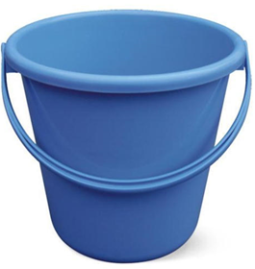
27 | High quality Reusable rubber gloves designed for cleaning | Ninevah | PC | 1 |  |  |  | 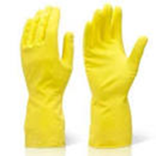
28 | Disinfectant soap of Bleach 3-6% (antibacterial soap) | Ninevah | PC | 1 |  |  |  | 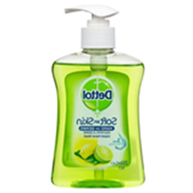
29 | Dust mask (pack of 100) : Bildos 3Ply Non-Woven Fabric Disposable Surgical Dust Mask With Nose Clip (Blue, Without Valve ) 3 LAYER MASK – Three layer mask with each layer of 25GSM non woven fabric SOFT ELASTIC EAR LOOP – 8 inch Comfortable Elastic Loop to Mount on Ear. | Ninevah | PC | 1 |  |  |  | 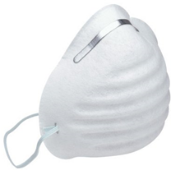
30 | Cardboard box (brown) for packaging smaller sized items with dimensions of 50 (L) 50 (b) 50 (h) cm Box. With DRC Logo printed on 2 sides (Note Photo is not proportional to requested dimension - but just a sample of Box type) | Ninevah | PC | 1 |  |  |  | 
31 | hand sanitizer: mini pocket alcohol based antiseptic Hand sanitizer Gel (100 ml). Ingredients: Ethanol 70% v/v, Water, Glycerin, Carbomer, Triethanolamine, Acrylates / c10-30 alkyl acrylate crosspolymer, Fragrance. | Ninevah | PC | 1 |  |  |  | 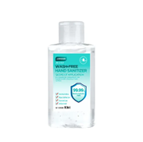
32 | hand sanitizer: mini pocket alcohol based antiseptic Hand sanitizer Gel (500 ml). Ingredients: Ethanol 70% v/v, Water, Glycerin, Carbomer, Triethanolamine, Acrylates / c10-30 alkyl acrylate crosspolymer, Fragrance. | Ninevah | PC | 1 |  |  |  | 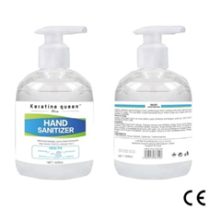
Delivering and Transportation
1 | Transportation and distribution :- Provide Machines and manpower to transport the goods to Mosul and deliver it to the Bneficiary :- - Transportation should be inclusive of all works of transferring the items from the point of packing to the selected beneficiary's house, including loading and off-loading, labor and truck. Transportation will be to individuals beneficiaries locations within Mosul city. - brocken materials must be replaced . | Mosul | PC | 1
2 | Transportation and distribution :- Provide Machines and manpower to transport the goods to Baaj twon center and deliver it to the Bneficiary :- - Transportation should be inclusive of all works of transferring the items from the point of packing to the selected beneficiary's house, including loading and off-loading, labor and truck. Transportation will be to individuals beneficiaries locations within Baaj town. - brocken materials must be replaced . | Baaj | PC | 1
3 | Transportation and distribution :- Provide Machines and manpower to transport the goods to Talafar District and deliver it to the Bneficiary :- - Transportation should be inclusive of all works of transferring the items from the point of packing to the selected beneficiary's house, including loading and off-loading, labor and truck. Transportation will be to individuals beneficiaries locations within Talafar city. - brocken materials must be replaced . | Talafar | PC | 1
4 | Transportation and distribution :- Provide Machines and manpower to transport the goods to Sinjar city and deliver it to the Bneficiary :- - Transportation should be inclusive of all works of transferring the items from the point of packing to the selected beneficiary's house, including loading and off-loading, labor and truck. Transportation will be to individuals beneficiaries locations within Sinjar city. - brocken materials must be replaced . | Sinjar | PC | 1
 | DRC to complete |  |  |  | Bidder to complete
 | Delivery time required (days after PO signature): |  | 21 days |  | Delivery time offered (days after PO signature):
 | Delivery Terms required (Add Incoterm if necessary): |  | DDP |  | Delivery Terms offered (must include incoterm):
 | Delivery Destination required: |  | Ninevah province / As per requested districts (Mosul / Ba'aj / Talafer / Sinjar) |  | Delivery Destination offered:
 | Minimum bid validity period required: |  | 60 Days |  | Bid validity period offered:
 | Additional comments to bidders: |  |  |  | Company Name:
 | 1- All the works and materials must be approved by the project manager Engineer. 2- The item description herein after means "Supply of all materials, manpower, transportation, equipment, tools, temporary works and all the other works required", as approved by the Engineer. 3 - Please, read all the documents carefully, then price it. 4 - Items to be distributed either in a distribution site or door to door (Based on DRC request). 5 - All items supplied are to be of known origin, high quality and with recognizable brand. 6 - This FWA is to cover the delivery of NFI and Wash items to Mosul, Telafar, Ba'aj, Sinjar and Hatra districts and related Subdistricts witin Ninewa Governorate. 7- the supplier is responsible for Loading and unloading of NFI and Wash Kits and items into and out of the trucks and distribution site he/she is through provision of sufficient labor. 8 - the supplier is directly responsible for obtaining all the necessary paper works, Access letters and Security access letters to ensure access of supplied items through checkpoints and delivery of items into the distribution site. 9 - The contractor must fully adhere to occupational safety procedures at distribution site and ensure that his/her work team or sub-contractors fully adhere to occupational safety procedures and follow COVID-19 prevention guidelines during distribution. 10 - Bidders are to submit Pictures of samples (the pictures are to clearly show the brand and origin of supplied items whenever possible). For items that doesn’t come with brand (ex: Foam mattress), the supplier should provide an authentic origin statement letter and an invoice stating the origin of the Mattress if requested by DRC Supply chain team. 11- The listed pictures are for illustrative purpose only. |  |  |  | Contact Person:
 |  |  |  |  | Address: |  |  | Phone number:
 |  |  |  |  | Email Address: |  |  | Date:
Yes
NO
 |  |  |  |  | Do you agree on and accept the additional comments to bidder?
 |  |  |  |  | Signed by a duly authorized company representative:
 |  |  |  |  | Title:
 |  |  |  |  | Print Name:
 |  |  |  |  | Stamp of company

