LOT 1 -Welding Machine A
ANNEX 1. Technical Specifications
LOT 1 : Welding Machine A
ITEM NO. | ITEM NAME | ITEM DESCRIPTIONS | QUANTITY | UNIT | REFERENCE PICTRUES
1 | Welding booths steel (Desk & chair) environment friendly | • Iron Plate • Removable Louvers for Easy Maintenance & Cleaning • Welding Curtains to prevent radiations/ resistant flame • 12 gauge formed steel • ALL STEEL CONSTRUCTION, No non-metal materials used in booth • Booth Dimensions: Min. 210 cm*190 cm*220 cm (Length*Width*Height) | 20 | pcs | 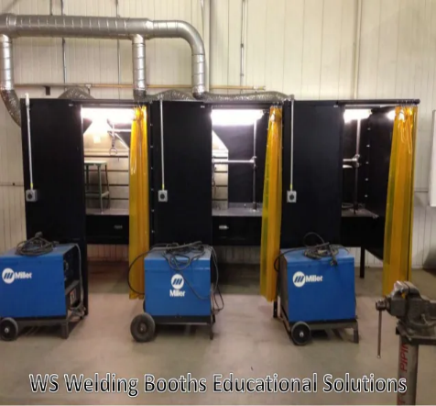
2 | Virtual reality arc welding machine) | • Product: Welding Simulator • Vision Technology: Virtual Reality • Display Helmet: High Resolution VR 360Degree (3D View) • Multi-Level practices: Basic, Primary,Intermediate,Advanced & Professional • SMAW Electrode: 100% Virtual electrode with adjustable rod clamping option at 90 ,120 and 180 Degree • Material selection: Low carbon steel, Stainless Steel and Aluminium • Phase Single Phase 230V,50Hz • Cooling System Yes • Course Level: Basic,Primary,Intermediate,Advanced,Professional Training service: advanced training for the installation to the trainer for 3 – days | 1 | pcs | 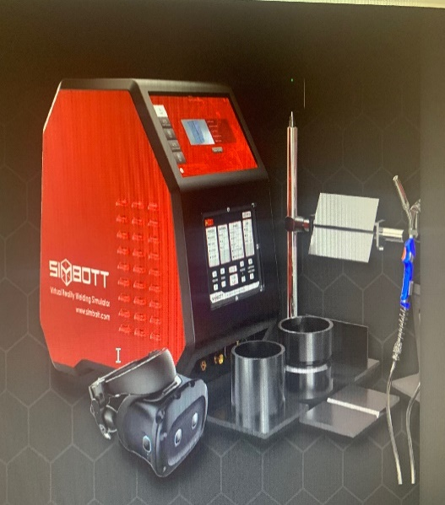
3 | automatic submerged arc welding machine | • submerged arc welding / Frequency Range: 50/60Hz • Frequency Electric Current: Inverter • machine can weld: steel, stainless steel and iron • Phase: exactly Three Phase needed • Min. Output Current range: 100 – 1000 A • Input Voltage: 415 V ±15% • Frequency: 60 Hz • Feeding Speed Range: min. 250 cm/min • Welding Thickness: approx. 20 mm • Rated Input Capacity: 66 kVA | 1 | pcs | 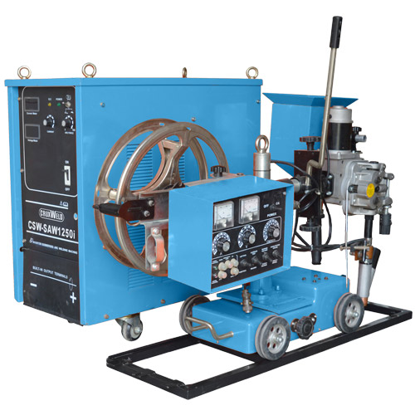
4 | Air Compressor | • (Exact) 200 Litre Air Compressor, • Dimensions:Approx. 1460 mm x 460 mm x 1140 mm (L x W x H) 14CFM/145psi, Electric 3hp • Connection Method / Cable Length (m) Hard Wired 13A 3 Pin UK Plug • Cut-In Pressure (PSI/Bar): approx. 116psi / 8bar • Cut-Out Pressure (PSI/Bar): approx. 145psi / 10bar • Drive Type: Poly V Belt Drive • Frequency: min. 50 Hz • Maximum Pressure (PSI/Bar) 145psi / 10bar • Motor Power: min. 3hp / 2.2kW • Must be equipped with 4 wheels | 1 | pcs | 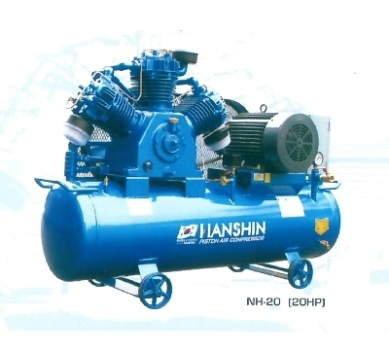

B. Dlivery
1- All Items should Be delivered to MoLSA - Ministry of Labour and Social Affairs, Basrah Branch, Hayaniah District, Behind the Physical health Education College, and The supplier is responsible for the unloading at the final place of destination. The supplier shall provide all necessary tools for unloading. Delivery costs and unloading is included in the prices offered. 2-The training for usage of item 2 is to be conducted by at least one person with sufficient training and experience and will take place on the side at the Ministry of Labour and Social Affairs, Basrah Branch (address above). 3- The costs for this training have is included in the price of the items. 4- All items in this annex need installation, and the costs are included.
C. Remarks And Condition

1- | All standard accessories for all offered items should be provided.
2- | A Technician must be delegated from supplier to Install, and recheck after maintenace time.

LOT 2 -Welding Machine B
ANNEX 1. Technical Specifications
LOT 2 : Welding Machine B
ITEM NO. | ITEM NAME | ITEM DESCRIPTIONS | QUANTITY | UNIT | REFERENCE PICTRUES
1 | Electric arc welding machine AC (with accessories) | • Input voltage: approx. 250 V • welding amperage range: min. 30 - 235 A • Advanced thermal overload protection for transformer • Different voltage settings for better heat control: Low: 30 -150 V High: 40 – 235 V • Accessories Must include: electrode holder, earth clamp, helmet, welding brush, hammer and color box | 10 | pcs | 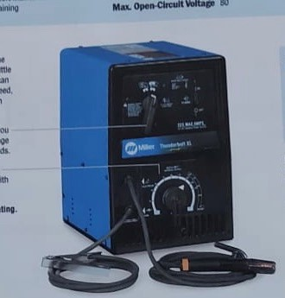
2 | Electric arc welding machine AC (with accessories) | • Input Power/ Output Energy: 253/403: 3 Phase, 230/380- 400 VAC 50 Hz 343/443: 3 Phase, 230/380- 400/520 VAC 50 Hz • should include feature: welding parameter display; EZ-Set, amperage control; Electrode diameter guide; Lifting eyelets, wheels | 10 | pcs | 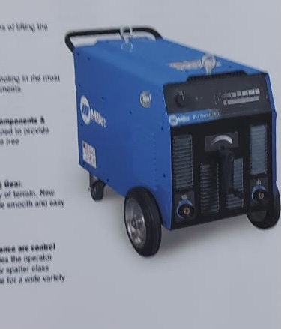
3 | MIG Wielding machine | • Input Power Source: 500 Volt • Installed Capacity = 12.5 KVA, • Min. Voltage Range: 16 – 47 V • Rated Output: 450 A at 36.5 VDC, • Min. 50% duty cycle • Amps Input at Rated Output: 50 Hz, 230/400 V: 56/32 A • Max. Open-Circuit Voltage: 47 VDC | 2 | pcs | 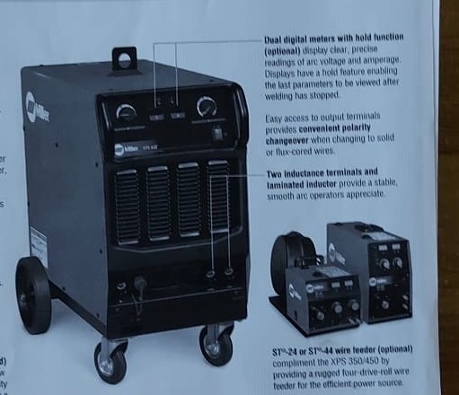
4 | TIG Wielding machine | • Min. Installed Power = 14.4KVA / Aluminium Welding/ • Adjustable Input Voltage: 110/115/120V/ 208V/200/230/240V/380/400V/460/480V • Input Phase: 1-Phase • Phase Input Hz50/60 Hz • Amperage Max: 210 A • Max Open Circuit • Voltage: 47 VDC | 2 | pcs | 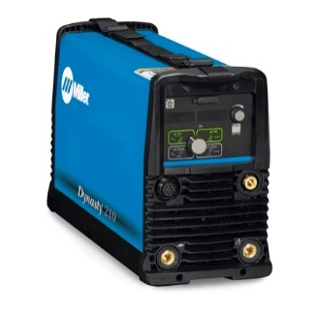

C. Remarks And Condition
1- All Items should Be delivered to MoLSA - Ministry of Labour and Social Affairs, Basrah Branch, Hayaniah District, Behind the Physical health Education College, and The supplier is responsible for the unloading at the final place of destination. The supplier shall provide all necessary tools for unloading. Delivery costs and unloading is included in the prices offered. 2- The costs for this training have is included in the price of the items. 3- All items in this annex need installation, and the costs are included in the estimation price.
C. Remarks And Condition

1- | All standard accessories for all offered items should be provided.
2- | A Technician must be delegated from supplier to Install, and recheck after maintenace time.

LOT 3 - Handtools Materials A
ANNEX 1. Technical Specifications
LOT 3 : Handtools Materials A
ITEM NO. | ITEM NAME | ITEM DESCRIPTIONS | QUANTITY | UNIT | REFERENCE PICTRUES
1 | Oxy-acetylene gas cutting device | • Cutting Speed: Must be in the range of 150 - 800 mm/min • Max. Cutting Thickness: Must be in the range of 5-30 mm • Power Supply: 230v/110v / 50-60 Hz | 10 | pcs | 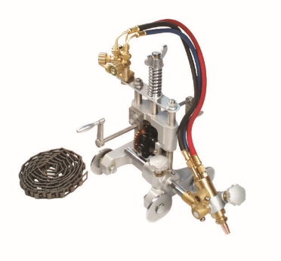
2 | Oxy-acetylene gas cutting equipment | • Oxygen regulator • Acetylene Regulator • Min. Welding Nozzles (#0, #2, #4) • Cutting Attachment • Torch Handle • Cutting Nozzle • Twin Hose: 15 Ft * ¼ in (4.5 m * 0.4 m) C/W Fittings • Tip Cleaners • Goggles (one size fits all) • Spark Lighter | 10 | Set
3 | Plasma cutting machine (cutting via air) | • Spectrum 875 Plasma Cutter with XT60 Torch with min. 20-ft. Cable Compact, 230/208V 1 PH • 80DC inverter • Rated Output at 104 Degrees Fahrenheit: 208 V: 60 A at 140 VDC, 40% duty cycle; 230 VDC: 60 A at 140 VDC, 50% duty cycle • Material Thickness (min.): - Mild Steel 7/8 in (22.2 mm) - Aluminum 5/8 in. (15.9 mm) - Stainless Steel 7/8 in (22.2 mm) • Travel Speed – IPM: 15 IPM | 2 | pcs | 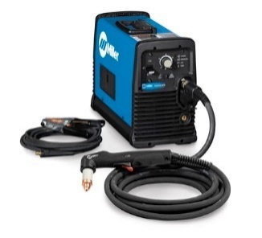
4 | Portable arc welder 100A | • 160 A MMA/Arc And Stick Welder • Included Components • 1 x GYSMI 160P; Plug adaptor; Earth cable; Electrode holder • Rated Input Voltage(V): AC110/220V, 50/60Hz • Welding Current Range(A): 20-100A (110V), 20-160A (220V) • Rated Voltage: 100A/24V, 160A/26.4V • No-load Voltage (V): 70 • Min. Rated Duty Cycle (%): 60 • Min. Efficiency (%): 85 • Protection Class: IP21S | 1 | pcs | 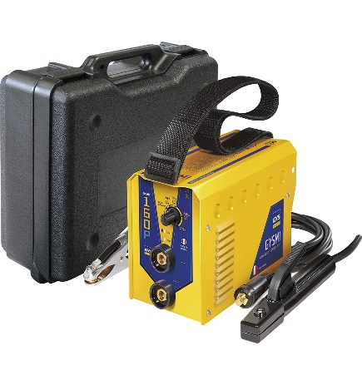
5 | Pipe gas cutting | • Material: Aluminium Alloy • Cutting tube diameter: Min. 100-600 mm • Tube thickness: min. > 5-50 mm • Cutting moving precision: min. 1 mm / 1000 mm • Bevel angle: min. 0 ~ 45° | 2 | pcs | 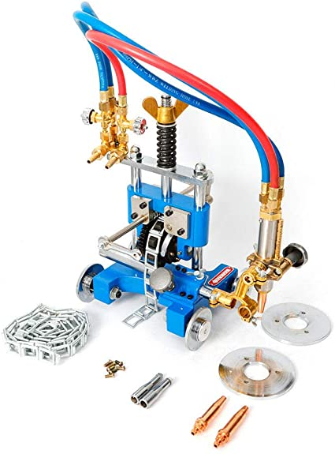
6 | Tungsten arc sharpener tool | • Material: Aluminium • TIG Welding Tool with Cut-Off Slot Multi-Angle & Offsets • Wheel dimension min. 5 * 25 mm • Double Diamond Wheels | 2 | pcs | 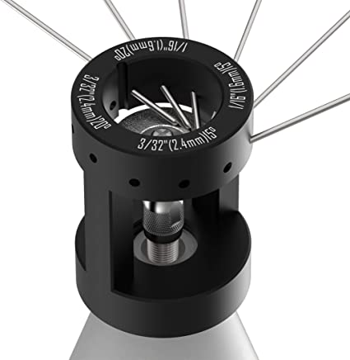
7 | Flat orbital pipe cutting machine (pipe cutting & bevelin) | • Portable Pipe Saw PS 4.5 Plus • Scope of application PS 4.5 Plus • Tube OD min. 6,00 - 120,00 mm (0.236 - 4.724 in) • Tube-ID min. 2,00 - 118,00 mm (0.0787 - 4.646 in) • Wall thickness (depending on material) min. 0,60 - 3,00 mm (0.024 - 0.118 in) | 1 | pcs | 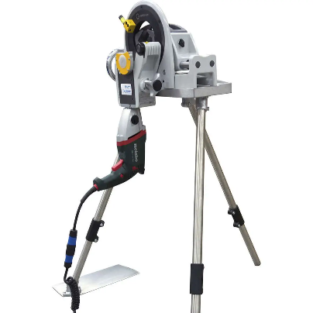
8 | Pipe & steel plate shelf 5 m*1 m*2 m | • Type: Three layers Shelf • Standard Size: approx. L 5 m * W 1 m * H 2 m | 6 | pcs | 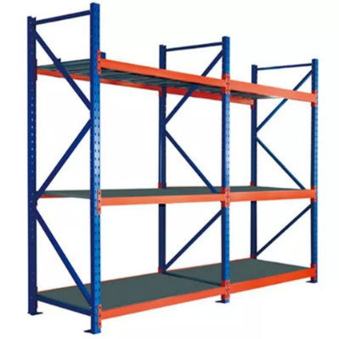
9 | Pipes (steel pipe 4 in, 6 in) | • Outside Diameter: 6 in (15.24 cm) • Outside Diameter: 4 in (10.16 cm) • Material: Carbon Steel | 1 | Set | 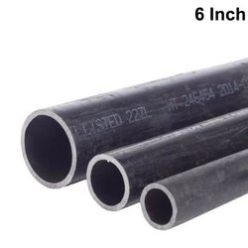
10 | Wielding Table | • Material: Iron • Standard Size: approx.1 * 2 meter | 3 | pcs | 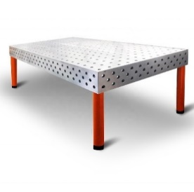
11 | Wire welding oven | • Material: Inner Tube Galvanized Sheet • Maximum Capacity: 10 KG • Portable Electrode Oven Voltage: 100-240 Volts - Single phase • Temperature: at least from 100°F - 300°F Adjustable • Heating element: min. 70 watts • Thermostat: Adjustable with indicator light • Insulation: Fiberglass batt approx. 1.50 in (40 mm) • Approx. Chamber depth: 20 in (510 mm) • Approx. Chamber diameter: 4 in (100 mm) | 2 | pcs | 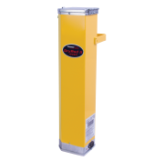
12 | Reference books on wielding /Arabic language | • Reference books on wielding in Arabic language • Book type 1: 2 Oxy acetylene welding and cutting books OAW/OAC • Book type 2: 3 welding technique books | 5 | pcs
13 | Different catalogues on welding pipelines | • content: General information regarding welding pipelines in Arabic | 2 | pcs
14 | Various educational CDs | • CDs in addition and corresponding to Welding Reference books mentioned above | 5 | pcs
15 | Table Bench Vise | • Material: steel • Vise Body: Aluminium • Screws & Handle: Steel • Jaw Width: min. 35 mm (1.4 in) • Maximum Jaw Opening: min. 25 mm (0.98 in) • Mounting Clamp Maximum Depth: 35 mm (1.38 in) • Vise Dimensions: 85 mm * 95 mm (approx.) | 20 | Pcs | 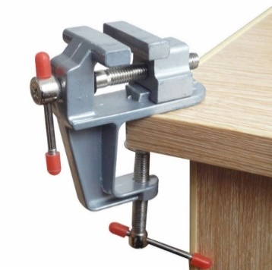
16 | Bench Grinder | • Material Cast: Iron • Item Dimensions (length * width * height) approx. 45 cm * 30 cm * 30 cm (17.75 in * 12.63 in * 10.75 in) | 2 | Pcs | 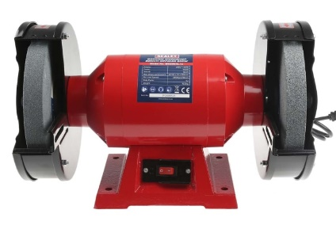
17 | Argon cylinder | • Min. Cylinder Capacity: 7 cubic meters • Body Material: Cast Iron • Cylinder should be delivered full of argon gas | 2 | Pcs | 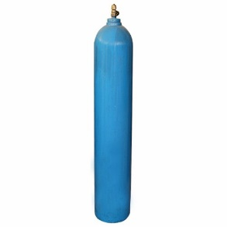
18 | Argon Regulator | • Material: Copper ABS • VICTOR Flowmeter Regulator for Argon, Argon/CO2 and Helium. For TIG and MIG Welders, • Hose: min. 10 ft | 20 | Pcs | 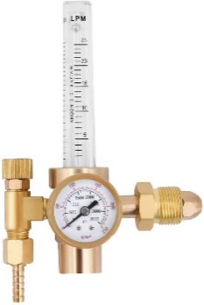
19 | CO2 gas canister | • Min. Holds 6 kg of CO2 • Dimensions: approx. 70 cm high * 15 cm diameter • With safety lock • handle grip for easy of transport and protection of valve •Filled canister | 2 | Pcs | 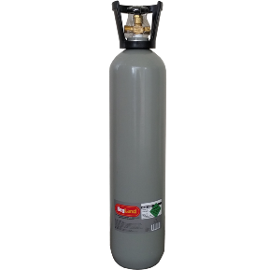
20 | CO2 gas canister regulator | • Material: Zinc Alloy Valve Body + Brass Fittings Inner • dimensions approx.: 145 cm * 140 cm *160 mm (5.71 in * 5.51 in *6.3 in) | 20 | PCs | 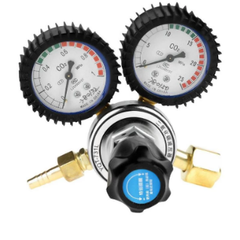
21 | Fixed vertical auger | • Max load of table: 300 kg • Min. Vertical spindle nose to table surface: 180-580 mm • Min. Horizontal spindle axis to table surface: 0 -350 mm • Min. Horizontal spindle axis to arm bottom: 175 mm • Rapid Traverse vertical: min. 422 mm/min • Main Motor: min. 2.2kW | 2 | Pcs | 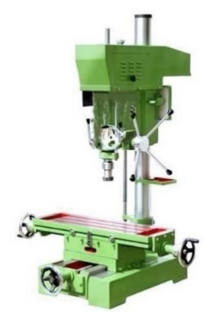
22 | Hydraulic Metal Transfer Trolley | • Range Load Capacity:Approx. 1 -30 Ton • Material: Steel • Wheel Diameter (mm): approx. 350 • Power Mode: Battery, Cable • Conductive Rails | 1 | Pcs | 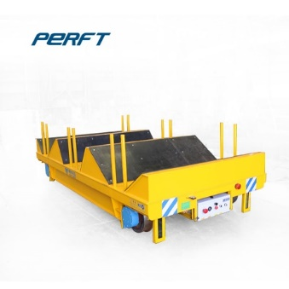
23 | Plate bender | • Thickness for mild steel Approx. 1.5 mm • Bending Length: Approx. 1300 mm • Min. Bending Space: Approx. 200 * 200 mm • Dimensions Approx. Length 1800 mm * width 750 mm * height 1400 mm | 1 | pcs | 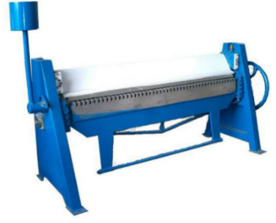
24 | Safe operation of equipment for pipe wielding / Arabic | • Brochures informing about Safety Measures to be taken against major hazards associated with welding • Language: Arabic | 20 | PCS

C. Remarks And Condition
1- All Items should Be delivered to MoLSA - Ministry of Labour and Social Affairs, Basrah Branch, Hayaniah District, Behind the Physical health Education College, and The supplier is responsible for the unloading at the final place of destination. The supplier shall provide all necessary tools for unloading. Delivery costs and unloading is included in the prices offered. 2- The costs for this training have is included in the price of the items. 3- All items in this annex need installation, and the costs are included in the estimation price.
C. Remarks And Condition

1- | All standard accessories for all offered items should be provided.
2- | A Technician must be delegated from supplier to Install, and recheck after maintenace time.

LOT 4 - Handtools Materials B
ANNEX 1. Technical Specifications
LOT 4 : Handtools Materials B
ITEM NO. | ITEM NAME | ITEM DESCRIPTIONS | QUANTITY | UNIT | REFERENCE PICTRUES
1 | Auto welding helmet | Auto-Darkening, Window Size: approx. 3.9 in (100 mm) Width * 1.7 in (45 mm) Height (S.o.) Viewing area of atleast 95mm x 85mm, shade range of atleast 5-13 and switching time of at least 1/25,000 seconds | 20 | pcs | 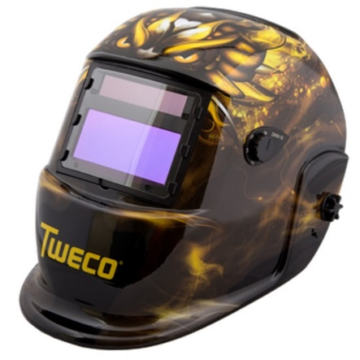
2 | Electrode arc welding (c-st, st-al) | • Arc Welding Welder Electrode Rod Mild Steel 2.5 mm Type 6013 WG/7401 | 50 | sets | 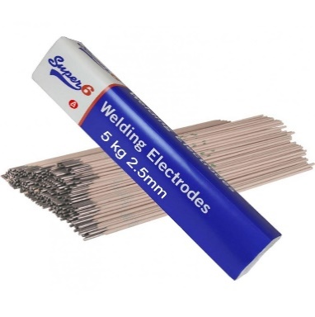
3 | Disc Cutter | • Power: Approx. 2400 W (20A) • Voltage: 110 Volts • Vibration: Min. 3.7m/ s2 | 2 | Pcs | 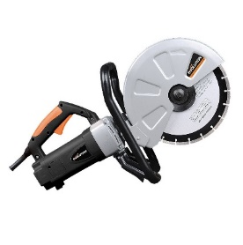
4 | Welding wire spool | • Wire diameter of 0.6 mm – 3 rolls • wire diameter of 0.8 mm – 3 rolls • wire diameter of 1 mm – 4 rolls • Weight: 5 kg per roll | 10 | Roll | 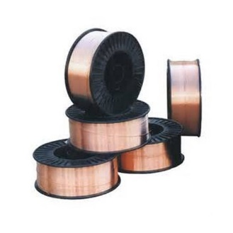
5 | Argon aluminum welding wire | • wire diameter 0.8 mm • Weight per roll.: Approx. 0.5 kg | 5 | KG | 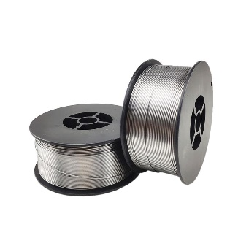
6 | Argon copper welding wire | • wire diameter 0.8 mm • Weight per roll.: Approx 0.5 kg | 5 | KG | 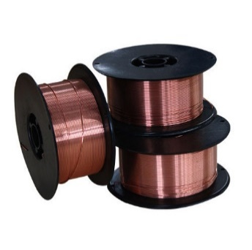
7 | Stainless steel argon welding wire | • Diameter: 1.6 mm • Approx. length: 100 cm / piece | 5 | KG | 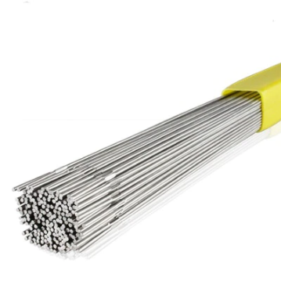
8 | Argon carbon welding wire | • Diameter: 2.4 mm • Approx. length: 100cm/piece | 5 | KG | 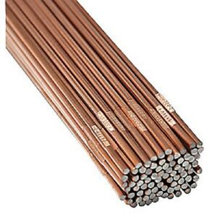
9 | Welding wire 6013 | • Material: Mild Steel • Thickness: Exact. 2.5 mm • Weight of one set: Approx. 1,75 kg | 15 | Set | 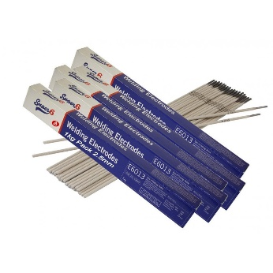
10 | Welding wire 6010 | • Material: Mild Steel • Thickness: Exact. 0.13 in (0.3 cm) • weight per set: approx. 4,5 kg | 15 | set
11 | Welding wire 7018 | • Material: Carbon Steel • Thickness:Exact. 3.2 mm • Weight per Set:Approx. 12,6 kg | 15 | Set | 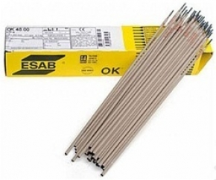
12 | Angle grinder/ Small size 100 | • Type: Angle Grinder • Diameter: approx. 100 mm (7 in) • Power Source: Corded •Maximum Rotational Speed: 11000 RPM | 20 | Pcs | 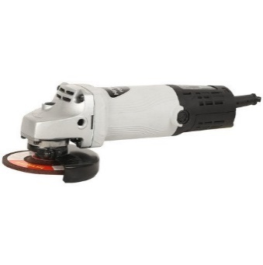
13 | Angle grinder / large size 180 mm disc diameter | • Type: Angle Grinder • Power Source: Electricity cable • Disc (Wheel) Type: Grinding Disc • (Possible) Disc Diameter: approx.180 mm • Material: Plastic and Metal | 20 | Pcs | 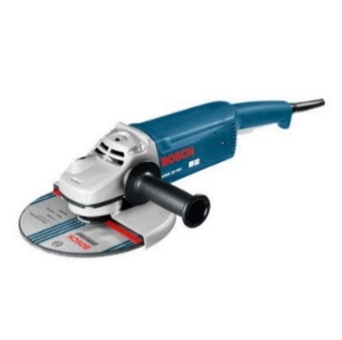
14 | angle grinder stones | • Diameter: approx.100 mm (7 in) • Thickness: approx. 3.2 mm • Bore: approx. 22 mm • Imperial:approx.: 7 in * 1/8 in * 7/8 in (approx. 17,8 cm * 0,3 cm * 2,2 cm) • Stone Cutting • Max Speed: 8500 rpm (80 m/s) | 30 | Pcs | 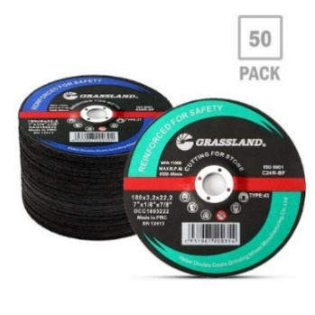
15 | angle grinder stones | • Approx. Diameter: 180 mm (7 in) • Thickness: approx. 3.2 mm • Bore: approx. 22 mm • Imperial:approx. 7 in x* 1/8 inch * 7/8 inch (17.8 cm * 0.3 cm * 2.2 cm) • Stone Cutting • Max Speed: 8500 rpm (80m/s) | 30 | Pcs | 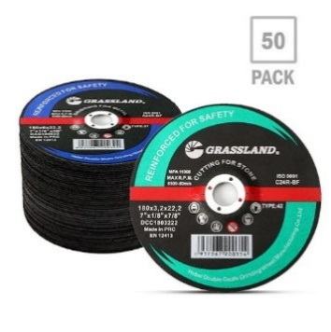
16 | Manual welding guards | • material: Polycarbonate • Cartridge Size: Min. 30 cm H × 20 cm L × 20 cm (shield width) • Sensitivity: approx. 0.1-0.5 s | 30 | Pcs
17 | electric cutter for plates | • special type: Electric cutting scissors • Usage: Iron sheet cutting colour steel tile galvanized steel sheet cutting • Power: min. 500W • Voltage: 220 V, 50 hz • Cutting thickness: Approx. 2.5 mm | 2 | Pcs | 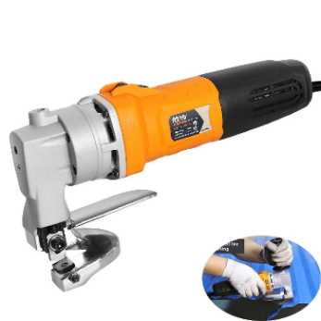
18 | metal welding tongs | • material: carbon steel • Product Size (approx.):Length: 6 in (152 mm), • Maximum Opening: approx. 7 in (175 mm), • Throat Depth:approx. 1.5 in (40 mm), • Thread Diameter: approx. 0.2 in (5.5 mm) | 25 | Pcs | 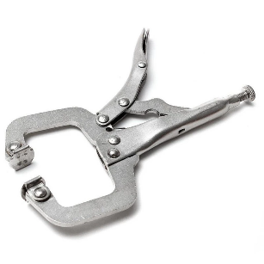
19 | Tool box | • Plastic Toolbox approx. 55 cm (23 in) with Tray • Impact-resistant heavy duty construction • Lift out tray fitted • Padlock feature for extra security | 20 | Pcs | 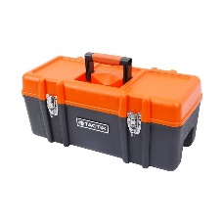
20 | screwdriver set | • Set of at least 8 • Sizes: #1, #2 and #3 , 3/16 in, 7/32 in, ¼ in, 5/16 in, 3/8 in Flat Tip Blade | 20 | sets | 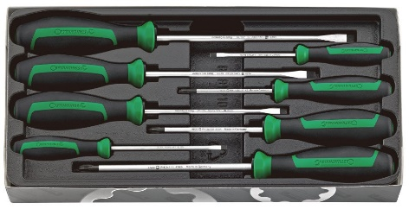
21 | Wrench set | • Set must contain minimum: 16 pieces, Sizes: 8, 9, 10, 11, 12, 13, 14, 15, 16, 17, 18, 19, 21, 22, 24, and 25mm • Finish: Chrome • Material: Alloy Steel | 20 | sets
22 | Pliers | • Material: Steel • Plier set for general work • Must feature: • 20 cm long approximately • PVC coated handles • Sets of three • set contain at least: ONE (1) x long nose plier, ONE (1) x combination plier, ONE (1) x side cutting plier | 20 | sets | 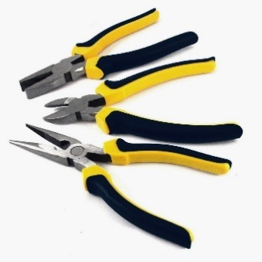
23 | Cutter pliers | • Material: Plastic and Sturdy Steel • Size:approx. 8 in ( 20 cm) | 20 | pcs | 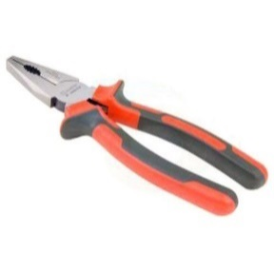
24 | drill bits sets | • Drill bits for metal set ( at least 14 Pcs.) • Min. Fractional Sizes (approx.): 1/16 in (1.5 mm), 5/64 in (2 mm), 3/32 in (2.4 mm), 7/64 in (2.8 mm),2* 1/8 in (3.2 mm), 9/64 in (3.5 mm), 5/32 in (4 mm), 3/16 (4.8 mm), 7/32 in (5.5 mm), 1/4 in (6.4 mm), 5/16 in (8 mm), 3/8 in (9.5 mm), 1/2 in (12.7 mm) | 20 | sets | 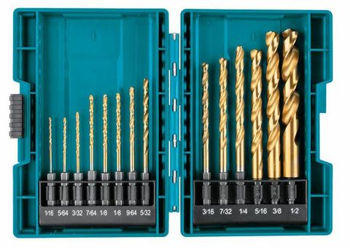
25 | Iron Saw | • Material: Steel • Blade Length: Approximately 30 cm | 20 | pcs | 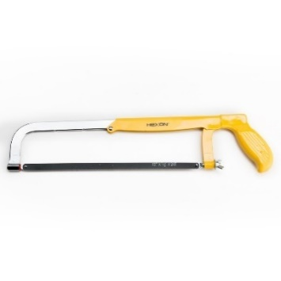
26 | Tig saw metal | • Approx.12 in (30.5 cm) Fixed blade length, • cutting depth: approx. 4.5 in (11 cm) cutting depth | 20 | sets
27 | Manual Plate Scissor | • Item Type: Metal Scissors • Material: Steel • Each set contains: 5 of each size: 8 in (20 cm), 10 in (25 cm), 12 in (30 cm) | 3 | Set | 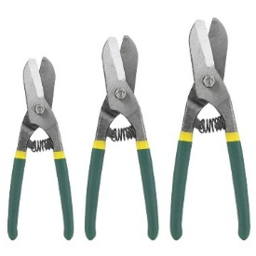
28 | Adjustable wrench | • Material: drop-forged carbon steel • Adjustable wrenches (10 in / 25 cm) | 20 | pcs | 
29 | Electrode Holder | • Length: 20 - 30 cm •Material: Brass + iron •Handle Material: DMC Fiber Glass Iron | 20 | pcs | 
30 | different pliers | • 4 of each size • Min. Dimension: - long nose pliers: 125 mm (5 in) - round nose pliers: 125 mm (5 in) - flat pliers: 125 mm (5 in) - side cutter: 110 mm (4.5 in) - head cutters: 110 mm (4.5 in) | 20 | pcs | 
31 | steel brush | • Bristle Material: Steel • Number of Row: Min. 4 • Brush Depth: Approx. 300 mm • Brush Diameter or Width: Min. 150 mm | 20 | Pcs
32 | wielding hammer | • Hammer Material: Steel • Product Dimensions:approx. ‎1 * 10 * 6 in (2,5 * 25 * 15 cm) • Handle Material ‎Alloy Steel | 15 | Pcs
33 | normal hammer | • Weight approx. 0.5 kg • Material: ‎Steel • Pattern: ‎Solid | 15 | Pcs | 
34 | Measuring tape | • Measuring tape length min. 5m | 20 | pcs
35 | Electronic Digital Caliper | • Size:min. 6 In (15 cm) Stainless Steel • Automatic On / Off • Easy-to-read LCD display • Measurement range: min. 0 -150 mm | 20 | pcs | 
36 | Iron ruler | • Min. 16 in (40 cm) rulers • Material: stainless steel | 20 | pcs
37 | Safety boots | • Leather boots for welding without shoelace/ Slip resistant cleated sole (S3 Standered) • Shock resistant and crush-proof steel toe cap. • Shoe sizes and amounts: (3*40, 3*41, 3*42, 3*43, 3*44, 3*45, 2*46) | 20 | Pair | 
38 | wielding glasses | • Impact resistant / eye protection from radiation • Lens material: Polycarbonate • Material: Polycarbonate • Size: One size fits all | 20 | PCS | 
39 | wielding suits | • Material: 100% cotton • Colour: any colour • Features: Flame resistant • Sizes: 6*Medium, 7*Large, 7*extra Large | 20 | PCS | 
40 | welding gloves | • Glove Liner Material: Cotton Fleece • Glove Materials: leather • Glove Size: XL (SIZE 11") • Glove Style: Welding • Max. Temp: 200 Degrees F | 20 | Pair | 
41 | wielding trousers | • Sizes: 6*Medium, 7*Large, 7*extra Large • Flame retardant antistatic 450 g/m² | 20 | PCS | 
42 | first aid kit | • Office Wall Mount First Aid Box ABS Strong Plastic Medical Case Storage First Aid Kit • Complies with ANSIZ 308.1-2009 Type III Standards | 2 | PCS
43 | fire distinguisher | • Fire Extinguisher min. 8 Kg • Material Mild Steel • Working Pressure 10 Bar | 4 | PCS | 
44 | posters and folders about safety | • different size, workshop wall, brochure • A4 size hard paper/ glossy paper • In Arabic language required | 5 | PCS | 
45 | stretcher | • Aluminium Alloy High Quality Ambulance Stretcher • Length: Approx. 200 cm / Width: Approx. 70 Cm • Material: Aluminium | 1 | PCS | 

C. Remarks And Condition
1- All Items should Be delivered to MoLSA - Ministry of Labour and Social Affairs, Basrah Branch, Hayaniah District, Behind the Physical health Education College, and The supplier is responsible for the unloading at the final place of destination. The supplier shall provide all necessary tools for unloading. Delivery costs and unloading is included in the prices offered. 2- The costs for this training have is included in the price of the items. 3- All items in this annex need installation, and the costs are included in the estimation price.
C. Remarks And Condition

1- | All standard accessories for all offered items should be provided.
2- | A Technician must be delegated from supplier to Install, and recheck after maintenace time.

