Sheet1
Bill of Quantity for rehabilitation of latrines in Sharia Camp -Dohuk

A | first school
1 | Civil works
Item | Description | Unit | Quantity | Price $ | Amount$ | Picture
A.1.1 | Oil painting: Provide materials and manpower's to paint walls and roofs according to bellow instructions: -Cleaning walls by removing dust, smoke traces, peeling paint,..etc. -Painting by one layer of Primer paint. -Filling holes and cracks with special paste, then well sanding it. -Painting by two layer of oil paint. | m2 | 200 |  |  | 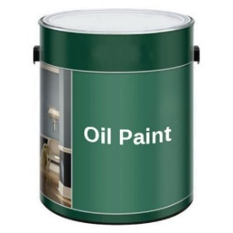
A.1.2 | Exhaust Fan 4": Supply and install an exhaust fan, the fan should be CE marked with the following: - Power: 220 V, 50 Hz, 32 Watt. - Type: circular. - Sweep: 110 mm, 4". - 5 Plastic Blades. | No. | 8
A.1.3 | One piece toilet Seat: Supply and install one piece toilet seat according to the following specifications: -Material: Ceramic. -Color: white. -Feature: Dual-Flush. -Installation Type: Floor Mounted. -Seat cover material: High quality PP plastic. -Flushing Method: Siphon Flushing the price includes installation of latrine base using 4" PVC pipes, up to 2m for sewage system and using PPR pipes, 3/4" , up to 3m for water supply. | NO | 1 |  |  | 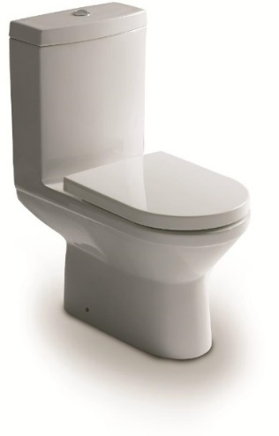
A.1.4 | Water Tap: Provide machinery, material and manpower to supply and install water taps, the supplied tap should adhere to the following specification: - Size: 3/4 inch. - Material: Brass, Chrome finished. - Wall mounted. - Accessories: hole cover, reducer. | No | 8 |  |  | 
A.1.5 | U-PVC window: Supply and install U-PVC window pane glass according to the following specification: - Dimensions of window: 50 cm*50 cm -White color The price includes -Removal of the existing brocken glass -Supply and install double glazing (1 Tempered glass and 1 low-emissivity glass, 4 / 16 / 4 mm). -Doing all requirements to complete a good work, according to the instruction by the Supervisor Engineer. | No | 8 |  |  | 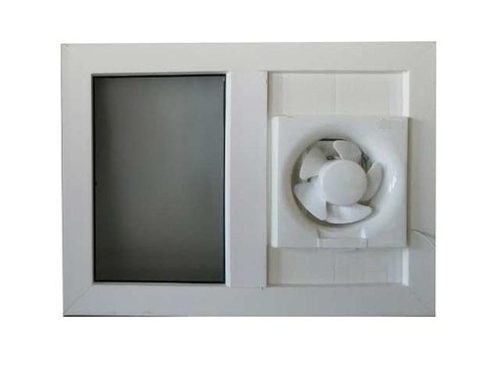
A.1.6 | Repairing PVC door: repair the existing PVC door for the interior toilets , according to the following specifications: -Accessories: three hinges, stop the door, handles, and locks. The price includes: -Removing the old locks, according to the instruction by the Supervisor Engineer. | No | 10
A.1.7 | removing the old flush tank: removing the old flush tank with proper fixation with sealing components to avoid water filtration in joints, and instaling new flush tank with straps and nails for eastern WC basin | No | 10 |  |  | 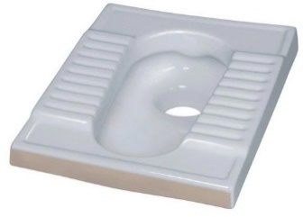
Total of Civil Works
2 | Electrical works
A.2.1 | Supply the latrine with electricity using (2*1.5)mm cable including installation | m | 48
A.2.2 | Supply, install and operate an internal economic bulb with holder fixed to the wall or ceiling with all wiring and connection to the main source with a cable with the necessary wiring using (2*1.5) cable and switch | No. | 8 |  |  | 
Total of Electrical Works
Total of all works for the first school
B | Shariya Albanin Arabi school 3
1 | Civil works
Item | Description | Unit | Quantity | Price $ | Amount$ | Picture
B.1.1 | Oil Painting for PVC walls: Provide materials and manpower's to paint PVC walls according to bellow instructions: -Cleaning PVC walls by removing dust, smoke traces, peeling paint,..etc. -Fixing damaged plates and frames. -Painting by one layer of Primer paint. -Painting by two layer of oil paint. | m2 | 216
B.1.2 | Exhaust Fan 4": Supply and install an exhaust fan, the fan should be CE marked with the following: - Power: 220 V, 50 Hz, 32 Watt. - Type: circular. - Sweep: 110 mm, 4". - 5 Plastic Blades. | No. | 10
B.1.3 | repairing Wash Basin: repair existing wash basin, according to the following specifications: -suplying and instaling Mixer tap: single hand - Accessories: bolts, nuts, washers, flexible hose, drainage hose and chained cap. The cost includes removing old broken accesories. | No. | 10 |  |  | 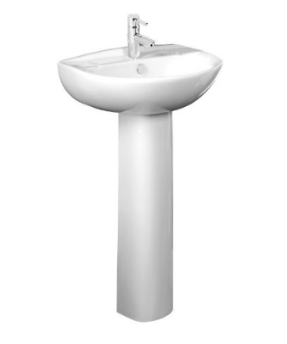
B.1.4 | removing the old flush tank: removing the old flush tank with proper fixation with sealing components to avoid water filtration in joints, and instaling new flush tank with straps and nails for eastern WC basin | No | 12
Total of Civil Works
2 | Electrical works
B.2.1 | Supply the latrine with electricity using (2*1.5)mm cable including installation | m | 70
B.2.2 | Supply, install and operate an internal economic bulb with holder fixed to the wall or ceiling with all wiring and connection to the main source with a cable with the necessary wiring using (2*1.5) cable and switch | No. | 12
Total of Electrical Works
Total of all works for the third school

