Annex A.2 Technical LOT1
 | TECHNICAL SPECIFICATIONS AND BILL OF QUANTITIES . LOT1 |  |  | ITB: Reference Number: ITB-ITB# 03TAF22 Rehabilitation of sewage network - Tallafer district-Al Rabea neighborhood
DRC to complete |  |  |  |  | Bidder to complete
 | Item/Milestone Required | Delivery Location | Unit | Quantity required | Item/Milestone offered (name make and model with full specification) | Country of Origin | Brand and Model | Pictures
 | Brief Description: Rehabilitation of the sewage network in Al Rabea neighborhood-Tel afar District- GPS coordinates:36.374353, 42.443114.
1 | Cutting the Concrete and Asphalt:- Provide machinery, material and manpower to cut the pipeline path (Asphalt and Concrete) using (saw-cutting machine) for two sides between them 0.75 m ,along the excavation path for all earth layers that appear during the work and according to the width of the earthen excavations for each type of the pipe and according to the instructions of the supervising engineer. | Tellafer district city | M.L. | 12 |  | N/A |  | 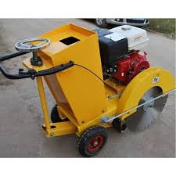
2 | Asphalt and concrete crushing: Providing materials, machines and manpower to carry out asphalt and concrete crushing works that conflict with the workflow and transferring them outside the municipal boundaries according to the instructions of the supervising engineer. | Tellafer district city | m2 | 12 |  | N/A |  | 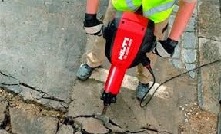
3 | Excavation works:width(0.75)m and depth (0.8) m: Excavation work for upvc pipes with a diameter of (315) mm, a width of (0.75 m, and an average depth of (0.8) m, along the path of the main line pipes and with the required slope,along the main path of the work with avoiding the water pipes , electricity cables, with coordination with the relevant government departments. The price includes lifting , transferring broken pipes outside the municipal boundaries and transfer the unbroken pipes to the sub-store in Tal Afar sewage center and according to the instruction of the supervising engineer. | Tellafer district city | M.L. | 36 |  | N/A |  | 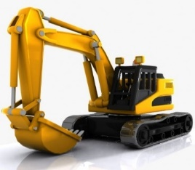
4 | supplying U-PVC pipes Diameter 315mm: Supplying and transporting pipes diameter 315 mm, plastic type (U-PVC), bearing 6 bar, thickness 9.2 mm and the price includes supply gaskates and accessories to complete the work according to the instruction of the supervising engineer. | Tellafer district city | M.L. | 36 |  |  |  | 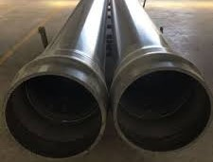 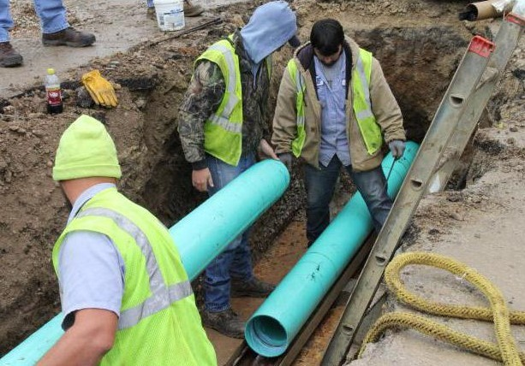 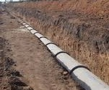
6 | Installation of U-PVC pipes Diameter315 mm: Provide materials, machinery and manpower to install the U-PVC pipes Diameter 315mm U-PVC pipes shall be installed in accordance with the instruction of the manufacturer, conform to specification for field joining of U-PVC pipes - All U-PVC pipes mains shall be field-tested and the contractor shall supply all manpower, equipment, material, gauges and incidentals required for testing.all pipes shall be tested upon completion of the pipe laying and before backfilling operations, including placement of any required temporary roadway surfacing and according to the directions of the supervising engineer. | Tellafer district city | M.L. | 36 |  | N/A
7 | Backfilling works:- Provide material, machinery and manpower to bed and backfill the excavation path in accordance with the following specification: - Bedding: Using fine sand of at least 20 cm. - Backfilling: Using fine sand of at least 20 cm from the pipe top side and around the pipe and layers of sub-base 25 cm thickness for each layer to the street level with good compaction and according to the directions of the supervising engineer. | Tellafer district city | M.L. | 36 |  | N/A |  | 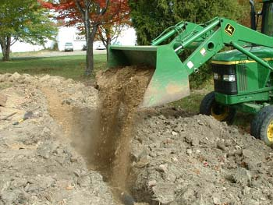 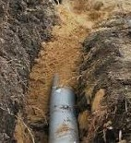
8 | Water inlet (0.35m * 0.55m * 0.75m):- Supply the required materials (cement, gravel, sand, formwork) to cast ordinary concrete (1: 2: 4) for water Inlets(gauly) net dimensions (0.35 * 0.55 * 0.75) m and thickness 20 cm for walls and 25 cm for the base, provided mesh Cast iron cover with base type animated on one side only dimensions (40cm*60cm ) good quality according to specifications of general directorate of sanitation, the price includes Installation it at the same level of the street water channel and use of a new plywood according to the instruction of supervising engineer. | Tellafer district city | No. | 4 |  |  |  | 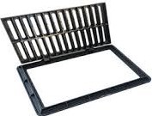 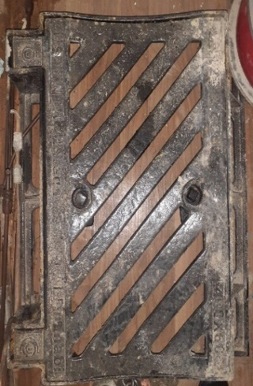
9 | Casting Concrete 1:2:4:-for main path & walkways. Supply materials, tools and manpower for casting plain concrete type (1:2:4),thickness(20cm ) ,(Width 0.75 m) using ordinary portland cement for main pipes path and walkways, The work includes using a layer of BRC mesh (150*150*6 mm) on the top side with all requirements such formworks and curing it by water for 7 days and according to specification and instruction of site engineer. | Tellafer district city | m3 | 5.4 |  | N/A |  | 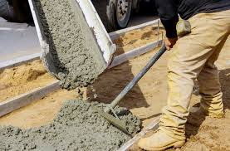
 | DRC to complete |  |  |  | Bidder to complete
 | Delivery time required (from the site hand over signature): |  | 30 Working days |  | Delivery time required (from the site hand over signature):
 | Delivery Terms required (Add Incoterm if necessary): |  | DDP (2020) |  | Delivery Terms offered (must include incoterm):
 | Delivery Destination required: |  | Al Rabea neighborhood-Tel afar District- GPS coordinates:36.374353, 42.443114. |  | Delivery Destination offered:
 | Minimum bid validity period required: |  | 60 Days |  | Bid validity period offered:
 | Additional comments to bidders: |  |  |  | Company Name:
 | 1- All the works must be executed in accordance with the Iraqi General Technical Specifications (I.G.T.S.) published by Ministry of Housing and Reconstruction/ Republic of Iraq, the drawings, contract documents and instructions of the Engineer. 2- All the works and materials must be approved by the project manager Engineer. 3- The materials shall be tested and approved by the National Centre of Construction Laboratories (NCCL). 4- The contractor must employ a permanent resident Engineer to be present at the project site during the execution period. 5- The Contractor must set-up a temporary and adequate office at the project site. 6- All the materials shall be new and deemed to be of best available type in the local market and as approved by the project manager Engineer. 7- The item description herein after means "Supply of all materials, manpower, transportation, equipment, tools, machinery, temporary works and all the other works required", as approved by the Engineer. 8- In case of differences between bill of quantities and contract documents, the drawings will govern. Unless requirements of the Engineer are presented. 9-The carry out company shall afford the costs of removing the obstacles that obstruct the course of work and then returning them to their normal position such as electricity poles, cables...etc. 10- All equipment shall be manufactured within two years of installation date. 11-Firms with nationality of, or goods originating from prohibited sources as per OFAC sanctions will be disqualified, winning bidder may be subject to additional compliance checks on current OFDA, OFAC, and US Treasury, regulations governing prohibited sources prior to contract signing. 12-The contractor shall provide safety means at the work site and put warning signs around excavations and manholes. 13- Please, read all the documents carefully, visit the site, then price it. |  |  |  | Contact Person:
 |  |  |  |  | Address: |  |  | Phone number:
 |  |  |  |  | Email Address: |  |  | Date:
Yes
NO
 |  |  |  |  | Do you agree on and accept the additional comments to bidder?
 |  |  |  |  | Signed by a duly authorized company representative:
 |  |  |  |  | Title:
 |  |  |  |  | Print Name:
 |  |  |  |  | Stamp of company

