Annex A.2 Technica LOT2
 |  TECHNICAL SPECIFICATIONS AND BILL OF QUANTITIES LOT2 |  |  | ITB: Reference Number: ITB-03TAF22 Rehabilitation of the sewage network- Tallafer district-Al Wahda neighborhood
DRC to complete |  |  |  |  | Bidder to complete
 | Item/Milestone Required | Delivery Location | Unit | Quantity required | Item/Milestone offered (name make and model with full specification) | Country of Origin | Brand and Model | Pictures
 | Brief Description: Rehabilitation of the sewage network in Al Wahda neighborhood-Tel afar District- GPS coordinates:(36 22 32 55 N,42 25 41 33E-36 22 32 83 N,42 25 36 14 E).
1 | Cutting the Concrete and Asphalt:- Provide machinery, material and manpower to cut the pipeline path (Asphalt and Concrete) using (saw-cutting machine) for two sides along the excavation path for all earth layers that appear during the work and according to the width of the earthen excavations for each type of the pipe and according to the instructions of the supervising engineer. | Tallafer district city | M.L. | 248 |  | N/A |  | 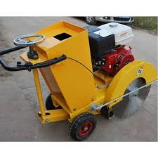
2 | Asphalt and concrete crushing: Providing materials, machines and manpower to carry out asphalt and concrete crushing works that conflict with the workflow and transferring them outside the municipal boundaries according to the instructions of the supervising engineer. | Tallafer district city | M.L. | 124 |  | N/A |  | 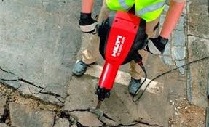
3 | Excavation works:width(0.8)m and depth (1.5) m: Excavation work for upvc pipes with a diameter of (400) mm, a width of (0.8) m, and an average depth of (1.5) m, along the path of the main line pipes and with the required slope,along the main path of the work with avoiding the water pipes , electricity cables, with coordination with the relevant government departments. The price includes lifting , transferring broken pipes outside the municipal boundaries and transfer the unbroken pipes to the sub-store in Tal Afar sewage center and according to the instruction of the supervising engineer. | Tallafer district city | M.L. | 100 |  | N/A |  | 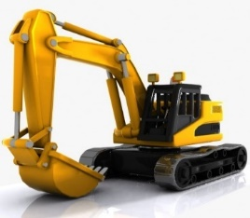
4 | Excavation works:width(0.7)m and depth (1) m: Excavation work for upvc pipes with a diameter of (315) mm, a width of (0.7) m, and an average depth of (1) m, along the path of the main line pipes and with the required slope,along the main path of the work with avoiding the water pipes , electricity cables, with coordination with the relevant government departments. The price includes lifting , transferring broken pipes outside the municipal boundaries and transfer the unbroken pipes to the sub-store in Tal Afar sewage center and according to the instruction of the supervising engineer. | Tallafer district city | M.L. | 24 |  | N/A
5 | supplying and Installation U-PVC pipes Diameter400mm: Supplying , transporting and Installation pipes diameter 400 mm, plastic type (U-PVC), bearing 6 bar, thickness 9.2 mm and the price includes supply gaskates,accessories to complete the work and for bedding:using fine sand of at least 20 cm. backfilling: using fine sand of at least 20 cm from the pipe top side and around the pipe according to the instruction of the supervising engineer. | Tallafer district city | M.L. | 100 |  |  |  | 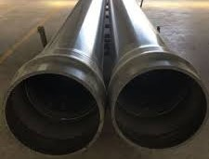 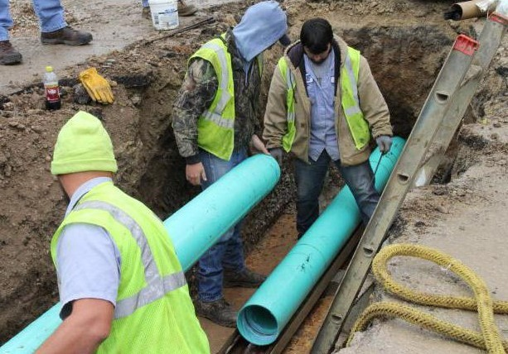
6 | supplying and Installation U-PVC pipes Diameter315mm: Supplying , transporting and Installation pipes diameter 315 mm, plastic type (U-PVC), bearing 6 bar, thickness 9.2 mm and the price includes supply gaskates,accessories to complete the work and for bedding:using fine sand of at least 20 cm. backfilling: using fine sand of at least 20 cm from the pipe top side and around the pipe according to the instruction of the supervising engineer | Tallafer district city | M.L. | 24 |  | N/A
7 | U-PVC pipe Lab. Test: Samples of the supplied pipes and fittings shall be tested physically at a certified construction laboratories prior to the installation, It must be within the specifications required and used by the general directorate of sewers. | Tallafer district city | LS | 1
8 | Concrete Manholes (1m * 1m * 1.5m):- Prepare the required building materials (cement, gravel, sand, wooden forms, steel bars) to carry out pouring reinforced concrete in a mixing ratio of 1: 2: 4 for manholes with net dimensions (1 x 1 x 1, 5) m and thickness of 25 cm for walls and base 30 cm using steel bars with a diameter of 16 mm and in both directions every 15 cm, and pouring the ceiling of the manholes with reinforced concrete with a thickness of 30 cm,mixing ratio of 1: 2: 4 using steel bars with a diameter of 16 mm in diameter and in both directions every 15 cm with two nets, provided duktile iron cover is of good quality and with specifications approved by the General Directorate of Sanitation In the specified location and the price includes the use of a smooth wooden mold (mdf)that has not been used before and all that is required to complete the work and according to the directions of the supervising engineer. | Tallafer district city | No. | 3
9 | Backfilling works:- Provide material, machinery and manpower to backfill the excavation path by sub-base in accordance with the following specification: layers of sub-base 20 cm thickness for each layer with good compaction to the street level with all the necessary equipment, machinery and manpower and according to the technical specificationsand according to the directions of the supervising engineer. | Tallafer district city | M.L. | 124 |  | N/A |  | 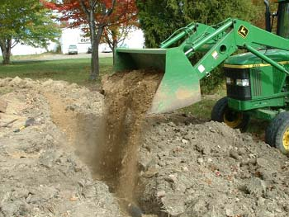
10 | Water inlet (0.35m * 0.55m * 0.75m):- Supply the required materials (cement, gravel, sand, formwork) to cast ordinary concrete (1: 2: 4) for water Inlets(gauly) net dimensions (0.35 * 0.55 * 0.75) m and thickness 20 cm for walls and 25 cm for the base, provided mesh Cast iron cover with base type animated on one side only dimensions (40cm*60cm ) good quality according to specifications of general directorate of sanitation, the price includes Installation it at the same level of the street water channel and use of a new plywood according to the instruction of supervising engineer. | Tallafer district city | No. | 8 |  |  |  | 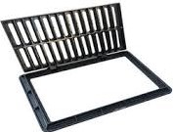 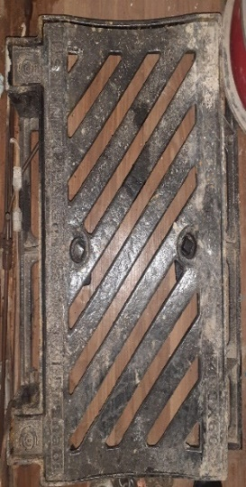
11 | Casting Concrete 1:2:4:-for main path & walkways. Supply materials, tools and manpower for casting plain concrete type (1:2:4),thickness(20cm ) ,(Width 0.7-0.8 m) using ordinary portland cement for main pipes path and walkways, The work includes using a layer of BRC mesh (150*150*6 mm) on the top side with all requirements such formworks and curing it by water for 7 days and according to specification and instruction of site engineer. | Tallafer district city | m3 | 24 |  | N/A |  | 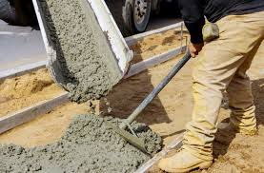
 | DRC to complete |  |  |  | Bidder to complete
 | Delivery time required (from the site hand over signature): |  | 30 Working days |  | Delivery time required (from the site hand over signature):
 | Delivery Terms required (Add Incoterm if necessary): |  | DDP (2020) |  | Delivery Terms offered (must include incoterm):
 | Delivery Destination required: |  | Al Wahda neighborhood-Tel afar District- GPS coordinates:(36 22 32 55 N,42 25 41 33E-36 22 32 83 N,42 25 36 14 E). |  | Delivery Destination offered:
 | Minimum bid validity period required: |  | 60 Days |  | Bid validity period offered:
 | Currency of the offer |  | USD |  | Currency of the offer
 | Additional comments to bidders: |  |  |  | Company Name: |  |  | Phone number:
 | 1- All the works must be executed in accordance with the Iraqi General Technical Specifications (I.G.T.S.) published by Ministry of Housing and Reconstruction/ Republic of Iraq, the drawings, contract documents and instructions of the Engineer. 2- All the works and materials must be approved by the project manager Engineer. 3- The materials shall be tested and approved by the National Centre of Construction Laboratories (NCCL). 4- The contractor must employ a permanent resident Engineer to be present at the project site during the execution period. 5- The Contractor must set-up a temporary and adequate office at the project site. 6- All the materials shall be new and deemed to be of best available type in the local market and as approved by the project manager Engineer. 7- The item description herein after means "Supply of all materials, manpower, transportation, equipment, tools, machinery, temporary works and all the other works required", as approved by the Engineer. 8- In case of differences between bill of quantities and contract documents, the drawings will govern. Unless requirements of the Engineer are presented. 9-The carry out company shall afford the costs of removing the obstacles that obstruct the course of work and then returning them to their normal position such as electricity poles, cables...etc. 10- All equipment shall be manufactured within two years of installation date. 11-Firms with nationality of, or goods originating from prohibited sources as per OFAC sanctions will be disqualified, winning bidder may be subject to additional compliance checks on current OFDA, OFAC, and US Treasury, regulations governing prohibited sources prior to contract signing. 12-The contractor shall provide safety means at the work site and put warning signs around excavations and manholes. 13- Please, read all the documents carefully, visit the site, then price it. |  |  |  | Contact Person: |  |  | Date:
 |  |  |  |  | Address:
 |  |  |  |  | Email Address:
Yes
NO
 |  |  |  |  | Do you agree on and accept the additional comments to bidder?
 |  |  |  |  | Signed by a duly authorized company representative:
 |  |  |  |  | Title:
 |  |  |  |  | Print Name:
 |  |  |  |  | Stamp of company

