Annex A.2 Technical LOT3
 | TECHNICAL SPECIFICATIONS AND BILL OF QUANTITIES LOT3 |  |  |  | ITB: Reference Number: ITB-03TAF22 Rehabilitation of sewage network - Tallafer district-Sewage maintenance
DRC to complete |  |  |  |  | Bidder to complete
 | Item/Milestone Required | Delivery Location | Unit | Quantity required | Item/Milestone offered (name make and model with full specification) | Pictures
 | Brief Description:Providing materials, machines and manpower to carry out cleaning work for water entrances, manholes, main sewage network lines, pipes and crossings that connect manholes with sewage and rain water entrances (gauly) in the following neighborhoods of the city of Tal Afar (Al Moallemen,Al Wahda,Al Oroba,palestine,Al Basha restaurant street and Al qadisiyah) from dirt, mud, sediments and everything that impedes the flow of water using the required workers and mechanisms With the work of removing the rubble and transporting it to the places designated by the municipality according to the instructions of the supervising engineer.
1 | Manholes cleaning:Providing materials, machines and manpower to carrying out the work of cleaning manholes of the sewage network lines from dirt, mud, sediments and anything that hinders the flow of water by using required workers and machines with removing debris and transport it to the places specified by the municipality , according to the instructions of the superviser engineer. | Tallafer district city | No. | 120 |  | 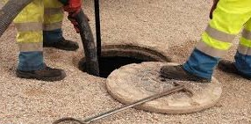
2 | Water Inlet cleaning(Gauly):Providing materials, machines and manpower to clean Inlets of the sewage network from dirt, mud, sediments and everything that hinders the flow of water by using required workers and machines with removing debris and transport it to the places specified by the municipality , according to the instructions of the superviser engineer.. | Tallafer district city | No. | 240 |  | 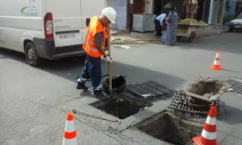
3 | sewage network cleaning:Providing materials, machines and manpower to clean the sewage network diameters 800 mm length 1000 m and 600 mm length 2000 m from sediments and dirt and all that hinders the flow of water by using (steel wire, bucket), the price includes all the machinery, equipment and workers in addition to the work of removing rubble and transport it to the places specified by the municipality and according to the instructions of the supervising engineer. | Tallafer district city | M.L. | 3000 |  | 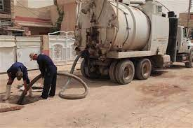
4 | Supply and install Inlet sewage water mesh (gauly)(Rainwater drainage):Supply and install inlet sewage water mesh (gauly) with bases, type Cast iron cover , animated on one side, dimensions (40cm*60cm ) good quality according to specifications of general directorate of sanitation and The price includes providing all the accessories to complete the work according to the instruction of supervising engineer. | Tallafer district city | No. | 60 |  | 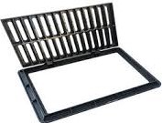 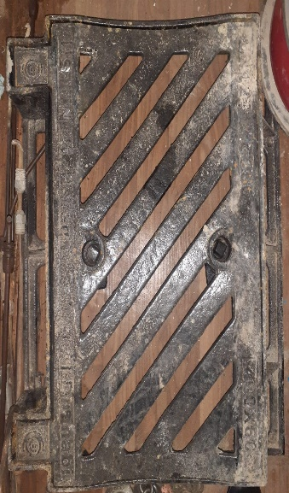

 | DRC to complete |  |  |  | Bidder to complete
 | Delivery time required (from the site hand over signature): |  | 30 Working days |  | Delivery time required (from the site hand over signature):
 | Delivery Terms required (Add Incoterm if necessary): |  | DDP (2020) |  | Delivery Terms offered (must include incoterm):
 | Delivery Destination required: |  | Tal Afar (Al Moallemen,Al Wahda,Al Oroba,palestine,Al Basha restaurant street and Al qadisiyah) |  | Delivery Destination offered:
 | Minimum bid validity period required: |  | 60 Days |  | Bid validity period offered:
 | Additional comments to bidders: |  |  |  | Company Name:
 | 1- All the works must be executed in accordance with the Iraqi General Technical Specifications (I.G.T.S.) published by Ministry of Housing and Reconstruction/ Republic of Iraq, the drawings, contract documents and instructions of the Engineer. 2- All the works and materials must be approved by the project manager Engineer. 3- The materials shall be tested and approved by the National Centre of Construction Laboratories (NCCL). 4- The contractor must employ a permanent resident Engineer to be present at the project site during the execution period. 5- The Contractor must set-up a temporary and adequate office at the project site. 6- All the materials shall be new and deemed to be of best available type in the local market and as approved by the project manager Engineer. 7- The item description herein after means "Supply of all materials, manpower, transportation, equipment, tools, machinery, temporary works and all the other works required", as approved by the Engineer. 8- In case of differences between bill of quantities and contract documents, the drawings will govern. Unless requirements of the Engineer are presented. 9-The carry out company shall afford the costs of removing the obstacles that obstruct the course of work and then returning them to their normal position such as electricity poles, cables...etc. 10- All equipment shall be manufactured within two years of installation date. 11-Firms with nationality of, or goods originating from prohibited sources as per OFAC sanctions will be disqualified, winning bidder may be subject to additional compliance checks on current OFDA, OFAC, and US Treasury, regulations governing prohibited sources prior to contract signing. 12-The contractor shall provide safety means at the work site and put warning signs around excavations and manholes. 13- Please, read all the documents carefully, visit the site, then price it. |  |  |  | Contact Person:
 |  |  |  |  | Address: | Phone number:
 |  |  |  |  | Email Address: | Date:
 |  |  |  |  | Do you agree on and accept the additional comments to bidder?
 |  |  |  |  | Signed by a duly authorized company representative:
 |  |  |  |  | Title:
 |  |  |  |  | Print Name:
 |  |  |  |  | Stamp of company

