Annex A.2 Technical LOT5
 |  TECHNICAL SPECIFICATIONS AND BILL OF QUANTITIES LOT5 |  | ITB: Reference Number: ITB-03TAF22 Rehabilitation of water network- Tallafer district- Al- Wahda neighborhood -Near Thaurat Al ashreen School
DRC to complete |  |  |  |  | Bidder to complete
 | Item/Milestone Required | Delivery Location | Unit | Quantity required | Item/Milestone offered (name make and model with full specification) | Quantity offered | Country of Origin | Brand and Model | Pictures
 | Brief Description: Extend of water Network in Al- Wahda neighborhood -Near Al Furqan School - Tallafer district (GPS:36.3786167,42.4377611).
1 | Water tests: The implementing contractor for the project shall carry out the following laboratory tests before implementing and after implementing the project: -Physical tests. -Chemical tests. -Bacteriological tests. | Tallafer district | LS | 1
2 | Cutting the Concrete and Asphalt:- Provide machinery, material and manpower to cut the pipeline path (Asphalt and Concrete) with width 50 cm using saw-cutting machine on both sides along the excavation path and according to the instructions of the supervising engineer. | Tallafer district | M.L. | 675 |  |  | N/A |  | 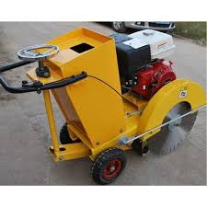
3 | Asphalt and concrete crushing: Providing materials, machines and manpower to carry out asphalt and concrete crushing works that conflict with the workflow and transferring them outside the municipal boundaries according to the instructions of the supervising engineer. | Tallafer district | m2 | 337.5 |  |  | N/A |  | 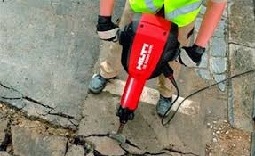
4 | Excavation works: Provide machinery, equipment, and manpower to excavate the pipeline path in the street and sidewalk and where required cut in any kind of soil, even rock with dimensions 50 cm width with a depth not less than 70 cm above the pipe in the case of laying the pipe in the sidewalk, and at a depth of 90 cm above the pipe in the case of laying the pipe in the street. Changing the depth in case of obstacles such as cables, and determining the depth at that time under the instruction of the supervising engineer. | Tallafer district | M.L. | 675 |  |  | N/A |  | 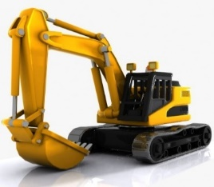
5 | Supply Polyethylene pipes: External diameter of 160 mm: Supply polyethylene pipes with an external diameter 160 mm, pressure 10 bar, from sober origin conform to the technical specifications approved by the Nineveh Water directorate and according to specification and instruction of site engineer. - HDPE DN160, PN10, SDR17 - Color: black with blue coextruded stripes. - Thickness to conform with ASTM F714 or ASTM D3035. - stress regression testing in accordance with ASTM D2837. - Material as per ASTM D3350, ASTM D1238. - Weight 4.5kg/m. | Tallafer district | M.L. | 425 |  |  |  |  | 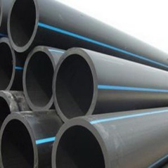
6 | Supply Polyethylene pipes: External diameter of 110 mm: Supply polyethylene pipes with an external diameter of 110 mm, pressure 10 bar, from sober origin, conform to the technical specifications approved by the Nineveh Water directorate and according to specification and instruction of site engineer. . - HDPE DN110, PN10, SDR17 - Color: black with blue coextruded stripes. - Thickness to conform with ASTM F714 or ASTM D3035. - stress regression testing in accordance with ASTM D2837. - Material as per ASTM D3350, ASTM D1238. - Weight 2.15kg/m. | Tallafer district | M.L. | 250
7 | Polyethylene Electrofusion joint:External diameter of 160 mm: Supply and install PE160, electrofusion coupler to conform to the EN 12201 and ISO 4427 standards special for potable water applications, the coupler shall comply with AWWA Specifications C906, all HDPE pipe and fittings shall be from a single manufacturer, the couplers should comply with the following standards and specifications, or equivalent as approved by the DRC engineer: 1- HDPE 160 mm, SDR 17, PN10, to conform with ISO S5. 2- Color: black. 3- Limited path fusion indicators. 4- stress regression testing in accordance with ASTM D2837. 5- Material as per ASTM D3350, ASTM D1238. | Tallafer district | No. | 33 |  |  |  |  | 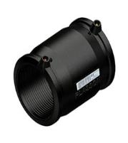
8 | Polyethylene Electrofusion joint:External diameter of 110 mm: Supply and install PE110, electrofusion coupler to conform to the EN 12201 and ISO 4427 standards special for potable water applications, the coupler shall comply with AWWA Specifications C906, all HDPE pipe and fittings shall be from a single manufacturer, the couplers should comply with the following standards and specifications, or equivalent as approved by the DRC engineer: 1- HDPE110 mm, SDR 17, PN10, to conform with ISO S5. 2- Color: black. 3- Limited path fusion indicators. 4- stress regression testing in accordance with ASTM D2837. 5- Material as per ASTM D3350, ASTM D1238. | Tallafer district | No. | 20
9 | Iron Pipe Coupling(Johnson Coupling) diameter of 160 mm: Supply and install a iron pipe coupling (Johnson Coupling)as standards special for potable water applications,to connect old network with new network with the following standards and specifications, or equivalent as approved by the DRC engineer. | Tallafer district | No. | 2 |  |  |  |  | 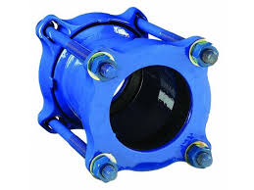
10 | Iron Pipe Coupling(Johnson Coupling) diameter of 110 mm: Supply and install a iron pipe coupling(Johnson Coupling) as standards special for potable water applications,to connect old network with new network with the following standards and specifications, or equivalent as approved by the DRC engineer. | Tallafer district | No. | 4
11 | Electrofusion Stopper for end pipe line diameter of 110 mm: Supply and install a Polyethylene PE200 ° to conform to the EN 12201 and ISO 4427 standards special for potable water applications, and shall comply with AWWA specifications C906, all HDPE fittings shall be from a single manufacturer, and the shall comply with the following standards and specifications, or equivalent as approved by the DRC engineer: - Material: HDPE100. - DN:110. - PN10, SDR17. | Tallafer district | No. | 1 |  |  |  |  | 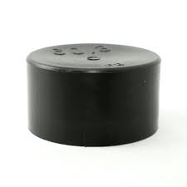
12 | PE pipes Lab. Test: Samples of the supplied pipes and fittings shall be tested physically and chemically at a certified construction laboratories prior to the installation. | Tallafer district | LS | 1
13 | Backfilling works:- Provide material, machinery and manpower to bed and backfill the excavation path in accordance with the following specification: 1-laying a layer of agricultural sand 10 cm thick under the pipes. 2-connecting the new network to the existing iron pipe diameter 250 mm by welding, Remove existing connections to the Iron pipe. 3-provide and fix check point made by iron pipe 8 inch, 3 mm thickness with a gate that can be opened and closed with a lock and painting by anti rust and oil paint two layers. 4-Covering the pipe by garden sand (zimij), thickness 15 cm above the pipes. 5-preparation of a plastic pipe with a diameter greater than the diameter of the new pipe to be used as a (sleeve) in case the pipe intersection to septic tanks and filling the sleeve sides by concrete. 6-carrying out backfilling work with clean soil with good compaction. 7-conducting an operational testing on the completed line by the executing company with the treatment of all leaks water that may happen in the line after implementation. the work includes removing the debris outside the municipal boundaries according the instruction of the supervisor engineer. | Tallafer district | M.L. | 675 |  |  | N/A |  | 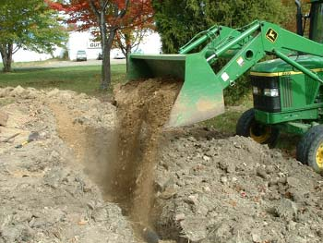

14 | Gate Valve DN160: Supply and install a Resilient-seated gate type valve with bolted cover connection and flanges according to the ANSI/AWWA standard. Design in accordance to ISO 9001:2008, ISO 14001:2004, OHSAS 18001:2007, the supplied valve should be CE marked, the design of the valve should comply to the following standards and specifications, or equivalent as approved by the DRC Engineer: 1- DN160, PN10. 2- Resilient seated in accordance with EN 1074. 3- With flange ends on both sides acc. to ANSI B16.1 Class 125/150. 4- Low operating torque due to plastic sliding guides on the wedge. 5- Equipped with triple O-ring sealing. 6- Body and bonne shall be ductile iron EN-GJS-400-15 (GGG-40). 7- Wedge: Ductile iron EN-GJS-400-15 (GGG-40) encapsulated with EPDM vulcanized. 8- Stem: Stainless steel 1.4021. 9- Stem nut: Brass. 10- Bonnet bolts: Stainless steel A2 (DIN EN ISO 3506). 11- Internally and externally epoxy coated acc. to GSK guidelines. The price also includes installation with all other necessaries ( stainless steel bolts, rubber seal, flanges...etc.) according to the instruction of DRC engineer. | Tallafer district | No. | 1 |  |  |  |  | 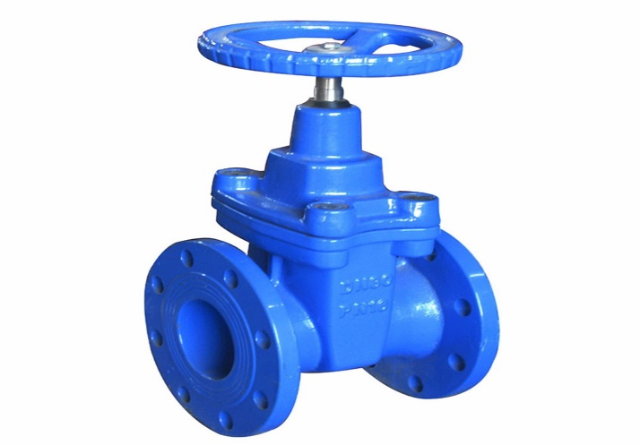
15 | Gate Valve DN110: Supply and install a Resilient-seated gate type valve with bolted cover connection and flanges according to the ANSI/AWWA standard. Design in accordance to ISO 9001:2008, ISO 14001:2004, OHSAS 18001:2007, the supplied valve should be CE marked, the design of the valve should comply to the following standards and specifications, or equivalent as approved by the DRC Engineer: 1- DN110, PN10. 2- Resilient seated in accordance with EN 1074. 3- With flange ends on both sides acc. to ANSI B16.1 Class 125/150. 4- Low operating torque due to plastic sliding guides on the wedge. 5- Equipped with triple O-ring sealing. 6- Body and bonne shall be ductile iron EN-GJS-400-15 (GGG-40). 7- Wedge: Ductile iron EN-GJS-400-15 (GGG-40) encapsulated with EPDM vulcanized. 8- Stem: Stainless steel 1.4021. 9- Stem nut: Brass. 10- Bonnet bolts: Stainless steel A2 (DIN EN ISO 3506). 11- Internally and externally epoxy coated acc. to GSK guidelines. The price also includes installation with all other necessaries ( stainless steel bolts, rubber seal, flanges...etc.) according to the instruction of DRC engineer. | Tallafer district | No. | 3

16 | Installation of HDPE pipes:160,110 mm .Provide materials, machinery and manpower to install the PE pipe line. - The HDPE pipe shall be installed in accordance with the instruction of the manufacturer using Butt fusion welding in accordance to ASTM D2657 and conform to specification for field joining of PE pipes - All HDPE mains shall be field-tested and the contractor shall supply all manpower, equipment, material, gauges, pumps, meters and incidentals required for testing. Each main shall be pressure tested upon completion of the pipe laying and before backfilling operations, including placement of any required temporary roadway surfacing. | Tallafer district | M.L. | 675 |  |  |  |  | 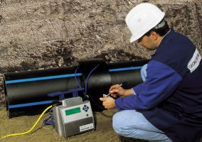
17 | Casting Concrete 1:2:4 for Sidewalks:- Provide tools, materials, machines and manpower to cast plain concrete (1:2:4) over pipes path, for all the places that were crushed and according to the nature of the site by a thickness not less than (10) cm for the sidewalks and 20cm for the street. The work includes a layer of sub base 20 cm with good compaction and layer of gravel 5 cm) before casting according to specification and instruction of site engineer. | Tallafer district | M.L. | 300 |  |  | N/A |  | 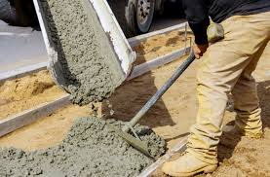
18 | Tee 90:(160*160*160) mm Supply and install a Polyethylene PE100 Tee 90° electro fusion) to conform to the EN 12201 and ISO 4427 standards special for potable water applications, and shall comply with AWWA specifications C906, all HDPE fittings shall be from a single manufacturer, and the shall comply with the following standards and specifications, or equivalent as approved by the DRC engineer: - PN10, SDR17. | Tallafer district | No. | 1 |  |  |  |  | 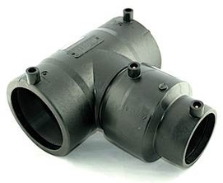
19 | Tee 90:(160*160*110) mm Supply and install a Polyethylene PE100 Tee 90° electro fusion to conform to the EN 12201 and ISO 4427 standards special for potable water applications, and shall comply with AWWA specifications C906, all HDPE fittings shall be from a single manufacturer, and the shall comply with the following standards and specifications, or equivalent as approved by the DRC engineer: - PN10, SDR17. | Tallafer district | No. | 2
20 | Reduced:180°: (160*110) mm: Supply and install a Polyethylene PE100 reduced electro fusion to conform to the EN 12201 and ISO 4427 standards special for potable water applications, and shall comply with AWWA specifications C906, all HDPE fittings shall be from a single manufacturer, and the shall comply with the following standards and specifications, or equivalent as approved by the DRC engineer: - PN10, SDR17. | Tallafer district | No. | 2 |  |  |  |  | 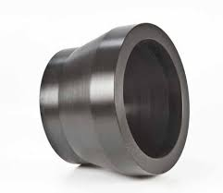
21 | Elbow L 90°:(160)mm: Supply and install a Polyethylene PE160 L 90° to conform to the EN 12201 and ISO 4427 standards special for potable water applications, and shall comply with AWWA specifications C906, all HDPE fittings shall be from a single manufacturer, and the shall comply with the following standards and specifications, or equivalent as approved by the DRC engineer: - DN: 160. - PN10, SDR17. | Tallafer district | No. | 1 |  |  |  |  | 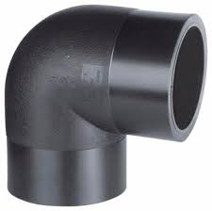
 | DRC to complete |  |  |  | Bidder to complete
 | Delivery time required (from the site hand over signature): |  | 30 working days |  | Delivery time required (from the site hand over signature):
 | Delivery Terms required (Add Incoterm if necessary): |  | DDP (2020) |  | Delivery Terms offered (must include incoterm):
 | Delivery Destination required: |  | Tallafer district- Al- Wahda neighborhood -Near Thaurat Al ashreen School |  | Delivery Destination offered:
 | Minimum bid validity period required: |  | 60 Days |  | Bid validity period offered:
 | Currency of the offer |  | USD |  | Currency of the offer
 | Additional comments to bidders: |  |  |  | Company Name:
 | 1- All the works must be executed in accordance with the Iraqi General Technical Specifications (I.G.T.S.) published by Ministry of Housing and Reconstruction/ Republic of Iraq, the drawings, contract documents and instructions of the Engineer. 2- All the works and materials must be approved by the project manager Engineer. 3- The materials shall be tested and approved by the National Centre of Construction Laboratories (NCCL). 4- the pressure test should be done for network (pipe flushing/ cleaning and a leaks test) once the works are complete. 5- The contractor must employ a permanent resident Engineer to be present at the project site during the execution period. 6- The Contractor must set-up a temporary and adequate office at the project site. 7- All the materials shall be new and deemed to be of best available type in the local market and as approved by the project manager Engineer. 8- The item description herein after means "Supply of all materials, manpower, transportation, equipment, tools, machinery, temporary works and all the other works required", as approved by the Engineer. 9- In case of differences between bill of quantities and contract documents, the drawings will govern. Unless requirements of the Engineer are presented. 10- All equipment shall be manufactured within two years of installation date. 11-Firms with nationality of, or goods originating from prohibited sources as per OFAC sanctions will be disqualified, winning bidder may be subject to additional compliance checks on current OFDA, OFAC, and US Treasury, regulations governing prohibited sources prior to contract signing. 12-The contractor shall provide safety means at the work site and put warning signs around excavations and manholes. 13- Please, read all the documents carefully, visit the site, then price it. |  |  |  | Contact Person:
 |  |  |  |  | Address: |  |  |  | Phone number:
 |  |  |  |  | Email Address: |  |  |  | Date:
Yes
NO
 |  |  |  |  | Do you agree on and accept the additional comments to bidder?
 |  |  |  |  | Signed by a duly authorized company representative:
 |  |  |  |  | Title:
 |  |  |  |  | Print Name:
 |  |  |  |  | Stamp of company

