Sheet1
Bill of Quantity for rehabilitation of latrines in Sharia Camp -Dohuk

Total of all works for the first school
B | Camp Sharia school Kurdi 2
B.1 | Oil Painting for PVC walls: Provide materials and manpower's to paint PVC walls according to bellow instructions: -Cleaning PVC walls by removing dust, smoke traces, peeling paint,..etc. -Fixing damaged plates and frames. -Painting by one layer of Primer paint. -Painting by two layer of oil paint. | m2 | 255
B.2 | repairing Wash Basin: repair existing wash basin, according to the following specifications: -suplying and instaling Mixer tap: single hand - Accessories: bolts, nuts, washers, flexible hose, drainage hose and chained cap. The cost includes removing old broken accesories. | No. | 12 |  | 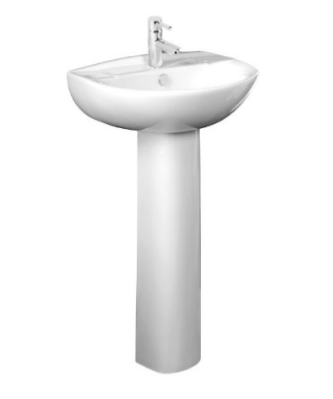
B.3 | 4mm Glass Sheets: Supply and install glasses for windows with bellow specification: -Thickness: 4mm -Installation: using windows putty/Silicon according to the instruction of supervisor. the size of window is 40* 40 cm -Cleaning: Removing the old broken glasses and putties. -Application: UPVC windows. | No | 18 |  | 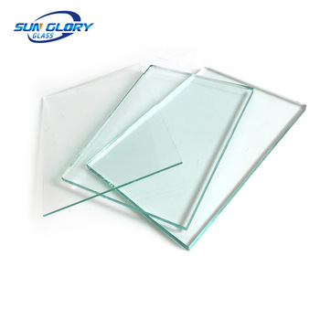
B.4 | Exhaust Fan 4": Supply and install an exhaust fan, the fan should be CE marked with the following: - Power: 220 V, 50 Hz, 32 Watt. - Type: circular. - Sweep: 110 mm, 4". - 5 Plastic Blades. | No. | 18
B.5 | Repairing steel door: repair the existing steel door for the interior toilets , according to the following specifications: -Accessories: three hinges, stop the door, handles, and locks. The price includes: -Removing the old locks, according to the instruction by the Supervisor Engineer. | No | 18
B.6 | Floor tiles (kashi mozaeek): Supply materials, tools, and manpower necessary to remove the old damaged tiles, clean the floor, and install floor tiles 30cm*30cm (kashi mozaeek) no. 3 from good quality with cement sand mortar (1:3) and filling the joints with white cement and dust locally called ( ghabra )the floor should be flat and the joints should be clean. The price includes: -Dumping rubbles outside the building and municipal boundaries. -Doing and all requirements to complete a good work as directed by Supervisor.. | M2 | 45
B.7 | removing the old flush tank: removing the old flush tank with proper fixation with sealing components to avoid water filtration in joints, and instaling new flush tank with straps and nails for eastern WC basin | No | 18 |  | 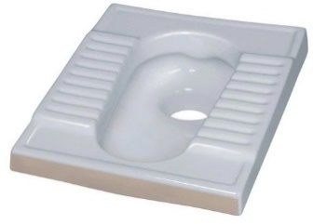
Total of latrine of Camp Shariya school Kurdi 2 |  |  |  | $0.00
Total of all works for the third school
D | Camp Sharia school Kurdi 2
D.1 | Oil Painting for PVC walls: Provide materials and manpower's to paint PVC walls according to bellow instructions: -Cleaning PVC walls by removing dust, smoke traces, peeling paint,..etc. -Fixing damaged plates and frames. -Painting by one layer of Primer paint. -Painting by two layer of oil paint. | m2 | 200
D.2 | repairing Wash Basin: repair existing wash basin, according to the following specifications: -suplying and instaling Mixer tap: single hand - Accessories: bolts, nuts, washers, flexible hose, drainage hose and chained cap. The cost includes removing old broken accesories. | No. | 12
D.3 | 4mm Glass Sheets: Supply and install glasses for windows with bellow specification: -Thickness: 4mm -Installation: using windows putty/Silicon according to the instruction of supervisor. the size of window is 40* 40 cm -Cleaning: Removing the old broken glasses and putties. -Application: UPVC windows. | No | 18
D.4 | Exhaust Fan 4": Supply and install an exhaust fan, the fan should be CE marked with the following: - Power: 220 V, 50 Hz, 32 Watt. - Type: circular. - Sweep: 110 mm, 4". - 5 Plastic Blades. | No. | 15
D.5 | Repairing steel door: repair the existing steel door for the interior toilets , according to the following specifications: -Accessories: three hinges, stop the door, handles, and locks. The price includes: -Removing the old locks, according to the instruction by the Supervisor Engineer. | No | 15
D.6 | Floor tiles (kashi mozaeek): Supply materials, tools, and manpower necessary to remove the old damaged tiles, clean the floor, and install floor tiles 30cm*30cm (kashi mozaeek) no. 3 from good quality with cement sand mortar (1:3) and filling the joints with white cement and dust locally called ( ghabra )the floor should be flat and the joints should be clean. The price includes: -Dumping rubbles outside the building and municipal boundaries. -Doing and all requirements to complete a good work as directed by Supervisor.. | M2 | 27
D.7 | removing the old flush tank: removing the old flush tank with proper fixation with sealing components to avoid water filtration in joints, and instaling new flush tank with straps and nails for eastern WC basin | No | 12
Total of latrine of Camp Shariya school Kurdi 2 |  |  |  | $0
Grand total for the rehabilitation works |  |  |  | $0.00

