Full tent
Project name: Supply 600 full tents (three layers, front, and back, full metal frames) Project location: Ninawa-Qayyara-Jeddah camp Project duration: Other: sample is required for IOM Erbil Warehouse - Gazna Road |  |  |  |  | 
# | Item | Unit | QTY | Unit Price | Total Price | Remarks
1 | Supply a high quality Insulation Layer For The Tent, Include 1 Rolls = 3 pieces Per One Tent Each piece = 2 M Width * 6.25 M Length, should be fire proof with QC test certificate with below specifications: 1. Air Reflective Foil Bubble Tent Insulation Material/Thermal heat Insulation for Tents 2. Reflectivity 96-97% 3. Colour & Dimensions Silver/ foil, 625cm x 200cm (+5cm) 4. Thermal Conductivity: Minimum 0.032W/mk 5. Bubble height: 8-10mm 6. Emissivity: 0.03-0.04 COEF 7. Main Material Aluminium + (single / double) PE bubble + Aluminium 8. Thickness Of Aluminium Foil 3.5 mm (+1mm) 9. Specific Weight 256g/M2 10. Thermal conductivity 0.034 w/m0 11. Apparent Density 85kg/m3 12. Water Vapour Transmission 0.013g/M2 kPa 13. Corrosion Doesn't Degenerate 14. Tensile Strength (MD) 16.98 Mpa 15. Tensile Strength (TD) 16.5 Mpa note: QTY per tent= 1 (one roll) | Set | 600 |  | $- |  | 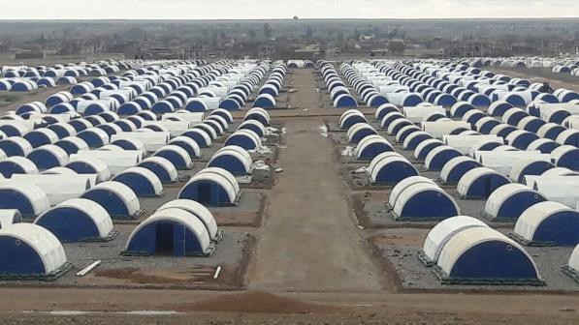
2 | 1. Composition : PVC coated, 100% Polyester 2. Specific weight (g/m²) ISO 3801: 680g/m² (±10%) in finished state. 3. Color: Natural white, 4. Dimensions: 735cm x 625cm (+5cm) 5. Water vapor permeability ISO 17229: Minimum 200g/m2/24h 6. Thickness: 0.5mm (±10%) 7. Temperature resistance Up to 70 Celsius 8. Tensile strength (N) ISO 13934-1 :Warp and weft 850N minimum. 9. Tear resistance started (N) –ISO 9073-4 :Warp and weft 60N minimum. 10. Water-penetration resistance ISO 811 :30h Pa minimum, increasing speed at 100mm per minute. 11. Rain-penetration resistance ISO 5912:2003 : There should be not more than 10 drops of water in maximum 2 places, penetrating inside the outer tent, including through wick effect. 12. Fire resistance/retardancy CPAI-84, 1980, Section 7 (should pass the test) 13. Seams and stitching Seamed (sewn) 2.5 cm thick all the way along the lower skirts (7.35m sides) on both sides fitted with 10mm twisted nylon rope. All seams should be double lock stitched and waterproofed. Loop stitching should be done with the strong, long lasting, neat and precise along the seam. 14. Rope The Seam should be fitted with 10mm thick and 10m long twisted nylon rope to anchor the outer cover. The excess length of the rope should be provided evenly on both sides (approximate 130cm both sides) and should be heat cut at the end. General Features: The outer layer should be 100% Waterproof, Rot proof, UV resistant, Fungus Proof, fireproof and should be strong and durable enough to resist both high winds and snow loading for the entire winter. The Outer layer is made of 2 pieces of tarpaulins with thermal joint in between. The overlap of the attachment should be a minimum of 20cm. note: QTY per tent= 1 (one pcs) |  |  |  |  | 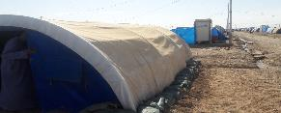 | 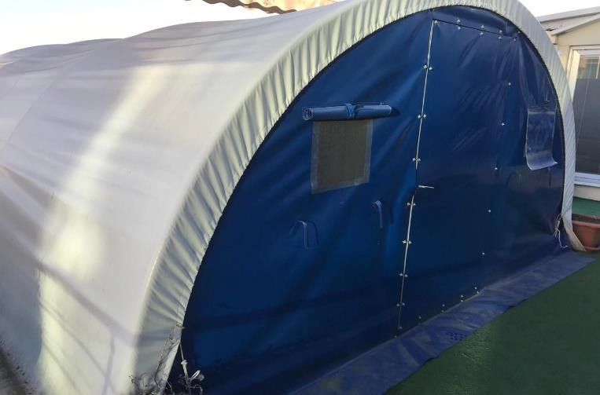
3 | 1. Composition ISO 1833: Polyester and cotton blended fibers yarns Cotton: 40% (±10), Polyester: 60% (±10) i.e., 50 to 70% polyester with balance in cotton or 100% cotton. 2. Specific weight (g/m²) ISO 3801: 130 g/m² [±10%] in finished state. 3. Color: Cream/ sand color with flowers printed. 4. Dimensions: 625 X 630cm (+5cm) 4. Water-vapor permeability ISO 17229 :Minimum 2000g/m²/24h 5. Tensile strength (N) ISO 13934-1 :Warp and weft 300N minimum. 6. Tear resistance, started (N) ISO 9073-4 : Warp and weft 20N minimum. 7. Fire resistance/retardancy CPAI-84, 1980, Section 7 ( lab test) 7. Seams Seamed (sewn) 2.5 cm thick all the way along the lower skirts (6.3m sides) on both sides fitted with 6 mm linen rope for stretching and tightening. General Note: The inner layer should be fire retardant and the materials and additives used in the kit should be non-toxic for human use, free from asbestos and other toxic products. Note1: The inner layer should be fire retardant and the materials and additives used in the kit should be non-toxic for human use, free from asbestos and other toxic products. Note2:non rotten, antibacterial note: QTY per tent= 1 (one pcs) |  |  |  |  | 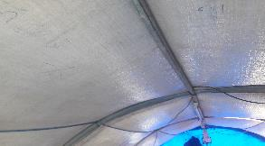
4 | Supply a high quality Front with door (IOM/MoMD tunnel type tent)(front part half circular shape 4.2 m dia with 0.45 m extension with rectangular door and windows: 100% polyester with door of metal structure of galvanized steel tube 1.5 mm thickness, Rectangle shape with dimension 2.6x1.6 cm size or square shape with dimensoin 2cm x 2cm , consist of three horzontal members 1m length and two vertical members of 1.75m length plus frame of two horizontal members of 1.1m length and two vertical members of 1.82m length of the same specification and have two circular tube galvanized steel 1.5 mm thickness and 3.1 mm OD 8cm length with Rubber tape flexible, 18mm wide, (3mm thick) ,front side cambered shape,back side straight shape. with metal small lock Brass door lock, two PCS , size (w=31xL=81)mm, lock dia=11mm, two secrews holes per size, each hole size 5mm with the lock stay place and three Brass door hing size (62x42)mm, 1-1.5 mm thickness, three secrews holes per size, each hole size 5mm dia. ,axe dia. = 4mm with front part 100% polyester or PE weaven fabric 580gsm, water proof,tensil strength 650N, tear resistance 100N, anti UV , two windows (45x32 )cm size with screen net and flaps on outer tent,100% polyester,25holes/cm2, 40gsm a sample is required- see attached drawing and photo) Specific weight of tarpaulin (g/m²) :580 g/m² [±10%] in finished state. Additional Items ▪ Two 6cm piano hinges ▪ One 7cm long door latch, in the same time it uses as a handle (designed for dual use) ▪ 5cm diagonal flat plate (3mm) at base of door to prevent inward swing note: QTY per tent= 1 (one pcs ) |  |  |  |  | 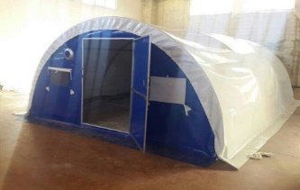 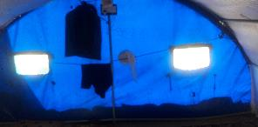
5 | Supply a high quality 1. Composition :PVC coated, 100% Polyester 2. Specific weight (g/m²) ISO 3801 :580g/m² (±10%) in finished state. 3. Color & Dimensions :Blue 4. Thickness :0.5mm (±0.1mm) 5. Size :Semi-circular shape of 255cm radius. [Refer to the detail drawings for front and back side for detail dimensions] 6. Temperature resistance :Up to 70 Celsius 7. Tensile strength ISO 13934-1 :Warp and weft 850N minimum. 8. Tear resistance started (N) ISO 9073-4 :Warp and weft 60N minimum. 9. Water-penetration resistance ISO 811 30h Pa minimum, increasing speed at 100mm per minute. 10. Openings :Front Layer: Cut openings for one door 94cm X 175 cm and two windows 37cm X 33cm size on the location specified in the drawing. Back layer: Cut opening for two windows 37cm X 33cm size and 23cm diameter vent on the location specified in the drawing. Windows: All windows should comprise a fiber glass-PVC screen netting [25 holes/cm2], plain weave, and an openable window flap 57cm X 44cm made of the same tarpaulin material of the PVC front/back, with two eyelets on the bottom corners to fasten. Three Tarpaulin Webbing bands, 40cm long (1 on top, 2 at the bottom corners (Refer to drawings) for each window cover, fixed on outer layer with heavy duty glue or stitching. 11. Seams and stitching Looping seamed (sewn), 2.5 cm thick, all the way round along the semi-circle fitted with 10mm twisted nylon rope. All seams should be double lock stitched and waterproofed. Stitching produce strong, long lasting, neat and professional looking seams. 12. Rope The Seam should be fitted with 10mm thick and 10m long of linen rope [refer to drawings] note: QTY per tent= 1 (one pcs )
6 | Structure Of Tents - Supply a high quality Straight galvanized Pipe (IOM/MoMD tunnel type tent) ( 192 cm lengh, 3 cm diameter, 1.3 mm to 1.5mm thickness ), 17 piece per tent, see attached Photo (Submit a sample) note: QTY per tent= 17 (seventeen pcs ) |  |  |  |  | 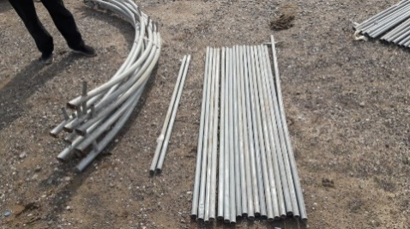
7 | Structure Of Tents - Straight galvanized Pipe for Door (IOM/MoMD tunnel type tent) ( 144.5 cm lengh, 3 cm diameter, 1.3 mm to 1.5mm thickness ), 2 piece per tent, see attached Photo (Submit a sample) note: QTY per tent= 2 (two pcs )
8 | Structure Of Tents - Supply a high quality Straight galvanized Pipe contain cross in one end (IOM/MoMD tunnel type tent) ( 215 cm lengh, 3 cm diameter, 1.3 mm to 1.5mm thickness), 1 piece per tent, see attached Photo (Submit a sample) note: QTY per tent= 1 (one pcs )
9 | Structure Of Tents - Supply a high quality galvanized Archs pipe (IOM/MoMD tunnel type tent)( 670 cm total length with diameter 4.0 cm , 1.3 mm to 1.5mm thickness for male and female archs as below : (335 cm length of female arch and 345 cm length of male arch including 10 cm as a connection point between male and female with diameter 3.8 cm). and in total 4 arch (8 half arch per tent) see attached Photo (Submit a sample) note: two of the archs are using in the front and back (front frame sould match the front layer and door as well the back frame should match the back layer, professionally) General note: connection points using pipes between arches should be welded with 165 cm and 150 cm distance see the (Front layer and back layer drawing) note: QTY per tent= 4 (four pcs) |  |  |  |  | 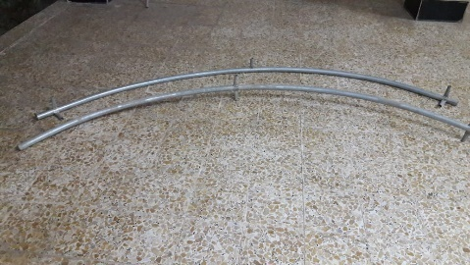
 | Total ($) |  |  |  | $-

all the tent drawings
