Sheet1
visibilities

ITEM NO. | Item | unit | quantity | photo | cost in IQD
1 | T-shirt red or white color with printing SCI logo (embroidery) on both side difference sizes good quality 100% coton | pcs | 1
2 | T-shirt Color white with printing SCI logo (Thermal printing ) on both side,difference sizes with good quality 100% coton | pcs | 1
3 | T-shirt red Color with printing –(SCI logo embroidered front and back), difference sizes good quality 100% coton | pcs | 1
4 | Baseball cap, (red or khaki with embroidered SCI logo on front) | pcs | 1
5 | Baseball cap, (red or khaki with or printed SCI logo on front) | pcs | 1
6 | White Stickers with SCI logo, with other requests, size (20cm X 20cm) , type paper , minimum number 500 pcs | Set of 500 pcs | 1
7 | White Stickers with SCI logo, with other requests, size (20cm X 20cm) , type nylon | pcs | 1
8 | White Stickers with SCI logo, with other requests, size (40cm X 40cm) , type paper | pcs | 1
9 | White Stickers with SCI logo, with other requests, size (40cm X 40cm) , type nylon | pcs | 1
10 | White Stickers with SCI logo, with other requests, size (40cm X 40cm) , type nylon , minimum number 500 pcs | Set of 500 pcs | 1
11 | White Stickers with SCI logo, with other requests, size (120cm X 80cm) , type nylon | pcs | 1
12 | White Stickers with SCI logo, with other requests, size (50cm X 20cm) ,rectangular type nylon | pcs | 1
13 | White Stickers with SCI logo, with other requests, size (60cm X 42cm) ,rectangular type paper, Minimum number 500 pcs | Set of 500 | 1
14 | White Stickers with SCI logo, with other requests, size (60cm X 42cm) ,rectangular type paper, Minimum number 1000 pcs | Set of 1000 | 1
15 | White Stickers with SCI logo, with other requests, size (170cm X60cm) ,rectangular type nylon | pcs | 1
16 | Longsleeve t-shirt Color red or white –(logo embroidered SCI logo and message front and back) difference sizes 100% coton | pcs | 1
17 | Longsleeve t-shirt white Color –(logo Thermal printing SCI logo and message front and back) difference sizes 100% coton | pcs | 1
18 | Longsleeve t-shirt Red Color –(logo Thermal printing SCI logo and message front and back) difference sizes 100% coton | pcs | 1
19 | Longsleeve t-shirt Color red or white –(logo embroidered SCI logo and message front and back) big sizes (XXL, XXXL, XXXXL) sizes 100% coton | pcs | 1
20 | Longsleeve t-shirt white Color –(logo Thermal printing SCI logo and message front and back) big sizes (XXL, XXXL, XXXXL) sizes 100% coton | pcs | 1
21 | Longsleeve t-shirt Red Color –( Thermal printing SCI logo and message front and back) big sizes (XXL, XXXL, XXXXL) sizes 100% coton | pcs | 1
22 | Vest jacket , Khaki color multi-pocaketed fishing/hunting vests with white embroidery SCI logo and message front and back ,difference size | pcs | 1
23 | Vest jacket , Red color multi-pocaketed fishing/hunting vests with white embroidery SCI logo and message front and back ,difference size | pcs | 1
24 | Vest jacket Khaki color multi-pocaketed fishing/hunting vests with Thermal printing logo front and back ,Difference sizes | pcs | 1
25 | Vest jacket Red color multi-pocketed fishing/hunting vests with Thermal printing SCI logo and message front and back, Difference sizes | pcs | 1
26 | Vest jacket Khaki color multi-pocketed fishing/hunting vests with embroidery printing SCI logo only front and back, Difference sizes | pcs | 1
27 | Vest jacket Red color multi-pocketed fishing/hunting vests with embroidery printing SCI logo only front and back, Difference sizes | pcs | 1
28 | Winter Vest jacket Khaki color multi-pocaketed fishing/hunting vests with Thermal printing logo front and back ,Difference sizes | pcs | 1
29 | T-shirt with collar , Color red or white –(logo embroidered front and back) medium 100% coton | pcs | 1 | 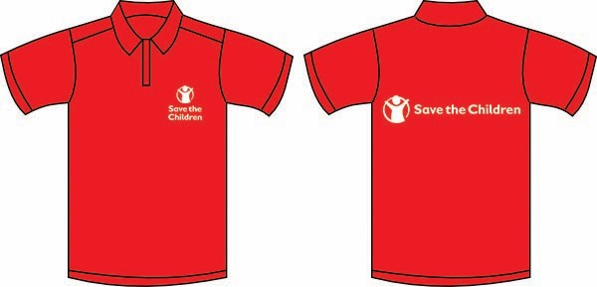
30 | T-shirt with collar , white color –( Thermal printing front and back) medium 100% coton | pcs | 1 | 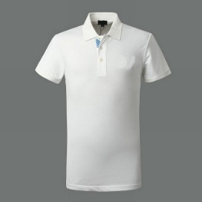
31 | T-shirt with collar , Red color –( Thermal printing front and back) medium 100% coton | pcs | 1
32 | Pull up banner 200*85 cm, type Flex | pcs | 1 | 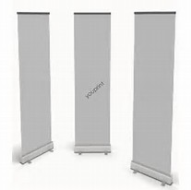
33 | Pull up banner 200*120 cm, type Flex | pcs | 1
34 | Pull up banner 100*180 cm, type Flex | pcs | 1
35 | Welcome Notice board , design Bienvenido pancartas size 100*150 cm with stand 100 cm high, with base iron | pcs | 1 | 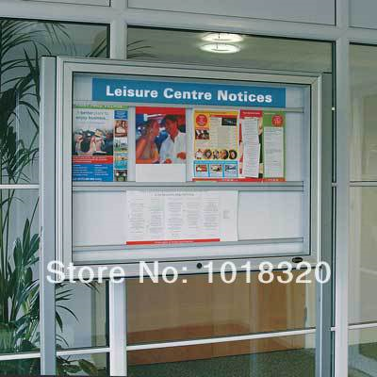
36 | hopscotch games for children | M2 | 1 | 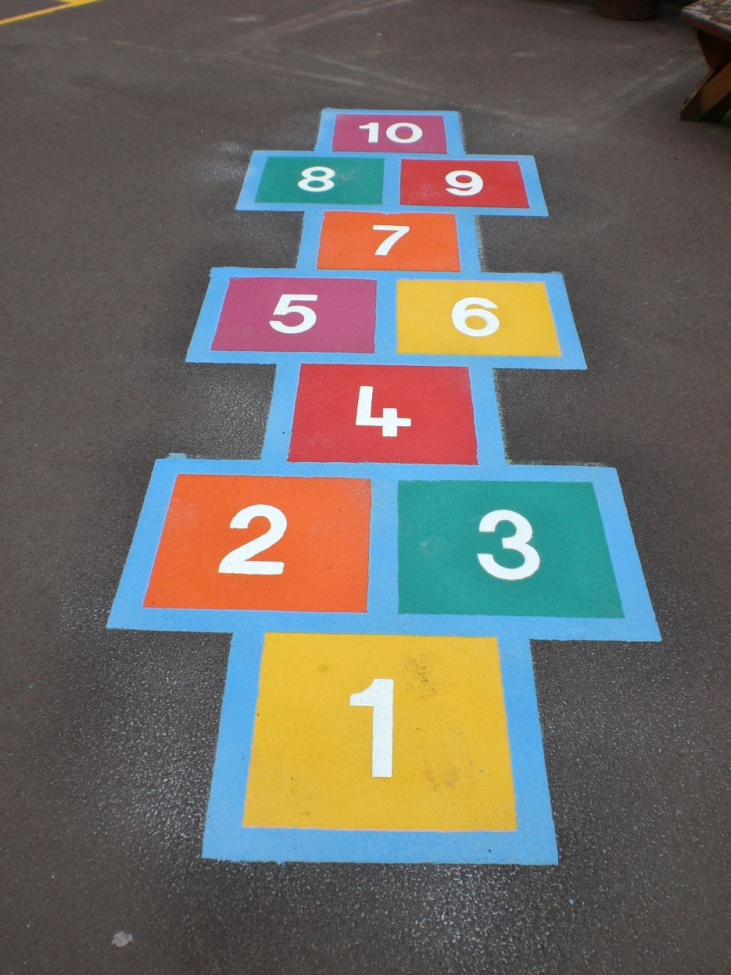
37 | Printing A3 paper Thermal , with cover and spiroll | page | 1 | 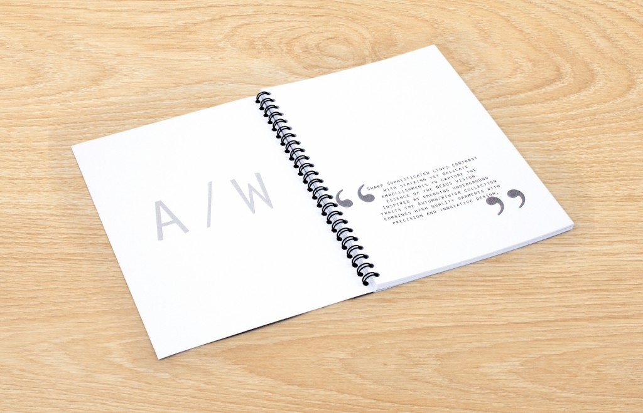
38 | Agenda A5 with printing SCI logo | pcs | 1 | 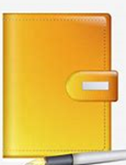
39 | Print A5 agenda on demand, thick paper envelope and transparent nylon with spirul, printed with the organization's logo from both parties and a custom folder 100 sheets, and in half the notepad prints the logo of the organization twice, and in all papers print the organization logo transparently in the middle and from the top clearly | pcs | 1
40 | GSG Flex matt posters A0 size | pcs | 1 | 
41 | GSG sticker matt posters (sticker) normal type size A4, not less than 500 pcs | Set of 500 pcs | 1
42 | GSG Flex matt posters paper (Art shine coverd nylon) e size A4, not less than 500 pcs | Set of 500 pcs | 1
43 | GSG Sticker matt posters paper normal size A3, | pcs | 1
44 | GSG matt posters paper (art shine coverd nylon) e size A3, not less than 500 pcs | Set of 500 pcs | 1
45 | GSG Flex matt posters paper (art shine coverd nylon) size A3, | pcs | 1
46 | GSG matt posters paper (art shine coverd nylon) e size A3, not less than 500 pcs | Set of 500 pcs | 1
47 | hand Note book size 15cmX20cm, with SCI logo and message printed on both sides | pcs | 1 | 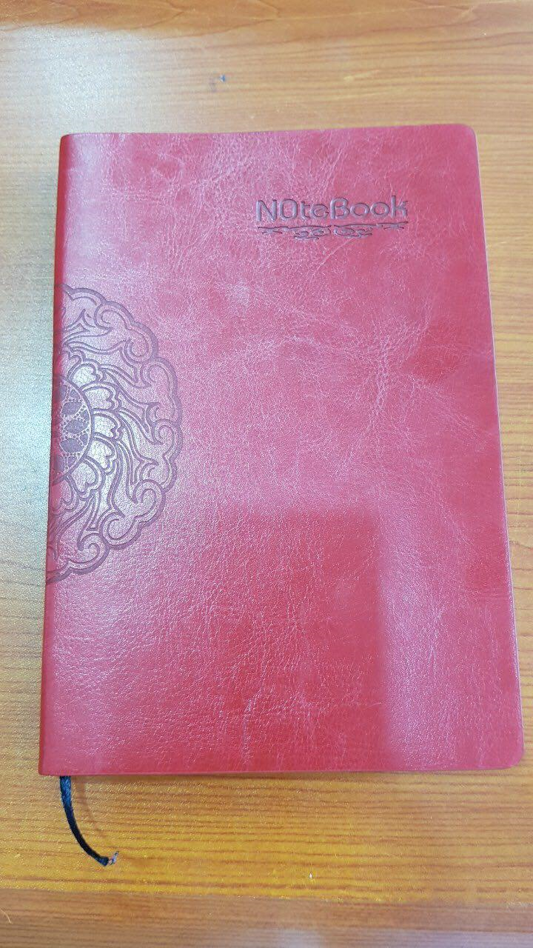
48 | hand Note book size 15cmX20cm, with SCI logo and message printed on one side | pcs | 1
49 | printing A0 size maps on flex paper/poster normal | pcs | 1
50 | printing A0 size maps on flex paper/poster normal , minimum number 500 pcs | Set of 500 pcs | 1
51 | printing maps size A0, waterproof paper type maps, | pcs | 1
52 | printing maps size A0, waterproof paper type maps, minimum number 500 pcs | Set of 500 pcs | 1
53 | printing maps on flex paper/poster normal,minimum number 500 pcs | Set of 500 pcs | 1
54 | printing maps on flex paper/poster normal | pcs | 1
55 | printing maps size A1, waterproof paper type maps | pcs | 1
56 | printing maps size A1, waterproof paper type maps,minimum number 500 pcs | Set of 500 pcs | 1
57 | Glass frame for maps with aluminum rims | M2 | 1
58 | leafletsو Brochures A4 size, paper photo type | pcs | 1
59 | leafletsو Brochures A4 size, both side Art paper photo type, not less than 500 pcs | Set of 500 pcs | 1
60 | leafletsو Brochures A4 size, paper Art type, not less than 500 pcs | Set of 500 pcs | 1
61 | Folds 3 folds (Brochure(3 sides) ) printed colored paper type glossy (Art shining), not less than 500 pcs | Set of 500 pcs | 1
62 | Folds 3 folds (Brochure(3 sides) ) printed colored paper type glossy (Art shining), not less than 1000 pcs | Set of 1000 pcs | 1
63 | Folds 3 folds (Brochure(3 sides) ) printed colored paper type glossy (Art shining), not less than 2000 pcs | Set of 2000 pcs | 1
64 | Folds 3 folds (Brochure(3 sides) ) printed colored paper type glossy (Art shining), not less than 3000 pcs | Set of 3000 pcs | 1
65 | Folds 7 folds (Brochure(7 sides) ) printed colored paper type glossy (Art shining), not less than 500 pcs | Set of 500 pcs | 1
66 | Folds 7 folds (Brochure(7 sides) ) printed colored paper type glossy (Art shining), not less than 1000 pcs | Set of 1000 pcs | 1
67 | Folds 7 folds (Brochure(7 sides) ) printed colored paper type glossy (Art shining), not less than 2000 pcs | Set of 2000 pcs | 1
68 | Folds 7 folds (Brochure(7 sides) ) printed colored paper type glossy (Art shining), not less than 3000 pcs | Set of 3000 pcs | 1
69 | Folds 10 folds (Brochure(10 sides) ) printed colored paper type glossy (Art shining), not less than 500 pcs | Set of 500 pcs | 1
70 | Folds 10 folds (Brochure(10 sides) ) printed colored paper type glossy (Art shining), not less than 1000 pcs | Set of 1000 pcs | 1
71 | Folds 10 folds (Brochure(10 sides) ) printed colored paper type glossy (Art shining), not less than 2000 pcs | Set of 2000 pcs | 1
72 | Folds 10 folds (Brochure(10 sides) ) printed colored paper type glossy (Art shining), not less than 3000 pcs | Set of 3000 pcs | 1
73 | leather paper stand (A4) with SCI logo thermal printing | pcs | 1
74 | Sport dress (T shirt+short) different sizes for football, with SCI logo thermal printing | pcs | 1
75 | spiral Visitors (Record book), spirol A4- 100 Paper, with SCI logo thermal printing | pcs | 1
76 | spiral Visitors (Record book), spirol A4- 200 Paper, with SCI logo thermal printing | pcs | 1
77 | spiral Visitors (Record book), spirol A4- 50 Paper, with SCI logo thermal printing | pcs | 1
78 | Printed bag holder with cover for identity White color with SCI logo | pcs | 1
79 | Red ribbon with thermal printing SCI Printed for identity with bag holdercover | pcs | 1
80 | Agenda with good quality size 15*10 (1/4 A4), with printing SCI logo and Message on both sides, good quality | pcs | 1
81 | Agenda with good quality size 15*10 (1/4 A4), with printing SCI logo and Message on both sides, good quality, minimum number 100 pcs | Set of 100 pcs | 1
82 | Agenda with good quality size 15*10 (1/4 A4), with printing SCI logo and Message on one side, good quality | pcs | 1
83 | Agenda with good quality size 15*10 (1/4 A4), with printing SCI logo and Message on one side, good quality, minimum number 100 pcs | Set of 100 pcs | 1
84 | Work suit printing SCI logo on ( embroidery) with good quality, difference sizes | pcs | 1
85 | Work suit printing SCI logo on (thermal printing) with good quality, difference sizes | pcs | 1
86 | Summer work vests printing SCI logo and message on(Thermal printin) with good quality, difference sizes | pcs | 1
87 | Back bag(Laptop bag) good quality, with AUX , different colors with SCI logo and message thermal printing. good quality | pcs | 1
88 | design office calenders and printing SCI logo and photos (Thermal printing ), good quality, not less than 1000 pcs | Set of 1000 pcs | 1
89 | printed and design wall calendar(paper Art shining nylon cover) A3 size, one page, with printing SCI logo and message om it, with diffirent photos, good quality , not less than 500 pcs | Set of 500 pcs | 1
90 | printed and design wall calendar(paper Art shining nylon cover) A3 size, one page, with printing SCI logo and message om it, with diffirent photos, good quality , not less than 1000 pcs | Set of 1000 pcs | 1
91 | Scarfs printing SCI logo (Thermal printing or embroidery) on them with good quality | pcs | 1
92 | Metal Pens best quality, with printing SCI logo and message on them (Thermal printing ), not less than 1000 pcs | Set of 1000 pcs | 1
93 | plastic Pens best quality, with printing SCI logo and message on them (Thermal printing ), | pcs | 1
94 | Design and print binner with iron frame, and add a corner frame, with SCI logo | m2 | 1
95 | printing Poster (Flex) without frame | m2 | 1
96 | Pictures printing SCI logo on wooden size 40*30,good quality | pcs | 1
97 | Pictures printing SCI logo on wooden size 45*30,good quality | pcs | 1
98 | Pictures printing SCI logo on wooden size 60*40,good quality | pcs | 1
99 | Jacket with printing (Thermal printing Sci logo and message) on both sides, difference sizes,on demand them with good quality | pcs | 1
100 | jacket printing SCI logo and message on (embroidered with blockoand ) on both sides, difference sizes, good quality | pcs | 1
101 | Wall Clocks printing SCI logo on them with good quality | pcs | 1
102 | hand Fabric bracelets placed on the arm with SCI logo and message (embroidery ) | pcs | 1
103 | hand Fabric bracelets placed on the arm with SCI logo and message (thermal printing ) | pcs | 1
104 | hand rubber bracelets placed on the arm with SCI logo and message (thermal printing ), not less than 1000 pcs | Set of 1000 pcs | 1
105 | Tea cups printed with a letter and the SCI logo, good quality, different colors, where each cup is inside a carton | pcs | 1
106 | kleenex packets with printing SCI logo on them | pcs | 1
107 | Stamp rectangular shape, big size | pcs | 1
108 | Stamp rectangular shape, size 822 | pcs | 1
109 | Stamp rectangular shape, size 823 | pcs | 1
110 | Stamp Oval shape, small size | pcs | 1
111 | Stamp Oval shape, big size | pcs | 1
112 | Stamp circular shape, small size | pcs | 1
113 | Stamp circular shape, medium size | pcs | 1
114 | Stamp circular shape, big size | pcs | 1
115 | Printing drawings A3 colored laser paper | pcs | 1
116 | Printing drawings A3 black and white, that can be colored | pcs | 1
117 | Printing drawings A4 black and white, that can be colored | pcs | 1
118 | Print manuals (laser) two-end A4 with Spirul | paper | 1
119 | Print manuals (laser) two-end A4 with noramal press | paper | 1
120 | business cards good quality (Paper-wrapped), printed on both sides, minimum 100 pcs | Set of 100 pcs | 1
121 | business cards equivalent to turkey, 700 gm, with U We sport, printed on both sides,good quality minimum 100 pcs | Set of 1000 pcs | 1
122 | Sponge Dice Big Size | pcs | 1
123 | Design and print Chutes and Ladders game, Different sizes | m2 | 1
124 | Binding A4 books with an art leather cover with SCI logo print and organization's message | Each | 1
125 | Binding A4 books with (paper Art shining nylon cover) with SCI logo print and organization's message , minimum number 100 | Set of 100 pcs | 1
126 | Binding books g with nylon cover, casing with spirul plastic or iron type | pcs | 1
127 | Print color A4 paper, oil paper, one face. | pcs | 1
128 | Print color A4 watery paper one face | pcs | 1
129 | Print color A4 paper, one-sided laser | pcs | 1
130 | Print black and white A4 paper with one face | pcs | 1
131 | Print color A4 paper with two faces | pcs | 1
132 | Print watercolor A4 paper with two faces | pcs | 1
133 | Print A4 colored two-sided laser paper | pcs | 1
134 | Print black and white A4 paper with two faces | pcs | 1
135 | Printing certificates with good quality wooden casing and glossy paper | pcs | 1
136 | Printing certificates with good quality paperback and glossy paper | pcs | 1
137 | printing Certificate on paper glossy | pcs | 1
138 | USB memory 16 Gega , the form of a bracelet printed with the organization's logo and message | pcs | 1
139 | USB memory 8 Gega , the form of a bracelet printed with the organization's logo and message | pcs | 1
140 | Good quality canvas bag with SCI Logo | pcs | 1
141 | Good quality plastic water with tape, printed with the organization logo and message with sticker sticker on the zamzama | pcs | 1
142 | (Ivory bone) with tape, printed with the organization's logo and letter | pcs | 1
143 | Medals printed with the SCI logo | pcs | 1 | 
144 | Printing poster, Flex HD quality , | m2 | 1
145 | Small sponge balls printed with the SCI logo | pcs | 1 | 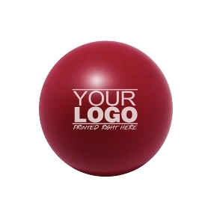
146 | hand bag for teachers , with printed SCI logo | pcs | 1 | 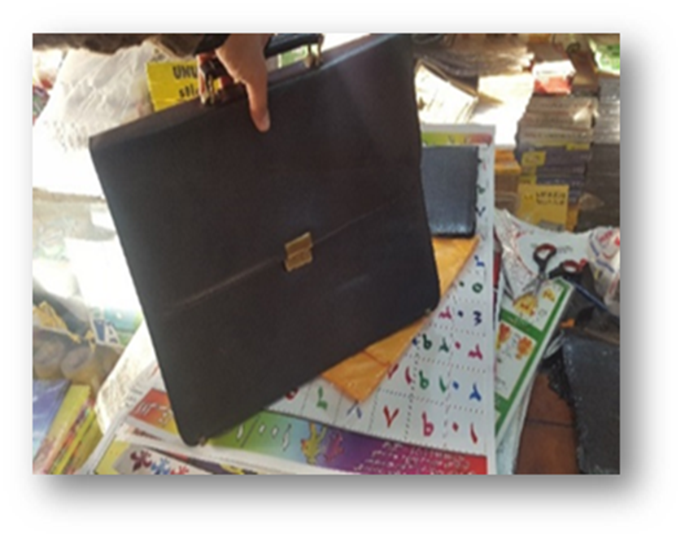
147 | Glass shield with printing on it, according request | pcs | 1 | 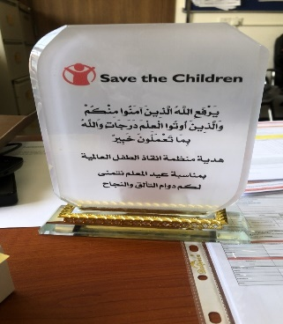
148 | children Umbrella with printed SCI logo or any ECI message | pcs | 1 | 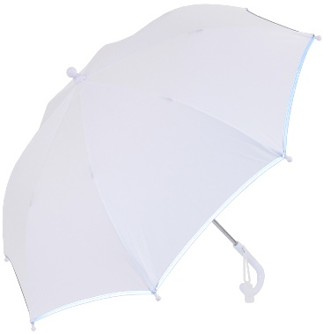
149 | Winter jacket different size for men good quality with SC logo prined on back and front uper side | pcs
150 | Winter jacket different size for women good quality with SC logo prined on back and front uper side | pcs
151 | white packing box with SCI logo and contents with different size -Dimensions | pcs
 |  |  |  | Total

