Sheet1
Bill of Quantity for equipment in Qa'im, Habbaniyah, Muhallabiyah & Tuz

A | Health Centers
1
Item | Description | Unit | Quantity | Price $ | Amount$ | Picture
1 | Laptops: - Core i7 11Generation RAM8 HDD 1T\256 VGA RTX windows installed with MS. | Piece | 4
2 | Printer: - Office printer Canon C3226i New | Piece | 4
3 | Air Conditioner: - Split Air Conditioner 2400 BTU 2 Ton with Installation and warranty | Piece | 4 |  |  | 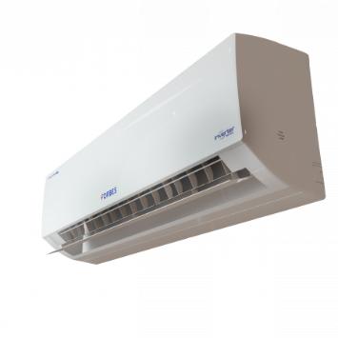
4 | White Boards 120CM*80CM | Piece | 4
5 | Flipchart Stand | piece | 4 |  |  | 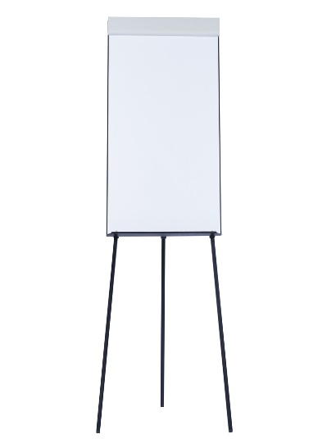
6 | Datashow: VGA, Composite, HDMI, Audio in, USB inputs Display screen size 1.2 - 12 m 800 x 600 pixels resolution SVGA (native) | Piece | 4 |  |  | 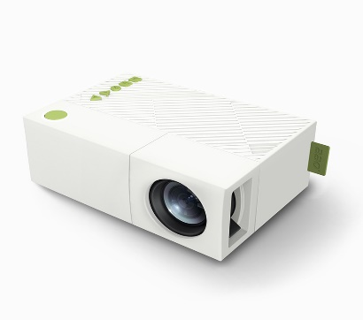
Total |  |  |  |  | $0.00

