Dar AlSalam School
 |  | BoQ - Rehabilitation of Dar AlSalam School in Anbar / Heet
Important notes and conditions |  |  |  | ملاحظات و شروط مهمة
- Access situation to the site premises has to be checked in advance - All the work items should be according to IRAQI General Technical Specifications (IGTS), all applicable Iraqi standards, Iraqi construction codes, Iraqi general conditions for the civil engineering works' contracts (part 1 & part 2), and the Iraqi general conditions for the electrical, mechanical, and chemical engineering works' contracts. - All materials must be NEW from best type and passed the lab tests as approved by supervisor -The unit prices include transportation and providing the materials mentioned in the BoQ. -The contractor shall prepare a Time Schedule for the whole project. - The contractor must set up project boards. - All works in the Bill of Quantities will be done according to supplied design details, specifications, instructions and directions of supervisor. - The contract will be executed as "re-measurement contract" with exact values according to the Iraqi standards not to the common market measuring procedure. - Bidder MUST fill these excel sheets as soft copy and send them within the financial offer. - Bidder MUST print the pdf sheets, fill them by handwriting, sign and stamp every sheet, and scan and send them as a soft copy within the financial offer.- Bidder MUST submit a work schedule timeline with a total duration NOT more than four months. - Submitting bid means that the bidder has read all these conditions and notes and accepts all the conditions. - Bidder MUST carefully read and follow Bidding conditions document, failure to follow this document leads to exclusion of the offer. - Supervising engineer will approve only materials with the BEST quality for ALL the activities regardless of the prices offered by the bidder. |  |  | يجب التاكد من وضع الطريق و امكانية الدخول الى مناطق العمل مقدما جميع الاعمال يجب ان تكون وفق المواصفات العامة العراقية, جميع المواصفات القياسية العراقية النافذة, مدونة الانشاءات العراقية, الشروط العامة لمقاولات اعمال الهندسة المدنية بقسميها الاول و الثاني العراقية, و الشروط العامة لمقاولات اعمال الهندسة الكهربائية و الميكانيكية و الكيميائية العراقية. جميع المواد المستخدمة يجب ان تكون جديدة و من افضل نوعيةو خاضعه للفحص المختبري و حسب موافقة المشرف اسعار الفقرات تشمل النقل و توفير كافة المواد و المستلزمات كما في جدول الكميات المقاول يجب ان يعد مخطط زمني للمشروع على المقاول نصب لوحات دلالة للمشروع جميع الاعمال في جدول الكميات يجب ان تنفذ حسب التصاميم و المواصفات المذكورة و حسب توجيهات المشرف يتم تنفيذ المشروع بطريقة الذرعه الموقعية و بالذرعات الحقيقية حسب المواصفات الهندسية العراقية و ليس حسب الطرق الشائعه يجب على مقدمي العطاءات ملئ جداول الاكسل المرفقة و تقديمها بصيغه اكسل مع العرض المالي يجب على مقدمي العطاءات طباعه جداول الكميات بصيغه (بي دي اف) ثم ملئها يدويا ثم تصويرها الكترونيا ثم ارسالها بملف بصيغة (بي دي اف) مع العرض المالي يجب على مقدمي العطاءات تقديم مخطط زمني لجدول تقدم العمل بمدة عمل كلية لا تزيد عن اربعة اشهر تقديم العطاء يعني قراءة هذه الشروط و الملاحظات و الموافقة عليها من قبل مقدمي العطاءات على مقدمي العطاءات قراءة مستند شروط التقديم بعناية و اتباع تعليماته, الفشل في اتباع هذا المستند يؤدي الى استبعاد العرض المهندس المشرف سيوافق فقط على المواد ذات افضل جودة لجميع الفقرات بغض النظر عن الأسعار التي يقدمها مقدم العطاء
A - Main building
No. | Item | Description | Unit | Quantity | Price USD | Total cost USD | Reference picture (not necessarily the same)
A-1 | concrete column | supply materials and reconstruct the concrete column at the schools' entrance through the following steps: - supporting the slab and beams near the clumn by adequate steel jacks (implementing company is responsible for choosing number and locations of jacks for a safe supprting during reconstruction process) - demolishing the damaged part of the column (lower part) and removing it's footing and all layers beneath them to reach the natural ground level of the area. price includes removing the rubble from the site and dispose them in the locations specified by the municipality - Planting 16 mm diameter steel rebar(4 bars) by drilling 30 cm deep in concrete and then injecting high-strength anchoring adhesive then insert 60 cm long steel bar (the adhesive material's sample and catalogue should be officially submitted by the construction company and approved by the supervisor engineer prior to implementation) - excavating for the foundation of column (80*80) cm to the level of the natural ground. price includes removing the rubble from the site and dispose them in the locations specified by the municipality - compacting the natural ground well, then backfiliing with a layer of subbase 20 cm thick with well compaction - casting the footing (80*80*40) cm with reinforced concrete 30 mPa compressive strength using 16 mm diameter steel rebars. reinforcement placement should be done as a box of rebars containing 5 bars each direction for both top and bottom bars, and 3 stirrups 10 mm diameter. price includes adding column dowels to the foundation using 4 bars 16 mm diameter, length of dowel should be not less than 80 cm - casting concrete column using 30 mPa concrete reinforced with 4 bars 16 mm diameter and 10 mm stirrups at 20 cm intervals. price includes wood forworks and all other requirements (topmost portion of column must be treated with injection of specialized concrete repair epoxy material, the material's sample and catalogue should | LS | 1 |  | 0
A-2 | Expansion joints repair | Supply materials and repair the expansion joints of the building according to the instructions of the supervising engineer and through the following steps: |  |  |  |  | 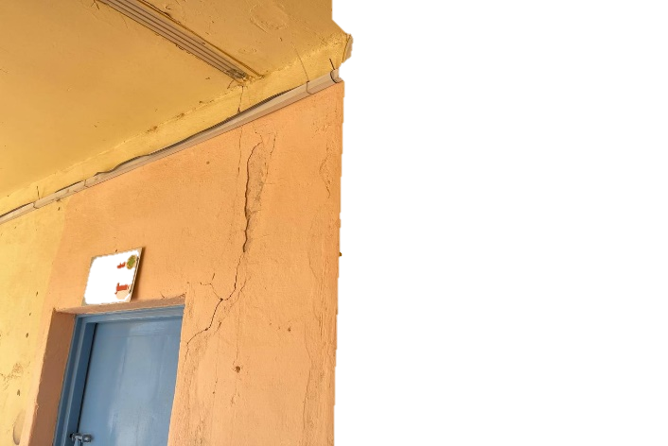
 |  | remove the joint's cover and plastering layers and/or concrete caps over the joint. Price includes removal of rubble and dispose it in the locations specified by the municipality | ml | 60 |  | 0
 |  | cleaning all obstacles inside the joint then, inserting Sponge Cord inside the joint 50 mm deep | ml | 60 |  | 0 | 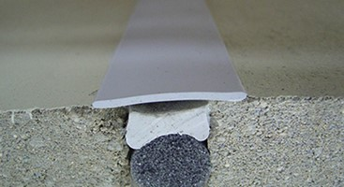
 |  | sealing the joint with special flexible joint treatment material. the material's sample and catalogue should be officially submitted by the construction company and approved by the supervisor engineer prior to implementation. | ml | 60 |  | 0
 |  | finishing the joint cover by new aluminum joint cover strips for indoor ends of the joint. The strips must be fixed by screws to one side of the joint and free cover the other side (to allow thermal movement) according to the instructions of the supervising engineer | ml | 48 |  | 0
 |  | finishing the joint cover by casting concrete caps of L-shaped section with 25 mPa concrete using sulphate resisting cement for the roof ends of the joint. Reinforcements should be done by 6 bars of 12 mm diameter and stirrups of 10 mm diameter at 25 cm spacing, according to the instructions of the supervising engineer. | ml | 12 |  | 0 | -
A-3 | Windows rehabilitation | Supply materials and rehabilitate the windows by changing the handles, changing the broken glass, painting the steel parts of the window with oil paints according to the type and color approved by the supervising engineer, instaling anti-insect mesh, and install transparent glass protective film according to the instruction of the supervising engineer | Pcs | 50 |  | 0 | 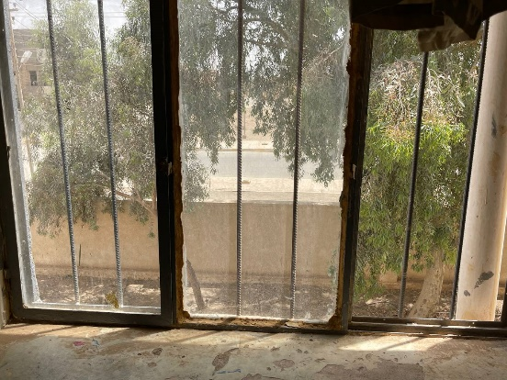 -
A-4 | Doors rehabilitation | Supply materials and rahibilitate steel doors by adding lock with key hardware and handles, re-welding all damaged welds, patching holes (if any), remove old painting, and paint with new oil based paints according to the type and color approved by the supervising engineer. price includes smoothing all welding points and sharp edges with angle grinder, and painting with antirust before the finishing paint. | Pcs | 35 |  | 0 | -
A-5 | Floor replacement | Supply materials and remove the ground floor tiles, underlaying concrete, and layers beneath to reach depth enough to install the new floor finish with the same existing level. price includes disposing the rubble to the location specified by the municipality, then casting 10 cm concrete using sulphate resisting cement and installing new mosaic tiles (40*40) cm with cement mortar using sulphate resisting cement according to the instructions of the supervising engineer (tile's sample must be submitted and officially approved by the supervising engineer prior to implementation). price includes jointing with white cement paste. | m2 | 550 |  | 0 | -
A-6 | Skirting | Supply materials and remove plastering 10 cm height and install 10 cm spanish or equivalent ceramic skirting with cement mortar using sulphate resisting cement and mixing with SBR according to the instructions of the supervising engineer. Price includes pointing joints with cement paste, and dispose rubble to the locations specified by the municipality. | ml | 200 |  | 0 | -
A-7 | Outside footage rehabilitation | Supply materials and remove the damaged concrete finish for the corner of the exterior walls to the outdoor walkways, dispose the rubble to the locations specified by the municipality, then re-plastering the corners with cement mortar using sulphate resisting cement according to the instructions of the supervising engineer. | ml | 90 |  | 0 | -
A-8 | Safety railing | Supply materials and install steel safety railing connected to the columns from both sides with 4 roll bolts 10 mm each side. Safety railing must be made of 10 cm spaced square steel rods (45o inclined pattern with horizontal rod on top of the pattern), sides and bottom must be made of 2 inch angle section with the rods welded to the inner side of the angle section and faced towards the outer space, according to the drawings. Railing height must be not less than 50 cm. Price includes welding, smoothing of welds and sharp edges, painting with antirust, and oil painting according to the type and color selected by the supervising engineer. Safety railing inner surface must be aligned with the inner surface of the existing masonry edge to prevent climbing the edge. Each railing must consist of two seperated parts to allow for expansion without affecting the columns, as shown in the drawings. Each part should be fixed to the existing masonry edge by 4 roll bolts 10 mm diameter with a suitable spacing. All works must be done according to the drawings and the instructions of the supervising engineer. | ml | 55 |  | 0 | 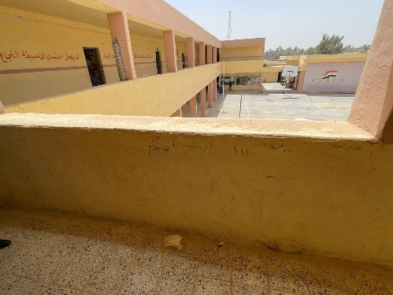
A-9 | Mastic renewal | Supply materials and remove the damaged mastic finish for the roofing, dispose the rubble to the locations specified by the municipality, and fill the joints of styger with mastic according to the instructions of the supervising engineer. | m2 | 550 |  | 0 | 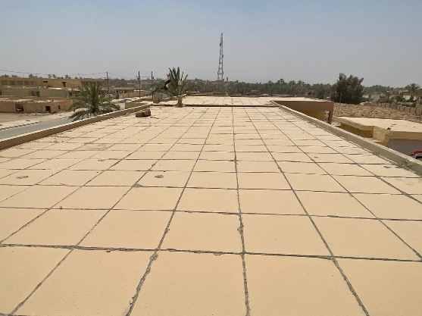 -
A-10 | Water coolers sanitary | Supply materials and establish drainage line for the water coolers in the ground floor according to the instructions of the supervising engineer and through the following steps: - excavate a trench for the sanitary pipes through the existing concrete ground, 60 cm wide. price includes compacting the trench's base, backfilling by clean sand around the pipe, and backfilling with soil to reach the top of the treanch with compaction of the top layer - install 4 inch diameter PVC pipes, best type, with all necessary materials, fittings, cleanouts, and accessories Price includes connecting the water coolers to the sewer properly by using floor drains and drain hoses for each cooler | ml | 5 |  | 0 | 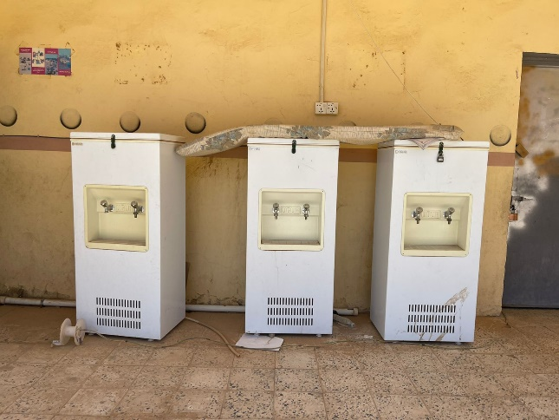
A-11 | Water coolers inlets | Supply materials and establish water network for the water coolers in the ground floor before applying tiles according to the instructions of the supervising engineer by installing 3/4 inch diameter PVC pipes, reinforced best type, with all necessary materials, fittings, and accessories. price includes connecting the water coolers to the network by special hoses with shut valve for each inlet. | ml | 15 |  | 0 | -
A-12 | Bench with sunshade | Supply materials and install bench according to the instructions of the supervising engineer with the following dimensions: total length not less than 1.5 m total height not less than 2.3 m backrest height not less than 80 cm total width not less than 80 cm seat height not less than 35 cm seat depth not less than 35 cm the structure must be made of 3 inch steel section, sunshade must be of corrugated sheets (fiberglass), seat and backrest must be made of wood strips, (20*20) cm base plate must be attached to the bottom of supports (legs). All steel sections and welds must be smoothed, painted with antirust, and oil painting. The bench must be designed and installed in a stable way against flipover. | Pcs | 6 |  | 0 | 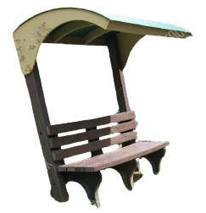
A-13 | Wooden Doors removal | Supply materials and remove the damaged wooden doors with their wood frames and dispose the rubble to the locations specified by the municipality. According to the instructions of the supervising engineer. | Pcs | 3 |  | 0 | 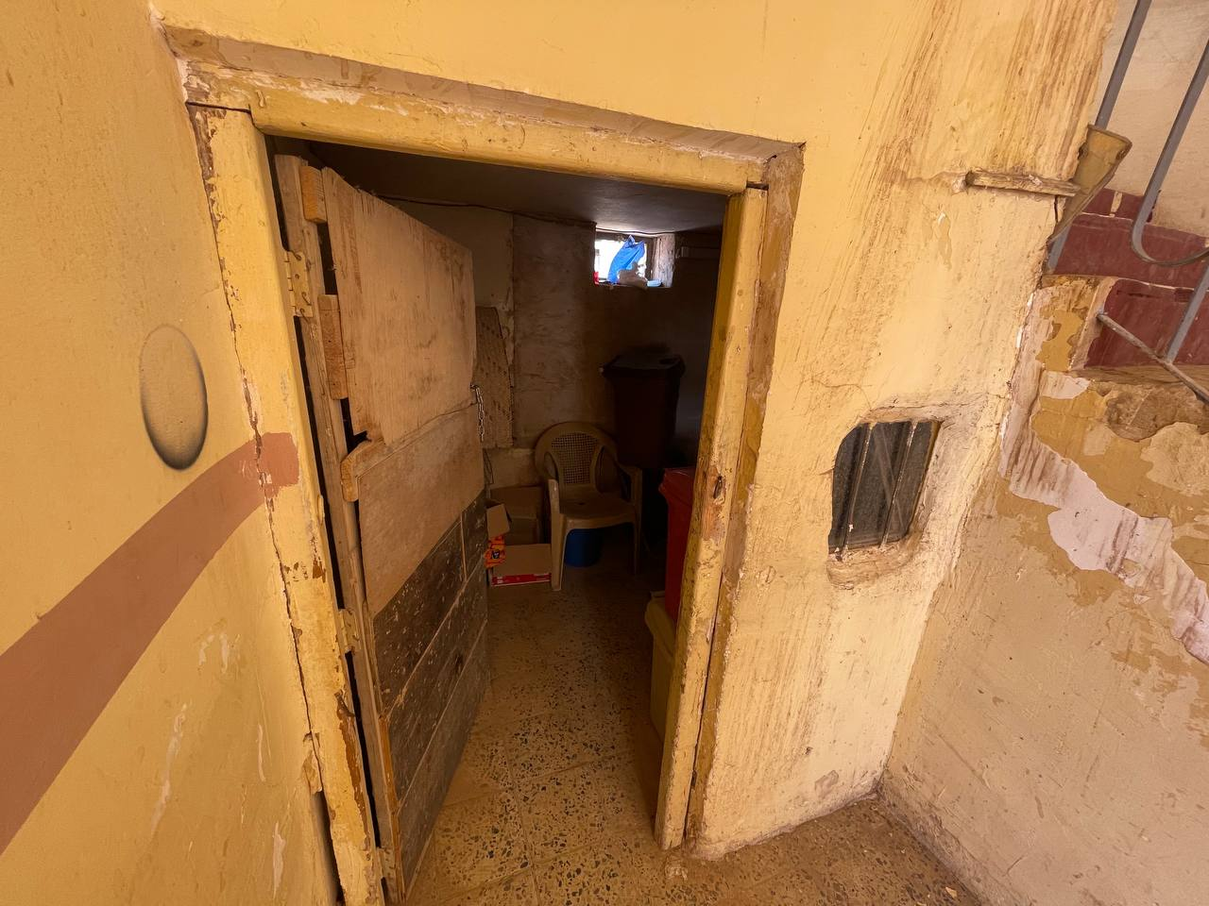
A-14 | Steel door | Supply materials and install steel door (1*2.1) m with steel frame, (compressed both sides) using 1.5 mm thickness plate, price includes painting with antirust and oil paints and all accessories of work needed. According to the drawings and instructions of the supervising engineer. The price includes lock with key hardware, hinges, and handles. Price includes repairing the finishes of the walls around the doors after installation as per the instructions of the supervising engineer | Pcs | 3 |  | 0
A-15 | Walls' treatment and Painting | Supply materials and repair the cracks in walls by the special repair materials (material's sample and catalogue should be officially submitted by the construction company and approved by the supervisor engineer prior to implementation), treat the damp damage in the walls, treat any defect in the walls' finishes, and paint the walls by emulsion paints according to the color and type specified by the supervising engineer | m2 | 4000 |  | 0 | -
A-16 | Caravan | Supply materials and construct a (4*4) m prefabricated room (caravan) using C section steel 6 inches with 3mm thickness for the structure of the base, while making a network of rectangular section tube steel measuring (4 * 2) inches with 3mm thickness for the base of the caravan, which must be covered with 18 mm plywood with anti-slip rubber floor cover, and the use of angle steel section (3 inch with 3 mm thickness) for columns of walls . All steel sections and welds should be smoothed, painted with antirust and oil paints according to the type and color selected by the supervising engineer. price includes wrapping with sandwich panels of 5 cm thickness for walls and ceilings with the installation of 2 PVC doors with dimensions (1 * 2) and 2 PVC windows with dimensions (1 * 1). Price includes two indoor florescent light, two gang switches, 13A double switched socket, internal wires to be 1.5mm for lighting and 2.5mm for the sockets, main circuit breaker (single pole) 20A installed on isolated box. with everything necessary to complete the work and according to the directions of the supervising engineer | Pcs | 1 |  | 0 | -
A-17 | Evaporative air coolers | Supply materials and install (duct type) evaporative air coolers "OUBER FAB18-IQ" or equivalent with the following specifications: * Air flow = 18000 m3/h * Air outlet: Side * power = 1.1 kW * dimensions (not less than) : 100*100*95 cm * Fan Type: Axial * Controller: LCD Screen, Remote Control (15 m coverage), not less than 50 speeds * Water Lack Protection * Applicable Area: 100-150 m2 * Water Container: 25 L price includes installing 4 wall air vents (diffusers) for each air cooler. Air vents should be properly attached to the windows according to the instructions of the supervising engineer. | Pcs | 5 |  | 0 | 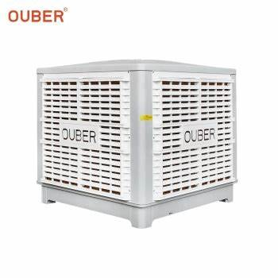
A-18 | Ducts | Supply materials and install galvanized steel ducts from the air coolers to the classrooms. Ducts must be designed in such a way each air cooler can serve 4 classrooms. Design of the ducts should be submitted by the construction company and approved by the supervising engineer prior to implementation. price includes covering the ducts with thermal and damp insulators. all works must be according to the instructions of the supervising engineer. | ml | 100 |  | 0 | -
A-19 | Main Switch Board (M.S.B.) | Supply materials and install main switch board, dimensions (120*80) cm using rubber gaskets and equipped with Bus bars 600A 4No with earth bus bar, the price also includes the required 1 Main circuit breaker 600 A three phase and 2 Sub-circuit breakers 200 A three phase and one Sub-circuit breaker 50 A and 1 Piece of Volt- and Amperemeter and 3 pcs. Signal lamps, insulators, switches and etc., all items should be arranged properly, affords a high degree of safety operation. Note: Main circuit breaker and Sub- Curcuit breakers should be LEGRAND or Group Schneider or ABB original mark or equivalent. circuit breakers' samples must be submitted and officially approved by the supervising engineer prior to implementation | Pcs | 1 |  | 0 | -
A-20 | Sub-Distribution board 18 lines | Supply and provide material to install Sub-Distribution board 18 lines. The board should include all required circut breakers according to the capacity and type selected by the supervising engineer, and three phase change over with capacity 200 amp Schneider or equivelent using suitable cable size for connections, insulators, switches and etc., all items should be arranged properly, affords a high degree of safety operation. circuit breakers' samples must be submitted and officially approved by the supervising engineer prior to implementation | Pcs | 2 |  | 0 | -
A-21 | Switch Socket, 13 A, 230 V | Supply, connect and operate electrical point with electrical Plug switch of 13 Amp capacity using single copper wires (3x2.5) mm2, price includes supplying and installing galvanized steel electrical box, cable trays and connecting it to distribution board with all installation and connection accessories, and all the required works to complete the work according to the instructions of the supervising engineer. | Pcs | 8 |  | 0 | -
A-22 | Lighting Fixture Led (tube) | Supply materials and install white colour indoor lighting fixture 4 ft size (for surface mounting). Best quality according to instruction of supervising engineer. Price includes all necessary cables 3 x 1,5 mm2, switches and trunks, plastic pipes or conduits fit for purpose. Samples must be submitted by the construction company and approved by the supervising engineer prior to implementation | Pcs | 50 |  | 0 | -
A-23 | Lighting Fixture Led (waterproof) | Supply materials and install white colour outdoor lighting fixture 4 ft size (for surface mounting). Best quality according to instruction of supervising engineer. Price includes all necessary cables 3 x 1,5 mm2, switches and trunks, plastic pipes or conduits fit for purpose. Samples must be submitted by the construction company and approved by the supervising engineer prior to implementation | Pcs | 30 |  | 0 | 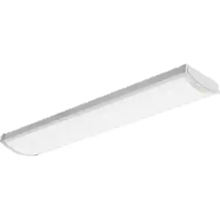 -
A-24 | Electrical network rehabilitation | Supply materials and rehabilitate the electrical network including all connections and wirings. All network must be connected in such a way to achieve a safe electrical system. | LS | 1 |  | 0 | -
A-25 | Ceiling fan | Supply materials and install celing fan "Panasonic" or equivalent, size 56 inch, with safety hook, safety wire, safety screw, and safety fuse. Price includes all electrical requirements including cables, connection to the electrical system, and regulator. construction company will be responsible for safe connection of the fan. Samples must be submitted by the construction company and approved by the supervising engineer prior to implementation | Pcs | 50 |  | 0 | 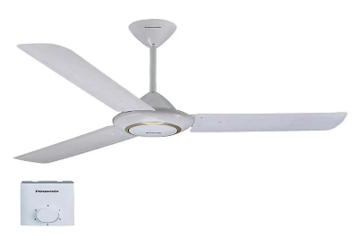
A-26 | Energy saving light | Install and operate a surface type ceiling/wall mounted single fluorescent "Nextlite" or equivelant ,100 watt with all required wiring system(2x1.5mm2) and switches, as per the approval of supervisor engineer.Price includes supplying and connecting electrical switch to the source and fluorcent to the switch according to the instructions of the supervising engineer. Samples must be submitted by the construction company and approved by the supervising engineer prior to implementation | Pcs | 100 |  | 0 | 
A-27 | High tension electrical wire | Supply and connect electrical high tension aluminum wire 1*95 mm2 for connection between power grid with transformer, price includes insulators, connections, and all the necessary accessories according to the instructions of the supervising engineer. | ml | 30 |  | 0 | -
A-28 | Low tension electrical cable | Supply, transport and connect the electrical cable size 4*70 between the transformer and main electrical board. Pure copper should be used, Saudian or equivalent. The price include using a cable tray to cover the cable. | ml | 30 |  | 0 | -
A-29 | Roof protection | Supply materials and apply roof coat material "Jotun- ROOFGUARD" or equivalent for waterproofing. Roof surface must be perfectly cleaned before applying material. Material should be applied according to the mannual provided by the manufacturer and the instructions of the supervising engineer. Samples must be submitted by the construction company and approved by the supervising engineer prior to implementation. | m2 | 170 |  | 0 | -
A-30 | Powder type fire extinguisher | Deliver and assemble, conceived and designed in accordance with EN 3. Pressure lever faucet (brass), 1-handle operation, internal CO2 pressure gas steel bottle. 9 ltr. or 12 ltr. content, freeze-proof to -30° C (AB), with spray nozzle. Ø 190 mm, height 550 mm. Performance classes / ratings 21 A and 183 B, extinguishing agent units (LE) 6 Permitting in accordance to the governmental rules and regulations. | Pcs | 10 |  | 0 | -
A-31 | CO2 type fire extinguisher | Deliver and assemble, conceived and designed in accordance with EN 3. Pressure lever faucet (brass). 1-handle operation. Internal powder. Permitting in accordance to the governmental rules and regulations. | Pcs | 4 |  | 0
 |  |  | SubTotal A |  |  | 0 | USD
B - Pupils' WC
B-1 | Basin removal | Supply materials and demolish the existing basin and dispose the rubble to the locations specified by the municipality. | ml | 2.5 |  | 0 | 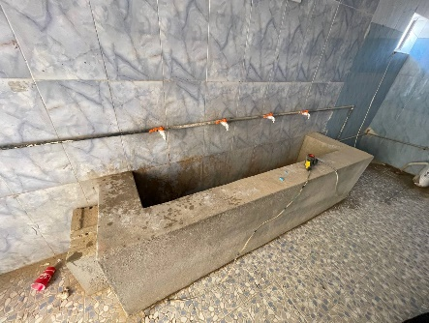
B-2 | Granite washbasin | Supply materials and install triple sink washbasin. The basin should be made of artificial granite (one integrated piece consisting of three sinks and wings). A steel structure made of 4 inch square section must be used to hold the washbasin. The steel structure should be fixed to the wall and ground according to the instructions of the supervising engineer. Price includes making openings for the taps/mixers according to the instructions of the supervising engineer. | ml | 2.5 |  | 0
B-3 | Water network | Supply materials and install hot and cold water network (fixed to walls) using 3/4 inch reinforced PPR pipes Turkish or equivalent. Price includes all required fittings, thermal welding, clips, and all other requirements according to the instructions of the supervising engineer. | ml | 20 |  | 0 | -
B-4 | Basin Mixer Taps | Supply materials and install mixer taps "Grohe" or equivalent, best quality. Price includes connecting to the water source by special hoses for hot and cold water, two angle valves with each mixer, an adjustable drain hose/tube, and all required fittings and accessories according to the instructions of the supervising engineer. Samples must be submitted by the construction company and approved by the supervising engineer prior to implementation | Pcs | 3 |  | 0
B-5 | Liquid soap dispenser | Supply materials and install wall mounted liquid soap dispenser, best quality, according to the instructions of the supervising engineer. Dispenser's Sample must be submitted by the construction company and approved by the supervising engineer prior to implementation. | Pcs | 3 |  | 0
B-6 | Western toilet | Supply materials and install white ceramic western toilet including flush tank (one-piece), toilet must be well fixed to the ground. Price includes connecting to the water and sanitary networks, angle valves, and all required fittings and accessories according to the instructions of the supervising engineer. Samples must be submitted by the construction company and approved by the supervising engineer prior to implementation. | Pcs | 1 |  | 0 | -
B-7 | Water mixer and Chrome handheld bidet | Supply materials and install hot-cold water mixer with chrome handheld bidet (wall mounted) "Grohe or equivalent". Price includes connecting to the water source and well fixing to the wall according to the instructions of the supervising engineer. Samples must be submitted by the construction company and approved by the supervising engineer prior to implementation. | Pcs | 1 |  | 0 | 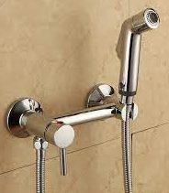
B-8 | Disludging | Supply materials and disludge the sanitary network according to the instructions of the supervising engineer, the network contains 10 drain points and it is connected to a septic tank. | LS | 1 |  | 0 | -
B-9 | Flush tank | Supply materials and install wall mounted flush tank for the existing eastern toilets. The old tanks shoukd be removed and disposed to the locations specified by the municipality. The new tank should be connected to the water source and to the toilets with all washers and sealers perfectly. Samples must be submitted by the construction company and approved by the supervising engineer prior to implementation. | Pcs | 6 |  | 0
B-10 | Water tank | Supply and install storage water tank (1000) L in size, PVC type of Minimum three layers reinforced. the price includes the installation and connecting of Plastic pipes measuring 3/4 inch, complete with valves, floating valve, overflow, drain inlets and outlets with all necessary fittings and seat blocks. Tank should be place above the building. Samples must be submitted by the construction company and approved by the supervising engineer prior to implementation. | Pcs | 3 |  | 0 | -
B-11 | Water heater | Supply materials and install wall mounted vertical water heater "Heatex" or equivalent, 45 L capacity. Price includes connecting to the electric source with all necessary cables and circuit breakers according to the instructions of the supervising engineer, all necessary water pipes, safety valves, and shut valves for warm and cold water. the heater should be fixed to the wall according to the instruction and location selected by the supervising engineer. Samples must be submitted by the construction company and approved by the supervising engineer prior to implementation. Note: Heater's thermostat must be adjusted to a suitably low temprature before operation to ensure safety of pupils against hot water burns (a special acceptance document must be signed by supervising authority before operation of the heater). | Pcs | 1 |  | 0 | 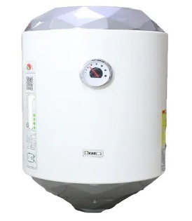
B-12 | Damp proof light | Install and operate a surface type damp proof, ceiling/wall mounted single fluorescent "Nextlite" or equivelant ,100 watt with all required wiring system(2x1.5mm2) and switches, as per the approval of supervisor engineer.Price includes supplying and connecting electrical switch to the source and fluorcent to the switch according to the instructions of the supervising engineer. Samples must be submitted by the construction company and approved by the supervising engineer prior to implementation | Pcs | 6 |  | 0 | -
B-13 | Exhaust fan | Supply materials and install exhaust fan for mounting in window pane of WC´s according to the instructions of the site engineer, size 6 inch, with self-acting external louvres, with all necessary accessories and switches, plastic pipes, conduits. Price includes cable (3*1.5 mm2) and conection to the source. Samples must be submitted by the construction company and approved by the supervising engineer prior to implementation | Pcs | 6 |  | 0 | -
B-14 | Water pump | Supply materials and install automatic domestic water pump "INGCO" or equivalent, 1 Hp, 50 lit/min, 1 inch size for inlet and outlet, with ball valve and all fittings according to the instructions of the supervising engineer (with steel box for protection) and all accessories. The price includes connecting the pump with electrical source using wire 3*2.5 mm and socket. Samples must be submitted by the construction company and approved by the supervising engineer prior to implementation | Pcs | 1 |  | 0
B-15 | Water Tank Float Switch | Supply materials and install Water Tank Float Switch best type in market according to the instructions of the supervising engineer. Price includes connecting to the electical source with the pump. Samples must be submitted by the construction company and approved by the supervising engineer prior to implementation. | Pcs | 3 |  | 0
 |  |  | SubTotal B |  |  | 0 | USD
C - Teachers' WC
C-1 | Ground slab removal | Supply materials and remove the ground slab, the damaged earth layers below it (20 cm), and the old sanitary network and fixtures in the WC and remove the damaged concrete slab at the entrance of the WC. Price includes removal of rubble and dispose it to the locations specified by the municipality. | m2 | 13 |  | 0 | -
C-2 | Sanitary network | Supply materials and install UV-resistant and high pressure (4") dia. PVC pipes Egyption origin or equivelent with all necessary materials and cleaning openings according to the instructions of the site engineer with all necessary work. Including all fittings, floor drains, gully traps, and all attachments and accessories. | ml | 10 |  | 0 | -
C-3 | Subbase filling | Supply materials and fill a layer with sub-base materials (type B) where required with compaction (according to the instructions of the supervising engineer) in layers 20 cm thickness. | m2 | 13 |  | 0 | -
C-4 | Concrete under tiles | Supply materials and cast plain concrete using sulphate resisting cement (15 cm thickness) according to the instructions of the supervising engineer. | m2 | 13 |  | 0 | -
C-5 | Floor ceramic | Supply materials and clad the toilets floor with ceramic tiles (30*30) cm Spanish type or equivelent, rough surface with all necessary works by a layer of cement sand mortar 1:3 according to instructions of site engineer.Price includes filling the joints with white cement and ensure curing for all the applied ceramics. Samples must be submitted by the construction company and approved by the supervising engineer prior to implementation. | m2 | 4 |  | 0 | -
C-6 | Water mixer and Chrome handheld bidet | Supply materials and install hot-cold water mixer with chrome handheld bidet (wall mounted) "Grohe or equivalent". Price includes connecting to the water source and well fixing to the wall according to the instructions of the supervising engineer. Samples must be submitted by the construction company and approved by the supervising engineer prior to implementation. | Pcs | 1 |  | 0
C-7 | Water network | Supply materials and install hot and cold water network (fixed to walls) using 3/4 inch reinforced PPR pipes Turkish or equivalent. Price includes all required fittings, thermal welding, clips, and all other requirements according to the instructions of the supervising engineer. | ml | 10 |  | 0 | -
C-8 | Liquid soap dispenser | Supply materials and install wall mounted liquid soap dispenser, best quality, according to the instructions of the supervising engineer. Dispenser's Sample must be submitted by the construction company and approved by the supervising engineer prior to implementation. | Pcs | 1 |  | 0
C-9 | Western toilet | Supply materials and install white ceramic western toilet including flush tank (one-piece), toilet must be well fixed to the ground. Price includes connecting to the water and sanitary networks, angle valves, and all required fittings and accessories according to the instructions of the supervising engineer. Samples must be submitted by the construction company and approved by the supervising engineer prior to implementation. | Pcs | 1 |  | 0 | -
C-10 | Water heater | Supply materials and install wall mounted vertical water heater "Heatex" or equivalent, 45 L capacity. Price includes connecting to the electric source with all necessary cables and circuit breakers according to the instructions of the supervising engineer, all necessary water pipes, safety valves, and shut valves for warm and cold water. the heater should be fixed to the wall according to the instruction and location selected by the supervising engineer. Samples must be submitted by the construction company and approved by the supervising engineer prior to implementation. | Pcs | 1 |  | 0 | 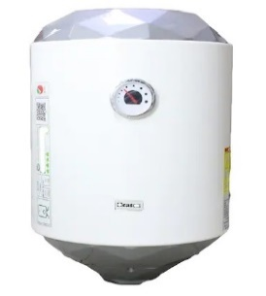
C-11 | Handwash basin | Supply materials and install wall mounted handwash basin, size 0.45 m x 0.45 m and sink height should be 0.8 m from the floor. The work includes high pressure connection steel hose, chromium plated stop valves, two angle valve, flex drain hose and all related accessories, and including connecting to the water and sanitary networks. With all needed works, Paper towel dispenser out of stainless steel. Price includes supply and install basin mixer tap "GROHE" or equivalent. Water mixer handle should be valve handle at a height of 0.90 m from the floor. All samples must be submitted by the construction company and approved by the supervising engineer prior to implementation. | Pcs | 1 |  | 0 | -
 |  |  | SubTotal C |  |  | 0 | USD
D - Conference hall changes
D-1 | Excavation | Supply materials and excavate for the foundation of the partition throuh the existing floor layers and dispose the rubble to the locations specified by the municipality. Edges of the adjacent floor finishes must be kept out of damage and treated according to the instructions of the supervising engineer. | m3 | 2.5 |  | 0 | -
D-2 | Boulders | Supply materials and lay 10 cm thick layer of boulders with compaction according to the instructions of the supervising engineer. | m2 | 4 |  | 0 | -
D-3 | Subbase | Supply materials and lay 20 cm thick layer of subbase with compaction and spraying with termite prevention material according to the mix instruction specified by the manufacturer and the instructions of the supervising engineer. | m2 | 4 |  | 0 | -
D-4 | Foundation concrete | Supply materials and cast reinforced concrete for the foundation using C30 concrete with sulphate resisting cement. Reinforcements should be made of 6 bars 16 mm diam and stirrups 10 mm diameter at 20 cm spacing. clear cover should not be less than 70 mm and plastic spacers should be used to achieve the cover. | m3 | 2 |  | 0 | -
D-5 | Brickwork under DPC | Supply materials and build under DPC with red clay brick by cement sand mortar using sulphate resisting cement. price includes plastering all the sides and painting with flitcoat according to the instructions of the supervising enginner. | m3 | 2 |  | 0 | -
D-6 | DPC concrete | Supply materials and cast DPC 15 cm thick, 24 cm wide using sulphate resisting cement and moisture prevention admixtures according to the instructions of the manufacturer and the instructions of the supervising engineer. | ml | 7 |  | 0 | -
D-7 | Brickwork above DPC | Supply materials and build above DPC with red clay brick by cement sand mortar according to the instructions of the supervising enginner. | m3 | 7 |  | 0 | -
D-8 | Skirting | Supply materials and install 10 cm spanish or equivalent ceramic skirting with cement mortar using sulphate resisting cement and mixing with SBR according to the instructions of the supervising engineer. Price includes pointing joints with cement paste, and dispose rubble to the locations specified by the municipality. | ml | 14 |  | 0 | -
D-9 | Gypsum plastering | Supply materials and plastering with gypsum (using best type of gypsum approved by site engineer) in 2 layers minimum thickness 15mm, using aluminum straight edges for plastering guides each 80 cm for the inside walls and the area indicated in the drawings. Including plastic wire mesh for the connections of the old and new walls according to the instructions of the supervising engineer. | m2 | 60 |  | 0 | -
D-10 | Closing openings | Supply materials and remove the windows specified in the drawings and store them to be installed in the new locations, then close the windows' openings in walls using masonry with red clay bricks and cement mortar according to the existing thickness of the walls, brickwork should be firmly connected to the old masonry as per the instructions of the supervising engineer. price includes finishing the inner and outer surfaces of the brickwork with all the finishes compatible with the existing finishes of the hall, plastic mesh must be used to prevent occurance of cracks between the old and new brickwork. all works must be done according to the istructions of the supervising engineer. | m2 | 12 |  | 0 | -
D-11 | Making openigs | Supply materials and make openings through the walls at the new locations of the windows and door according to the drawings. Price includes disposing the rubble to the locations specified by the municipality and all requirements to complete the work according to the instructions of the supervising engineer. Safety of the structure during all the operations in this item will be under the respnsibility of the construction company. | m2 | 15 |  | 0 | -
D-12 | Installing windows | Supply materials and install the windows mentioned in position D-11 above as required, in the openings specified to them according to the drawings, and handover the unused ones to the administration authority of the school. Price includes changing the broken glass, painting with antirust and oil paints, and all the requirements to complete the work according to the instructions of the supervising engineer | m2 | 7 |  | 0 | -
D-13 | Steel door | Supply materials and install steel door (1*2.1) m with steel frame, (compressed both sides) using 1.5 mm thickness plate, price includes painting with antirust and oil paints and all accessories of work needed. According to the drawings and instructions of the supervising engineer. The price includes lock with key hardware, hinges, and handles. | Pcs | 1 |  | 0 | -
D-14 | Steel window | Supply materials and install steel window with the same steel sections used in the hall, 3 m long, 1 m high. The window bottom level must be 2 m above the floor level, according to the drawings. Price includes reinforced glass, handles, painting with antirust and oil paints according to the type and color selected by the supervising engineer, and all accessories and requirements to complete the work according to the instructions of the supervising engineer | Pcs | 1 |  | 0 | -
D-15 | Electrical wiring changes | Supply materials and change the electrical wiring according to the changes in the hall desin including all connections. Price includes splitting the electrical network into two separate rooms with all requirements for each room. All network must be connected in such a way to achieve a safe electrical system. | LS | 1 |  | 0 | -
 |  |  | SubTotal D |  |  | 0 | USD
E - Building new conference/exam hall
E-1 | Excavation works | Supply materials, labor force and machinery to excavate in the ground to the depth required in drawings. Price includes disposing the rubble to locations specified by the municipality, and compacting the base of excavation according to the instructions of the supervising engineer, and the drawings. | m3 | 150 |  | 0 | -
E-2 | Sub-Base Compaction works | Supplying materials and filling a layer with sub-base materials (type B) where required under foundation area with compaction (according to the specification) not less than 95% in layers 20 cm thickness for each layer as per instruction of Supervisor Engineer | m3 | 30 |  | 0 | -
E-3 | Blinding concrete | Provide all materials and cast 10 cm of Blinding concrete C15 above the compacted subbase. Price includes laying two layers of thick nylon. (The nylon should also cover the sides of excavation) | m2 | 65 |  | 0 | -
E-4 | Foundation Concrete casting | Supply all materials and cast reinforced concrete for strip foundations 50 cm thick using class C30 concrete using sulphate resisting cement and reinforcement according to the drawings and instructions of the supervising engineer. | m3 | 35 |  | 0 | -
E-5 | Columns | Supply materials and cast reinforced concrete columns as per the drawings and the instructions of the supervising engineer. Price includes formwork and reinforcements according to the drawings. | m3 | 12 |  | 0
E-6 | Masonry works under DPC | supply materials and construction of walls with natural stone and sulphate resisting cement mortar (1:3) under DPC of the building with thickness 36 cm for the walls under DPC. Price includes plastering the apparent parts and painting with three layers of plastic paint (flintcaot) and all works necessary according to the elevations and dimensions cleared in the drawings and the instruction of site engineer. | m3 | 15 |  | 0 | -
E-7 | Damp Proof Course (DPC) | Supply materials and cast DPC 15 cm thick, 36 cm wide using sulphate resisting cement and moisture prevention admixtures according to the instructions of the manufacturer and the instructions of the supervising engineer. | ml | 45 |  | 0 | -
E-8 | Filling works- Clear River sand | Supply materials and fill and compact clear river sand according to the instructions of the supervising engineer. | m3 | 60 |  | 0 | -
E-9 | Sub-Base Compaction works | Supplying materials and filling a layer with sub-base materials (type B) where required with compaction (according to the specification) not less than 95% in layers 20 cm thickness for each layer as per instruction of Supervisor Engineer | m3 | 26 |  | 0 | -
E-10 | Masonry works above DPC | Supply materials and construction of walls with natural stone and cement mortar (1:3) above DPC of the building with 36 cm width and total height 4.2 m for the walls, according to the dimensions cleared in the drawings and the instruction of site engineer. | m3 | 65 |  | 0 | -
E-11 | Slab Concrete, lintels and Parapet Casting | Supply materials and cast Slab concrete, beams, lintels, parapet (15*70 cm) using C25 concrete according to the drawings. Slab thickness 20 cm and reinforcement details as per drawings. Price includes all necessary materials such as vibretors, fair face tools, PVC pipes for electrical wiring establishment, cubic samples should be provided by the contractors and as per instruction of supervising engineer according to structural and architectural drawings . | m3 | 51 |  | 0 | -
E-12 | Roof protection paving by (shtaygar) Cement plates | Supply materials and paving the roof (slope not less than 1%) according to the following steps: 1- clean the roof from the remains of materials. 2- paint the roof with bitumen 20/30 degree, two layers each layer in one day and in opposite directions. 3- Layer of agricultural nylon then a 5 cm compacted Styrofoam with density not less than 20 KG/M3. 4- a layer of average 12 cm thick clean river sand with the proper slope. 5- paving shtyger (80*80*4 cm). 6- fill the joint between the shtyger with bitumen. 7- fill the outside joints with cement mortar and make joints same as shtyger size. | m2 | 150 |  | 0 | -
E-13 | Gypsum plastering | Supplying materials and plastering with gypsum in 2 layers minimum thickness 15 mm for the inside walls and ceiling, using aluminum straight edges for plastering guides each 80 cm. Price includes plastic wire mesh for the connections of the walls and concrete structures and for the pipes of electric works, according to specification, the drawings and instructions of the site engineer. | m2 | 350 |  | 0 | -
E-14 | Walls Painting | Supply materials and paint the internal walls with three layers of painting each layer 0.4-2 mm. the price includes using plasitic/steel wire mesh on walls connections area and ensuring of well leveling of the walls vertically and horizantally and corners as well. the painting type and color should be approved by supervisor engineer | m2 | 350 |  | 0 | -
E-15 | Slab Concrete Ground floor (under tiles) | Supply materials and cast reinforced concrete with mixture (1:2:4) with slab thickness 0.15 m and two layers of BRC for Reinforcement dia. 6 @15 cm C/C for the ground floor "under the tiles", sulphate resisting cement must be used. All works should be done according to the instructions of site engineer. | m2 | 120 |  | 0 | -
E-16 | Outdoor footage and walk ways | Supply materials and cast plain concrete class C25 with 10 cm thickness and one layer of Boulders to the required elevations and laying two layers of thick nylon for the outdoor corridor walkways with all work requirement with slope 1% for walk ways and using joints every 2 m and filling by mastic, according to specification, drawings and instructions of the site engineer. The work includes building walls using natural stone for the outside of the walkway with concrete foundation 20 cm thickness and cement plastering the walls from inside and outside, and filling the space between the building and walkway wall with clean river sand. All the concrete works should be done by using sulphate resisting cement and according to the instructions of the supervising engineer. | m2 | 50 |  | 0 | -
E-17 | Mosaic tiles | Supply materials and install new mosaic tiles (40*40) cm with cement mortar using sulphate resisting cement according to the instructions of the supervising engineer (tile's sample must be submitted and officially approved by the supervising engineer prior to implementation). price includes jointing with white cement paste. | m2 | 120 |  | 0 | -
E-18 | Skirting | Supply materials and install 10 cm spanish or equivalent ceramic skirting with cement mortar using sulphate resisting cement and mixing with SBR according to the instructions of the supervising engineer. Price includes pointing joints with cement paste, and dispose rubble to the locations specified by the municipality. | ml | 46 |  | 0 | -
E-19 | Cement plastering | Supply materials and plastering with cement sand mortar 1:3 wherever needed 10 mm thick min. and the final layer should be very smooth, using aluminum straight edges for plastering guides for outer walls, all work must be done according to the instruction of engineers. | m2 | 300 |  | 0 | -
E-20 | White cement render | Supply materials and render outer walls by spraying with white cement mortar with all requirements to complete the work according to the instructions of the supervising engineer | m2 | 300 |  | 0 | -
E-21 | Steel window | Supply materials and install steel window size (2*1.5) m. Price includes reinforced glass, handles, painting with antirust and oil paints according to the type and color selected by the supervising engineer, and all accessories and requirements to complete the work according to the instructions of the supervising engineer | Pcs | 5 |  | 0 | -
E-22 | Steel door | Supply materials and install steel door (2*2.1) m two wings with steel frame, (compressed both sides) using 1.5 mm thickness plate, price includes painting with antirust and oil paints and all accessories of work needed. According to the drawings and instructions of the supervising engineer. The price includes lock with key hardware, hinges, and handles. | Pcs | 1 |  | 0 | -
E-23 | Rainwater downpipes | Supply and install 4" PVC rain water drain pipe with Iron holder at 1 m for roof including painting and all fitting that is required to make the job complete, noticing that the pipe fixing must be done after finishing plastering the exterior faces of walls | ml | 10 |  | 0 | -
E-24 | Switch Socket, 13 A, 230 V | Supply, connect and operate electrical point with electrical Plug switch of 13 Amp capacity using single copper wires (3x2.5) mm2, price includes supplying and installing galvanized steel electrical box, pulling wires inside PVC conduits and connecting it to distribution board with all installation and connection accessories, and all the required works to complete the work according to the instructions of the supervising engineer. | Pcs | 10 |  | 0 | -
E-25 | Switch Socket, 32 A, 230 V | Supply, connect and operate electrical point with electrical Plug switch of 32 Amp capacity using single copper wires (3x2.5) mm2, price includes supplying and installing galvanized steel electrical box, pulling wires inside PVC conduits and connecting it to distribution board with all installation and connection accessories, and all the required works to complete the work according to the instructions of the supervising engineer. | Pcs | 6 |  | 0 | -
E-26 | Lighting Fixture Led (tube) | Supply materials and install white colour indoor lighting fixture 4 ft size (for surface mounting). Best quality according to instruction of supervising engineer. Price includes all necessary cables 3 x 1,5 mm2, switches and trunks, plastic pipes or conduits fit for purpose. Samples must be submitted by the construction company and approved by the supervising engineer prior to implementation | Pcs | 12 |  | 0
E-27 | Ceiling fan | Supply materials and install celing fan "Panasonic" or equivalent, size 56 inch, with safety hook, safety wire, safety screw, and safety fuse. Price includes all electrical requirements including cables, connection to the electrical system, and regulator. construction company will be responsible for safe connection of the fan. Samples must be submitted by the construction company and approved by the supervising engineer prior to implementation | Pcs | 6 |  | 0 | 
E-28 | Energy saving light | Install and operate a surface type ceiling/wall mounted single fluorescent "Nextlite" or equivelant ,100 watt with all required wiring system(2x1.5mm2) and switches, as per the approval of supervisor engineer.Price includes supplying and connecting electrical switch to the source and fluorcent to the switch according to the instructions of the supervising engineer. Samples must be submitted by the construction company and approved by the supervising engineer prior to implementation | Pcs | 20 |  | 0
E-29 | Lighting Fixture Led (waterproof) | Supply materials and install white colour outdoor lighting fixture 4 ft size (for surface mounting). Best quality according to instruction of supervising engineer. Price includes all necessary cables 3 x 1,5 mm2, switches and trunks, plastic pipes or conduits fit for purpose. Samples must be submitted by the construction company and approved by the supervising engineer prior to implementation | Pcs | 8 |  | 0
E-30 | Electrical cable | Supply, transport and connect the electrical cable size 4*25 between the hall and main electrical board. Pure copper should be used, Saudian or equivalent. The price include using a cable tray to cover the cable. | ml | 70 |  | 0 | -
E-31 | AC 2 ton | Supply and install Split type air conditioner, 2 tons 24,000 BTU Single phase of heating and cooling invertor R410 Economic and environmental (GE or equivelent) with good electrical protection device and with Circuit 30 amp MCB installed as per instruction of supervising Engineer. the price include wire connections using 3*4 mm2 and AC condensate dewatering: PVC or PPR pipes, DN 32. | Pcs | 4 |  | 0 | -
 |  |  | SubTotal E |  |  | 0 | USD

 |  | Summary
 | SubTotal A | 0
 | SubTotal B | 0
 | SubTotal C | 0
 | SubTotal D | 0
 | SubTotal E | 0
 | Grand Total | 0

