Lot1 -Annex A 1-Technical Bid
 | Lot1 -Annex A 1-Technical Bid | ITB: Reference Number: ITB-IRQ-CO-22-001 Construction of Kawergosek Public Square & Bus Shelters and Basirma Road
DRC to complete |  |  |  | Bidder to complete
 | Item/Milestone Required | Unit required | Quantity required | Item/Milestone with full specifications offered including name make and model( if applicable) | Unit Offered | Quantity offered | Pictures are for illustrative purpose only
# | CONSTRUCTION WORKS
1 | Earth works : Supply materials, Equipment's and other requirements for construction of the Kawergosk Public Space(70m x 40m) as shown in the attached drawing , the work includes cutting(remove all backfilling) in all types of soil ( Soil , Semi -Rock , Rock,Concrete,Asphalat and any other layers ) and making the chamber according to S.O.R.B. R 5, and according to approved elevations or by the supervisor engineer, and removing of the debris to a location indicated by related municipality, the price includes filling with approved clean soil by layers and boulders aggregate for the area of high water contain, each layer not more than 25 cm with good compaction & watering (moisturizing) for sub- grade layer to 95% of MDD, according to designed elevations and Section R5 of SORB specification, the contractor should get the official approval for the each layer backfilling, all the works should be conducted according instructions of supervisor engineer committee. | M2 | 2,800 |  |  |  | 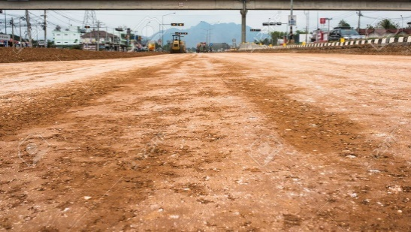
2 | SUBBASE COURSE WORKS(70m x 40m): Provide materials & machines and all other requirements for laying a layer of selected granular material (type A) with 20 cm thickness after compaction each layer,totally will be about 50 thickness . The works includes watering (moisturizing) and compaction of sub-base course layer not less than 95% of MDD and all works should be according to the specifications (R6 S.O.R.B),and Supervisor Engineer instructions. | M2 | 2,800 |  |  |  | 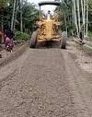
3 | BASE COURSE WORKS(70m x 30m) : The work include providing Equipment's and other requirements for laying screened cursed gravel according to S.O.R.B, R 7;(15) cm thickness after compaction, according to the dimensions shown in attached layout, leveling the layer +0 from main street side to +20cm to vally side, and accoring to instructions of site engineer with compaction to 95% of MDD, the samples should be taken from that stacks to be successfully tasted in the lab and all works according to drawings and technical specifications and guidance of the supervising engineer, the contractor should get the official approval for the each layer backfilling. the Work should be done by asphalt spreader truck. | M2 | 2,100
4 | Paiving Works(70m x 30m): Paiving the space with Cement Stabilized Masonry Interlocking Blocks (7cm x 20cm x 15cm), and cement masonary blocks (7cm x20cm x 10cm)of two color red and grey according to plan over a layes of sand 7cm(Provide laying course with coarse sand (0-5 mm) to a minimum thickness of 50 mm) thick the work include closing the sides by cement mortar 10 cm thick and 15 cm width , tree molds, in btween by masonary block(7cm x20cm x 10cm) and brush fine sand over the paving stones,to fill the joints. | M2 | 2,100.0 |  |  |  | 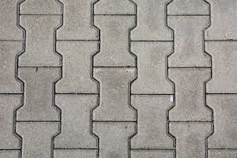
 | Pvc pipe garden watering systems
1 | Provide PVC 1" pipe with fittings, including water drop system throughout trees line according to the plans. | ML | 130.0 |  |  |  | 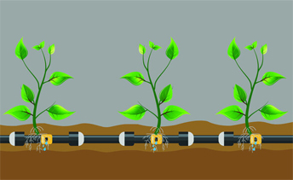
2 | Manhole Works(0.6x0.6x0.4)m: Supply materials for Manhole, using concret blocks( 20 cmx 20cm x40cm) , double plate iron gate, according to drawings using class (C) 1:2:4 concrete for base 20 cm thickness the price including painting. | Unit | 2.00 |  |  |  | 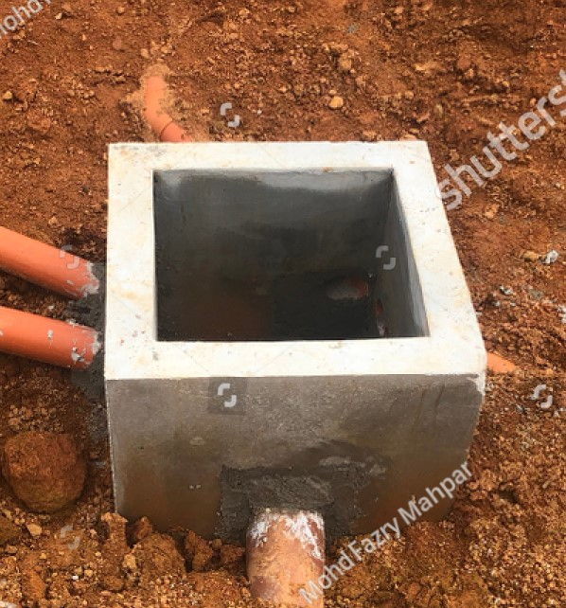
3 | Provide garden benches with back : Design shall conform to SGS/EN 840/ISO 9001/14001. Dimensions: 1500 x 430 x 800 mm. Material: Metal + Solid wood. | Unit | 16.0 |  |  |  | 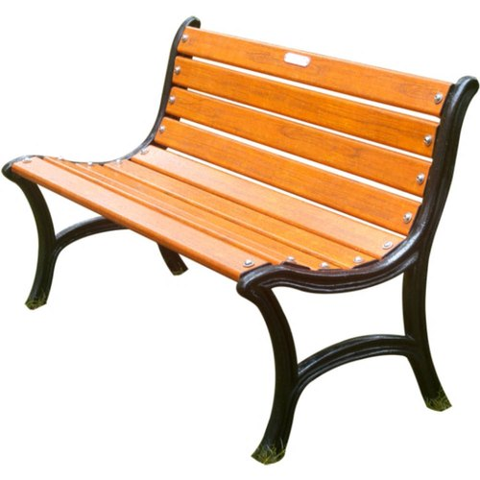
4 | Provide garden benches without back : Design shall conform to SGS/EN 840/ISO 9001/14001. Dimensions: 1500 x 430 x 800 mm. Material: Metal + Solid wood. | Unit | 14.00 |  |  |  | 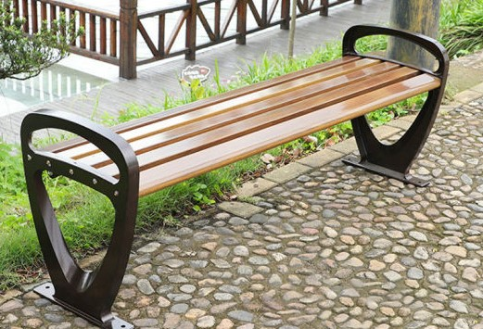
5 | Provide and install a galvanized light pole 11 m high (310 mm Bottom A/F , 100 mm Top A/F, 3mm thick,Foundation Bolt M24/750x4, PCD 385mm) in the middle of park, the price including the casting foundations( cylinder 1.m x 1.5m) C25, wiring, 4x 100 wat led projector, piping 3" the wire to alocated place(50ml) cable 10mm2 x4 line x 70ml and all requirments, find drawing for detials. | Unit | 1.00 |  |  |  | 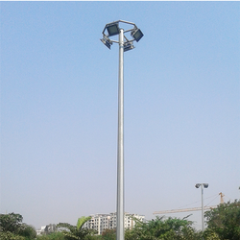
6 | Gutter Works: provide and install precast v-shape gutter 50cm width for U-parameter of the park using cement mortar(1:3) and closing the open side with plain concrete(1:2:4)10cm thickness and 15 cm widith accodring to drawings and supervisor's instruction. | ML | 170.0 |  |  |  | 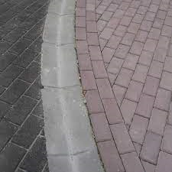
7 | Trash Can: Dimensions: 400 mm Dia, 800 mm height. Application: Outdoor. Material: steel. Finish: glossy oil paint. Floor mounted. Ash urn featured. | no | 6.0 |  |  |  | 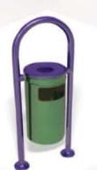
 | Concrete Bus-stop Shelter (3.4m x 2.5m): Buss-stop shelters units will be build in 4-locations inside Kawergosk, the quantities for all units.
1 | Removal of debris and surface organic soil and excavate to 30 cm depth(5m x 4m), grading and leveling to the level street/ indicated by supervisor engineer , clearance and lay out cartingaway debris out of the city, the work include back filling to requres level . the works should be done for any depth required, fixing one sing board which should remain on the site till the end of the work. | m2 | 80.0
 | Concrete works: Concrete works: Supply materials cement, sand, gravel, approved water and deform steel bars grade 60ksi including shuttering (new or clean wood, steel Jack props where ever required) and labor for casting concrete using vibrator, with all necessary works. The works includes lab. testing for all construction materials and concrete works, proper workability, curing and maintenance. All works to be according to the specification, drawing and site engineer instructions.
1 | Supply materials and casting reinforced concrete using 12mm steel bar double net each net 20cm c/c (20-cm Sq)both sides for foundation (5x4)m, 25cm thickness using class (C) 1:2:4 concrete over 10cm well compacted crush-stones, over-laps of walls will rised 60 cm for both side of logitudinal side(1.6m from center). | m3 | 24.00 |  |  |  | 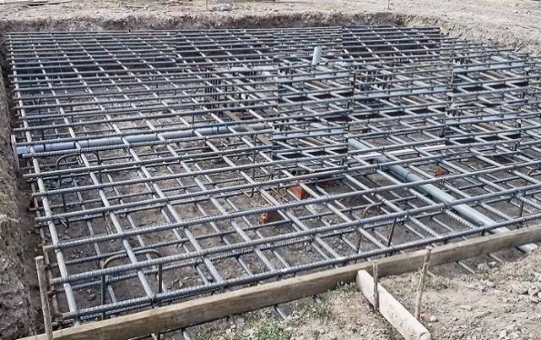
2 | Supply materials and casting reinforced concrete using 12mm steel bar double net 20cm c/c both sides, for 20cm thick, 2.65m high, walls using class (C) 1:2:4 concrete. | m3 | 10.80 |  |  |  | 
3 | Supply materials and casting reinforced concrete using 12mm steel bar double nets 20cm c/c both sides with three longitudinal hidden beams with six 12mm bar, for slab using class (C) 1:2:4 concrete. | m3 | 8.00 |  |  |  | 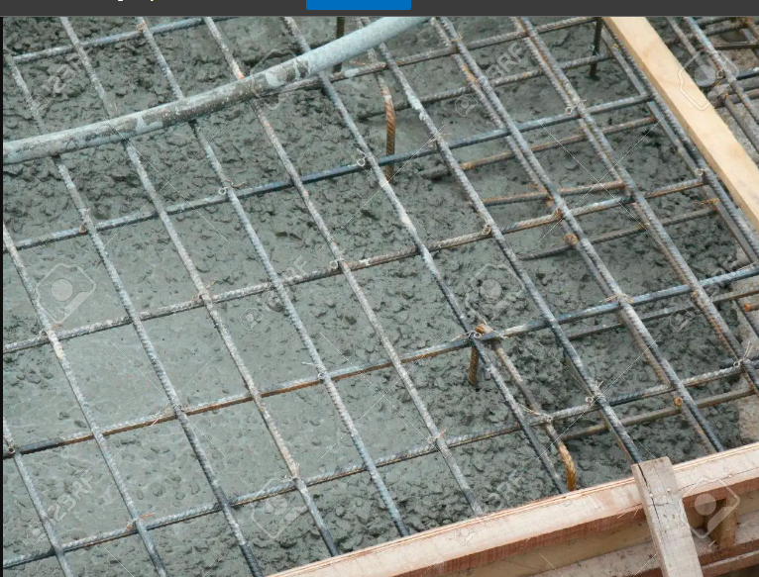
 | Walls Works: Provision of approved materials and erection, using new stones and hollow concrete blocks in cement / sand mortar 1:3. The work includes lab test of materials, curing and maintenance. All works to be according to the specifications, drawings and instruction of the site engineer.
1 | Setting work: Building with 20cm thickness for setting place(L2m x W0.4m x H 0.45m), hollow concrete blocks using 20x20x40cm blocks . | m3 | 1.50 |  |  |  | 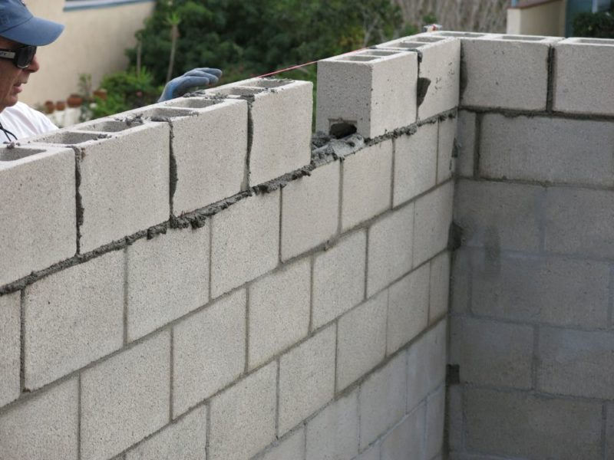
 | Finishing: Including provision of materials, work and curing. The works should be done according to the specifications, drawings and instruction of site engineer.
9 | Plastering with cement mortar 1:3 three layers for inside, outside walls and ceil.. | m2 | 220.0 |  |  |  | 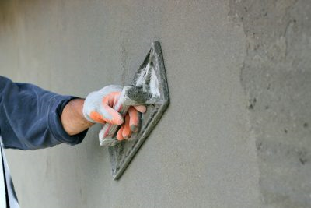
10 | Painting with emulsion paint three layers for the inside, outside walls and ceil. | m2 | 220.0 |  |  |  | 
Brief Description of Project: Kawergosk Public square and four Buss-stop shelters is an investment project of Kawergosk, paving square elements are paving with concrete bricks after earth work, watering system, manhols, 2 kinds of chairs, one 20m high pole, and U shape gutter for discharging rain water. The square GPS (36°20'39.4"N 43°48'02.9"E), the Buss-stops will be allocated by municipality of Kawergosk.

 | DRC to complete |  |  | Bidder to complete
 | Delivery time required (days from site handover ): | 90 days |  | Delivery time offered (days from site handover ):
 | Delivery Terms required (Add Incoterm if necessary): | DDP 2020 |  | Delivery Terms offered (must include incoterm):
 | Delivery Destination required: | Erbil-Kawergosek |  | Delivery Destination offered:
 | Minimum bid validity period required: | 120 days |  | Bid validity period offered:
 | Additional comments to bidders: |  |  | Company Name:
 | 1- All the works must be executed in accordance with the Iraqi General Technical Specifications (I.G.T.S.) published by Ministry of Housing and Reconstruction/ Republic of Iraq, the drawings, contract documents and instructions of the supervisor engineer. 2- All materials shall be tested and approved by the National Centre of Construction Laboratories (NCCL) as requested by the supervisor engineer. 3-All materials must be new (minimum manufactured within two years of installation date), sound, fair, in merchantable quality and in line with the technical specifications & deemed to be of approved available type in the local market by the project engineer. . 4- The contractor must employ a permanent resident engineer to be present at the project site during the execution period. 5- In case of differences between bill of quantities and drawings, the drawings will govern. 6-The contractor who win the bid should use local people of Kawergosk, both communities host and refugees unless didn’t find the skills. 7-The contract will be required to bring temporary caravan to the construction to be used by committee of supervising. The carvan will be returned back to the contractor at the end of the project. 8- required warranty period from final site hand over shall be 3 months. 9- The committee from DRC and Municipality will supervise the work. 10.Safety proceduers and equipments should be followed and provide by the contractor during the implementation. |  |  | Contact Person:
 |  |  |  | Address: |  |  | Phone:
 |  |  |  | Email Address: |  |  | Date:
Yes
NO
 |  |  |  | Bidder to answer by yes or No for the criteria mnetioned wtihin Additional comments to bidders field
 |  |  |  | Signed by a duly authorized company representative:
 |  |  |  | Title:
 |  |  |  | Print Name:
 |  |  |  | Stamp of company

