Lot 2 -Annex A 2-Financial Bid
 | Lot 2-Annex A 2-Financial Bid Option# 2 | ITB: Reference Number: ITB-IRQ-CO-22-001 Construction of Kawergosek Public Square & Bus Shelters and Basirma Road
DRC to complete |  |  |  | Bidder to complete
 | Item/Milestone Required | Unit required | Quantity required | Item/Milestone with full specifications offered including name make and model( if applicable) | Unit Offered | Quantity offered | Unit Price in USD | Total Unit Price in USD | Pictures are for illustrative purpose only
# | CONSTRUCTION WORKS
1 | Earth works : Supply materials, Equipment's and other requirements for construction of rest-station on the main road as shown in the attached drawing and according to the dimensions shown in attached layout, elevation will be accoding to existing roads. The work includes cutting in all types of soil ( Soil , Semi -Rock , Rock,Concrete,Asphalat and any other layers ) and making the chamber according to S.O.R.B. R 5, and approved elevations or by the supervisor engineer, and removing of the debris to a location indicated by related municipality, the price includes filling with approved clean soil by layers and boulders aggregate for the area of high water contain, replacing of soil under Sub grade by approved soil CBR not less than 4% and not less than 30cm thick in two layers in cut and fill sections , with good compaction & watering (moisturizing) for sub- grade layer to 95% of MDD.The price include survey, placing boundaries, and removing and repairing all damages caused by this work to (Sewerage pipes, Septic tanks,Manholes,, Water networks, Electricity cables and poles,....). | m2 | 4910 |  |  |  |  |  | 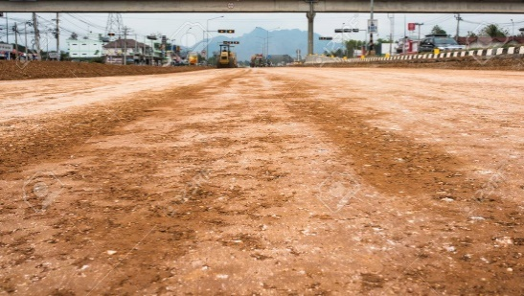
2 | SUB-BASE COURSE WORK: Providing materials (samples should be taken from the stacks to the lab. for testing) , all required machines and Equipment's for laying screened sub base type (A) according to SORB section R 6 with (20) cm thickness after compaction in one layer , according to the dimensions shown in attached layout with watering and compaction to 95% of MDD. All works should be done according to instruction of Supervisor Engineers. | m2 | 4910 |  |  |  |  |  | 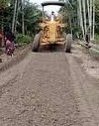
3 | SUB BASE WORKS : Providing materials (samples should be taken from the stacks to the lab. for testing) , all required machines and Equipment's for laying screened sub base type (A) according to SORB section R 6 with (25) cm thickness after compaction in one layer , according to the dimensions shown in attached layout with watering and compaction to 95% of MDD. All works should be done according to instruction of Supervisor Engineers. | m2 | 4910
4 | Base Work (Crushed Lime stone Base course): Providing materials all required machines and Equipment's for laying a screened crushed limestone by mechanical paving machine according to SORB section R7 with (20) cm thickness after compaction with watering and compaction to 98% of MDD , according to the dimensions shown in attached layout . All works should be done according to (SORB,R7) and instruction of Supervisor Engineers. | m2 | 3110 |  |  |  |  |  | 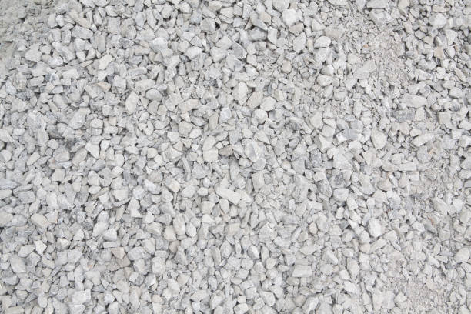
5 | Stablizer layer : providing of Materials, all machines , Equipment's and Labors for paving by a layer of asphaltic concrete stablizer 10cm thick after compaction the price include spraying of Prime coat (0.8-1) lt/m2 , if there is deviation on job-mix formula the price will discount according to (SORB) 2007 section (R8) & (R9) . All works should be done according to drawings and technical specifications and instruction of the Supervisor Engineer.. | m2 | 3110 |  |  |  |  |  | 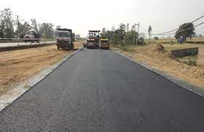
 | CONSTRUCTION OF CULVERTS WORKS
1 | Single Pipe Culvert (90cm) Diameter: Provide and extending reinforced concrete pipe (M3) type.the work include excavation in all type of soil in required depth, shuttering, laying croshed stone 10cm thick , installation and connecting pipes, filling jpints by sand-cement mortar (1:3) casting the base and slab by reinforcement concrete(12mm@20 cm bothside), sides by ordinary concrete, cating wings 2m each side by reinforcement concrte (C25)(12mm@20cm both sides) ,with all refilling sides and top by soil and sub base min. 50cm thick type (A) in layers not more than 25cm with watering and copmaction 95% of MDD to the required depth. All work should be done according to instruction of Supervisor engineer and drawings. | ML | 14 |  |  |  |  |  | 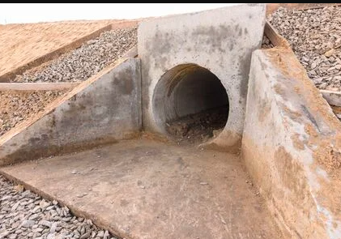
2 | Duoble Pipe Culvert (90cm) Diameter: Provide and extending reinforced concrete pipe (M3) type.the work include excavation in all type of soil in required depth, shuttering, laying croshed stone 10cm thick , installation and connecting pipes, filling jpints by sand-cement mortar (1:3) casting the base and slab by reinforcement concrete(12mm@20 cm bothside), sides by ordinary concrete, cating wings 2m each side by reinforcement concrte (C25)(12mm@20cm both sides) ,with all refilling sides and top by soil and sub base min. 50cm thick type (A) in layers not more than 25cm with watering and copmaction 95% of MDD to the required depth. All work should be done according to instruction of Supervisor engineer and drawings. | ML | 14 |  |  |  |  |  | 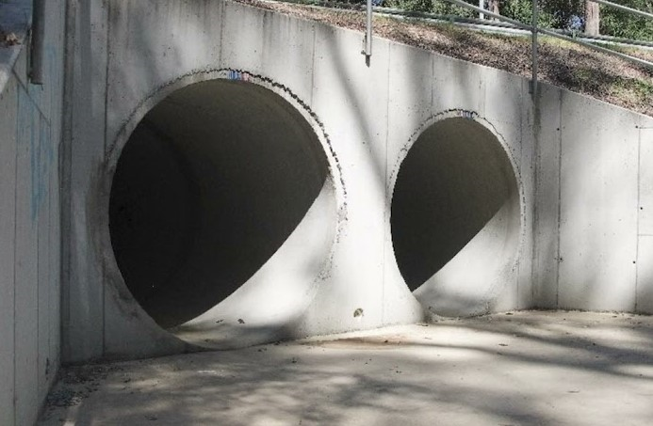
3 | Extention of main road culvert: Provide and extending by reinforced concrete.the work include demolation of side walls, roof and floor to join both side steel bars, excavation in all type of soil in required depth, copmaction the base 95% of MDD, shuttering, laying croshed stone 10cm thick ,casting concrete C25,reinforcement (16mm @20cm C/C double layers for walls and roof the same thickness of existing culvert(1.5mx 2.0m inside diam) 30cm cutting wings by concrte (C25) ,with all re filling sides and top by soil and sub base min. 50cm thick type (A) in layers not more than 25cm with watering and copmaction 95% of MDD to the required depth. All work should be done according to instruction of Supervisor engineer and drawings. | ML | 13 |  |  |  |  |  | 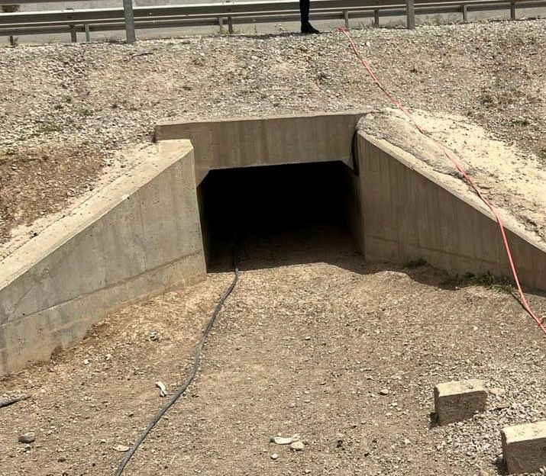
 | Guard-Rail Work
 | Remove the existing guard-rail , and re-install it after extension of the main road, the price including to replace the damaged one. | ML | 100.0 |  |  |  |  |  | 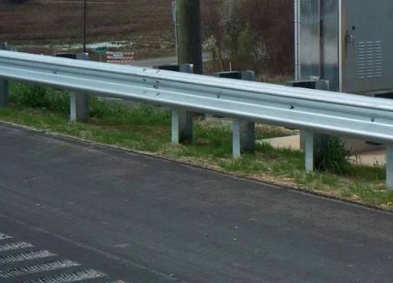
 | Side walkways for one side
 | Curbstone & Gutter Works: coasting 10cm ordenary concrete 1:2:4 for gutter 50cm width for the shown area and provide standard curbstome with installation accodring supervisor's instruction. | ML | 360.0 |  |  |  |  |  | 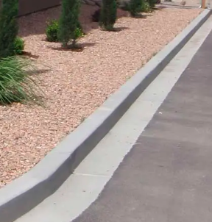
 | Paiving Works(360m x 2m): Paiving the space with Cement Stabilized Masonry Interlocking Blocks (7cm x 20cm x 15cm) over well compacted layer of sub-base, and cement masonary blocks (7cm x20cm x 10cm)of two color red and grey according to plan over a layes of sand 7cm(Provide laying course with coarse sand (0-5 mm) to a minimum thickness of 50 mm) thick the work include closing the sides by cement mortar 7cm thick, tree molds, in btween by masonary block(7cm x20cm x 10cm) and brush fine sand over the paving stones,to fill the joints. | m2 | 720.0 |  |  |  |  |  | 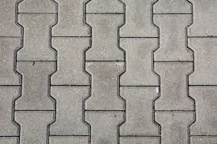
Brief Description of Project:Basirma Rest station is an investment project of Basirma, road to rest station will be done as a start up of project. the new road start from beginning of Basirma highway (GPS: 36°29'58.1"N 44°21'35.7"E) to the end of proposed rest station (GPS: 36°29'48.8"N 44°21'42.9"E) with approximate length of 460 ml in addition of parking area. There are walkways for one side, and three culvert to be done, one of them is an extention of main road culvert the other two are pipe culvert. Water/drainage pipe line/ electric lines crossing the planned road in deferent area, manholes should be raised / down to the required road level the contractor will include the price within the road cost. , re-install devices, electricity...etc are included. The contractor is responsible to deal with obstacles like internet lines, electricity..etc. |  |  |  |  |  |  | Sub-total | $0
 |  |  |  |  |  |  | Any other costs (please specify)
 |  |  |  |  |  |  | Total Price
 | DRC to complete |  |  | Bidder to complete
 | Delivery time required (days from site handover): | 90 days |  | Delivery time offered (days from site handover):
 | Delivery Terms required (Add Incoterm if necessary): | DDP 2020 |  | Delivery Terms offered (must include incoterm):
 | Delivery Destination required: | Erbil-Basirma |  | Delivery Destination offered:
 | Minimum bid validity period required: | 120 days |  | Bid validity period offered:
 | Additional comments to bidders: |  |  | Company Name:
 | 1- All the works must be executed in accordance with the Iraqi General Technical Specifications (I.G.T.S.) published by Ministry of Housing and Reconstruction/ Republic of Iraq, the drawings, contract documents and instructions of the supervisor engineer. 2- All materials shall be tested and approved by the National Centre of Construction Laboratories (NCCL) as requested by the supervisor engineer. 3-All materials must be new (minimum manufactured within two years of installation date), sound, fair, in merchantable quality and in line with the technical specifications & deemed to be of approved available type in the local market by the project engineer. . 4- The contractor must employ a permanent resident engineer to be present at the project site during the execution period. 5- In case of differences between bill of quantities and drawings, the drawings will govern. 6-The contractor who win the bid should use local people of Basirma, both communities host and refugees unless didn’t find the skills. 7-The contract will be required to bring temporary caravan to the construction to be used by committee of supervising. The carvan will be returned back to the contractor at the end of the project. 8- required warranty period from final site hand over shall be 3 months. 9- The committee from DRC and Municipality will supervise the work. 10.Safety proceduers and equipments should be followed and provide by the contractor during the implementation. |  |  | Contact Person:
 |  |  |  | Address: |  |  |  | Phone number
 |  |  |  | Email Address: |  |  |  | Date
Yes
Yes
NO
NO
 |  |  |  | Bidder to answer by Yes or No for the criteria mentioned wtihin Additional comments to bidders field?
 |  |  |  | Signed by a duly authorized company representative:
 |  |  |  | Title:
 |  |  |  | Print Name:
 |  |  |  | Stamp of company

