Static Dimensions
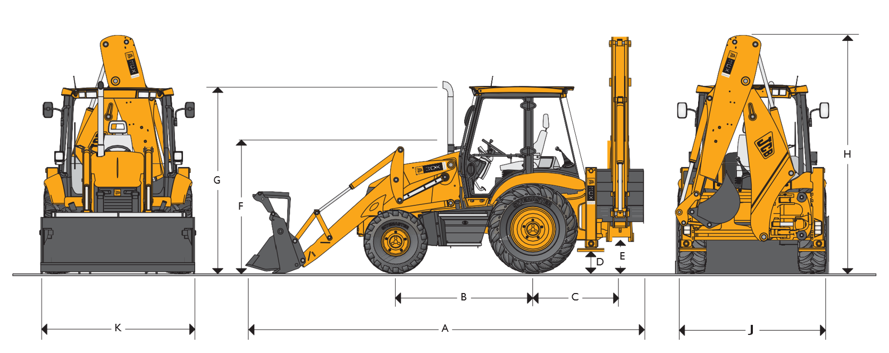

 | m (ft-in)
A Total travel length | 5.62 (18-5)
B Axle centreline distance | 2.17 (7-1)
C Slew centre to rear axle centre distance | 1.36 (4-6)
D Stabiliser feet clearance | 0.37 (1-2)
E Kingpost clearance | 0.52 (1-8)
F Steering wheel centre height | 1.94 (6-4)
G Cab roof height | 2.91 (9-6)
H Total travel clearance | 3.61 (11-10)
J Rear frame width | 2.36 (7-9)
K Shovel width | 2.35 (7-8)
J* Rear frame width | 2.24 (7-4)
K* Shovel width | 2.23 (7-4)

Backhole DImensions
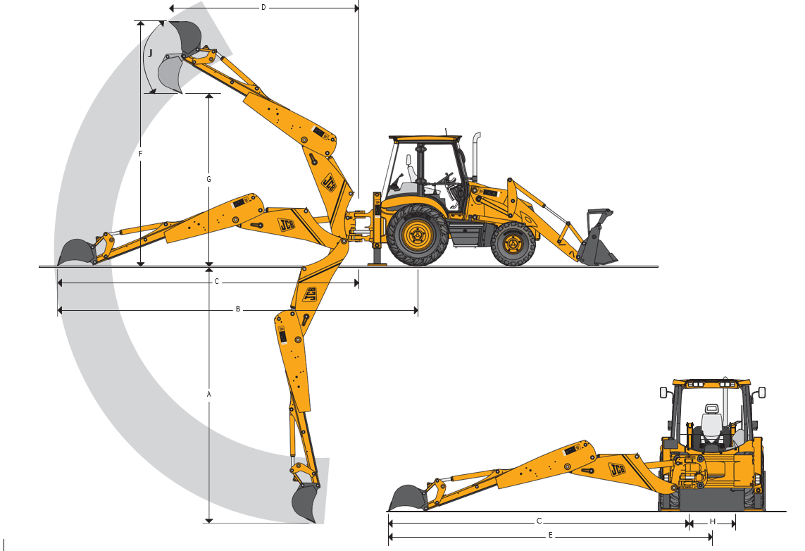
 | BACKHOE DIMENSIONS
 |  | m (ft-in)
A SAE max dig depth | Ext | 5.46 (17-11)
F
 | Ret | 4.24 (13-11)
SAE 2ft flat bottom | Ext | 5.43 (17-10)
 | Ret | 4.21 (13-10)
Maximum dig depth with deep profile bucket | Ext | 5.97 (19-7)
 | Ret | 4.75 (15-7)
B Reach – ground level to rear wheel centre | Ext | 7.87 (25-10)
 | Ret | 6.72 (22-1)
C Reach – ground level to slew centre | Ext | 6.52 (21-5)
 | Ret | 5.37 (17-7)
D Reach – at full height to slew centre | Ext | 3.66 (12-0)
 | Ret | 2.74 (9-0)
E Side reach – to centre line of machine | Ext | 7.09 (23-3)
 | Ret | 5.94 (19-6)
F SAE operating height | Ext | 6.35 (20-10)
 | Ret | 5.53 (18-2)
G Maximum loadover height | Ext | 4.72 (15-6)
 | Ret | 3.84 (12-7)
SAE loadover height | Ext | 4.32 (14-2)
 | Ret | 3.44 (11-3)
H Total kingpost travel |  | 1.16 (3-10)
Narrow rear frame option |  | 1.05 (3-5)
J Bucket rotation | Speed | 201°

