Sheet1
Annex-01 Financial Bid Form |  |  |  |  |  | 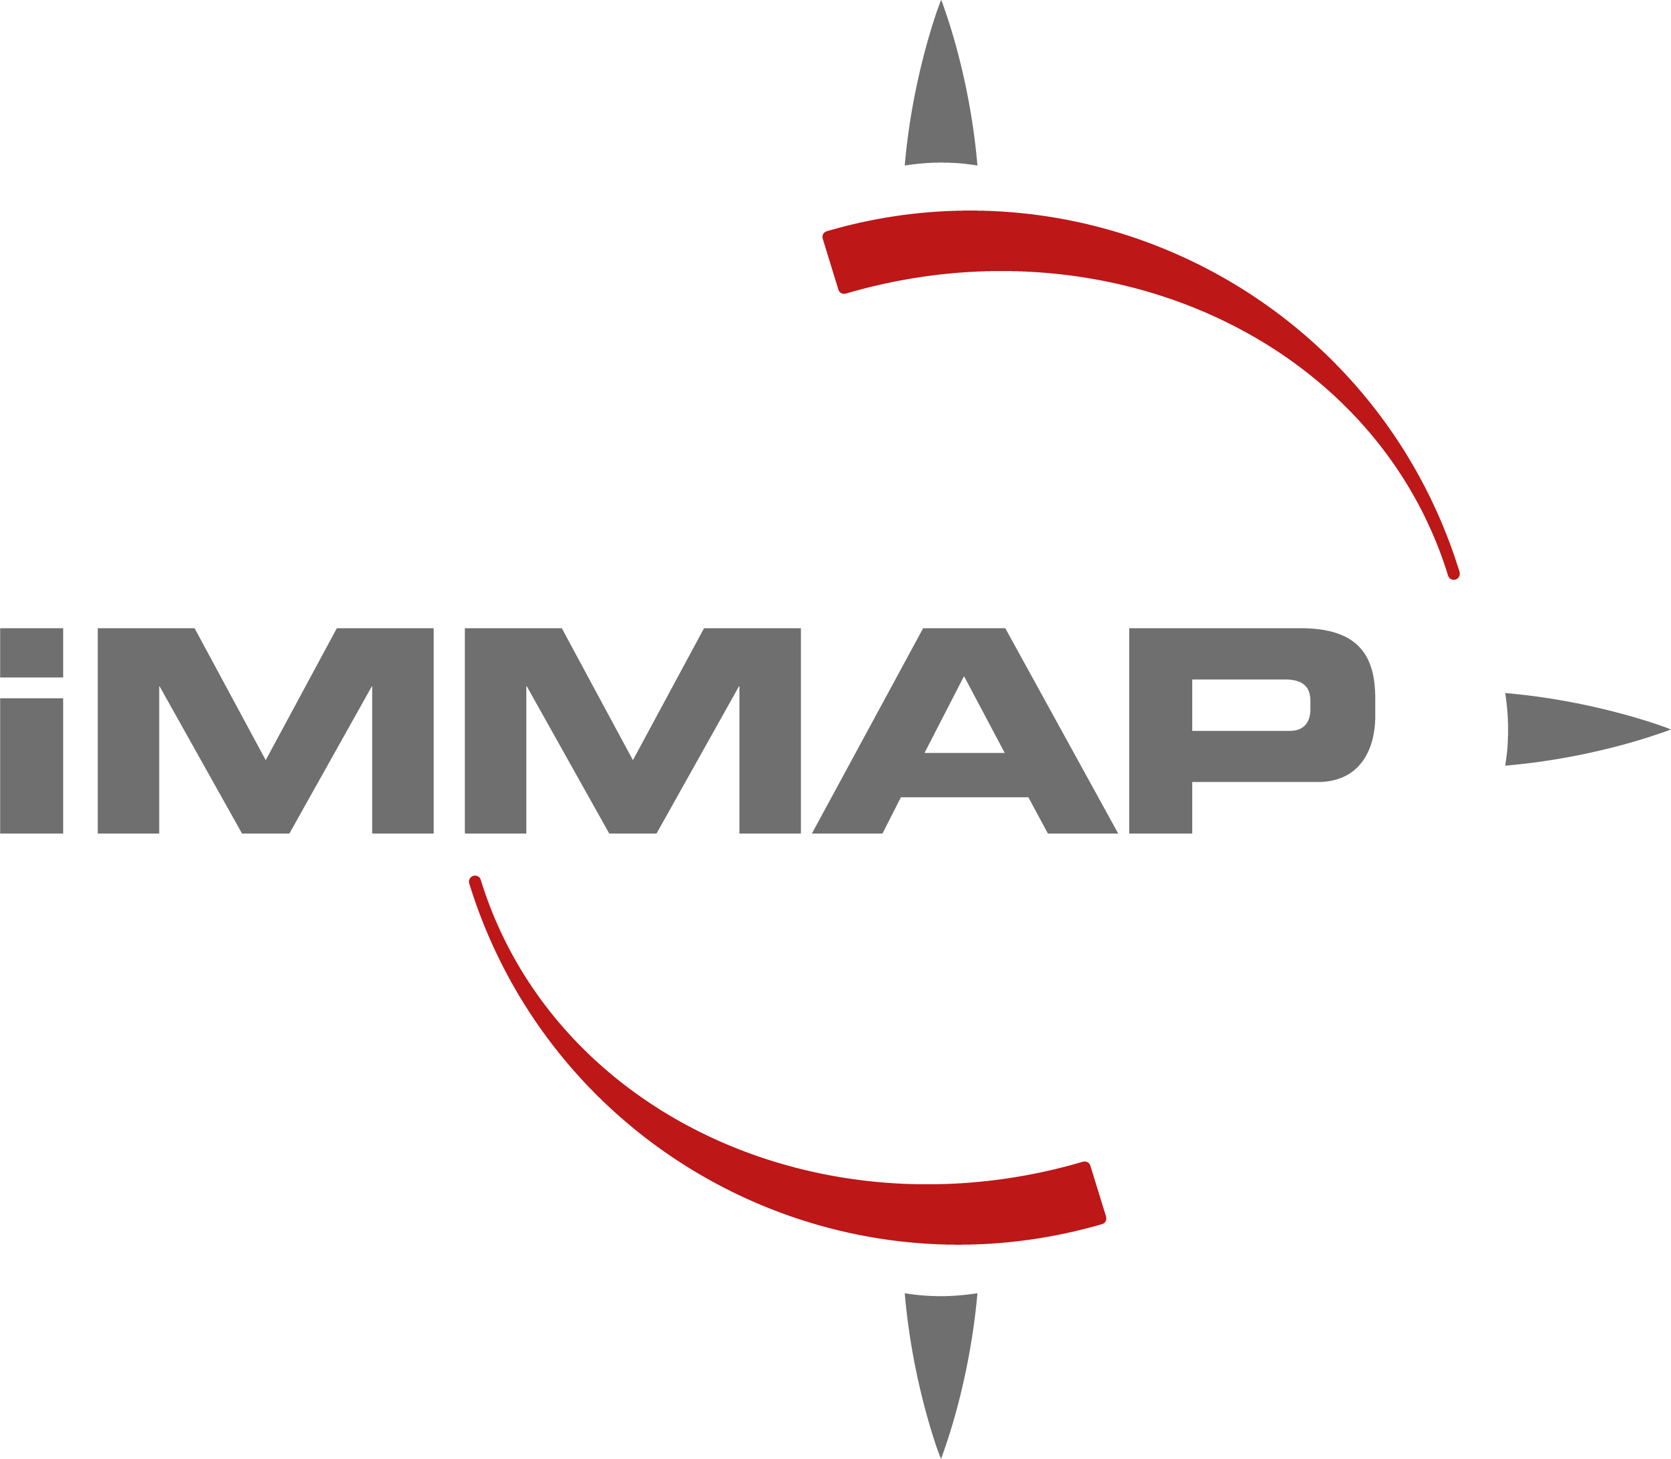
# | Description | Unit | Quantity | Unit Price (Baghdad) | Unit Price (Basra) | Unit Price (Erbil)
1 | Produce a 2D Animation motion video covering The Directorate of Labor and Vocational training Services and Policies by placing a particular focus on the general understanding of the services and policies of the Ministry of Labor and Social Affairs. The video should focus on how the public could access, benefit from, and learn more about those services provided through the online system and the ministry offices. Topics include: - Services provided to support registration and employment through the ministry’s offices - Employment Platform key features and overall services including.1) Registration. 2) Employment. 3)Access Vocational Training. 4) Benefits of the platform for both job seekers and business owners Target Audience: General Public with various levels of literacy. The video script, style colour pallets and final length of the video shall be approved by IMMAP before production. Videos generated should have (24-30 FPS) to ensure flawless movement and smooth eye capture and are of high-quality minimum 1280 x 720, or( 720p HD) / aspect ratio 16:9 Video resolution and aspect ratio shall be adequate for Website and social medial upload with the possibility of amending to be advertised on street billboards The animations should be produced with Adobe Creative suites or equivalent software ( to be used after IMMAP approval only) with editable files transferred to IMMAP upon the completion of the project. The Video should have voice-over in Arabic as well as Arabic and (English subtitles if needed) as well as background music when adequate. The contracted agency is required to edit the videos/photos under the guidance of iMMAP`s project team and media team, work may include adding scripts. Translation subtitles,..etc and must follow iMMAP Branding guideline The pricing unit is per animated time and doesn't include the time for Title, credits, logos and contributors. | 2-3 Min Video | 1

2 | Produce a 2D Animation motion video covering Employment Platform services and key features focusing on the usage of the platform, directed towards the main registering users (job seekers and employers). The aim is to familiarize them with the registration and use processes as well as the benefits of the platform, key services and how it facilitates the recruitment process and job search. Additionally, the video will cover the law of private sector employment and how jobseekers could benefit from them, information on how to register for each service, and what are the procedures following registration, and lastly will highlight the feedback mechanism employed via the platform for the ministry about workplace disputes. Topics include. 1- The registration process and required documents for Jobseekers and employers. 2- Promote services and registration policies provided by the Directorate of Labour and vocational training centers. 3- How could persons access the MoLSA services through the system and what are the benefits. Target audience: Possible platform users (Jobseekers and Private sector) The video script, style colour pallets and final length of the video shall be approved by IMMAP before production. Videos generated should have (24-30 FPS) to ensure flawless movement and smooth eye capture and are of high-quality minimum 1280 x 720, or( 720p HD) / aspect ratio 16:9 Video resolution and aspect ratio shall be adequate for Website and social medial upload with the possibility of amending to be advertised on street billboards The animations should be produced with Adobe Creative suites or equivalent software ( to be used after IMMAP approval only) with editable files transferred to IMMAP upon the completion of the project. The Video should have voice-over in Arabic as well as Arabic and (English subtitles if needed) as well as background music when adequate. The contracted agency is required to edit the videos/photos under the guidance of iMMAP`s project team an | 2-3 Min Video | 1

3 | Produce a 2D Animation motion video covering Vocational Training/ Vocational training centers aiming to increase the awareness of job seekers about the services and opportunities through the vocational training centers and the value of vocational training in Labor market. This video should highlight the general benefits of developing skillsets (Vocational training) and how attending trainings and obtaining certificates will positively impact their job-search as well as improving their prospects of beneficiating from job-matching and loans services provided by MoLSA through the platform. Topics include. 1- Vocational Training enrolment process via the online system. 2- Increase the awareness of job seekers about vocational training services. 3- Training Benefits on skills development. 4- Post-training benefits. (ex. Enhancing Curriculum Vitae with training certifications) Target audience: Youth and Jobseekers who could benefit from vocational training services, (including illiterate people) The video script, style colour pallets and final length of the video shall be approved by IMMAP before production. Videos generated should have (24-30 FPS) to ensure flawless movement and smooth eye capture and are of high-quality minimum 1280 x 720, or( 720p HD) / aspect ratio 16:9 Video resolution and aspect ratio shall be adequate for Website and social medial upload with the possibility of amending to be advertised on street billboards The animations should be produced with Adobe Creative suites or equivalent software ( to be used after IMMAP approval only) with editable files transferred to IMMAP upon the completion of the project. The Video should have voice-over in Arabic as well as Arabic and (English subtitles if needed) as well as background music when adequate. The contracted agency is required to edit the videos/photos under the guidance of iMMAP`s project team and media team, work may include adding scripts. Translation subtitles,..etc and must follow iMMAP B | 2-3 Min Video | 1

4 | Produce a 2D Animation motion video covering Job seekers services via the platform aiming to Increase the knowledge of the job seeker about the services offered through the platform. The topics covered include the job-matching methodology (automatic matching), CV/ Profile development feature, self-assessment feature, and how to navigate opportunities through the platform ( training, internship and employment) Topics include. 1- Increase the awareness of job seekers about the job-matching processes via the platfrom 2- Increase the knowledge of Jobseekers on how to navigate the platform. 3- General instructions on how to use the platform Target audience: Job seekers in Iraq who could possibly use the online employment system. The video script, style colour pallets and final length of the video shall be approved by IMMAP before production. Videos generated should have (24-30 FPS) to ensure flawless movement and smooth eye capture and are of high-quality minimum 1280 x 720, or( 720p HD) / aspect ratio 16:9 Video resolution and aspect ratio shall be adequate for Website and social medial upload with the possibility of amending to be advertised on street billboards The animations should be produced with Adobe Creative suites or equivalent software ( to be used after IMMAP approval only) with editable files transferred to IMMAP upon the completion of the project. The Video should have voice-over in Arabic as well as Arabic and (English subtitles if needed) as well as background music when adequate. The contracted agency is required to edit the videos/photos under the guidance of iMMAP`s project team and media team, work may include adding scripts. Translation subtitles,..etc and must follow iMMAP Branding guideline The pricing unit is per animated time and doesn't include the time for Title, credits, logos and contributors. | 2-3 Min Video | 1

5 | Produce a 2D Animation motion video covering Business owners (Employer)services via the platform aiming o increase the interest of business owners and provide information on how the platform facilitates the recruitment process, how to register, as well as outline the private sector law and regulations to be eligible to use the platform (registration requirements). The video will also demonstrate how business owners can use the platform to navigate through talents to match their desire skills, how to include new skills and promote their work culture via the platfrom. Topics include. 1- Increase the awareness of Business owners about the law of private sector. 2- Registration process 3- How to use the Platform. Target audience: Private sector companies in Iraq (small, medium, and large) The video script, style colour pallets and final length of the video shall be approved by IMMAP before production. Videos generated should have (24-30 FPS) to ensure flawless movement and smooth eye capture and are of high-quality minimum 1280 x 720, or( 720p HD) / aspect ratio 16:9 Video resolution and aspect ratio shall be adequate for Website and social medial upload with the possibility of amending to be advertised on street billboards The animations should be produced with Adobe Creative suites or equivalent software ( to be used after IMMAP approval only) with editable files transferred to IMMAP upon the completion of the project. The Video should have voice-over in Arabic as well as Arabic and (English subtitles if needed) as well as background music when adequate. The contracted agency is required to edit the videos/photos under the guidance of iMMAP`s project team and media team, work may include adding scripts. Translation subtitles,..etc and must follow iMMAP Branding guideline The pricing unit is per animated time and doesn't include the time for Title, credits, logos and contributors. | 2-3 Min Video | 1

6 | Shoot, edit and produce 3-5 minutes video to document the launch of the platform. The purpose of this video is to document the launch event ( Half day event) of the platform by recording videos, and interviews with representatives from the government, MoLSA, GIZ iMMAP and other key stakeholders. The video shall reflect the event of launching the employment platform through video recording and snapshots of the system as well as collecting some views on the platform from users participating in the event. The video will include interviews with key stakeholders, edited and subtitled in Arabic and English. with background music and should have a high-quality energetic montage. The video should be of high quality per the instructions of iMMAP`s program and communications departments minimum 1080p, 60 FPS or 30 FPS, and 4K resolution is preferred. The video material should be provided (per the Media team's request) as a RAW or Edited as an editing file in Adobe Premiere, FinalCut or any relevant editing application. The video could be edited more than one time according to Media team feedback. The video shall include at the beginning and the end project information, donor information and other related material. this video could need 1-3 cameras per request. this will be discussed with IMMAP team | 3-5 min Video | 1
Total |  |  |  | $0.00 | $0.00 | $0.00

 | Preferred payment terms:
 | Preferred payment means:
 | Validity of the proposal (minimum 100 days):
 | Name:
 | Title:
 | Signature and stamp:
 | Date:

