Sheet1
BoQ - Rehabilitation of Al-Ziraah School - Ramadi
Important notes and conditions |  |  |  | ملاحظات و شروط مهمة
- Access situation to the site premises has to be checked in advance - All the work items should be according to IRAQI General Technical Specifications (IGTS), all applicable Iraqi standards, Iraqi construction codes, Iraqi general conditions for the civil engineering works' contracts (part 1 & part 2), and the Iraqi general conditions for the electrical, mechanical, and chemical engineering works' contracts. - All materials must be NEW from best type and passed the lab tests as approved by supervisor -The unit prices include transportation and providing the materials mentioned in the BoQ. -The contractor shall prepare a Time Schedule for the whole project. - The contractor must set up project boards. - All works in the Bill of Quantities will be done according to supplied design details, specifications, instructions and directions of supervisor. - The contract will be executed as "re-measurement contract" with exact values according to the Iraqi standards not to the common market measuring procedure. - Bidder MUST fill these excel sheets as soft copy and send them within the financial offer. - Bidder MUST print the pdf sheets, fill them by handwriting, sign and stamp every sheet, and scan and send them as a soft copy within the financial offer.- Bidder MUST submit a work schedule timeline with a total duration NOT more than four months. - Submitting bid means that the bidder has read all these conditions and notes and accepts all the conditions. - Bidder MUST carefully read and follow Bidding conditions document, failure to follow this document leads to exclusion of the offer. - Supervising engineer will approve only materials with the BEST quality for ALL the activities regardless of the prices offered by the bidder. |  |  | يجب التاكد من وضع الطريق و امكانية الدخول الى مناطق العمل مقدما جميع الاعمال يجب ان تكون وفق المواصفات العامة العراقية, جميع المواصفات القياسية العراقية النافذة, مدونة الانشاءات العراقية, الشروط العامة لمقاولات اعمال الهندسة المدنية بقسميها الاول و الثاني العراقية, و الشروط العامة لمقاولات اعمال الهندسة الكهربائية و الميكانيكية و الكيميائية العراقية. جميع المواد المستخدمة يجب ان تكون جديدة و من افضل نوعيةو خاضعه للفحص المختبري و حسب موافقة المشرف اسعار الفقرات تشمل النقل و توفير كافة المواد و المستلزمات كما في جدول الكميات المقاول يجب ان يعد مخطط زمني للمشروع على المقاول نصب لوحات دلالة للمشروع جميع الاعمال في جدول الكميات يجب ان تنفذ حسب التصاميم و المواصفات المذكورة و حسب توجيهات المشرف يتم تنفيذ المشروع بطريقة الذرعه الموقعية و بالذرعات الحقيقية حسب المواصفات الهندسية العراقية و ليس حسب الطرق الشائعه يجب على مقدمي العطاءات ملئ جداول الاكسل المرفقة و تقديمها بصيغه اكسل مع العرض المالي يجب على مقدمي العطاءات طباعه جداول الكميات بصيغه (بي دي اف) ثم ملئها يدويا ثم تصويرها الكترونيا ثم ارسالها بملف بصيغة (بي دي اف) مع العرض المالي يجب على مقدمي العطاءات تقديم مخطط زمني لجدول تقدم العمل بمدة عمل كلية لا تزيد عن اربعة اشهر تقديم العطاء يعني قراءة هذه الشروط و الملاحظات و الموافقة عليها من قبل مقدمي العطاءات على مقدمي العطاءات قراءة مستند شروط التقديم بعناية و اتباع تعليماته, الفشل في اتباع هذا المستند يؤدي الى استبعاد العرض المهندس المشرف سيوافق فقط على المواد ذات افضل جودة لجميع الفقرات بغض النظر عن الأسعار التي يقدمها مقدم العطاء
 | A - Civil works
No. | Item | Description | Unit | Quantity | Price USD | Total cost USD | Reference picture (not necessarily the same)
A - 1 | Alucobond Maintenance | Supply materials, labor force and machinery to maintain the interface Alcubond by repairing the iron frame or any damaged part including painting with two layers of anti-rust and final layer. The price includes installing and compensating the missing parts of Alucobond on iron frame with the same colors and sizes using any necessary instrumentation or materials (welding, scaffolds, drills, screws, and any other materials ) and according to the instructions of the supervising engineer, and the drawings. | M2 | 125 | 0 | 0 | 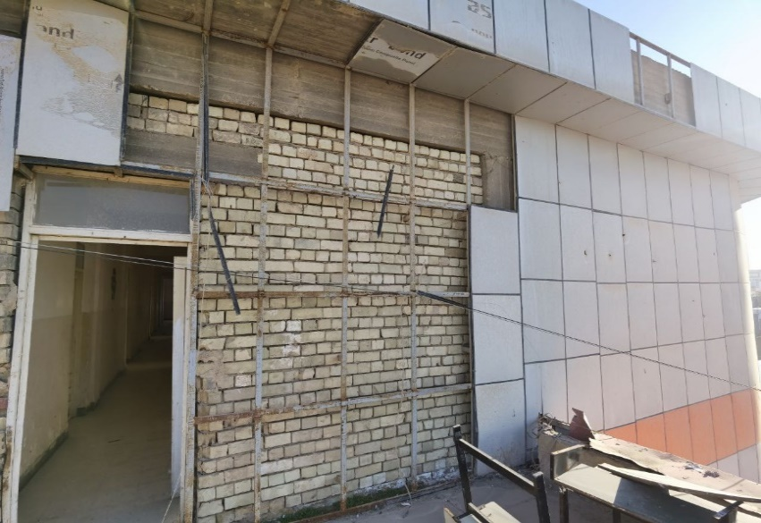
A - 2 | Termite Treatment | Supply materials, lobor force, and machinery to treat the existing termite on walls in different locations through the school building where the dimensions of the school are illustrated in the technical drawings. The price includes contracting with a specialist agricultural consultant, where the treatment method and the chemical additives will be used by an agreement with the supervising engineer and the end-user. The consultant should provide a lifetime warranty document to the end-user to ensure perfect treatment, with all requirements to accomplish the work as per the instructions of supervisor engineer. Note: Al-Ziraah region in Ramadi where the school is located is suffering from termite issue. Consequently, an assessment is highly recommended to be done for the neighborhood before pricing this item. | L.S. | 1 | 0 | 0
A - 3 | Aluminium Windows Maintenance | Supply materials, labor force, and machinery to maintain the already existing aluminum windows with dimensions of (2.4*1.6) M. The price includes installation of windows handles, hinges, anti-flee for movable windows, compensating the missing rubber, with all requirements to accomplish the works as per the instructions of supervisor engineer. | Pcs | 125 | 0 | 0 | 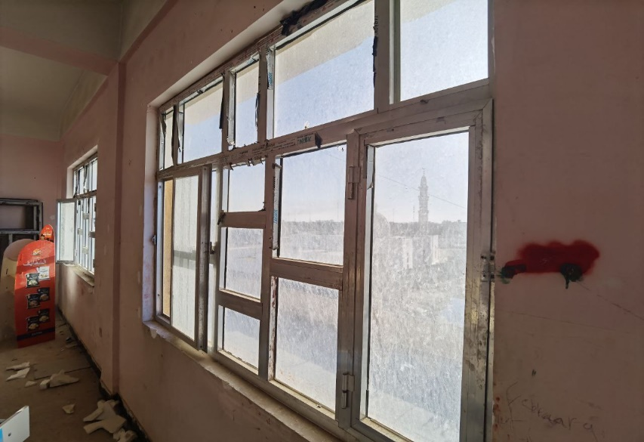
A - 4 | CNC Iron Door-Partition | Supply materials, labor force, and machinery to install a CNC partition with dimensions of (2.2*3.5) M including one door with dimension of (2.1*1) M using 2 mm CNC plate and iron frame of rectangular channel 2*4 inches with thickness of 3 mm to be fixed properly on the wall-ground-roof. The price includes installation of lock, handle, hinges, painting with two layers of anti-rust painting with one final layer, 6 mm mat glass, with all requirements to accomplish the works as per the instructions of supervisor engineer. | Pcs | 1 | 0 | 0
A - 5 | Iron Gate Maintenance | Supply materials, labor force, and machinery maintain the iron slide gate with dimensions of (4.5*2.2)M. The price includes installation of new handle, lock, hinges, , replacing the rail and wheels, painting with two anti-rust layer with final colored layer, with all requirements to accomplish the work as per the instructions of supervisor engineer. | Pcs | 1 | 0 | 0 | -
A - 6 | Wooden Doors Maintenance | Supply materials, labor force, and machinery maintain the wooden doors with dimensions of 2.4*1 M. The price includes installation of new handle, lock, hinges, , painting, repairing the damaged wooden layer if necessary, with all requirements to accomplish the work as per the instructions of supervisor engineer. | Pcs | 15 | 0 | 0
A - 7 | Iron Door Maintenance | Supply materials, labor force, and machinery maintain the iron doors with dimensions of 2.4*1 M. The price includes installation of new handle, lock, hinges, , painting with two anti-rust layer with final colored layer, with all requirements to accomplish the work as per the instructions of supervisor engineer. | Pcs | 33 | 0 | 0 | 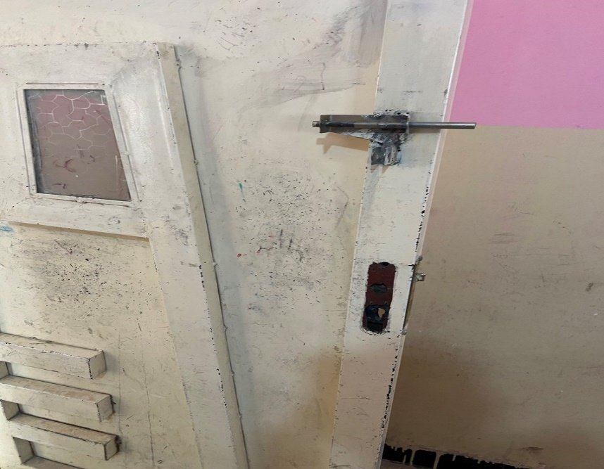
A - 8 | Iron Door Maintenance | Supply materials, labor force, and machinery maintain the iron doors with dimensions of 2*2.4 M. The price includes installation of new handle, lock, hinges, replacement of damaged plates, painting with two anti-rust layer with final colored layer, with all requirements to accomplish the work as per the instructions of supervisor engineer. | Pcs | 4 | 0 | 0 | 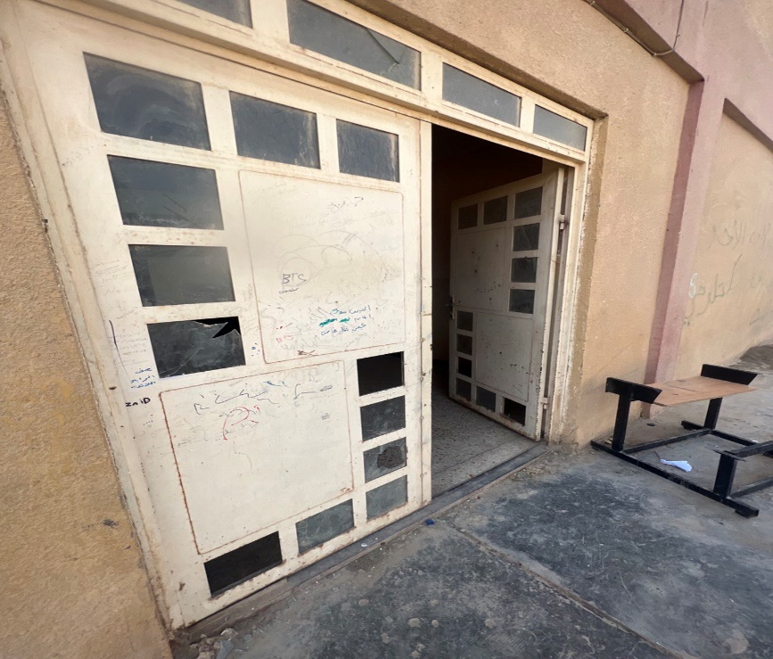 -
A - 9 | Gypsum plastering Repairing | Supply materials, labor force, and machinery to repair the gypsum plastering by removing the damaged area and replastering walls with gypsum in 2 layers minimum thickness 15 mm, using aluminium straight edges for plastering guides each 80 cm. Price includes splashing with sulphate resisting cement paste before plastering, and using plastic wire mesh for the connections of the walls and concrete structures, transporting debris into approved locations by municipality, with all requirements to accomplish the works as per the instructions of supervisor engineer. | M2 | 150 | 0 | 0 | 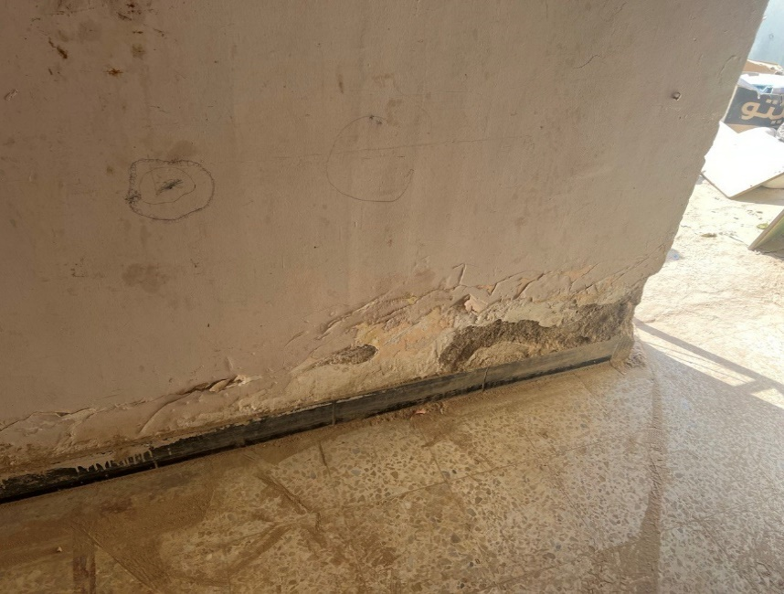
A - 10 | Mastic renewal | Supply materials, labor force, and machinery to remove the damaged mastic finish for the roofing, dispose the rubble to the locations specified by the municipality, and fill the joints of styger with mastic according to the instructions of the supervising engineer. | M2 | 2000 | 0 | 0 | 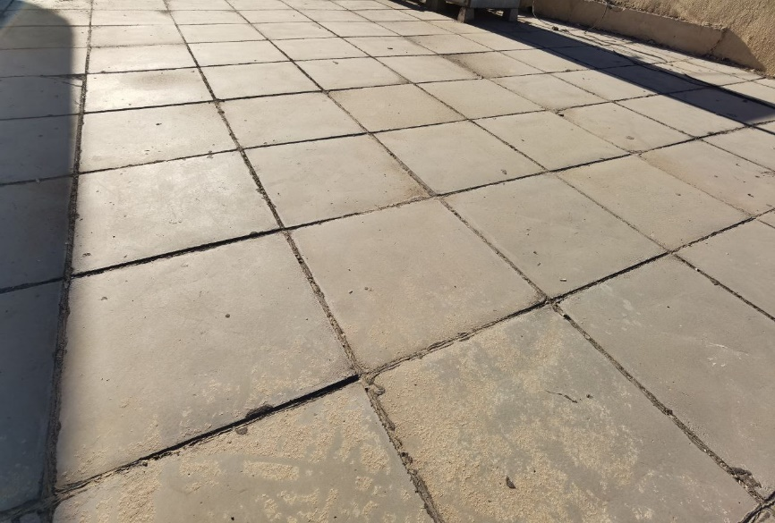
A - 11 | PVC Door | Supply materials, labor force, and machinery to install PVC doors with dimensions of (0.8*2.1) M. The price includes installation locks, handles, hinges, with all requirements to accomplish the works as per the instructions of supervisor engineer. | Pcs | 20 | 0 | 0
A - 12 | PVC Door | Supply materials, labor force, and machinery to install PVC doors with dimensions of (1*2.4) M. The price includes installation locks, handles, hinges, glass, with all requirements to accomplish the works as per the instructions of supervisor engineer. | Pcs | 4 | 0 | 0 | -
A - 13 | Iron Door Replacement | Supply materials, labor force, and machinery to remove the old iron doors and their frames and replace with heavy steel doors gauge 18 compressed both sides with 1.5 mm plate thickness. The price includes installation of new steel frames with proper affixing to the walls with proper finishing, painting with two layers of anti-rust with final painting, hinges, handles, lock with keys, with all requirements to accomplish the work as per the instructions of supervisor engineer. | Pcs | 2 | 0 | 0 | -
A - 14 | Main Gate Installation | Supply materials, labor force, and machinery to replace the two sides iron gates with dimensions of (3*2.5) M. The price includes using suitable iron frame minimum square 3 inches with 3 mm thickness as per the instructions, hinges, Keylon, handles, one iron plate of 2 mm, CNC layer, painting with two layers of anti-rust with final layer, with all requirements to accomplish the work as per the instructions of supervisor engineer. | Pcs | 1 | 0 | 0 | -
A - 15 | Walls Painting | Supply materials and paint the internal/external walls with three layers of paint. Type and color of paints should be officially approved by the supervisor engineer prior to implementation. Price includes treatmenmt of walls' defects with paste according to specification and instructions of the site engineer. | M2 | 10000 | 0 | 0
A - 16 | Glass | Supply materials, labor force, and machinery to remove the broken glass with proper cleaning and insalling 4 mm glass to PVC windows with all requirements to accomplish the works as per the instructions of supervisor engineer. | M2 | 75 | 0 | 0
 |  | Total Civil Works |  |  |  | 0 | USD
 | B - Fire fighting works
B -1 | CO2 type fire extinguisher | Deliver and assemble, conceived and designed in accordance with EN 3. Pressure lever faucet (brass), 1-handle operation, internal CO2 pressure gas steel bottle. 9 ltr. or 12 ltr. content, freeze-proof to -30° C (AB), with spray nozzle. Ø 190 mm, height 550 mm. Performance classes / ratings 21 A and 183 B, extinguishing agent units (LE) 6 Permitting in accordance to the governmental rules and regulations. | Pcs | 8 | 0 | 0 | -
B -2 | Powder type fire extinguisher | Deliver and assemble, conceived and designed in accordance with EN 3. Pressure lever faucet (brass). 1-handle operation. Internal powder. Permitting in accordance to the governmental rules and regulations. | Pcs | 8 | 0 | 0 | -
 |  | Total Fire Fighting Works |  |  |  | 0 | USD
 | C - Plumbing works
C -1 | Wall-mounted western toilet | Supply materials, labor force and machinery to install wall mounted western toilet, flush tank, and western seat which should be placed on steel frame to be placed and hided inside the wall in a specified level. The price includes demolishing the wall and ceramic to install the frame and to connect sewerage and water pipes with ceramic repairing, connecting 1/2’’ pidet, toilet paper holder with all fittings required to accomplish the work as per the instructions of supervisor engineer. | Pcs | 2 | 0 | 0 | -
C -2 | Sanitary network 4" | Supply materials and install UV-resistant and high pressure (4") dia. PVC pipes with all necessary materials and cleaning openings according to the instructions of the site engineer with all necessary work. Including all fittings, floor drains, gully traps, and all attachments and accessories. | M.L | 20 | 0 | 0 | -
C -3 | Installing wall-mounted handwash basins with water mixer | Supply materilas, lbore force, and machinery to install wall mounted hand wash basins size 0.45 m x 0.45 m and sink height should be 0.8 m from the floor. The price includes high pressure connection steel hose, chromium plated stop valves, two angle valve, flex drain hose and all related accessories, and including connecting to the tanks. All needed works, Paper towel dispenser out of stainless steel, liquid soap dispenser out of white plastic to complete the job will be included within the price. Note: Water mixer handle should be valve handle at a height of 0.90 m from the floor. | Pcs | 4 | 0 | 0 | -
C -4 | Disludging | Supply materials and disludge the sanitary network according to the instructions of the supervising engineer, the network contains 10 drain points and it is connected to a septic tank. | L.S. | 2 | 0 | 0 | -
C -5 | PPR water network | Supply materials and connect PPR pipes for cold and warm water networks with vent pipe for the outside and inside networks, reinforced section embedded in the walls, according to the diameters shown below with all accessories, fittings, and attachments. Price includes insulation by using 5mm thick foam pipe insulation hoses for the exposed pipes. All works should be dome according to the specifications and instructions of the supervising engineer.
 |  | A- 1/2" diameter pipe | m | 75 | 0 | 0 | -
 |  | B- 3/4" diameter pipe | m | 75 | 0 | 0 | -
 |  | C- 1" diameter pipe | m | 25 | 0 | 0 | -
C -6 | Basin mixer tap | Supply and install basin mixer tap with the following specifications: - handle should be valve handle at a height of 0.90 m from the floor - chrome color - single hole installation - not less than 35 mm ceramic cartridge - not less than 120 mm between water outlet center and the mixer's body centerline - Water Saving mousseur 5.7 l/min - flexible connection hoses - 55o lever rotation in each direction All works should be done according to the instructions of the supervising engineer. Sample must be submitted by the construction company and approved by the supervising engineer prior to implementation. | Pcs | 16 | 0 | 0
C -7 | Water tanks | Supply and install storage water tank (1000) L in size, PVC type of Minimum three layers reinforced. the price includes the installation and connecting of Plastic pipes measuring 3/4 inch, complete with valves, floating valve, overflow, drain inlets and outlets with all necessary fittings and seat blocks. Tank should be place above the building. Samples must be submitted by the construction company and approved by the supervising engineer prior to implementation. | Pcs | 8 | 0 | 0 | -
C -8 | Estern Toilet Replacement | Supply materials, lobor force, and machinery to replace the damaged eastern toilet with new one best quality in the market. The price includes removing the old one, transporting debris into approved locations, repairing the demolished floor ceramic, connecting the newly installed seat into sewerge system using PVC pipes and gully 4 inches, connecting it to the super flash tank, with all requirements to accomplish the works as per the instructions of supervisor engineer. | Pcs | 10 |  | 0 | -
C - 9 | Super Flash Tanks | Supply materials, lobor force, and machinery to flash tanks best quality in the market. The price includes connecting the tank to water source and to the eastern seat, affixing the tanks and pipes properly to the wall, with all requirements to accomplish the works as per the instructions of supervisor engineer. | Pcs | 22 | 0 | 0
C - 10 | Water Hand Bidet | Supply materials, lobor force, and machinery to install and connect stainless steel hand bidet best quality in the market. The price includes connecting it to the water source, affixing it properly to the wall, installing minimum 1 M flexible stailess steel hose, with all requirements to accomplish the works as per the instructions of supervisor engineer. | Pcs | 24 | 0 | 0
C-11 | Manhole Cover | Supply and install manhole cover with best quality in the market of size 40*40 to be affixed propery as per the instructions of supervisor engineer. | Pcs | 12 | 0 | 0
C -12 | Rainwater downpipes | Supply and install 4" PVC rain water drain pipe in lengths and locations specified by the supervising engineer with Iron holder each 1 m. Price includes all the required fittings and accessories according to the instructions of the supervising engineer. | M.L | 75 | 0 | 0 | -
 |  | Total Plumbing Works |  |  |  | 0 | USD
 | D - Electrical Works
D - 1 | 13 A Socket | Supply, connect and operate electrical switch socket with the following specifications: - Rated current: 13 A at 250 V AC - Outlet poles configuration: 2P + E - 1 gang - Clamping connection capacity: 3 x 2.5 mm² / 2 x 4 mm² - Warranty: 25 Years - no visible screws - Environmental characteristic: Indoor use connection should be done using single copper wires (3x2.5) mm2, price includes pulling wires inside the PVC conduits or by demolishing and repairing the wall and connecting it to the distribution board with all installation and connection accessories. All works should be done according to the drawings and the instructions of the supervising engineer. Samples must be submitted by the construction company and approved by the supervising engineer prior to implementation. | Pcs | 125 | 0 | 0
D - 2 | 15 A Socket | Supply, connect and operate electrical switch socket with the following specifications: - Rated current: 15 A at 250 V AC - Outlet poles configuration: 2P + E - 1 gang - Clamping connection capacity: 2.5 mm² - Warranty: 25 Years - Standards: SS 145 - MS 589 - BS 1362-2 - no visible screws - Environmental characteristic: Indoor use connection should be done using single copper wires (3x4) mm2, price includes pulling wires inside the PVC conduits and or by demolishing and repairing the wall connecting it to the distribution board with all installation and connection accessories. All works should be done according to the drawings and the instructions of the supervising engineer. Samples must be submitted by the construction company and approved by the supervising engineer prior to implementation. | Pcs | 40 | 0 | 0
D - 3 | 45 A Switch | Supply, connect and operate electrical switch with the following specifications: - Rated current: 45 A at 250 V AC - Switch function: 2-pole 1-way - 1 gang 1 rocker - Clamping connection capacity: 4 x 4 mm² - 1 x 10 mm² - 1 x 16 mm² (for stranded cables) - Warranty: 25 years - IP degree of protection: IP20 - Brass terminals - Standards: BS EN 60669-1 / SS 227-1 / IEC 60669-1 / MS IEC 60669-1 - no visible screws connection should be done using single copper wires (3x4) mm2, price includes pulling wires inside the PVC conduits and or by demolishing and repairing the wall connecting it to the distribution board with all installation and connection accessories. All works should be done according to the drawings and the instructions of the supervising engineer. Samples must be submitted by the construction company and approved by the supervising engineer prior to implementation. | Pcs | 10 | 0 | 0
D - 4 | LED light 36 Watts | Supply, connect and operate 36 Watts LED light with the following specifications: - Shape: Circular - Light Size: 225*45 mm - Voltage Range and Frequency: 200-240 V, 50-60 Hz - IP degree of protection: IP20 - Power Factor: min 0.6 - CRI: min 80 - Lumen: 100 LM/W - Beam Angle: 120 - Warranty: Minimum Three years connection should be done using single copper wires (3x2.5) mm2, price includes pulling wires inside the PVC conduits or by demolishing and repairing the wall and connecting it to the distribution board, with gang socket, with all installation and connection accessories. All works should be done according to the drawings and the instructions of the supervising engineer. Samples must be submitted by the construction company and approved by the supervising engineer prior to implementation. | Pcs | 340 | 0 | 0
D - 5 | LED Waterproof light 20 Watts | Supply, connect and operate 20 Watts LED waterproof light with the following specifications: - Shape: Circular - Light Size: 225*45 mm - Voltage Range and Frequency: 200-240 V, 50-60 Hz - IP degree of protection: IP20 - Power Factor: min 0.6 - CRI: min 80 - Lumen: 100 LM/W - Beam Angle: 145 - Warranty: Minimum Two years connection should be done using single copper wires (3x2.5) mm2, price includes pulling wires inside the PVC conduits or by demolishing and repairing the wall and connecting it to the distribution board, with gang socket, with all installation and connection accessories. All works should be done according to the drawings and the instructions of the supervising engineer. Samples must be submitted by the construction company and approved by the supervising engineer prior to implementation. | Pcs | 40 | 0 | 0
D - 6 | Exhaust fan 6" | Supply materials and install a 6-inch exhaust fan, round shape, auto shutter, 15 W, air discharge not less than 2.8 m3/min, 100% copper coil. Price includes connection using single copper wires (3x2.5) mm2, and pulling wires inside the PVC conduits and connecting it to the switches with all installation and connection accessories. All works should be done according to the instructions of the supervising engineer. Samples and catalogues must be submitted by the construction company and approved by the supervising engineer prior to implementation. | Pcs | 24 | 0 | 0
D - 7 | Sub-Distribution board 12 lines | Supply materials and labor force to install Sub-Distribution board 12 lines. The board should include circut breakers and three phase change over/conductors with capacity 200 amp Schneider or equivelent using cable 4*35 mm2 for connections between main board and Sub-Distribution boards, insulators, switches and etc., all items should be arranged properly, affords a high degree of safety operation, with all requirements to accomplish the work as per the instructions of supervisor engineer. | Pcs | 2 | 0 | 0 | -
D - 8 | Water heater | Supply, install, connect, and operate storage type automatic wall mounted electric water heater with the following specifications: - 3 mm Thickness Plate - Double Foam Insulation - Rated Capacity: 16 US Gallon - Rated Power: 2500 Watts - Rated Voltage: 220-240V, 50*60 Hz - Rated Pressure: 0.8 MPa - Ingress water Protection: IPX1 Price includes connecting to the switches using copper wires (3x4) mm2 according to the instructions of the supervising engineer, all necessary water pipes, safety valves, 45 A socket, and shut valves for warm and cold water. The heater should be fixed according to the instruction and location selected by the supervising engineer. Samples must be submitted by the construction company and approved by the supervising engineer prior to implementation. | Pcs | 2 | 0 | 0
D - 9 | Water heater | Supply, install, connect, and operate storage type automatic wall mounted electric water heater with the following specifications: - 3 mm Thickness Plate - Double Foam Insulation - Rated Capacity: 30 US Gallon - Rated Power: 3000 Watts - Rated Voltage: 220-240V, 50*60 Hz - Rated Pressure: 0.8 MPa - Ingress water Protection: IPX1 Price includes connecting to the switches using copper wires (3x4) mm2 according to the instructions of the supervising engineer, all necessary water pipes, safety valves, 45 A socket, and shut valves for warm and cold water. The heater should be fixed according to the instruction and location selected by the supervising engineer. Samples must be submitted by the construction company and approved by the supervising engineer prior to implementation. | Pcs | 2 | 0 | 0
D - 10 | Water pump | Supply materials and install automatic domestic water pump, 1 Hp, 50 lit/min, 1 inch size for inlet and outlet, with ball valve and all fittings according to the instructions of the supervising engineer (with steel box for protection) and all accessories. The price includes connecting the pump with electrical source using wire 3*2.5 mm2. Samples must be submitted by the construction company and approved by the supervising engineer prior to implementation | Pcs | 3 | 0 | 0
D - 11 | Float Switch | Supply materials and install Water Tank Float Switch best type in market according to the instructions of the supervising engineer. Price includes connecting to the electical source with the pump. Samples must be submitted by the construction company and approved by the supervising engineer prior to implementation. | Pcs | 8 | 0 | 0
D - 12 | Ceiling fan | Supply materials and install celing fan size 56 inch three blades, with safety hook, safety wire, safety screw, and safety fuse using copper wires (3*1.5) mm2. The price includes etablishments of wires either by excavating through walls and slabs and re-plastering or by using exterior 20 mm PVC pipes from S.D.B to the points of fans, regulator , with all requirements to accomplish the work as per the instructions of supervisor engineer. | Pcs | 85 | 0 | 0
D - 13 | AC 2 Ton | Supply, install, connect, and check split type air conditioner, wall mounted with the following specifications: - Cooling and Heating Capacity: 24000 BTU - T3 Class invertor compressor ampere controller - Gas type: R410 - Self-cleaning function, turbo button, multi fan speed, LED display, and intelligent defrosting - Indoor Noise Level: 32 dBA High/Low - Outdoor Noise Level: 55 dBA High/Low - WiFi Price includes fixing 1" diameter PVC or PPR pipes inside the walls for for AC condensate dewatering and connecting it to the nearest sewer, connecting the AC to the switches using single copper wires 3x4 mm2 using PVC pipes, and an electrical protection device. All works should be done according to the instructions of the supervising engineer. Sample must be submitted by the construction company and approved by the supervising engineer prior to implementation. | Pcs | 4 | 0 | 0 | -
D - 14 | AC 3 Ton | Supply, install, connect, and check split type air conditioner, wall mounted with the following specifications: - Cooling and Heating Capacity: 36000 BTU - T3 Class invertor compressor ampere controller - Gas type: R410 - Self-cleaning function, turbo button, multi fan speed, LED display, and intelligent defrosting - Sound Pressure Level: 50 dBA Price includes fixing 1" diameter PVC or PPR pipes inside the walls for for AC condensate dewatering and connecting it to the nearest sewer, connecting the AC to the switches using single copper wires 3x4 mm2 using PVC pipes, and an electrical protection device. All works should be done according to the instructions of the supervising engineer. Sample must be submitted by the construction company and approved by the supervising engineer prior to implementation. | Pcs | 1 | 0 | 0 | -
 |  | Total Electrical Works |  |  |  | 0 | USD

Summary
Sub Total Civil Works |  | 0
Sub Total Fire Fighting Works |  | 0
Sub Total Plumbing Works |  | 0
Sub Total Electrical Works |  | 0
Grand Total |  | 0

