BHA
 | PSS Materials Annex A
# | Items | Item description | Quantity | Unit | unite price | Total price | Currency
1 | Fabric cotton | Heavy cotton fabric for sewing trousers and skirts (black, maroon, deep Blue, gray,beige, pinc) ROLL = 30m with 1.5 m width of the roll | 15 | ROLL |  |  |  | 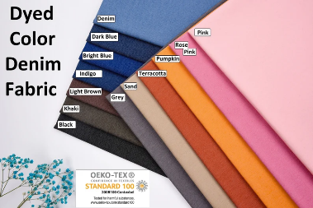
2 | Cashmere fabric | First-class Italian cotton cashmere fabric (roll), the width of the fabric is one meter and a half (1,5 m), printed fabric, back ground fabric different colors | 25 | ROLL |  |  |  | 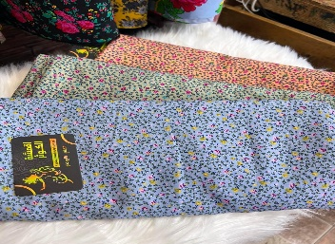
3 | Cotton Canvas | Cotton Canvas White color Vertical 44 Width Multi-use | 4 | ROLL |  |  |  | 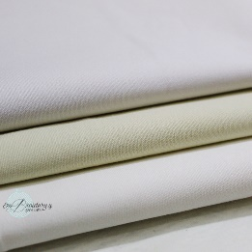
4 | Clothes patches (different shapes and colors) | Butie.Iron on Patches 22 Pieces Assorted Cool Patches Fabric Embroidered (different shap) Patches Motif Applique Kit, Perfect Ironed on Jackets, Clothing (22PCS-RF-28) | 10 | PACK
5 | lace rolls | Embroidery Mirror and Pearl Velvet Lace for Saree Border (Length of Lace 9 mtr & Width of 4 cms) different color. | 10 | ROLL |  |  |  | 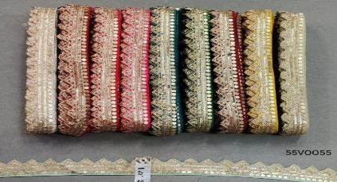
6 | lace rolls-De-Ultimate | De-Ultimate CWG0151 (20 Mtr) Roll of Multicolor Latkan Fur Velvet Gota Patti Embroidery Trim Lace Border with 1.905 cm Width for Saree,Suit,Dresses Embellishment,Fashion Designing,craftworks | 10 | ROLL
7 | lace flower rolls | 1 meter/roll 8cm Wide Chiffon Flower Pearl Ribbon Lace Fabric Handmade DIY Wedding Dress Sewing Craft Decoration 4 color(pink, white, blue, red) | 10 | ROLL |  |  |  | 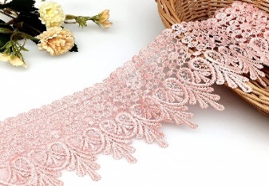
8 | Wide soft elastic rolls | Dritz 2" Soft Waistband Elastic, Black and white in color, 2 inch(5.08 cm), role (10 m) | 10 | ROLL
9 | Jewelry beads, glass beads (round ones) | Jewelry beads, glass beads (round ones) CRL839 Assorted Mixed Color 12mm Faceted Rondelle Crystal Glass Beads 50pc | 10 | PACK |  |  |  | 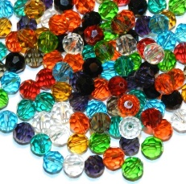
10 | Filigree wire (12-gauge ) or jewelry wire of 1.0 250 g | BENECREAT 12 Gauge Aluminum Wire-silver (12 Gauge,30 M) Anodized or Jewelry of wire of 0.8 mm, Craft Making Beading Floral Colored Aluminum Craft Wire - Brown | 6 | PIEC |  |  |  | 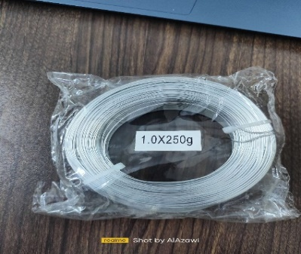
11 | Plastic Pot | Heavy Duty Squat Plastic Pot Material Plastic Colour Terracotta(clay color) Diameter 16 cm(7 inch), Height 16 cm (6 inch). | 50 | PIEC
12 | Soil Organic Concentrate 5 kg. | Soil Organic Concentrate 5 kg. | 30 | PIEC |  |  |  | 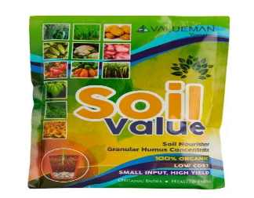
13 | small plants/Calathea Lancifolia | Calathea Lancifolia 'Rattlesnake' Live Plant for Indoor | Different Houseplants in 4'' & 6'' Pot | Real House Plant Decor for Living Room, | 10 | PIEC
14 | small plants/Rubber Tree, Rubber Plant, Ficus elastica (Small) - Plant | Rubber Tree, Rubber Plant, Ficus elastica (Small) - Plant(medium-highdth 12 inch). | 10 | PIEC |  |  |  | 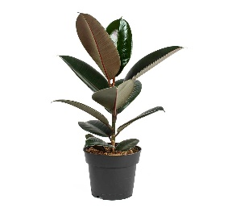
15 | small plants/Zamioculcas Zamiifolia | Zamioculcas Zamiifolia ZZ Live Plant for Indoor | Different Houseplants in size: , Pot 4"/6" - 12" tall| Real House Plant Decor for Living Room, Office | 10 | PIEC
16 | small plants/devil’s ivy | Fast Growth Epipremnum Aureum Money Plant Devils Ivy, For Home & Gardening (medium size-higdth 12 inch). | 10 | PIEC |  |  |  | 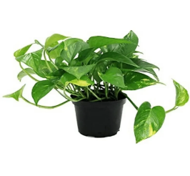
17 | small plants/Calathea Lancifolia | Calathea Lancifolia 'Rattlesnake' Live Plant for Indoor | Different Houseplants in 4'' & 6'' Pot | Real House Plant Decor for Living Room, | 10 | PIEC |  |  |  | 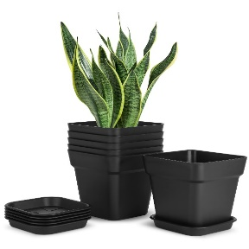
18 | Figurines | Figurines Safari Animals Figures Toys, Realistic Jumbo Wild Zoo Animals Figurines Large Plastic African Jungle Animals Playset with Elephant, Giraffe, Lion, Tiger, Gorilla for Kids Toddlers, 12 Piece Gift Set. | 15 | SET |  |  |  | 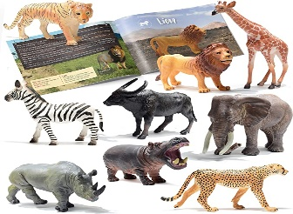
19 | Fish tank stones | 100 Pcs New Colourful Glow in The Dark Pebbles Stones Rocks For Fish Tank Aquarium Garden Walkway | 10 | PACK |  |  |  | 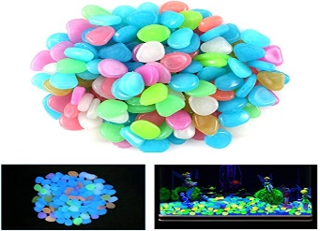
20 | white canvas Board | Creative Jack Small rectangle white canvas Board with wooden Stand White board (22 cm x 15 cm) | 10 | PICE |  |  |  | 
21 | Small Brown Kraft Paper | Medium Brown Kraft Paper Gift Bags with Handles, set(12 piec),(length 30* Height 40 cm) | 25 | SET

22 | Fabric cotton | Heavy cotton fabric for sewing trousers and skirts (black, maroon, deep Blue, gray,beige, pinc) ROLL = 30m with 1.5 m width of the roll | 12 | ROLL
23 | Cashmere fabric | First-class Italian cotton cashmere fabric (roll), the width of the fabric is one meter and a half (1,5 m), printed fabric, back ground fabric different colors | 34 | ROLL
24 | sewing thread for sewing machine | NEX Sewing Thread Assortment Cotton Spools Thread Set for Sewing Machine, 24 different Colors(in colored) 1000 Yards Each | 12 | PACK |  |  |  | 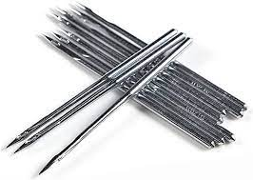
25 | needls for seewing | needls for seewing 1 pack include (10Pcs) Needles for Brother Sewing Machine Heavy Duty Universal Regular Point Singer, Janome, Bernina, Kenmore (DB 65/9) (Not for smal Machine) | 10 | PACK |  |  |  | 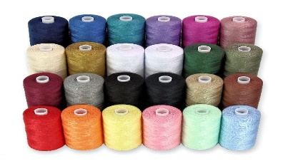
26 | Clothes patches (different shapes and colors) | Butie.Iron on Patches 22 Pieces Assorted Cool Patches Fabric Embroidered Patches Motif Applique Kit, Perfect Ironed on Jackets, Clothing (22PCS-RF-28) | 20 | PACK
27 | lace rolls | Embroidery Mirror and Pearl Velvet Lace for Saree Border (Length of Lace 9 mtr & Width of 4 cms) different color. | 40 | ROLL
28 | lace rolls-De-Ultimate | De-Ultimate CWG0151 (20 Mtr) Roll of Multicolor Latkan Fur Velvet Gota Patti Embroidery Trim Lace Border with 1.905 cm Width for Saree,Suit,Dresses Embellishment,Fashion Designing,craftworks | 4 | ROLL
29 | lace flower rolls | 1 meter/roll 8cm Wide Chiffon Flower Pearl Ribbon Lace Fabric Handmade DIY Wedding Dress Sewing Craft Decoration 4 color(pink, white, blue, red) | 20 | ROLL |  |  |  | 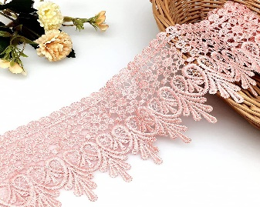
30 | Fabric accessories – buttons (different colors and shapes) | Set of buttons in very different colors, sizes and shapes. | 20 | PACK |  |  |  | 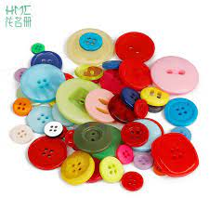
31 | Fabric accessories – tassels (different colors, small size for jewelry) | Tassels Mix Color Silk Tassels Fit for Jewelry Making and Accessories. | 20 | PACK |  |  |  | 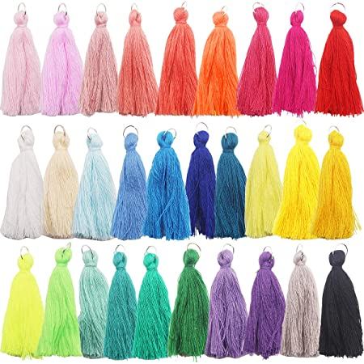
32 | Wide soft elastic rolls | Dritz 2" Soft Waistband Elastic, Black and white in color, 2 inch(5.08 cm), role (10 m) | 6 | ROLL
33 | Clay bead set (these beads are flat, not round) beads of dif | 5000Pcs Polymer Clay Beads 22 Colors 6mm Flat Round Heishi Bead Kit Include Letter Smiley Face Spacer Beads for Bracelets Necklace Jewelry Making… | 20 | Kit |  |  |  | 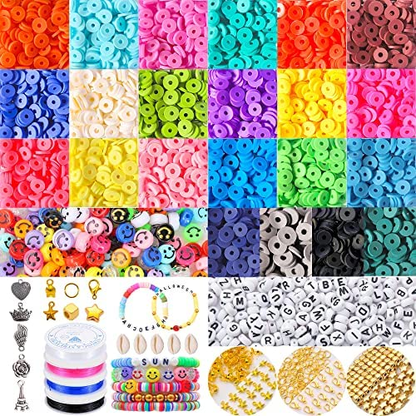
34 | Jewelry beads, glass beads (round ones) | Jewelry beads, glass beads (round ones) CRL839 Assorted Mixed Color 12mm Faceted Rondelle Crystal Glass Beads 50pc | 20 | PACK
35 | Small letters beads/colored | Small letters beads/colored 100PCS - 7mm Opaque Glitter Colorful Round Alphabet beads, Round Beads, ABC Name Beads, A-Z Letter Beads, Mixed Random | 10 | PACK |  |  |  | 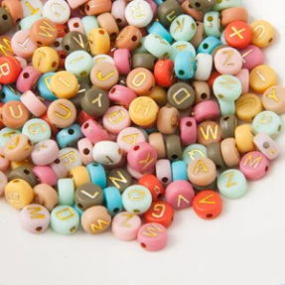
36 | Leaf, flower or petals shaped beads or any shaped beads | Craft DIY Mixed Color Acrylic Leaves Flower Petal Beads Pendants Various Shape | 20 | PACK |  |  |  | 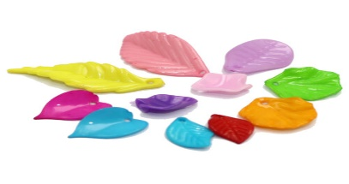
37 | Super glue | Premium quality super glue extra strong adhesive Super Glue. | 50 | PIEC |  |  |  | 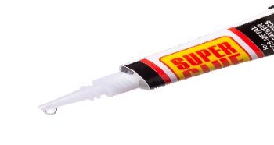
38 | Open jump rings (6mm) | Open jump rings 6MM 21 GAUGE OPEN JUMP RINGS, ROUND, RHODIUM PLATED. | 20 | PACK |  |  |  | 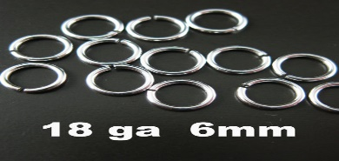
39 | Filigree wire (12-gauge ) or jewelry wire of 1.0 250 g | BENECREAT 12 Gauge Aluminum Wire-silver (12 Gauge,30 M) Anodized or Jewelry of wire of 0.8 mm, Craft Making Beading Floral Colored Aluminum Craft Wire - Brown | 20 | PIEC
40 | Plastic Pot | Heavy Duty Squat Plastic Pot Material Plastic Colour Terracotta(clay color) Diameter 16 cm(7 inch), Height 16 cm (6 inch). | 60 | PIEC
41 | Soil Organic Concentrate 5 kg. | Soil Organic Concentrate 5 kg. | 60 | PIEC
42 | small plants/Rubber Tree, Rubber Plant, Ficus elastica (Small) - Plant | Rubber Tree, Rubber Plant, Ficus elastica (Small) - Plant(medium-highdth 12 inch). | 12 | PIEC
43 | small plants/Zamioculcas Zamiifolia | Zamioculcas Zamiifolia ZZ Live Plant for Indoor | Different Houseplants in size: , Pot 4"/6" - 12" tall| Real House Plant Decor for Living Room, Office | 12 | PIEC
44 | small plants/devil’s ivy | Fast Growth Epipremnum Aureum Money Plant Devils Ivy, For Home & Gardening (medium size-higdth 12 inch). | 12 | PIEC
45 | small plants/Calathea Lancifolia | Calathea Lancifolia 'Rattlesnake' Live Plant for Indoor | Different Houseplants in 4'' & 6'' Pot | Real House Plant Decor for Living Room, | 12 | PIEC
46 | Acrylic paint different colors | MyArtscape Acrylic Paint Set - 12 x 12ml Tubes(12 piec) - Lightfast - Heavy Body - Great Tinting Strength - Professional Grade – Artist Quality Painting Supplies - Premium Paints | 10 | SET |  |  |  | 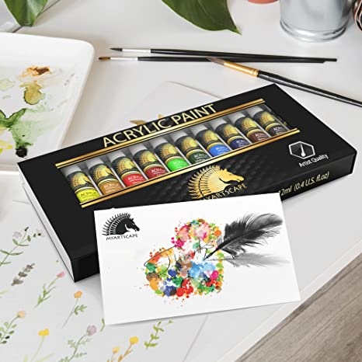
47 | Paint brushes | Pack of 12 piec paint Brush Set Acrylic Passion - Length:16.5cm~19 cm | 30 | SET |  |  |  | 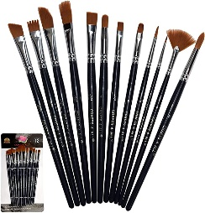
48 | Figurines | Figurines Safari Animals Figures Toys, Realistic Jumbo Wild Zoo Animals Figurines Large Plastic African Jungle Animals Playset with Elephant, Giraffe, Lion, Tiger, Gorilla for Kids Toddlers, 12 Piece Gift Set. | 20 | SET
49 | Fish tank stones | 100 Pcs New Colourful Glow in The Dark Pebbles Stones Rocks For Fish Tank Aquarium Garden Walkway | 20 | PACK
50 | Magnifying Glass | Insten Magnifying Glass 5X Handheld Reading Magnifier - Crystal Clear Glass Lens for Book Newspaper Maps Reading, Classroom Science, Insect & Hobby Observation, Great for Seniors and Kids | 6 | PIEC |  |  |  | 
51 | Small Brown Kraft Paper | Medium Brown Kraft Paper Gift Bags with Handles, set(12 piec),(length 30* Height 40 cm) | 50 | SET |  |  |  | 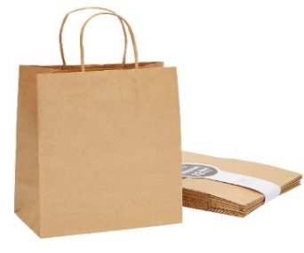
52 | zippers | zippers for skirts & pants, lenghth 15 cm, in colored pieces (black, maroon, deep blue, gray, pinc) | 100 | PIEC
53 | Sewing Soap | sewing soap 10 Pieces Pack Triangle Tailor's Chalk Sewing Quilting Notions White/Yellow/RED/Blue | 12 | PACK |  |  |  | 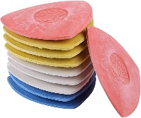
54 | Plastic Head Ball-Poin | Plastic Head Ball-Point Stretch Pins 35mm x 5 boxes. | 30 | BOX |  |  |  | 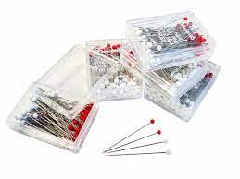
55 | Chain lock | 10mm Clasp Necklace & Bracelet Hook Clasps With Open Ring Jewelry Making Tools. | 10 | PACK |  |  |  | 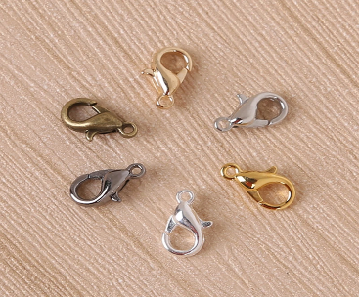
56 | white canvas Board | Creative Jack Small rectangle white canvas Board with wooden Stand White board (22 cm x 15 cm) | 10 | PICE
57 | Soccer uniforms | Soccer uniforms for Adults (Set includes:12 Shorts and 12 T-shirt) - 100% polyester (XL / Different coloer) | 12 | SET |  |  |  | 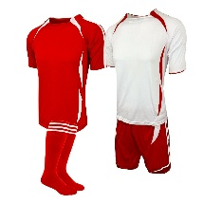
58 | Goalkeeper uniform | Goalkeeper long sleeve uniform for adults (Black XI T-shirt + short) | 12 | PICE |  |  |  | 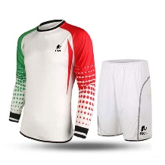
59 | Footballs | Five-a-side football field balls (Size 4) | 6 | Piece |  |  |  | 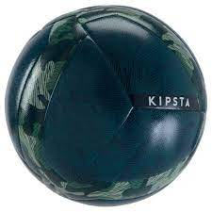
60 | Box for Saving drinks | Drinks cooler box with wheel and window | 2 | Piece |  |  |  | 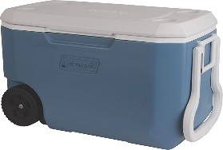
61 | Soccer uniforms | Soccer uniforms for Adults XL (Set includes: 12 piec Shorts and 12 piec T-shirt) - (Difrent color similar to Argentina 2 set, Brazil 2 set, engeland international uniform 2 set and Iraq 2 set ) With Numbers on T-shirts back | 8 | Set |  |  |  | 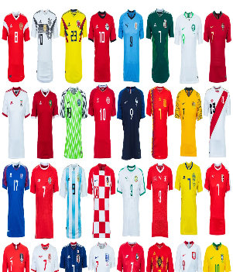

63 | Soccer uniforms | Soccer uniforms for Adults XL (Set includes: 12 piec Shorts and 12 piec T-shirt) - (Difrent color similar to Argentina 2 set, Brazil 2 set, engeland international uniform 2 set and Iraq 2 set ) With Numbers on T-shirts back | 8.00 | Set |  |  |  | 
64 | Footballs | Five-a-side football field balls (Size 4) | 6.00 | Piece
65 | Box for Saving drinks | Drinks cooler box with wheel and window | 2.00 | Piece
 |  |  |  |  | Total

