Furniture
Annex-A- Furniture in Fallujah
# | Item | Unit | Quantity | Picture | Status | Offerd Price
1 | Wooden Office desk, Metal Frame 120cm*60cm | PCS | 1 | 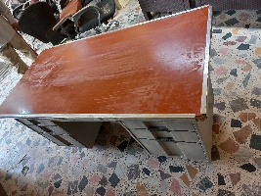 | Minor damages to base
2 | Wooden Office desk, Metal Frame 120cm*60cm | PCS | 1 | 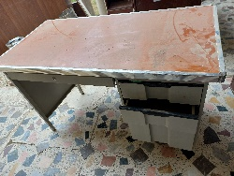 | Minor damages to drawers
3 | plastic Table 75cm*100cm | PCS | 1 | 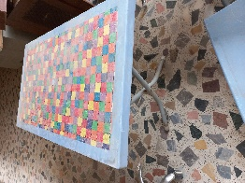 | Minor damages to base
4 | plastic Table 75cm*100cm | PCS | 1 | 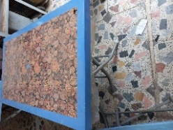 | Minor damages to base
5 | Wooden Office desk, Metal Frame 120cm*60cm | PCS | 1 | 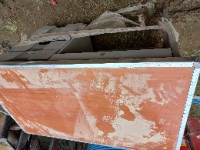 | Broken base and damaged drawers
6 | Wooden locker, 2 doors, (1m*2m) | PCS | 1 | 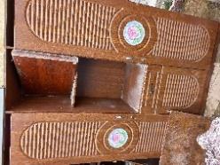 | Borken middle door and minor damages to frame
7 | Wooden Table 1*2 | PCS | 1 | 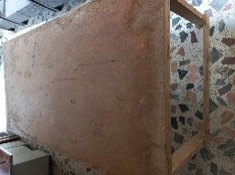 | Minor damage
8 | Wooden Table 1*2 | PCS | 1 | 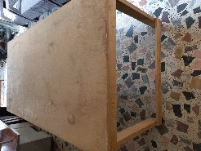 | Minor damage
9 | Wooden Table 1*2 | PCS | 1 | 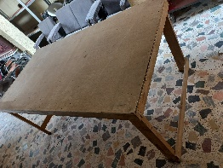 | Minor damage
10 | Toner cartridge for black and wihte printer (Power max) | PCS | 100 | 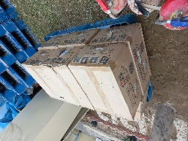 | Fully Functional
11 | Wooden box 1m*1m | PCS | 1 | 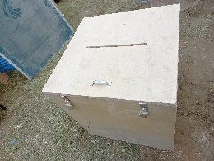 | Minor damages to base of the item
12 | Wooden box 1m*0.5m | PCS | 1 | 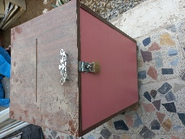 | Minor damages to base of the item
13 | Iron Bed 80cm*180cm | PCS | 1 | 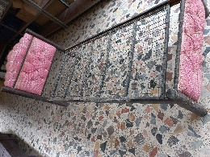 | Minor damages to frame
14 | Iron Bed 80cm*180cm | PCS | 1 | 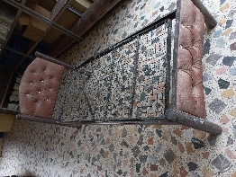 | Minor damages to frame
15 | Iron Bed 80cm*180cm | PCS | 1 | 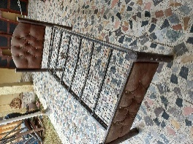 | Minor damages to frame
16 | popcorn maker | PCS | 1 | 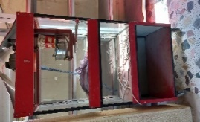 | Fully Functional
18 | Plastic chair | PCS | 5 | 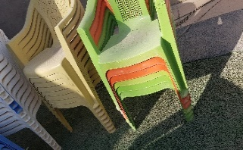 | Fully Functional
19 | Plastic chair | PCS | 51 | 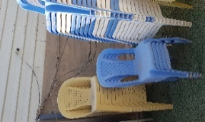 | Fully Functional
20 | Thick Double Sided Plastic Pallets with Dimention 110*110*15 cm | PCS | 28 | 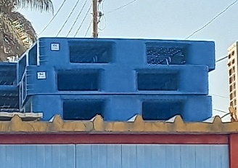 | Fully Functional
21 | 5Tier Heavy Duty Metal Shelves Storage Shelf with Dimension 250 x 200 x 60cm covered with 3 layers of paint (one layer of anti-rust base, two with silver), high quality and Heavy metal, sturdy, firm, and durable) | PCS | 8 | 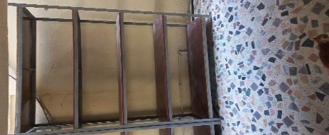 | Fully Functional
22 | Mesh Office chair | PCS | 9 | 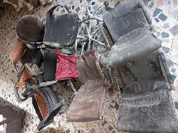 #REF! | Damged base and minor tears
23 | Black leather chair | PCS | 4 | 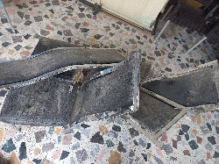 | Very damaged and broken
24 | Office desk 120cm*60cm | PCS | 1 | 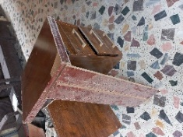 | Broken base and damaged drawers
25 | Office desk 160cm*70cm | PCS | 1 | 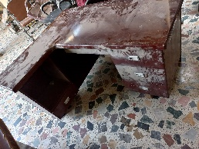 | Broken base and damaged drawers
26 | Office desk 160cm*70cm | PCS | 1 | 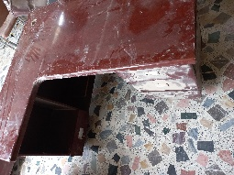 | Broken base and damaged drawers
27 | plastic Table (80cm*120cm) | PCS | 1 | 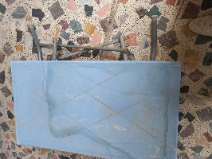 | Broken base and damaged legs
28 | plastic Table 80cm*80cm ( Damaged) | PCS | 2 | 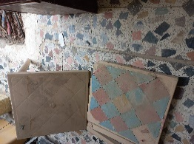 | Broken base and damaged legs
29 | Iron Table 120cm*120cm*150cm H | PCS | 1 | 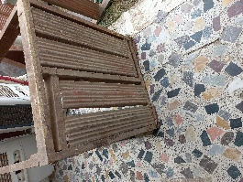 | Broken base and damaged legs
30 | Cabinet Office Cupboard with Swing 2 Doors | PCS | 1 | 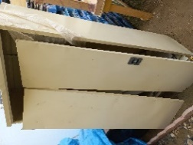 | Damged doors, minor rust on frame
32 | Water Tank 2000L | PCS | 2 | 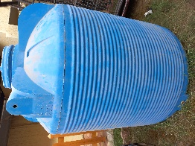 | Damaged frame, Leaks water
33 | Iron Bed | PCS | 1 | 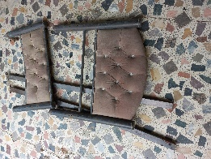 | Damaged frame and broken legs
34 | Meeting table 1.5*3 with out any stand | PCS | 1 | 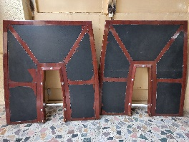 | Damaged frame and broken legs
35 | Plastic chair | PCS | 5 | 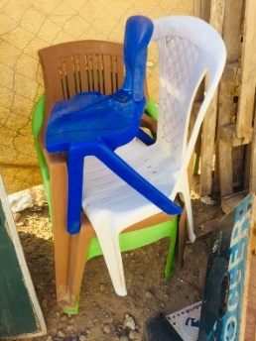 | Damaged legs
36 | Basketball Stand | PCS | 1 | 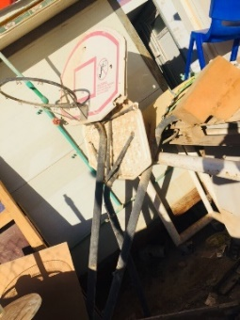 | Very damaged and broken
40 | Battrey model MAXMA - Capacity 150 AH GSA | PCS | 1 |   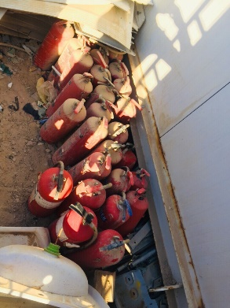 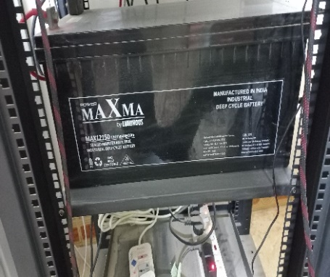 | Not functional
Total Price

