Laptops
Annex- A- Laptops in Fallujah
Item | Unit | Quantity | Picture | Status | Offerd Price
Laptop Lenovo Model:Lenovo B50-70 S/N: CB34271136 - Charger included | PCS | 1 | 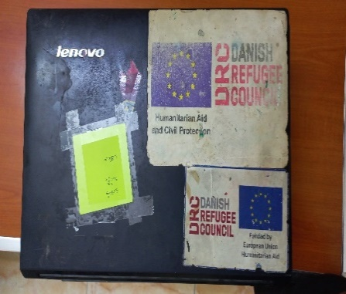 | Damaged Screen, Damged - Partially functional
Laptop Lenovo Model: Lenovo ThinkPad L540 S/N: R900VE6114 - Charger included | PCS | 1 | 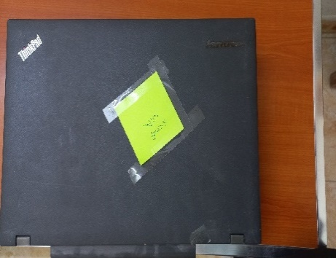 | Outrer cover and motherboard are damaged, Damged - Partially functional
Laptop Lenovo Model: Ideapad 130 - 15IKB S/N: MP14NUZD - Charger included | PCS | 1 | 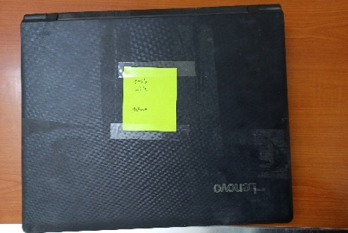 | Damaged Screen, Damged - Partially functional
Laptop Lenovo Model: Lenovo B50-70 S/N: CB34425887 - Charger included | PCS | 1 | 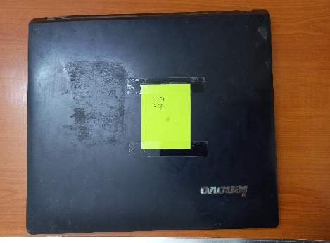 | Damaged Motherboard, Damged - Partially functional
Laptop Lenovo Model: Lenovo ThinkPad L540 S/N: R9-0FLB1S 15/03 - Charger included | PCS | 1 | 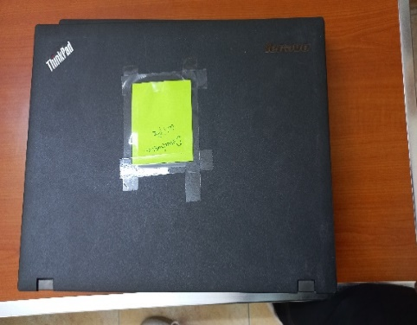 | Partially functional
Laptop Lenovo Model: Lenovo ThinkPad L540 S/N: R9-0207HX - Charger included | PCS | 1 | 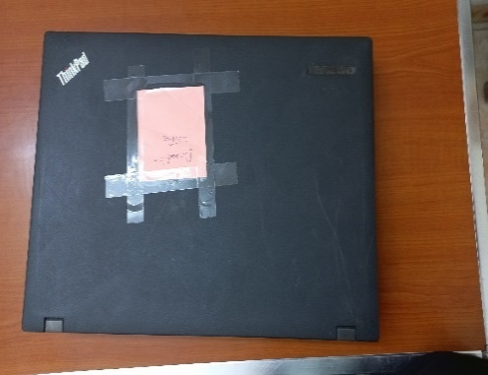 | Partially functional
Laptop Lenovo Model: HP 3168NGW S/N: CND744CCMR - Charger included | PCS | 1 | 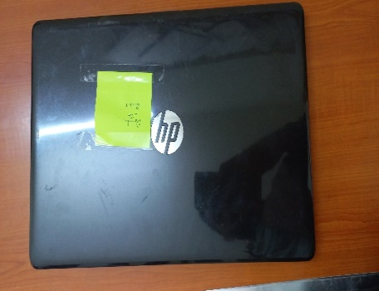 | Partially functional
Total Price

