Office Equipment
Annex - A - Office Equipment in Fallujah
# | Item | Unit | Quantity | Picture | Status | Offerd Price
1 | Celing fan | PCS | 10 |  | Damaged wing with minor damages to frame
2 | Air Cooler, size 3000-4000 220v made of plastic with three-door | PCS | 1 |  | Damaged engine - Not functional
3 | Air Cooler, size 3000-4000 220v made of plastic with three-door | PCS | 1 |  | Damaged engine - Not functional
4 | Gassoline fuel generator 2KVA | PCS | 2 |  | Fully Functional
5 | Gassoline fuel generator 2KVA | PCS | 2 |  | Fully Functional
6 | Gassoline fuel generator 2KVA | PCS | 2 |  | Fully Functional
8 | Air Puller Fan, With outer piece and cover | PCS | 1 | 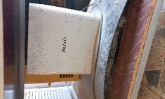 | Fully Functional
9 | Water Heater, Capacity 80L | PCS | 1 | 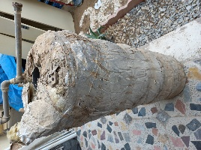 | Very damaged not functional
10 | Diesel Fuel Generator, (Kipor Model:KDE6700T3 - 5,5 kVA) S/N: 32117090651 | PCS | 1 | 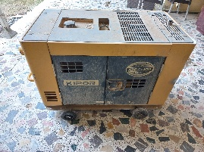 | Very damaged not functional
11 | AC Model GENERAL COOL-HEAT S/N:JAA0GBEC121011023981, sized 1 tons, outer piece included | PCS | 1 | 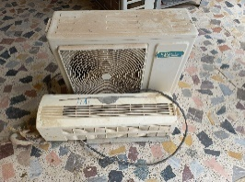 | Damged outer piece, damaged frame, requires Gas refill
12 | AC Model GZ GENERAL :KFR-66GW S/N:S15K05287B0564, Sized 2 tons, outer piece included | PCS | 1 | 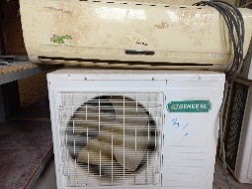 | Minor damage to outer piece, requires Gas refill
13 | AC KELON Model: AS18HT4FVVT3-R S/N:AKK018026N0P0KBF6SE0817, sized 2 tons, outer piece is included | PCS | 1 | 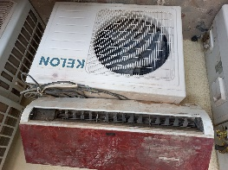 | Minor damage to outer piece, requires Gas refill
14 | AC Model GZ GENERAL:KFR-66GW) S/N:S15K05287b0207, size 2 tons, outer piece included | PCS | 1 | 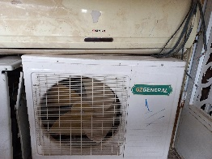 | Damaged frame and Minor damages to outer piece, requires Gas refill
15 | AC - Model SUMSUNG - S/N: N/A - sized 2 tons, outer piece included, | PCS | 1 | 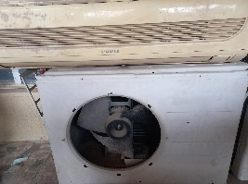 | Minor damage to outer piece, damaged outer piece, requires Gas refill
16 | AC Model GENERAL COOL-HEAT - model:GRN-12GWAA S/N:07DB9303943GB96QL2K0372 - size 2 tons, outer piece included | PCS | 1 | 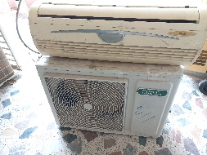 | Minor damage to outer piece, requires Gas refill
17 | Mobile Phone- Smart- Model Samsung A20/SM-A205G/ S/N:RZ8M41Y88EF | PCS | 1 |  | Requires software reapir and damaged frame, Broken screen
18 | Mobile Phone- Smart- Model Samsung A20/SM-A205G/ S/N:RZ8M62XE6SE | PCS | 1 |  | Requires software reapir and damaged frame, Broken screen
19 | Mobile Phone- Smart- Model Samsung A10/ S/N:R9AN30LHYVJ | PCS | 1 |  | Requires software reapir and damaged frame, Broken screen
20 | Mobile Phone- Smart- Model Samsung SM-J700/ S/N:R58KB725J3T | PCS | 1 |  | Requires software reapir and damaged frame, Broken screen
21 | Mobile Phone Nokia RM-944/ S/N:353699079366904 | PCS | 1 | 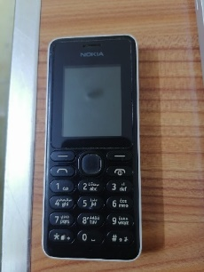 | Requires software reapir and damaged frame
22 | Mobile Phone Nokia RM-944/ S/N:353699079188498 | PCS | 1 | 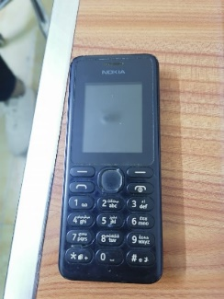 | Requires software reapir and damaged frame
23 | Mobile Phone Nokia RM-944/ S/N:353699079371508 | PCS | 1 |  | Requires software reapir and damaged frame
24 | Mobile Phone Nokia RM-944/ S/N:358580069610508 | PCS | 1 |  | Requires software reapir and damaged frame
25 | Mobile Phone Nokia RM-944/ S/N:356858070653879 | PCS | 1 | 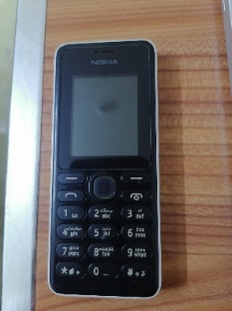 | Requires software reapir and damaged frame
26 | Mobile Phone NokiaTA-1034/ S/N:355820098200837 | PCS | 1 | 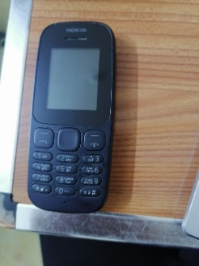 | Requires software reapir and damaged frame
27 | Mobile Phone Nokia RM-944/ S/N:353699079366524 | PCS | 1 |  | Requires software reapir and damaged frame
28 | Mobile Phone Nokia RM-944/ S/N:353699079182624 | PCS | 1 |  | Requires software reapir and damaged frame
29 | Mobile Phone Nokia RM-944/ S/N:355169068013006 | PCS | 1 | 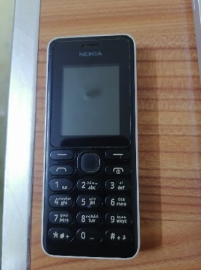 | Requires software reapir and damaged frame
30 | Mobile Phone NokiaTA-1034/ S/N:352892100115579 | PCS | 1 |  | Requires software reapir and damaged frame
31 | Mobile Phone NokiaTA-1034/ S/N:357336088917965 | PCS | 1 | 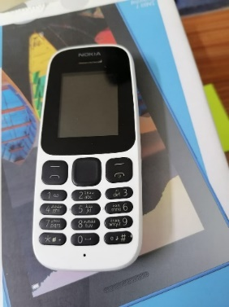 | Requires software reapir and damaged frame
32 | Mobile Phone Nokia RM-944/ S/N:356885074657945 | PCS | 1 |  | Requires software reapir and damaged frame
33 | Mobile Phone NokiaTA-1034/ S/N:357681100071287 | PCS | 1 |  | Requires software reapir and damaged frame
34 | Mobile Phone Nokia RM-1133/ S/N:356887077730489 | PCS | 1 | 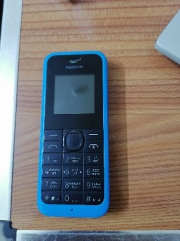 | Requires software reapir and damaged frame
35 | Mobile Phone NokiaTA-1034/ S/N:357336088874695 | PCS | 1 |  | Requires software reapir and damaged frame
36 | Mobile Phone Nokia RM-1133/ S/N:357289084100690 | PCS | 1 |  | Requires software reapir and damaged frame
37 | Mobile Phone NokiaTA-1034/ S/N:352892100115546 | PCS | 1 | 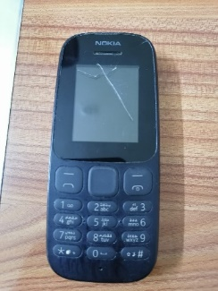 | Requires software reapir and damaged frame, Broken screen
38 | Mobile Phone Nokia RM-944/ S/N:356858070652301 | PCS | 1 | 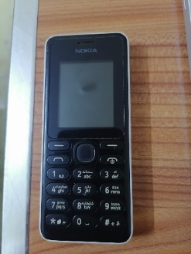 | Requires software reapir and damaged frame
39 | Mobile Phone Nokia RM-1133/ S/N:357289089790586 | PCS | 1 | 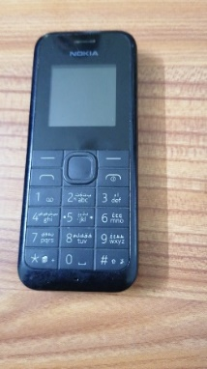 | Requires software reapir and damaged frame
40 | Mobile Phone NokiaTA-1034/ S/N:357337081562733 | PCS | 1 |  | Requires software reapir and damaged frame
41 | Mobile Phone NokiaTA-1010/ S/N:353423091243250 | PCS | 1 |  | Requires software reapir and damaged frame
42 | Mobile Phone Nokia RM-1035/ S/N:357290082581840 | PCS | 1 | 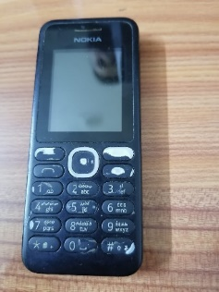 | Requires software reapir and damaged frame, Broken screen
43 | Mobile Phone Nokia RM-944/ S/N:356451/06/7978408 | PCS | 1 | 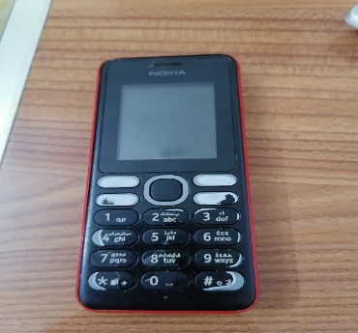 | Requires software reapir and damaged frame, Broken screen
Total Price

