Furniture
Annex - A- Furniture in Baqubah
# | Item | Unit | Quantity | Picture | Status | Offerd Price
1 | Chair,wooden legs, color gery | Piece | 1 | 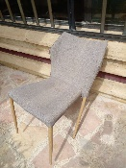 | Broken leg
2 | Sewing machine plastic cover | Piece | 3 | 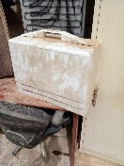 | Fully Functional
3 | Cabinet Office Cupboard with Swing 2 Doors | Piece | 1 | 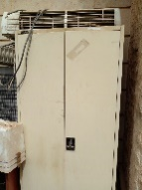 | Fully Functional
4 | Cabinet Office Cupboard with Swing 2 Doors | Piece | 1 | 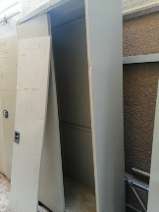 | Broken Doors
5 | Cabinet Office Cupboard with Swing 2 Doors | Piece | 1 | 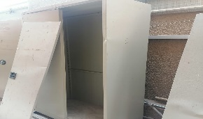 | Broken Doors
6 | Cabinet Office Cupboard with Swing 2 Doors | Piece | 1 | 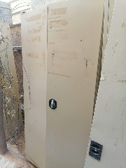 | Broken Doors
7 | Cabinet Office Cupboard with Swing 2 Doors | Piece | 1 | 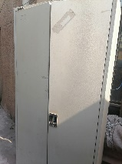 | Fully Functional
8 | Cabinet Office Cupboard with Swing 2 Doors | Piece | 1 | 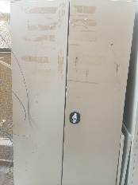 | Fully Functional
9 | Wheelbarrow | Piece | 1 | 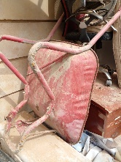 | Broken Wheel
10 | Mesh Office chair | Piece | 1 | 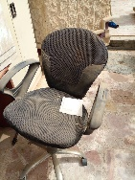 | Minor damages
11 | Mesh Office chair | Piece | 1 | 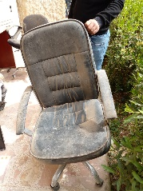 | Brken leg
12 | Mesh Office chair | Piece | 1 | 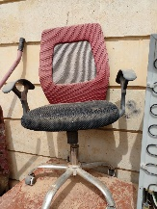 | Brken leg
13 | Wooden desk, wooden color, size 120*60 | Piece | 1 | 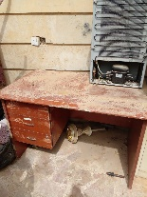 | Minor damages to base
14 | Wooden Bed | Piece | 1 | 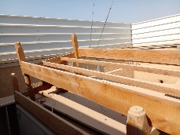 | Fully Functional
15 | Wooden Bed | Piece | 1 | 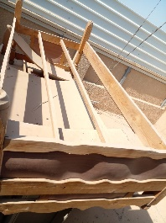 | Fully Functional
16 | Wooden desk, wooden color, size 120*60 | Piece | 1 | 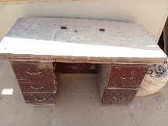 | Broken Base
17 | Chair,wooden legs, color brown | Piece | 1 | 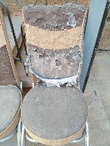 | Minor damages and tears
18 | Chair,wooden legs, color brown | Piece | 1 | 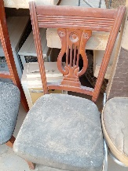 | Minor damages
19 | Chair,wooden legs, color brown | Piece | 1 | 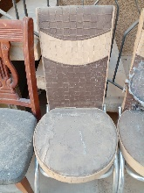 | Minor damages
20 | Chair,wooden legs, color brown | Piece | 1 | 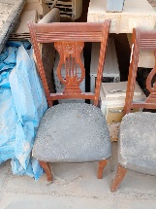 | Minor damages
21 | Electric oil heater | Piece | 1 | 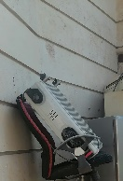 | Not working/ elctrical issue
22 | Chairs | Piece | 12 | 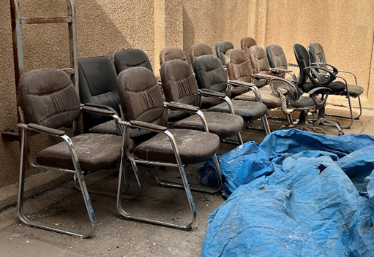 | Minor damages
23 | Adjustable office chair | Piece | 8 | 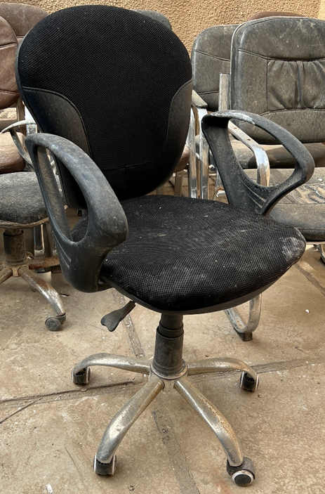 | Minor damages
24 | External air conditioner unit (split) TCL brand | Piece | 1 | 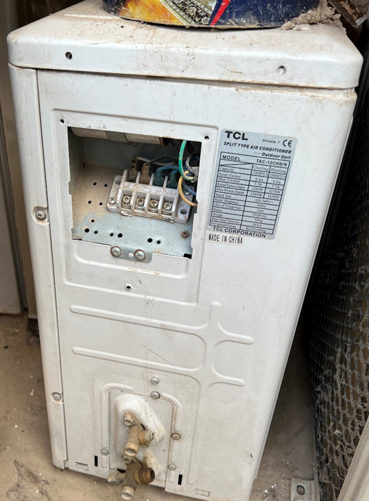 | Damage
25 | Small size refrigerator | Piece | 1 | 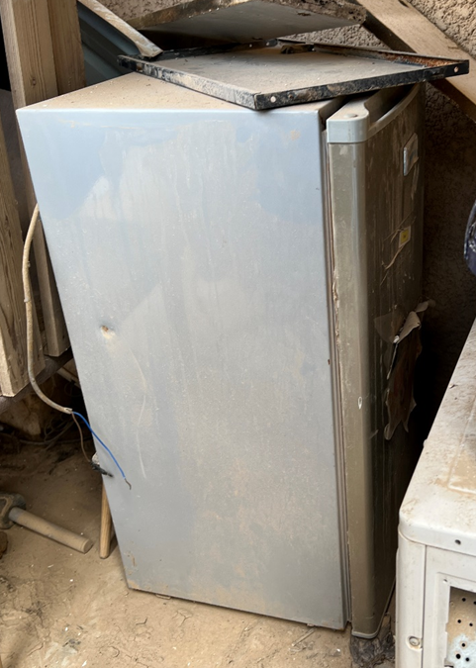 | Damage
Total Price

