Laptops
Annex - A- Laptops in Baquba
# | Item | Unit | Quantity | Picture | Status | Offerd Price
1 | Laptop, Model Lenovo Ideapad B50-70 - S/N:CB34425797 - FA-IRQ-0000795 | Piece | 1 | 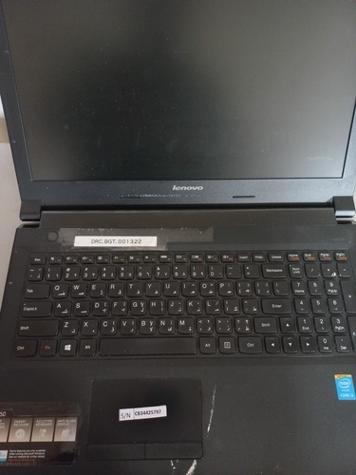 | The Service year is ended, lower than DRC laptop Standardization, screen issue - Not Fully Functional
2 | Laptop, Model Lenovo Ideapad B50-70 - S/N:CB34427105 - FA-IRQ-0000742 | Piece | 1 | 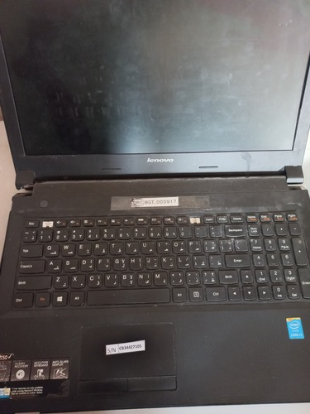 | The Service year is ended, lower than DRC laptop Standardization, Broken - Not Fully Functional
3 | Laptop, Model Lenovo Ideapad B50-70 - S/N:CB34321758 - FA-IRQ-0004036 | Piece | 1 | 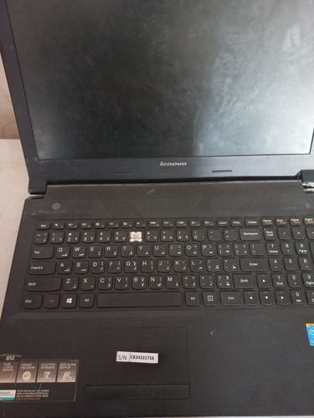 | The Service year is ended, lower than DRC laptop Standardization - Not Fully Functional
4 | Laptop, Model Lenovo Thinkpad L540 - S/N:R9-0AFN8R - FA-IRQ-0004037 | Piece | 1 | 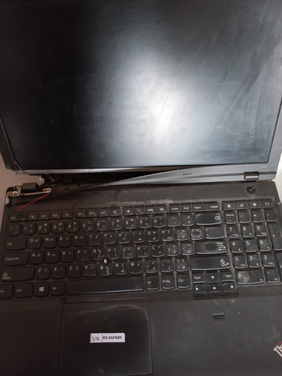 | The Service year is ended, lower than DRC laptop Standardization, Broken - Not Fully Functional
5 | Laptop, Model Lenovo Ideapad B50-70 - S/N:CB3413936 - FA-IRQ-0000741 | Piece | 1 | 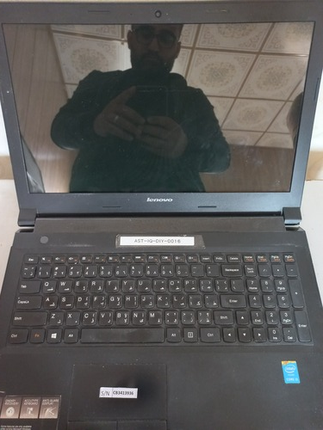 | The Service year is ended, lower than DRC laptop Standardization, Broken - Not Fully Functional
6 | Laptop, Model Lenovo Ideapad B50-70 - S/N:CB34426308 - FA-IRQ-0000793 | Piece | 1 | 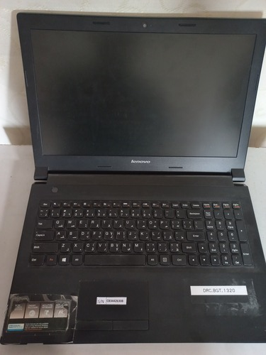 | The Service year is ended, lower than DRC laptop Standardization - Not Fully Functional
7 | Laptop, Model Lenovo Idea Pad 130-15IKB - S/N:MP1EPC15 - FA-IRQ-0003307 | Piece | 1 | 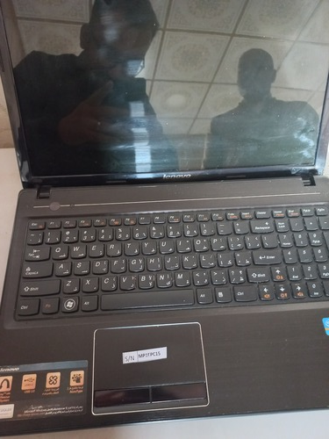 | The Service year is ended, lower than DRC laptop Standardization - Not Fully Functional
8 | Laptop, Model Lenovo B50-70 - S/N:CB34426623 - FA-IRQ-0004071 | Piece | 1 | 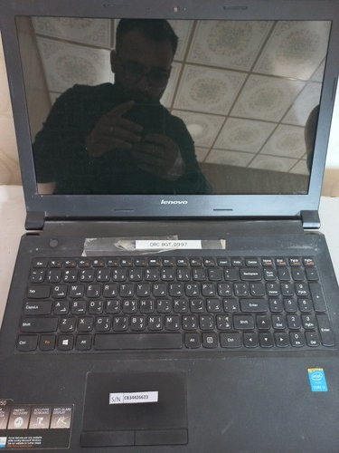 | The Service year is ended, lower than DRC laptop Standardization - Not Fully Functional
9 | Laptop, Model Lenovo ideapad 110-15 - S/N:MP18PW57 - FA-IRQ-0004072 | Piece | 1 | 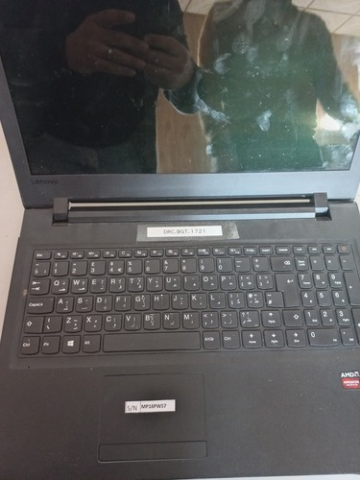 | The Service year is ended, lower than DRC laptop Standardization - Not Fully Functional
10 | Laptop, Model Lenovo B50-70 - S/N:CB3442438855 - FA-IRQ-0004101 | Piece | 1 | 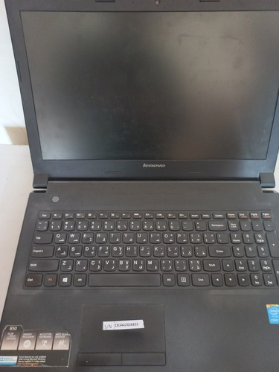 | The Service year is ended, lower than DRC laptop Standardization, Broken - Not Fully Functional
11 | Laptop, Model Lenovo L540 - S/N:R9-0FLB00 - FA-IRQ-0003320 | Piece | 1 | 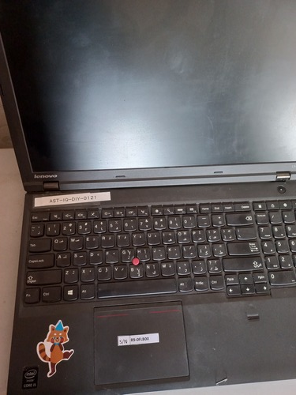 | The Service year is ended, lower than DRC laptop Standardization - Not Fully Functional
12 | Laptop, Model Lenovo L540 - S/N:R9-0FLAZK15/03- FA-IRQ-0004109 | Piece | 1 | 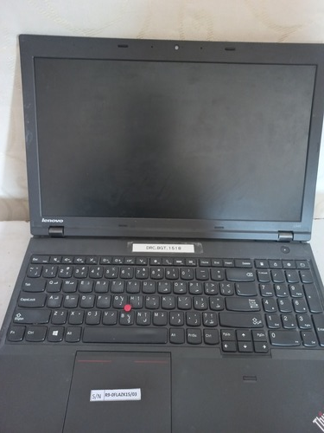 | The Service year is ended, lower than DRC laptop Standardization, Broken - Not Fully Functional
13 | Laptop, Model Lenovo B50-70 - S/N:CB34271125 - FA-IRQ-0004110 | Piece | 1 | 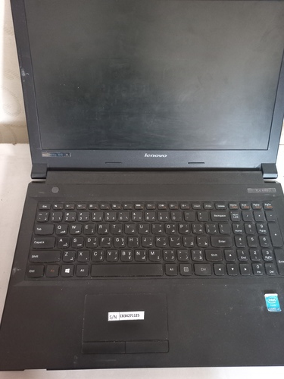 | The Service year is ended, lower than DRC laptop Standardization, Broken - Not Fully Functional
14 | Laptop, Model Lenovo B50-70 - S/N:CB34558242 - FA-IRQ-0004115 | Piece | 1 | 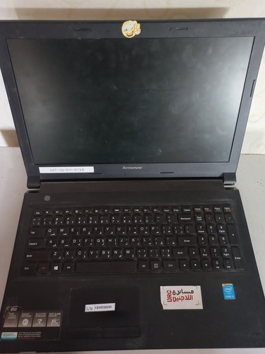 | The Service year is ended, lower than DRC laptop Standardization - Not Fully Functional
15 | Laptop, Model Lenovo L540 - S/N:R90FLB1G - FA-IRQ-0003398 | Piece | 1 | 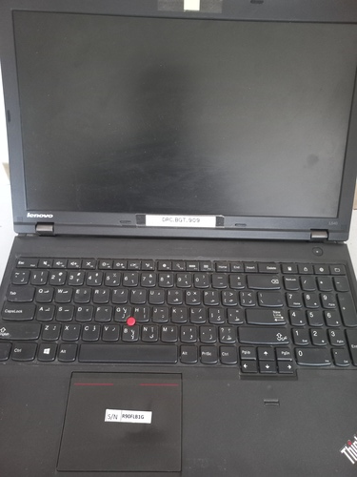 | The Service year is ended, lower than DRC laptop Standardization - Not Fully Functional
16 | Laptop, Model Lenovo L540 - S/N:R9-0FLAYG- FA-IRQ-0003790 | Piece | 1 | 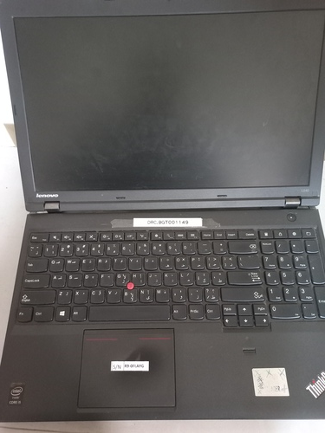 | The Service year is ended, lower than DRC laptop Standardization - Not Fully Functional
17 | Laptop, Model Lenovo L540 - S/N:R9-0AFNA8 - FA-IRQ-0003399 | Piece | 1 | 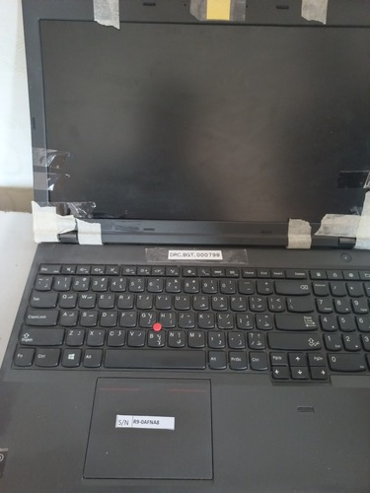 | The Service year is ended, lower than DRC laptop Standardization, Broken - Not Fully Functional
18 | Laptop, Model Lenovo L540 - S/N:R9-00VE60 - FA-IRQ-0003400 | Piece | 1 | 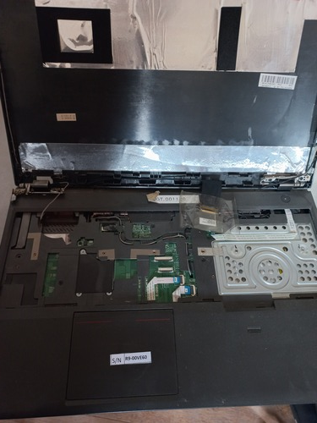 | The Service year is ended, lower than DRC laptop Standardization, Broken - Not Fully Functional
19 | Laptop, Model Lenovo V310 - S/N:LR06XZ07 - FA-IRQ-0003401 | Piece | 1 | 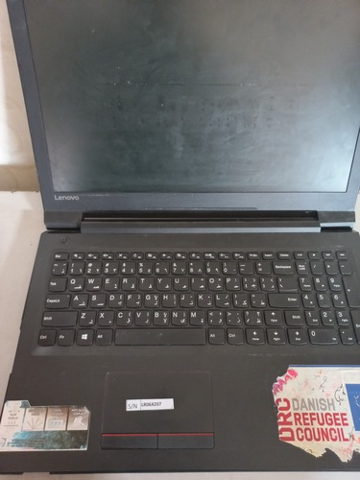 | The Service year is ended, lower than DRC laptop Standardization, Broken - Not Fully Functional
20 | Laptop, Model Lenovo L540 - S/N:R9-0FLAXK1503 - FA-IRQ-0003796 | Piece | 1 | 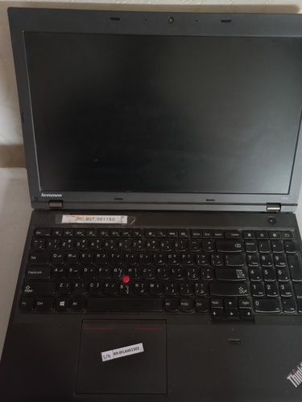 | The Service year is ended, lower than DRC laptop Standardization, Broken - Not Fully Functional
21 | Laptop, Model Lenovo B50-70 - S/N:CB34553651 - FA-IRQ-0003322 | Piece | 1 | 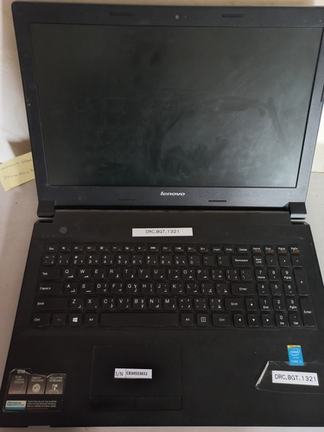 | The Service year is ended, lower than DRC laptop Standardization - Not Fully Functional
22 | Laptop, Model Lenovo B50-70 - S/N:CB34271746 | Piece | 1 | 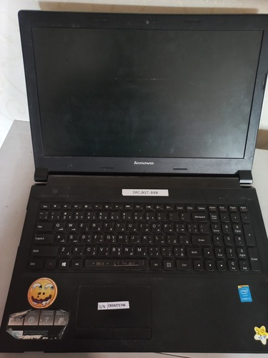 | The Service year is ended, lower than DRC laptop Standardization - Not Fully Functional
23 | Laptop, Model Lenovo L450 - S/N:R9-0FLAYH - FA-IRQ-0003344 | Piece | 1 | 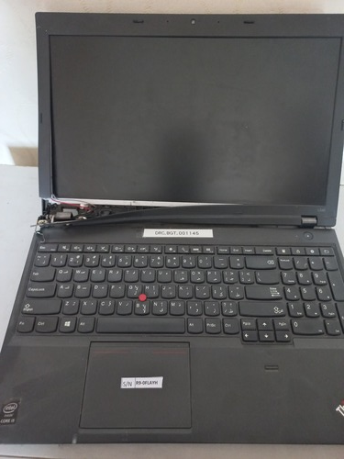 | The Service year is ended, lower than DRC laptop Standardization - Not Fully Functional
24 | Laptop, Model Lenovo L540 - S/N:R9-0207KF | Piece | 1 | 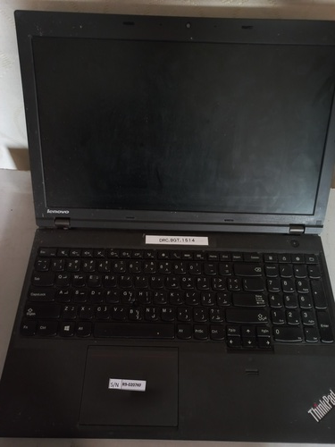 | The Service year is ended, lower than DRC laptop Standardization - Not Fully Functional
25 | Laptop, Model Lenovo Ideapad 110 - S/N:MP14NPJ0 | Piece | 1 | 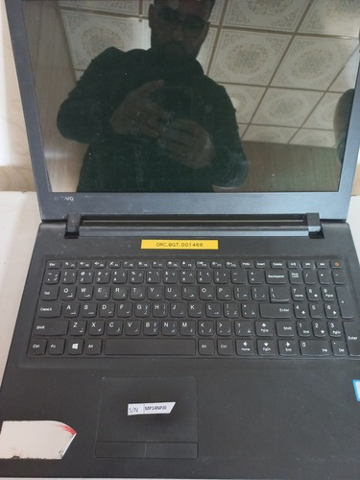 | The Service year is ended, lower than DRC laptop Standardization - Not Fully Functional
26 | Laptop, Model Lenovo L540 - S/N:R9-0207K914/05 | Piece | 1 | 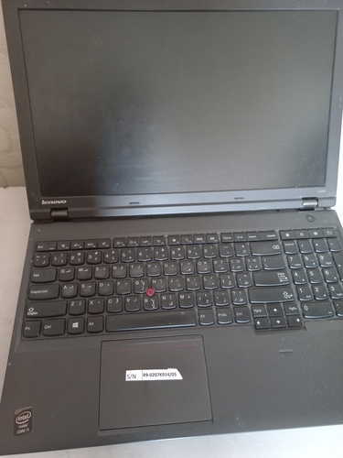 | The Service year is ended, lower than DRC laptop Standardization, Broken - Not Fully Functional
27 | Laptop, Model Lenovo L540 - S/N:R9-0FLAY3 | Piece | 1 | 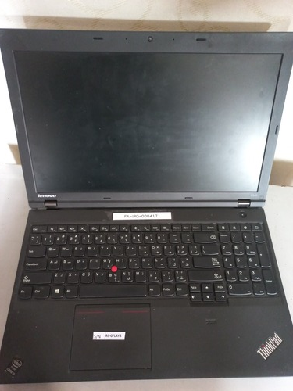 | The Service year is ended, lower than DRC laptop Standardization - Not Fully Functional
28 | Laptop, Model Lenovo L540 - S/N:R90FLB2H | Piece | 1 | 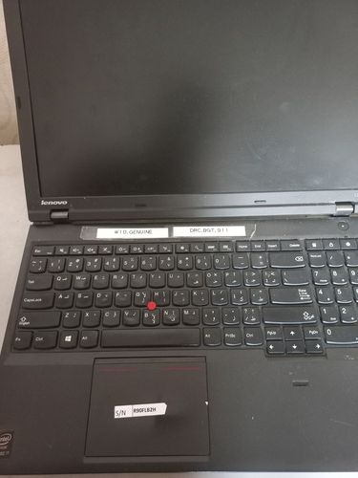 | The Service year is ended, lower than DRC laptop Standardization - Not Fully Functional
29 | Laptop, Model Lenovo B50-70 - S/N:CB34426341 | Piece | 1 | 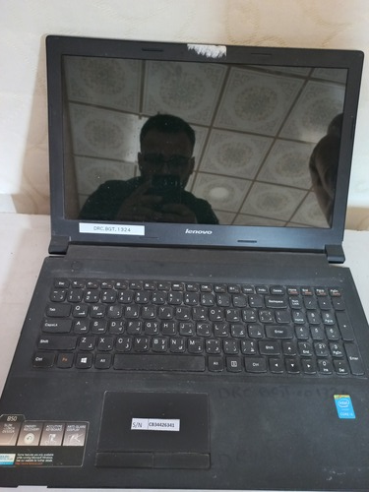 | The Service year is ended, lower than DRC laptop Standardization - Not Fully Functional
30 | Laptop, Model Lenovo E550 - S/N:CB34425290 | Piece | 1 | 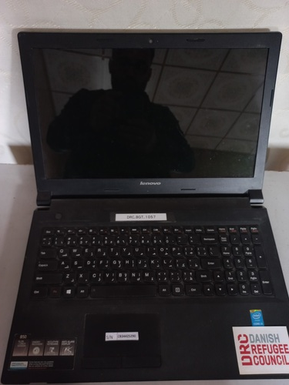 | The Service year is ended, lower than DRC laptop Standardization - Not Fully Functional
31 | Laptop, Model Lenovo V310 - S/N:LR06XQ3C | Piece | 1 | 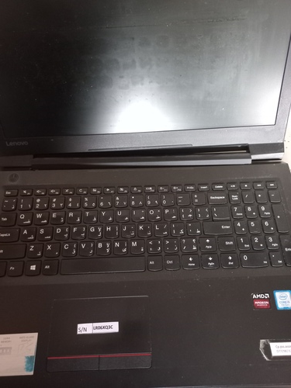 | The Service year is ended, lower than DRC laptop Standardization - Not Fully Functional
32 | Laptop, Model Lenovo Ideapad 110 - S/N:MP14NT2D | Piece | 1 | 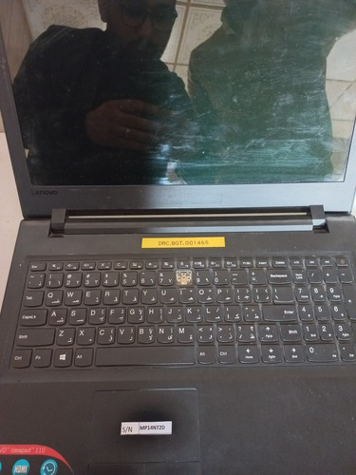 | The Service year is ended, lower than DRC laptop Standardization, Broken - Not Fully Functional
33 | Laptop, Model Lenovo L540 - S/N:R9-0FLAY6 | Piece | 1 | 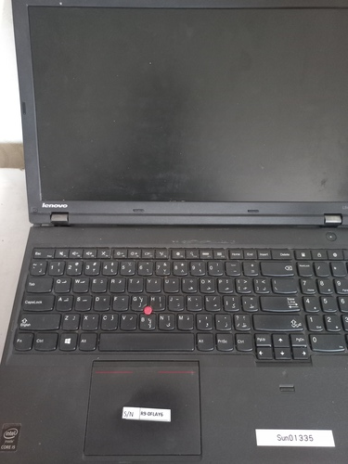 | The Service year is ended, lower than DRC laptop Standardization, Motherboard Issue - Not Fully Functional
34 | Laptop, Model Lenovo L540 - S/N:R9-OFLB21 | Piece | 1 | 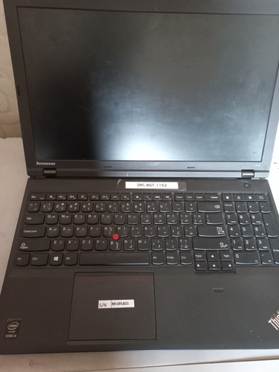 | The Service year is ended, lower than DRC laptop Standardization - Not Fully Functional
35 | Laptop, Model Lenovo V310 - S/N:LR06XZ1A | Piece | 1 | 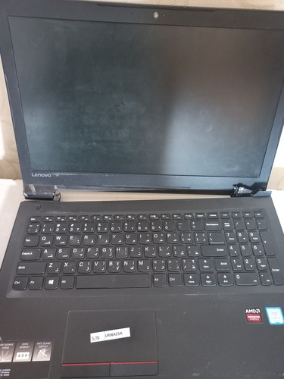 | The Service year is ended, lower than DRC laptop Standardization - Not Fully Functional
36 | Laptop, Model Lenovo L540 - S/N:R9-0AFN9W | Piece | 1 | 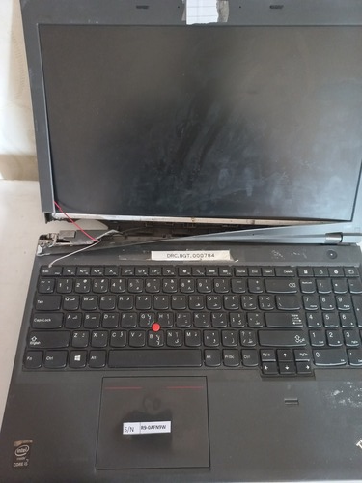 | The Service year is ended, lower than DRC laptop Standardization - Not Fully Functional
37 | Laptop, Model Lenovo Ideapad 110 - S/N:PF0VV40R | Piece | 1 | 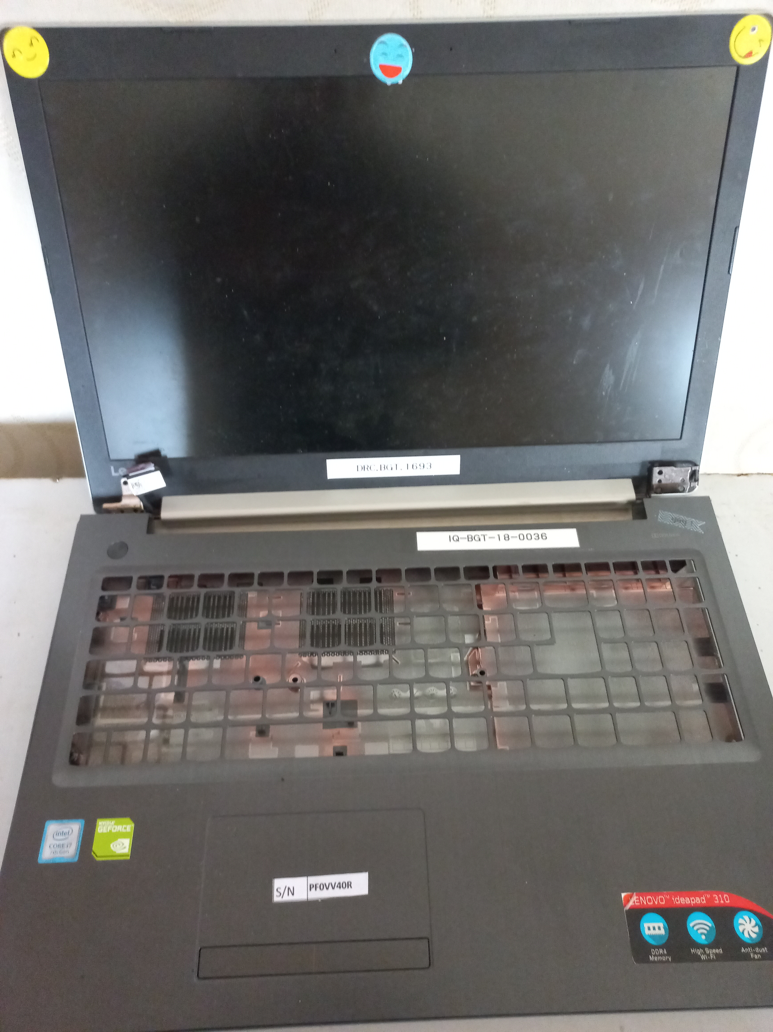 | The Service year is ended, lower than DRC laptop Standardization, Broken - Not Fully Functional
38 | Laptop, Model Lenovo IdeaPad V310-15IKB - S/N:LR06XZ3D - FA-IRQ-0004950 | Piece | 1 | 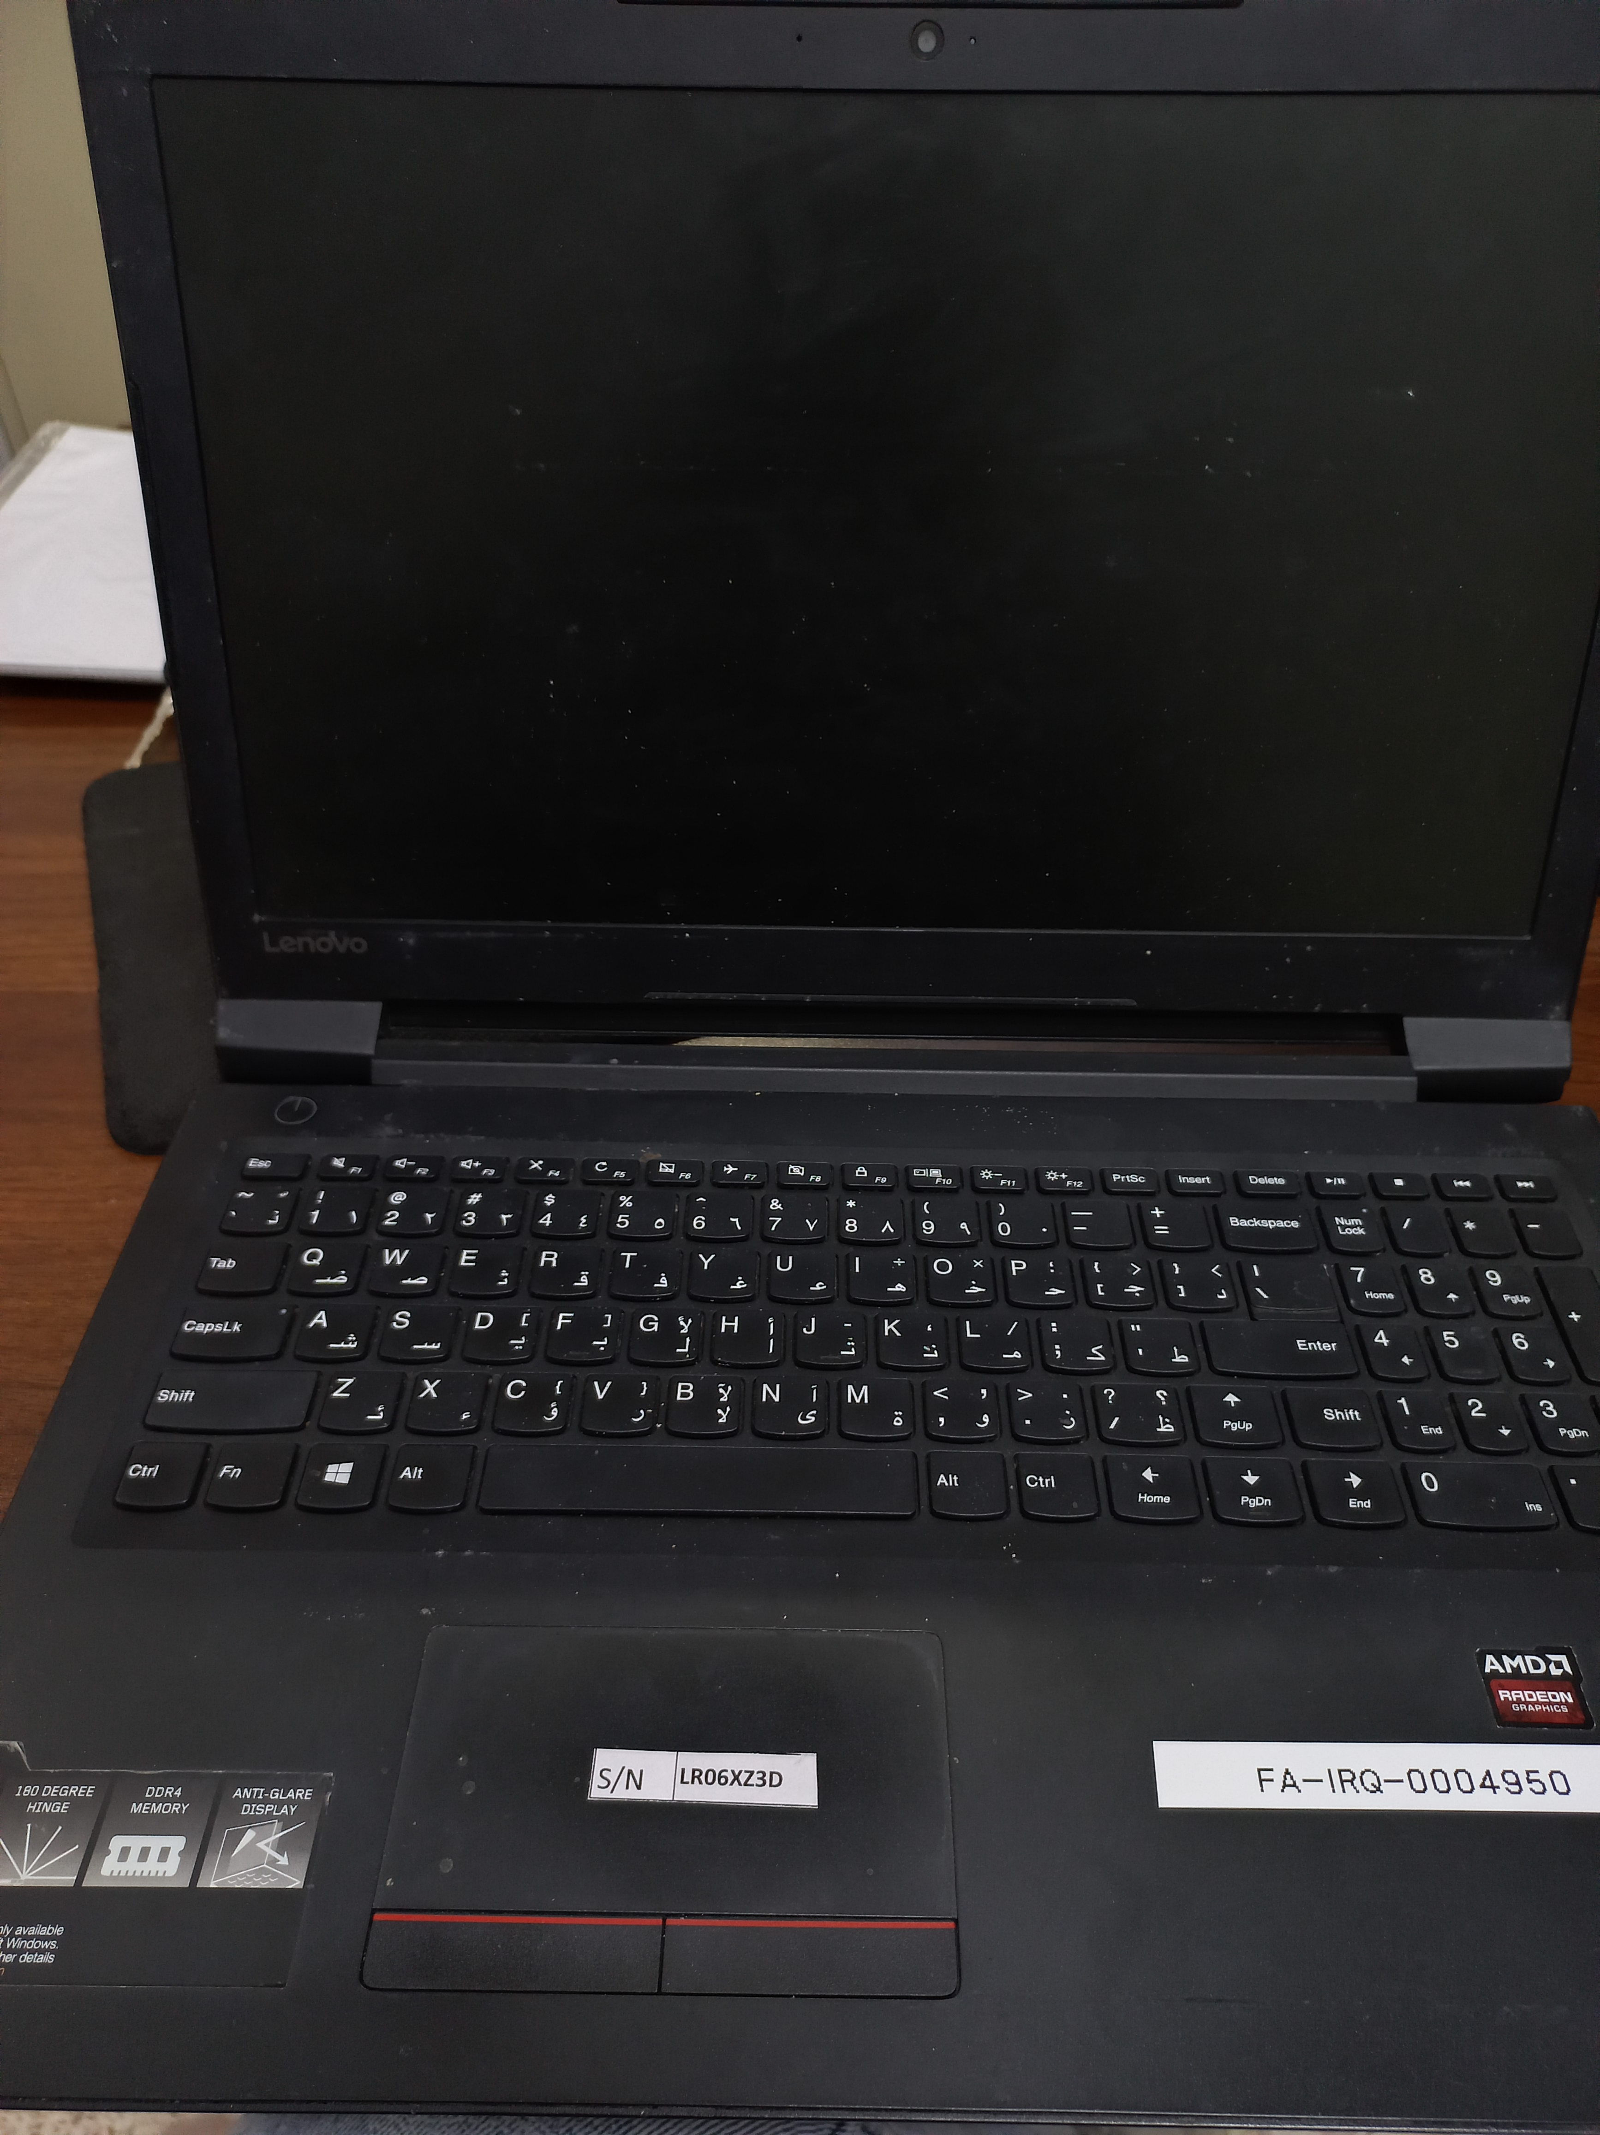 | The Service year is ended, lower than DRC laptop Standardization - Not Fully Functional
39 | Laptop, Model Lenovo E531 - S/N:PF-1NN5P | Piece | 1 | 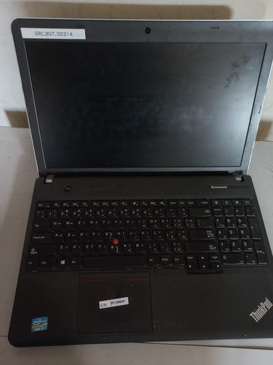 | The Service year is ended, lower than DRC laptop Standardization - Not Fully Functional
40 | Laptop, Model Dell Inspiron 15 3000 - S/N:HDW5TJ2 | Piece | 1 | 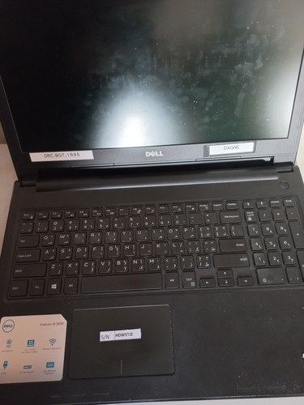 | The Service year is ended, lower than DRC laptop Standardization, Motherboard Issue - Not Fully Functional
41 | Laptop, Model Dell Inspiron 15 3000 - S/N:2BW5TJ2 | Piece | 1 | 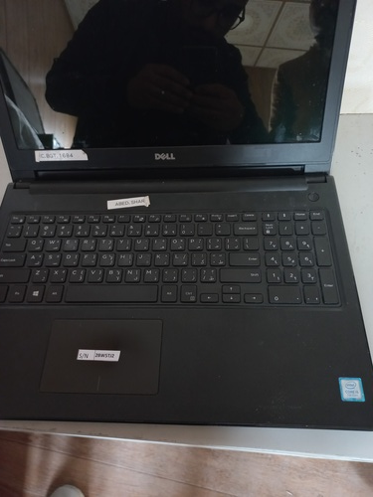 | The Service year is ended, lower than DRC laptop Standardization - Not Fully Functional
42 | Laptop, Model Lenovo L540 - S/N:R90FLB0T | Piece | 1 | 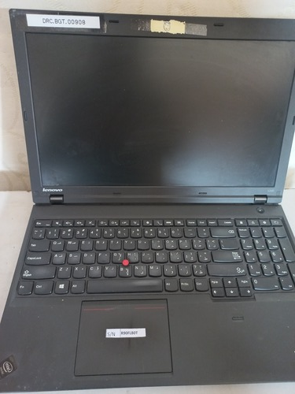 | The Service year is ended, lower than DRC laptop Standardization - Not Fully Functional
43 | Laptop, Model Lenovo L540 - S/N:R90AFN8X1409 | Piece | 1 | 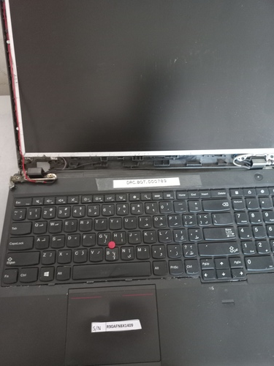 | The Service year is ended, lower than DRC laptop Standardization, Broken - Not Fully Functional
44 | Laptop, Model Lenovo L540 - S/N:R9-0207HD 14/05 | Piece | 1 | 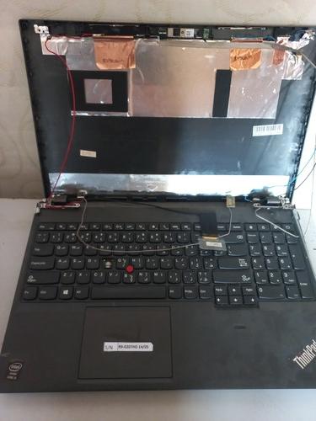 | The Service year is ended, lower than DRC laptop Standardization, Broken - Not Fully Functional
45 | Laptop, Model Lenovo L540 - S/N:PF-0KESG1 | Piece | 1 | 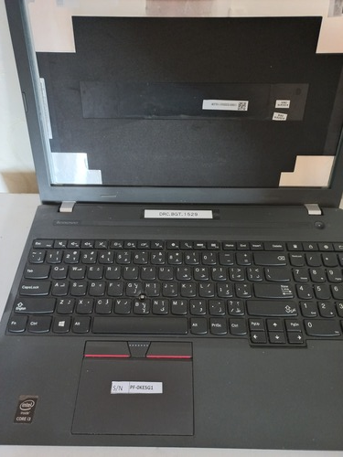 | The Service year is ended, lower than DRC laptop Standardization, Broken - Not Fully Functional
46 | Laptop, Model Lenovo E531 - S/N:PF1NNOV14 | Piece | 1 | 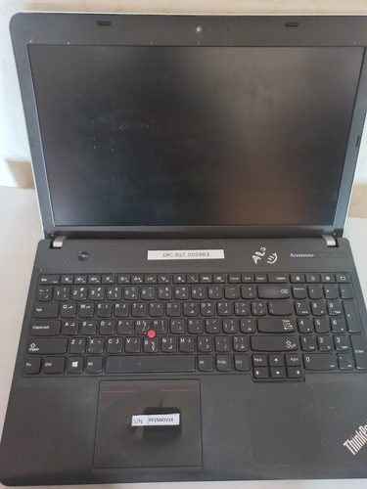 | The Service year is ended, lower than DRC laptop Standardization, Broken - Not Fully Functional
47 | Laptop, Model Asus K756U - S/N:CANDAS14042841G | Piece | 1 | 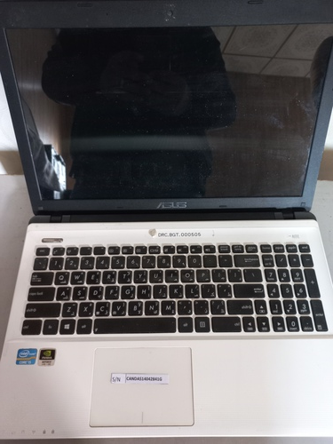 | The Service year is ended, lower than DRC laptop Standardization - Not Fully Functional
48 | Laptop, Model HP 15-bs15 - S/N:CND0040J2Q | Piece | 1 | 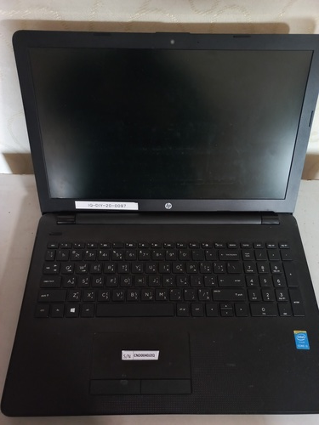 | The Service year is ended, lower than DRC laptop Standardization - Not Fully Functional
49 | Laptop, Model Lenovo B50-70 - S/N:CB34271030 | Piece | 1 | 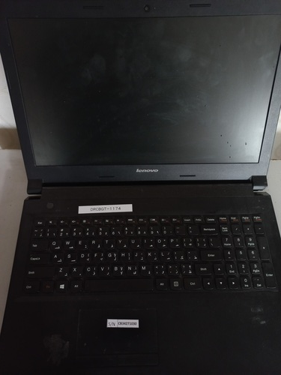 | The Service year is ended, lower than DRC laptop Standardization - Not Fully Functional
50 | Laptop, Model Hp 96-1335se - S/N:5CD2115SNS - FA-IRQ-0004046 | Piece | 1 | 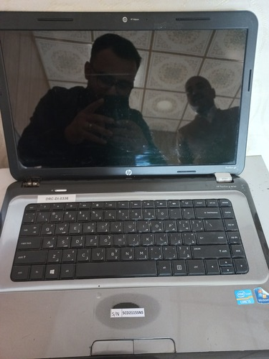 | The Service year is ended, lower than DRC laptop Standardization - Not Fully Functional
51 | Laptop, Model Lenovo ideapad 110-15 - S/N:MP17ZHC6 - FA-IRQ-0004050 | Piece | 1 |  | The Service year is ended, lower than DRC laptop Standardization - Not Fully Functional
52 | Laptop, Model Inspiron 14Z-5423 - S/N:CMXBPT1 - FA-IRQ-0004053 | Piece | 1 |  | The Service year is ended, lower than DRC laptop Standardization, Broken - Not Fully Functional
53 | Laptop, Model Lenovo L540 - S/N:R9-0FLB1N - FA-IRQ-0004055 | Piece | 1 |  | The Service year is ended, lower than DRC laptop Standardization - Not Fully Functional
54 | Laptop, Model Lenovo L540 - S/N:R9-0FLB01 - FA-IRQ-0004056 | Piece | 1 |  | The Service year is ended, lower than DRC laptop Standardization, Broken - Not Fully Functional
55 | Laptop, Model Asus - S/N:CANDAS140520418 - FA-IRQ-0004076 | Piece | 1 |  | The Service year is ended, lower than DRC laptop Standardization - Not Fully Functional
56 | Laptop, Model Lenovo L540 - S/N:R9PAFN9F - FA-IRQ-0004108 | Piece | 1 |  | The Service year is ended, lower than DRC laptop Standardization - Not Fully Functional
57 | Laptop, Model Laptop Dell P28F - S/N:YHJN4A01 - FA-IRQ-0004112 | Piece | 1 |  | The Service year is ended, lower than DRC laptop Standardization - Not Fully Functional
58 | Laptop, Model Lenovo ideapad 110-15 - S/N:MP14NR2K - FA-IRQ-0004113 | Piece | 1 |  | The Service year is ended, lower than DRC laptop Standardization, Broken - Not Fully Functional
59 | Laptop, Model Lenovo L540 - S/N:R90FLAZA - FA-IRQ-0004170 | Piece | 1 |  | The Service year is ended, lower than DRC laptop Standardization - Not Fully Functional
60 | Laptop, Model Lenovo ideapad 110-15 - S/N:CB34554388 - FA-IRQ-0000775 | Piece | 1 |  | The Service year is ended, lower than DRC laptop Standardization - Not Fully Functional
61 | Laptop, Model HP 600 - S/N:CND2310BNJ - FA-IRQ-0004246 | Piece | 1 |  | The Service year is ended, lower than DRC laptop Standardization - Not Fully Functional
62 | Laptop, Model Lenovo Z40-70 - S/N:PF0PA1CX - FA-IRQ-0004186 | Piece | 1 |  | The Service year is ended, lower than DRC laptop Standardization, Broken - Not Fully Functional
63 | Laptop, Model HP 15-bs15 - S/N:CND003194P - FA-IRQ-0003410 | Piece | 1 |  | The Service year is ended, lower than DRC laptop Standardization, Broken - Not Fully Functional
64 | Laptop, Model Lenovo L540 - S/N:R9-0207KH - FA-IRQ-0004285 | Piece | 1 |  | The Service year is ended, lower than DRC laptop Standardization - Not Fully Functional
65 | Laptop, Model ThinkPad E550 - S/N:PF-088PJ8 | Piece | 1 |  | The Service year is ended, lower than DRC laptop Standardization - Not Fully Functional
Total Price

