Office Equipment
Annex - A- Office Equipment in Baqubah
# | Item | Unit | Quantity | Picture | Status | Offerd Price
1 | Security Camera ,model DAHUA - S/N:7D0A5F6PAG8BE50 - FA-IRQ-0004775 | Piece | 1 | 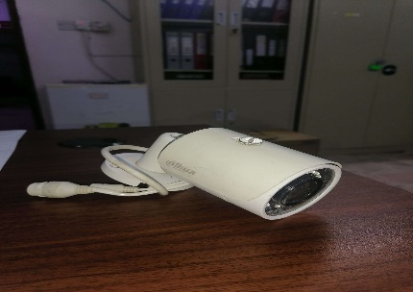 | Broken lense - Not fully functional
2 | Smart Phone, Model Samsung Galaxy A20 - S/N:RZ8M62XESMD | Piece | 1 |  | Broken Screen , Dead battery - Not fully functional
3 | Smart Phone, Model Samsung Galalxy J8 - S/N:RZ8M11BY5AH - FA-IRQ-0004128 | Piece | 1 |  | Software issue, Dead battery - Not fully functional
4 | Smart Phone, Model Samsung SM-G531H - S/N:R51G92WHMTX - FA-IRQ-0004051 | Piece | 1 |  | Software issue, Dead battery- Broken Screen - Not fully functional
5 | Mobile Phone, Model Nokia-RM 961 - S/N:351732068545584 | Piece | 1 | 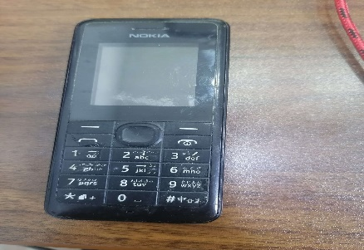 | Software issue, Dead battery - Not fully functional
6 | Mobile Phone, Model Nokia-RM 1035, S/N:356885075059760 | Piece | 1 | 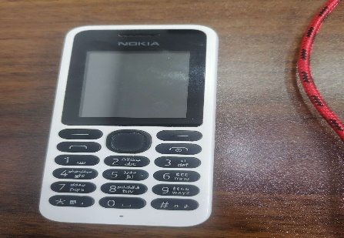 | Software issue, Dead battery - Not fully functional
7 | Mobile Phone, Model Nokia-RM 944 - S/N:358580069610409 | Piece | 1 | 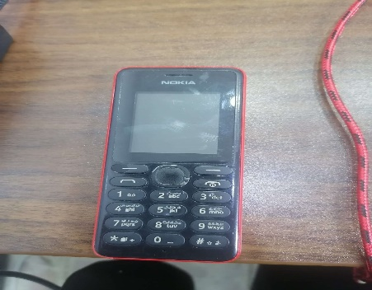 | Software issue, Dead battery - Not fully functional
8 | Mobile Phone, Model Nokia-RM 944 - S/N:354888083322370 - FA-IRQ-0004143 | Piece | 1 | 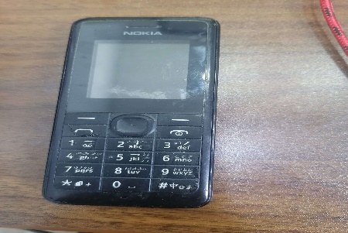 | Software issue, Dead battery - Not fully functional
9 | Mobile Phone, Model Nokia-RM 944 - S/N:358580069539202 | Piece | 1 | 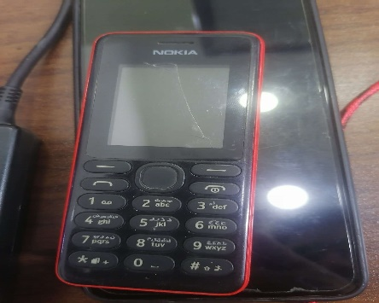 | Software issue, Dead battery - Not fully functional
10 | Mobile phone, Model Nokia RM-1100 - S/N:356898076079885 - FA-IRQ-0004162 | Piece | 1 | 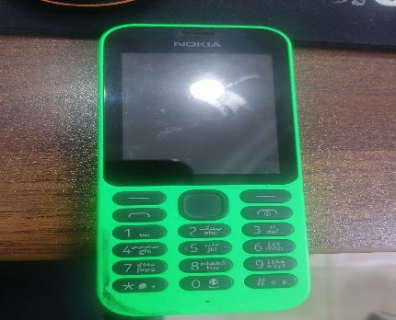 | Software issue, Dead battery - Not fully functional
11 | Mobile Phone, Model Nokia-RM 944 - S/N:355169068013329 | Piece | 1 | 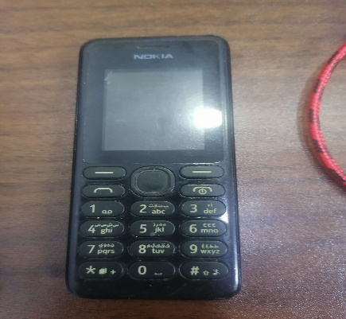 | Software issue, Dead battery - Not fully functional
12 | Mobile phone, Model Nokia RM-1133 - S/N:356885076822182 - FA-IRQ-0003310 | Piece | 1 | 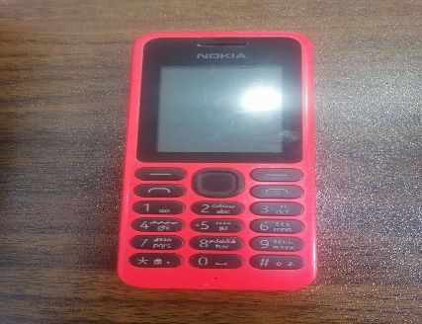 | Software issue, Dead battery - Not fully functional
13 | Mobile Phone, Model Nokia-RM 944 - S/N:355169068013162 | Piece | 1 | 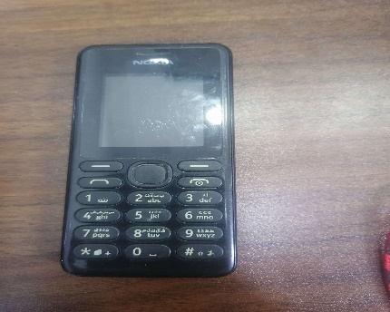 | Software issue, Dead battery - Not fully functional
14 | Mobile phone, Model Nokia-TA 1174 - S/N:357754109375585 | Piece | 1 | 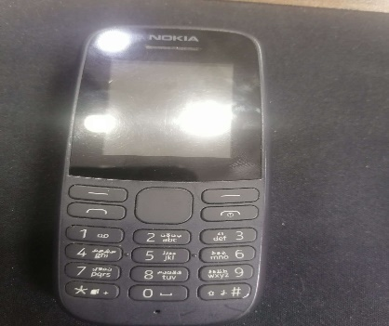 | Software issue, Dead battery - Not fully functional
15 | Mobile Phone, Model Nokia-RM 944 - S/N:356451067975180 | Piece | 1 | 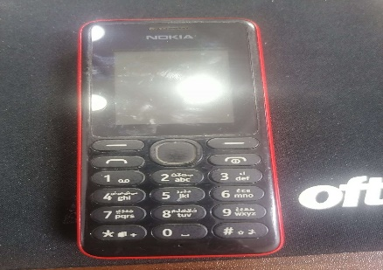 | Software issue, Dead battery - Not fully functional
16 | Mobile phone, Model Nokia-RM 1035 - S/N:357290086914948 - FA-IRQ-0004152 | Piece | 1 |  | Software issue, Dead battery - Not fully functional
17 | Mobile phone, Model Nokia RM-1100 - S/N:356898076078994 | Piece | 1 |  | Software issue, Dead battery - Not fully functional
18 | Mobile Phone, Model Nokia-RM 944 - S/N:353699079186609 | Piece | 1 |  | Software issue, Dead battery - Not fully functional
19 | Mobile phone, model Nokia-TA 1034, S/N:357336088918807 | Piece | 1 |  | Software issue, Dead battery - Not fully functional
20 | Mobile phone, Model Nokia TA-1034 - S/N:352880108296616 - FA-IRQ-0004070 | Piece | 1 | 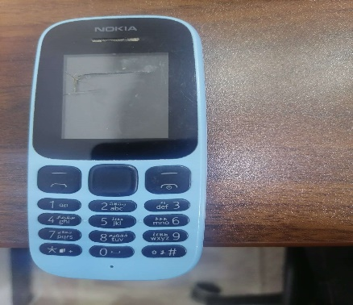 | Software issue, Dead battery - Not fully functional
21 | Mobile phone, Model Nokia-TA 1034 - S/N:355820098396379 - FA-IRQ-0004117 | Piece | 1 | 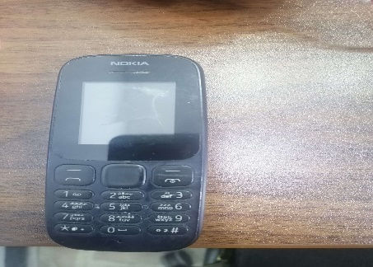 | Software issue, Dead battery - Not fully functional
22 | Mobile Phone, Model Nokia-RM 944 - S/N:356451067978903 | Piece | 1 | 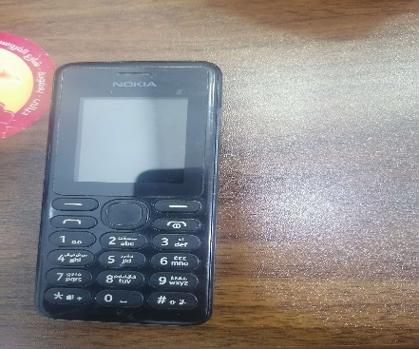 | Software issue, Dead battery - Not fully functional
23 | Mobile Phone, Model Nokia-RM 944 - S/N:353699079185882 | Piece | 1 | 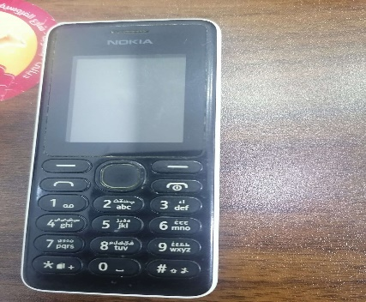 | Software issue, Dead battery - Not fully functional
24 | Mobile phone, Model Nokia RM-944 - S/N:353699079186849 - FA-IRQ-0004148 | Piece | 1 |  | Software issue, Dead battery - Not fully functional
25 | Mobile Phone, Model Nokia- E71 - S/N:354856049270587 | Piece | 1 | 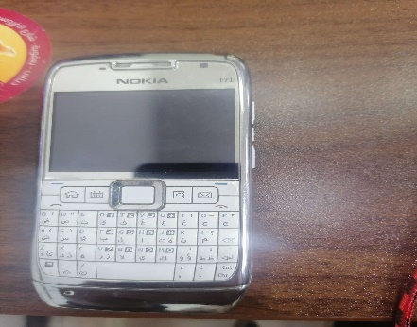 | Software issue, Dead battery - Not fully functional
26 | mobile phone, Model Nokia-RM 944 - S/N:359731066284305 | Piece | 1 |  | Software issue, Dead battery - Not fully functional
27 | Mobile phone, Model Nokia 105 - S/N:352880108296608 - FA-IRQ-0003309 | Piece | 1 | 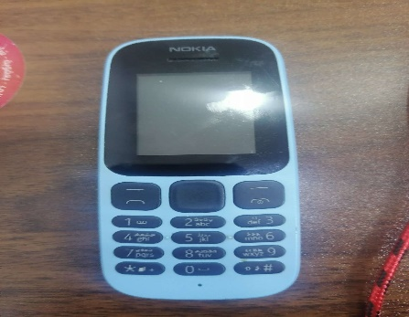 | Software issue, Dead battery - Not fully functional
28 | Mobile phone, Nokia-RM 944 - S/N:353699079370609 - FA-IRQ-0004093 | Piece | 1 |  | Software issue, Dead battery - Not fully functional
29 | Mobile phone 2, Nokia RM-944, S/N:355169068011869 | Piece | 1 | 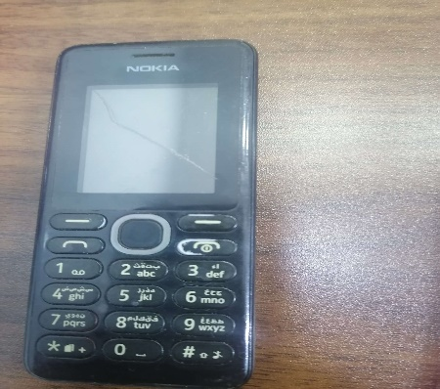 | Software issue, Dead battery - Not fully functional
30 | Mobile Phone, Model Nokia-RM 1134, S/N:357284087841739 | Piece | 1 | 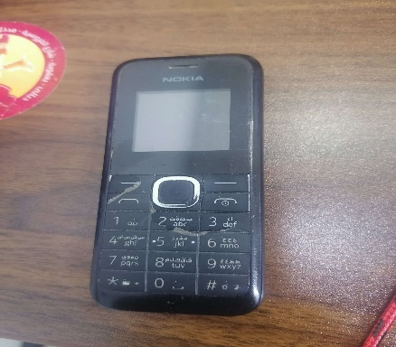 | Software issue, Dead battery - Not fully functional
31 | Mobile phone, Model Nokia RM-944, S/N:358580064660920 | Piece | 1 |  | Software issue, Dead battery - Not fully functional
32 | Smart Phone, Model Samsung SM-J700, S/N:355236030362595 | Piece | 1 | 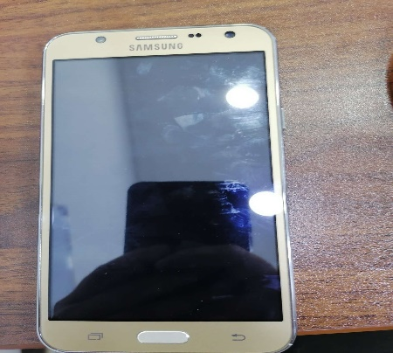 | Software issue, Not Fully Functional
33 | Smart Phone, Model Samsung SM-J700, S/N:355236030357231 | Piece | 1 |  | Software issue, Not Fully Functional
34 | Smart Phone, Model Samsung SM-J700, S/N:355236030369012 | Piece | 1 |  | Software issue, Not Fully Functional
35 | Smart Phone, Model Samsung SM-J700, S/N:355236030351358 | Piece | 1 |  | Software issue, Not Fully Functional
36 | Smart Phone, Model Samsung SM-J700, S/N:L68G31561MJ- FA-IRQ-0004120 | Piece | 1 | 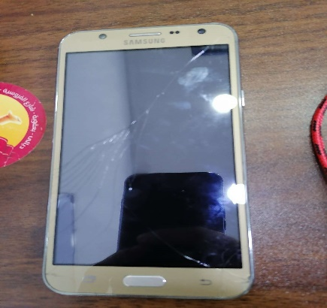 | Software issue, Not Fully Functional
37 | Smart Phone, Model Samsung SM-J700, S/N:3123CX601GG - FA-IRQ-0004092 | Piece | 1 |  | Software issue, Not Fully Functional
38 | Smart Phone, Model Samsung SM-J700, S/N:355236030358171 | Piece | 1 | 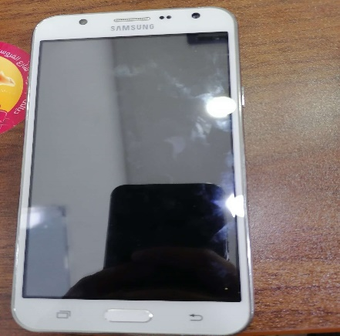 | Software issue, Not Fully Functional
39 | Smart Phone, Model Samsung SM-J700, S/N:355336030358858 - FA-IRQ-0003407 | Piece | 1 |  | Software issue, Not Fully Functional
40 | Smart phone, Galaxy J1 SM-G531H/DS - S/N:R51G92WHMPB | Piece | 1 | 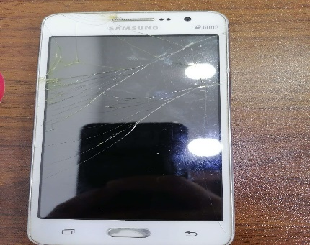 | Software issue, Damaged Screen, Not Fully Functional
41 | Smart phone, Galaxy J1 SM-G531H/DS - S/N:R51G92WHPKR | Piece | 1 | 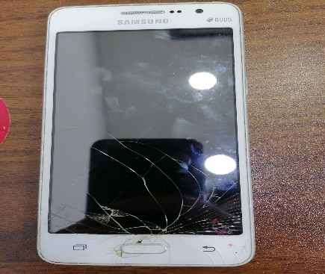 | Software issue, Damaged Screen, Not Fully Functional
42 | Smart Phone, Model Samsung SM-J200H, S/N:RV1H51BZMQH - FA-IRQ-0004107 | Piece | 1 | 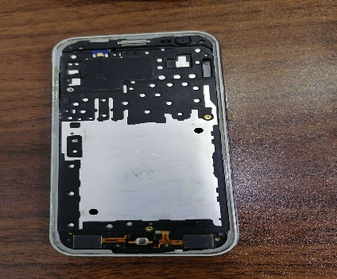 | Very Damaged
43 | Smart Phone, Model Samsung- SM-E500H - S/N:R21G72M5MAV | Piece | 1 | 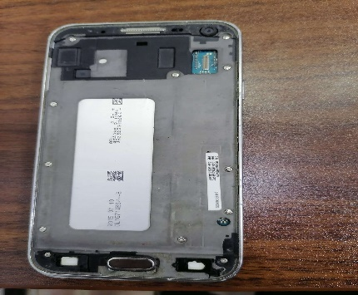 | Very Damaged
44 | Smart phone, Model Samsung SM-J500 - S/N:RV1HA40CLW6R | Piece | 1 | 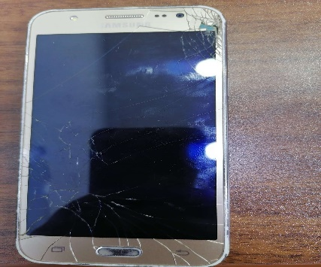 | Software issue, Not Fully Functional
45 | Smart Phone, Model Samsung SM-J500H - S/N:RV1H9082R0Y - FA-IRQ-0004141 | Piece | 1 | 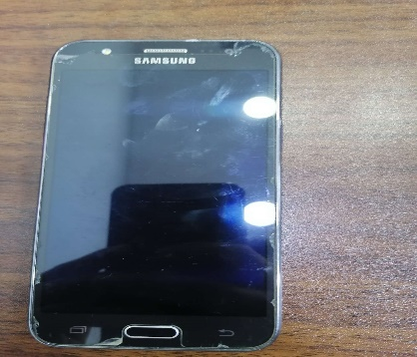 | Software issue, Not Fully Functional
46 | Smart Phone, Model Samsung -SM-J200H - S/N:RV1H51EKW2X | Piece | 1 | 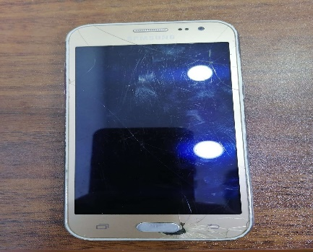 | Software issue, Not Fully Functional
47 | Tablet, Model Samsung SM-T230 - S/N:R52G300FGFD - FA-IRQ-0004164 | Piece | 1 | 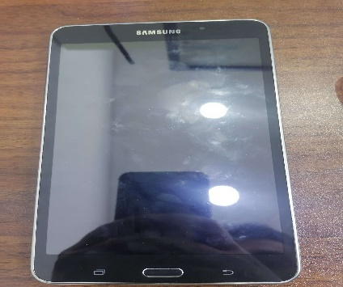 | Software issue, Not Fully Functional
48 | Tablet, Model Samsung SM-T231 - S/N:R52GC1463WK - FA-IRQ-0004187 | Piece | 1 | 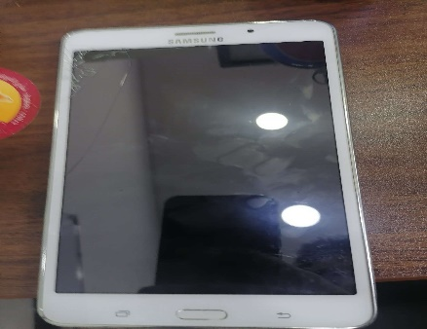 | Software issue, Not Fully Functional
49 | Tablet, Model Samsung SM-T113 - S/N:R52KA1XY9SK | Piece | 1 | 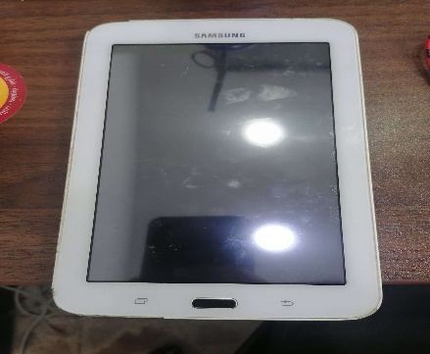 | Software issue, Not Fully Functional
50 | Tablet, Samsung SM-T231 - S/N:R52GC14VWSB | Piece | 1 | 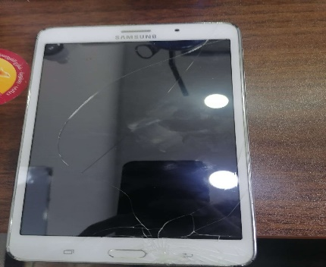 | Software issue, Damaged Screen, Not Fully Functional
51 | Tablet, Model Lenovo TB-73041 - S/N:HGCFMKFD - FA-IRQ-0004165 | Piece | 1 | 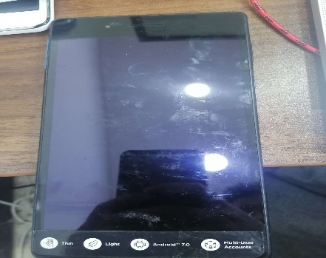 | Software issue, Damaged Screen, Not Fully Functional
52 | Tablet, Model Samsung Tablet SM-T113 - S/N:R52G60RFM4E - FA-IRQ-0000728 | Piece | 1 | 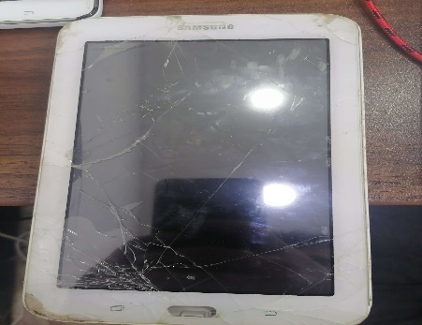 | Software issue, Damaged Screen, Not Fully Functional
53 | Tablet, Model Samsung SM-T231 - S/N:R52GC145BAE - FA-IRQ-0004142 | Piece | 1 | 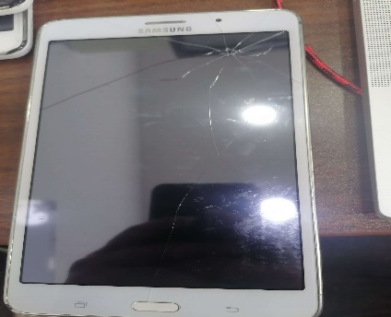 | Software issue, Damaged Screen, Not Fully Functional
54 | Tablet, Model Samsung SM-T231 - S/N:R52F80K0NKV - FA-IRQ-0004103 | Piece | 1 | 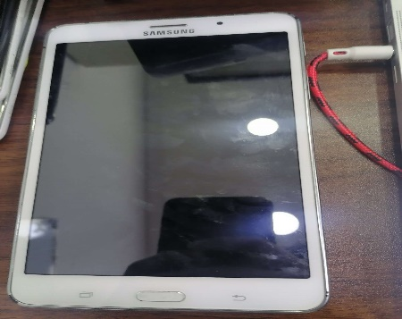 | Software issue, Not Fully Functional
55 | Tablet, Model Samsung SM-T285 - S/N:R52KB1MALZ | Piece | 1 | 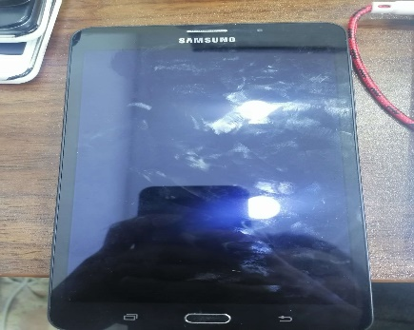 | Software issue, Not Fully Functional
56 | Tablet, Model Samsung Tablet SM-230 - S/N:R52Q30DFGBF | Piece | 1 | 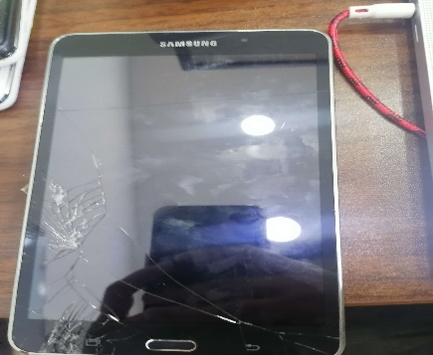 | Software issue, Damaged Screen, Not Fully Functional
57 | Tablet, Model Samsung SM-T285 - S/N:R52KB1QCM6Z - FA-IRQ-0004044 | Piece | 1 | 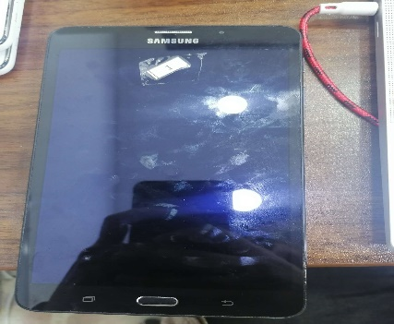 | Software issue, Not Fully Functional
58 | Tablet, Model Samsung SM-T231 - S/N:R52GC14W5DA | Piece | 1 | 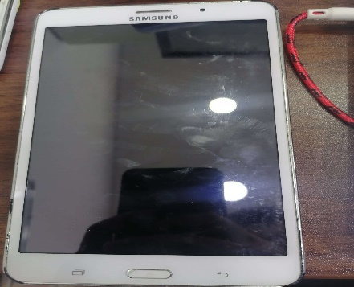 | Software issue, Not Fully Functional
59 | Tablet, Model Samsung SM-T230 - S/N: R52G10JKG2A - FA-IRQ-0004123 | Piece | 1 | 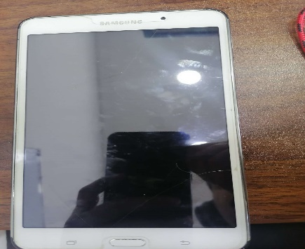 | Software issue, Not Fully Functional
60 | Tablet, Model Samsung SM-T231 - S/N:R52GC14VWMK - FA-IRQ-0004212 | Piece | 1 |  | Software issue, Not Fully Functional
61 | Tablet, Model Samsung SM-T230 - S/N:R52G300F98R - FA-IRQ-0004104 | Piece | 1 |  | Software issue, Not Fully Functional
62 | Tablet, Model Lenovo TB3-710 - S/N:HGCE3EHS | Piece | 1 | 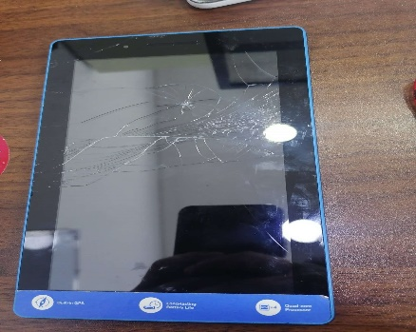 | Software issue, Damaged Screen, Not Fully Functional
63 | Tablet, Model Samsung SM-T231 - S/N:R52GC145X5F - FA-IRQ-0000750 | Piece | 1 |  | Software issue, Damaged Screen, Not Fully Functional
64 | Tablet, Model Samsung SM-T231 - S/N:R52GC14W70A | Piece | 1 | 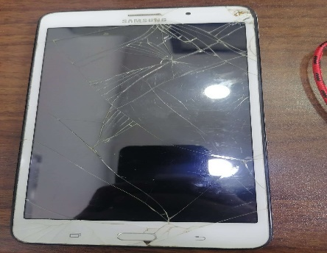 | Software issue, Damaged Screen, Not Fully Functional
65 | Tablet, Model Samsung SM-T230 - S/N:R52G10JJ2YR | Piece | 1 |  | Software issue, Damaged Screen, Not Fully Functional
66 | Tablet, Model Samsung SM-T231 - S/N:R52GC1463TE - FA-IRQ-0000771 | Piece | 1 | 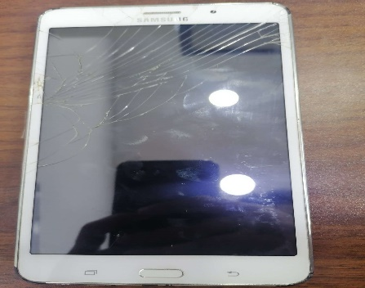 | Software issue, Damaged Screen, Not Fully Functional
67 | Tablet, Model Samsung SM-T231 - S/N:R52GC14VCKM | Piece | 1 |  | Software issue, Damaged Screen, Not Fully Functional
68 | Tablet, Model Samsung SM-T295, S/N:R9WN40N2HBJ - FA-IRQ-0002756 | Piece | 1 | 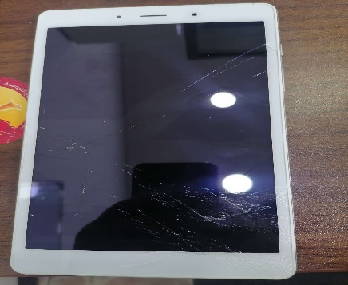 | Software issue, Damaged Screen, Not Fully Functional
69 | Digital Camera, Model Sony cybershot - S/N:3708790 - FA-IRQ-0005026 | Piece | 1 | 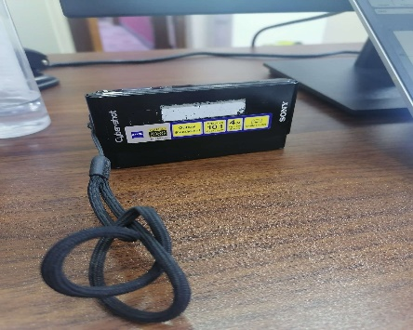 | Dead Battery, Not Fully Functional
70 | Smart Phone, Model Samsung-SM-E500H - S/N:RV1G70P9TCH | Piece | 1 | 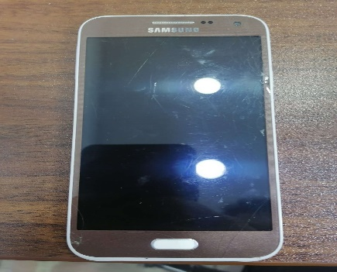 | Software issue, Not Fully Functional
71 | Smart phone, Model Samsung SM-E500H - S/N:R21G72M5YCT | Piece | 1 |  | Software issue, Not Fully Functional
72 | Smart Phone, Model Galaxy J1 SM-G531H/DS - S/N:R51G92WHDTR - FA-IRQ-0004122 | Piece | 1 | 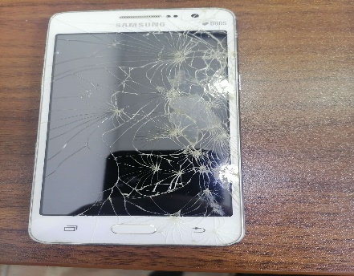 | Software issue, Damaged Screen, Not Fully Functional
73 | Smart Phone, Model Samsung- SM-E500H - S/N:RV1G70P9SZE - FA-IRQ-0003300 | Piece | 1 |  | Software issue, Damaged Screen, Not Fully Functional
74 | Mobile Phone, Model Nokia- E71 - S/N:354856049269829 | Piece | 1 |  | Software issue, Not Fully Functional
75 | Mobile Phone, Model Nokia- E71 - S/N:354856049270454 | Piece | 1 |  | Software issue, Dead battery - Not fully functional
76 | Mobile Phone, Model Nokia-RM 1035 - S/N:356885076032485 | Piece | 1 |  | Software issue, Dead battery - Not fully functional
77 | Mobile phone, Model Nokia-RM 1035 - S/N:356885075058705 | Piece | 1 |  | Software issue, Dead battery - Not fully functional
78 | Mobile phone, Model Nokia-RM 1034 - S/N:352876102337604 - FA-IRQ-0003304 | Piece | 1 |  | Software issue, Dead battery - Not fully functional
79 | Mobile phone, Model Nokia RM-944 - S/N:353699079371151 | Piece | 1 |  | Software issue, Dead battery - Not fully functional
80 | Mobile Phone, Model Nokia RM-944 - S/N:353699079367123 - FA-IRQ-0003503 | Piece | 1 |  | Software issue, Dead battery - Not fully functional
81 | Mobile Phone, Model Nokia RM-944 - S/N:356859070646485 | Piece | 1 |  | Software issue, Dead battery - Not fully functional
82 | Mobile phone, Model Nokia-RM 944 - S/N:353699079371631 - FA-IRQ-0004145 | Piece | 1 |  | Software issue, Dead battery - Not fully functional
83 | Mobile phone, Model Nokia-RM 944 - S/N:353699079369528 - FA-IRQ-0004151 | Piece | 1 |  | Software issue, Dead battery - Not fully functional
84 | Mobile Phone, Model Nokia-RM 944 - S/N:353699079370542 | Piece | 1 |  | Software issue, Dead battery - Not fully functional
85 | Mobile Phone, Model Nokia-RM 944 - S/N:353699079371102 | Piece | 1 |  | Software issue, Dead battery - Not fully functional
86 | Mobile phone, Model Nokia-TA 1174 - S/N:357742102415912 - FA-IRQ-0004657 | Piece | 1 |  | Software issue, Dead battery - Not fully functional
87 | Mobile phone, Model Nokia TA-1034 - S/N:356967093277499 - FA-IRQ-0004144 | Piece | 1 |  | Software issue, Dead battery - Not fully functional
88 | Mobile phone, Model Nokia TA-1034 - S/N:354193104949974 - FA-IRQ-0004147 | Piece | 1 |  | Software issue, Dead battery - Not fully functional
89 | Mobile phone, Model Nokia-RM 944 - S/N:353699079370948 | Piece | 1 |  | Software issue, Dead battery - Not fully functional
90 | Mobile Phone, Model Nokia-RM 769 - S/N:355927042975255 | Piece | 1 |  | Software issue, Dead battery - Not fully functional
91 | Mobile Phone, Model Nokia-RM 1187- S/N:353678086999923 | Piece | 1 |  | Software issue, Dead battery - Not fully functional
92 | Mobile Phone, Model Samsung GT-E1282T - S/N:RV1DB0LR6K1 | Piece | 1 |  | Software issue, Dead battery - Not fully functional
93 | Mobile Phone, Model Samsung-GT E2232 - S/N:RG1B763581T | Piece | 1 |  | Software issue, Dead battery - Not fully functional
94 | Mobile Phone, Model Nokia-RM 944 - S/N:355169068014061 | Piece | 1 |  | Software issue, Dead battery - Not fully functional
95 | Mobile Phone, Model Nokia-RM 944 - S/N:358886079133898 - FA-IRQ-0004150 | Piece | 1 |  | Software issue, Dead battery - Not fully functional
96 | Mobile Phone, Model Nokia-RM 944 - S/N:353699079188563 - FA-IRQ-0003505 | Piece | 1 |  | Software issue, Dead battery - Not fully functional
97 | Mobile phone, Model Nokia RM-1133 - S/N:357289089787962 - FA-IRQ-0003336 | Piece | 1 |  | Software issue, Dead battery - Not fully functional
98 | Mobile phone, Model Nokia RM-1134 - S/N:353689083615313 - FA-IRQ-0003494 | Piece | 1 |  | Software issue, Dead battery - Not fully functional
99 | Mobile Phone, Model Samsung GT-E1282T - S/N:RV1DB0LR6LI | Piece | 1 |  | Software issue, Dead battery - Not fully functional
100 | TV, Model Djack Coloured LED | Piece | 1 |  | Damaged Screen, Not Fully Functional
101 | TV, Model Djack Coloured LED | Piece | 1 |  | Damaged Screen, Not Fully Functional
102 | Monitor Screen, Model HP STM001 - S/N:3CQ81839XV - FA-IRQ-0003402 | Piece | 1 |  | Damaged Screen, Not Fully Functional
103 | Monitor Screen, Model Dell Rev A01 - S/N:CN-0HX948-64180-7A9-0FUH | Piece | 1 |  | Damaged Screen, Not Fully Functional
104 | Monitor Screen, Model DELL E2418HN, S/N:CN-0K3VT9-QDC00-9C9-0CTB - FA-IRQ-0004670 | Piece | 1 |  | Damaged Screen, Not Fully Functional
105 | TV, Model Axis, size 32 inches - S/N:JDL1200245 - FA-IRQ-0003971 | Piece | 1 |  | Damaged Screen, Not Fully Functional
106 | Printer, Model Canon C3320 Printer - S/N:(21)FQQ53853 - FA-IRQ-0004800 | Piece | 1 |  | Software issue, Not Fully Functional
107 | Printer, Model Canon C3320 - S/N:QTT23627 - FA-IRQ-0004801 | Piece | 1 |  | Software issue, Not Fully Functional
108 | Refrigerator, Model NEW HOME , Small sized | Piece | 1 |  | Damamged Motor
109 | AC, Model Samsung - S/N:Q0GMPDOC500407N - Sized 2 tons, Outer piece included | Piece | 1 |  | Very Damaged
110 | AC, Model TCL TAC-12CH - Sized 2 tons, outer piece included | Piece | 1 |  | Very Damaged
111 | Mobile Phone, Model Nokia-RH 1202 - S/N:S/N:353787043573752 | Piece | 1 |  | Very Damaged
112 | Mobile Phone, Model Nokia-RM 769- S/N:3541180535822 | Piece | 1 |  | Very Damaged
Total Price

