Sheet1

 | iMMAP RFQ
 | Procurement Dossier ref: IQ-195
 | Procurement Title: Procurement of Furniture

# | Item and Description | Reference Picture | Unit | Quantity | Unit Price (USD only) | Offered Item Description (Dimensions, Color, etc.)
1 | High Quality office Desk (Wooden, Beech Colour) with at least 3 built in drawers, dimensions are as follows: Depth: at least 70 cm Length: at least 120 cm Width: at least 90 cm Wooden Thickness: at least 2.5 cm (Including installation service) | 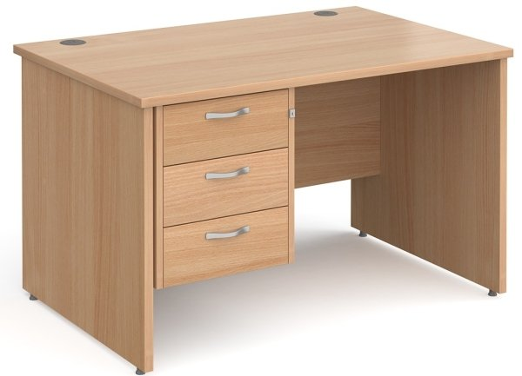 | Each | 1
2 | High Quality office Desk (Wooden, Beech Colour) with at least 3 built in drawers, dimensions are as follows: Depth: at least 70 cm Length: at least 140 cm Width: at least 90 cm Wooden Thickness: at least 2.5 cm (Including installation service) |  | Each | 1
3 | High Quality dining table plus 4 chairs Table Specification: Made of teak wood or MDF Table Dimensions: Length: 140 cm Width: 70 cm Chair Specification: Made of MDF or equal Chair Dimensions: Hight: 90 cm Width: 45 cm Depth: 45 cm (Including installation service) | 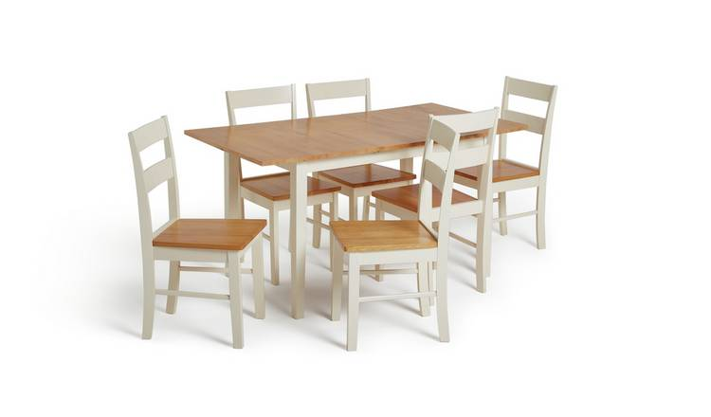 | Set | 2
4 | Coffee Tea Table: Material: Wooden Size: 120L cm x 70W cm x 60H cm (Including installation service) | 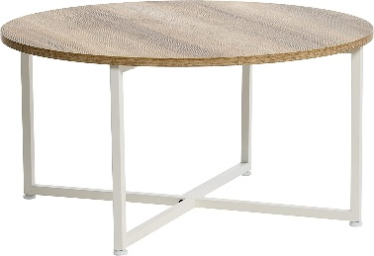 | Each | 3
5 | Coffee table set of four small and one big table. Material: MDF (Including installation service) | 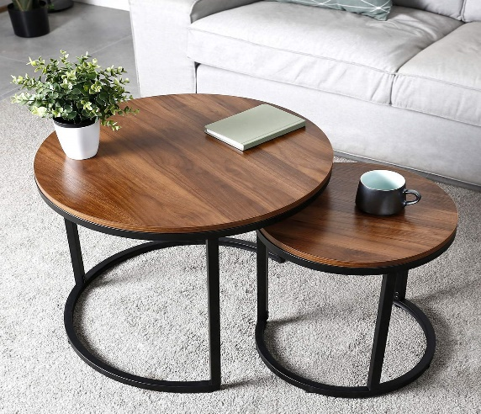 | Set | 2
6 | High Quality moveable ergonomic chair: Handstands Seat Material: Fabric Back Seated: Fabric Mesh or equivalent Wheels Material: Steel or plastic Color: Black or Grey Dimensions: (46 L x 45 W x 90 H) cm | 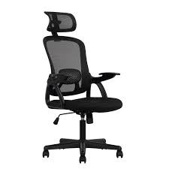 | Each | 4
7 | Regular office chair Material: Seat & Back: Fabric Bases: Metal Seat Material: Leather or Fabric Dimensions: (46 L x 45 W x 70 H) cm | 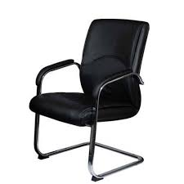 | Each | 1
8 | Wardrobe with 2 doors 220 cm H eight x 70 cm Depth, 100 cm Width | 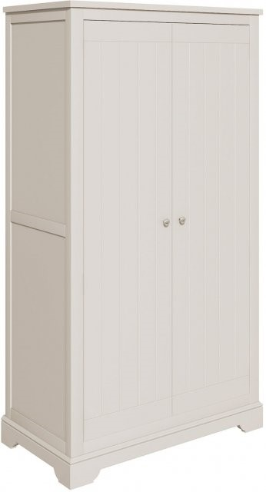 | Each | 3
9 | Plastic Chair with sides handles. (46 L x 45 W x 90 H) cm Depth: 45 cm | 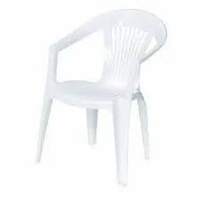 | Each | 8
10 | High Quality kingsize Bed: 140cm W * 200cm L Color: Beige (Including installation service) | 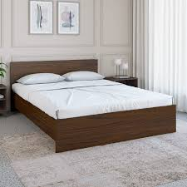 | Each | 1
11 | High Quality Single Bed: 120 cm W * 200cm L (Including installation service) | 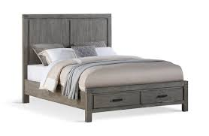 | Each | 1
12 | High quality mattress, Hybrid (Foam and Spring) 10 inch. 140 cm W * 240cm L | 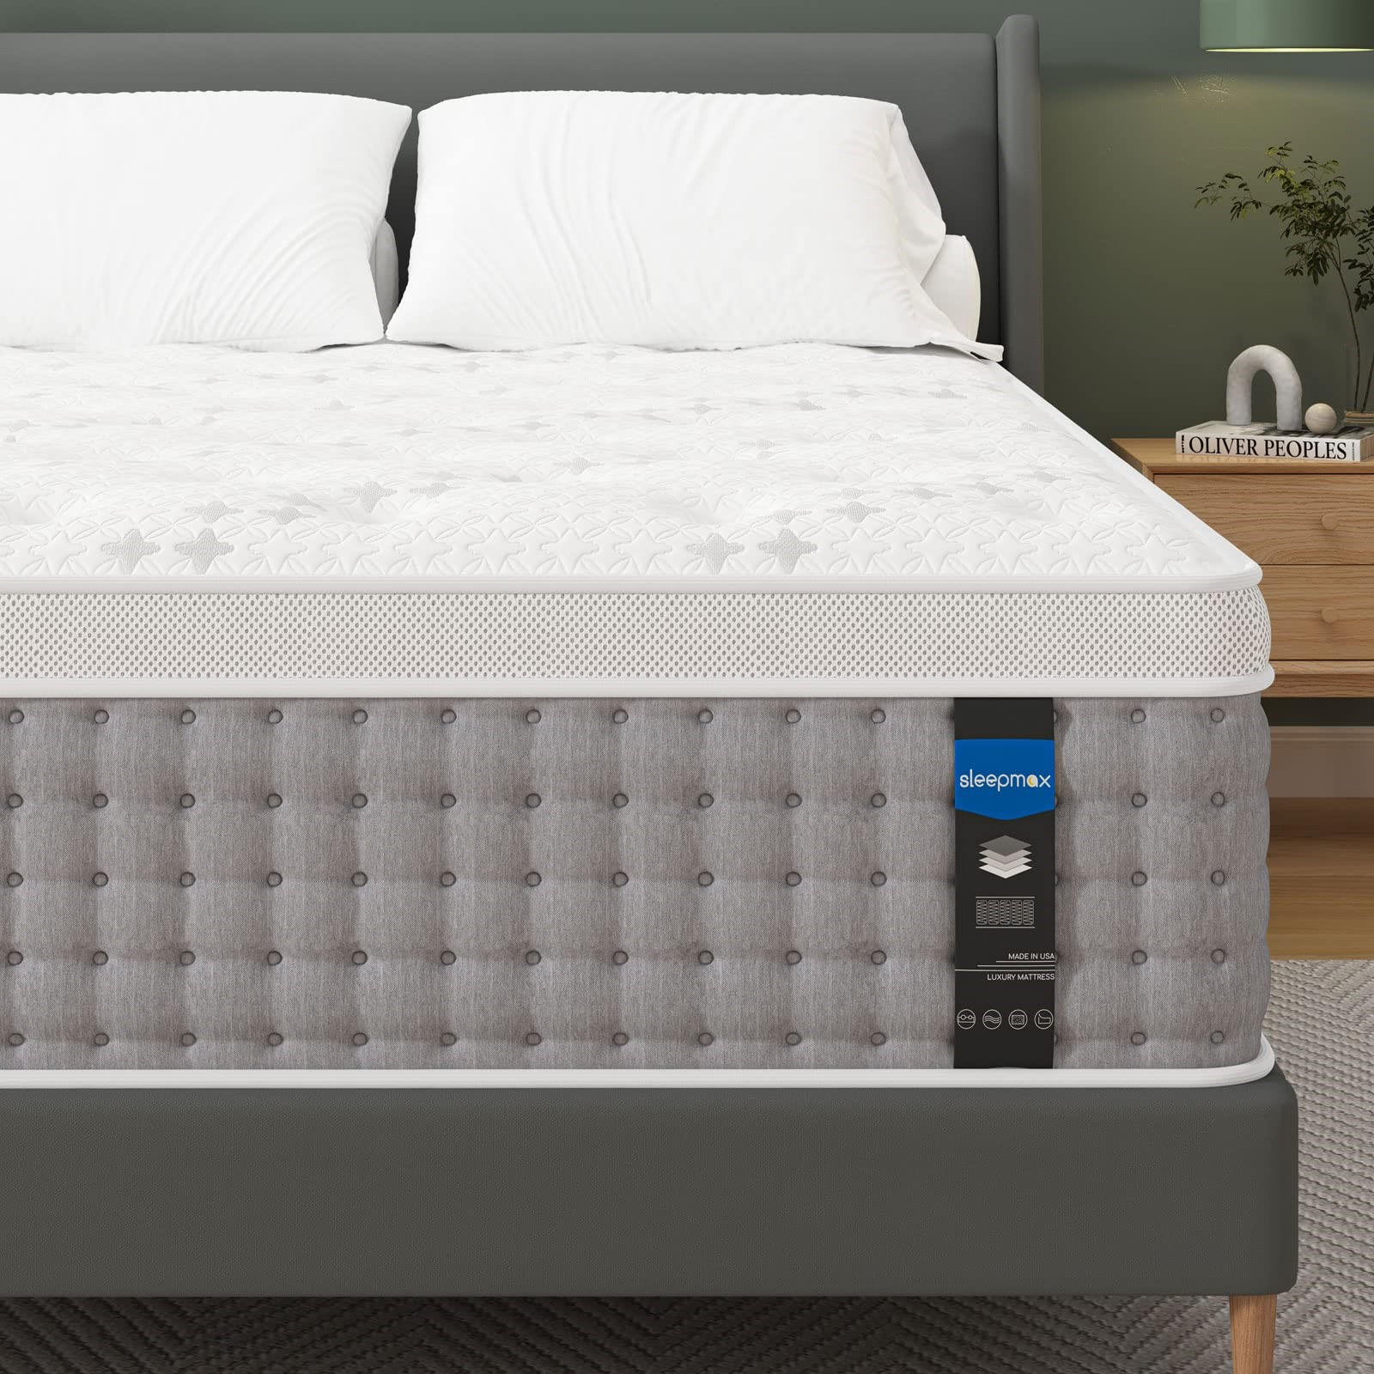 | Each | 1
13 | High quality mattress, Hybrid (Foam and Spring) 10 inch. 120 cm W * 200cm L |  | Each | 1
14 | High Quality Pillow Material: Cotton or Polyester Filling: 90% Duck down, duck down Construction: Double needle stitching with self-piping | 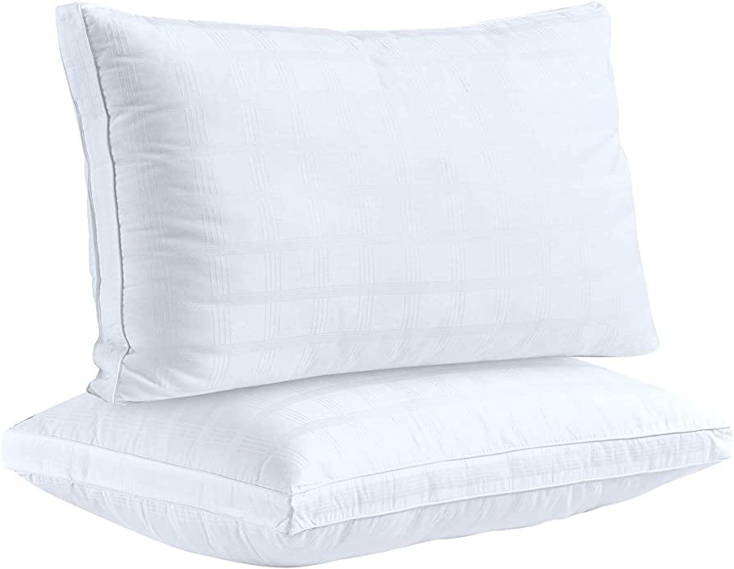 | Each | 8
15 | Single Soft Blanket Material for summer: Cotton or Fabric | 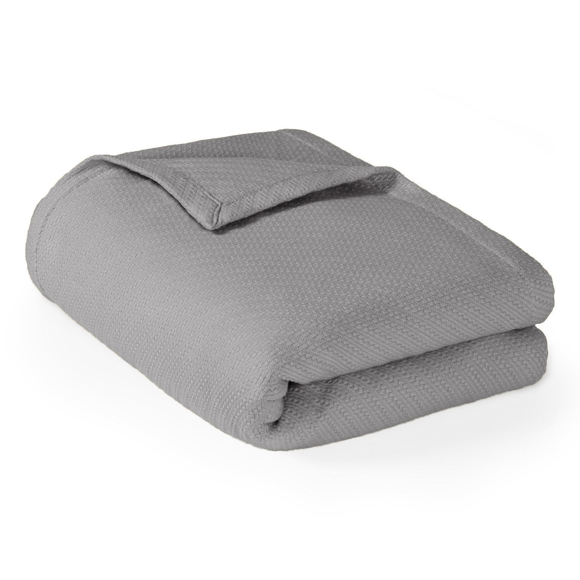 | Each | 8
16 | Single Soft Blanket Material for winter: Cotton or Fabric | 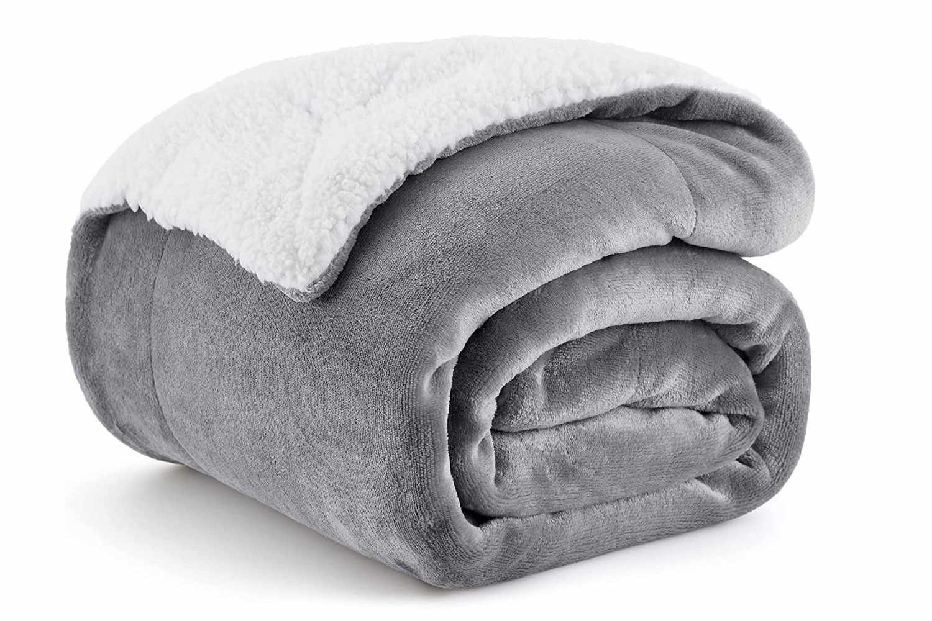 | Each | 8
17 | Metal Clothes Hanger Height: At least 160 – 190 cm | 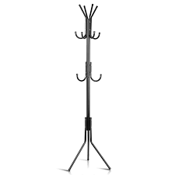 | Each | 6
18 | Sofa Set Large size which covers for 10 persons Material: fabric Dimensions: height: 450 mm width: 700 mm at least. 6 pieces for each set, 2 pieces for 3 persons and 4 pieces for 1 persons. (Including installation service) | 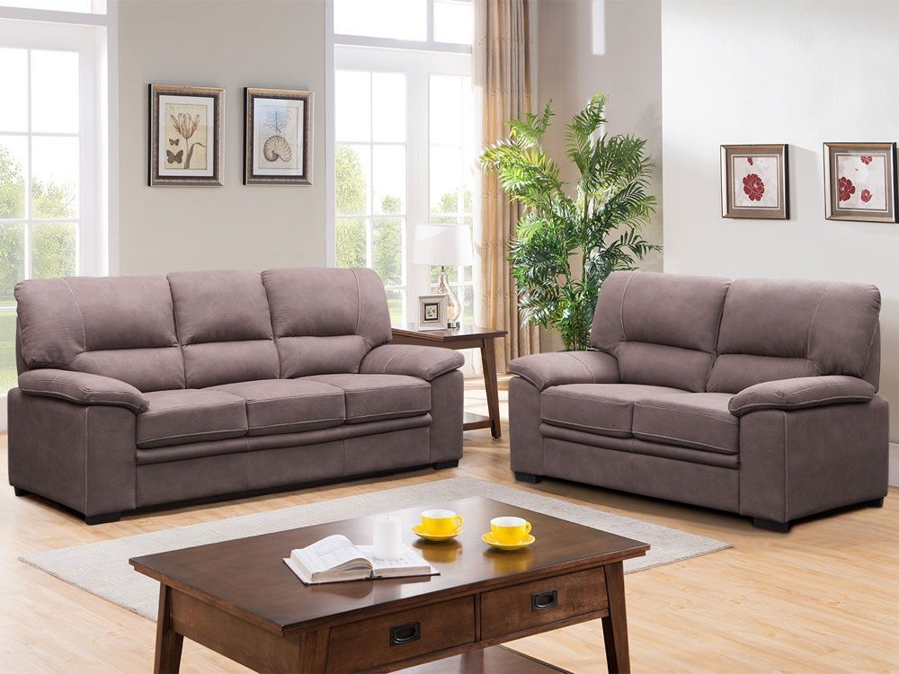 | Set | 1
19 | Diwan sofa L style per meter Material: fabric Dimensions: height: 450 mm width: 700 mm at least. (Including installation service) | 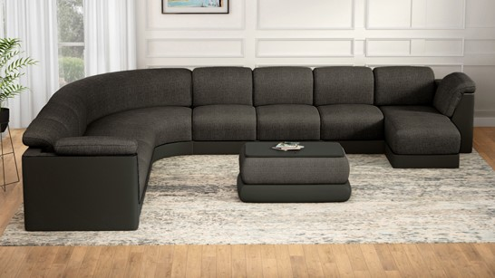 | Set | 1
20 | Floor lamp Model: Downlight Dimensions at least: (10 x 37 x 177) cm Finish: Satin Material: Metal Voltage: 120 Volts Wattage: at least 60 Watts Switch Style: rocker Included Components: Lamp |  | Each | 5
21 | Desk light Model: Downlight Dimensions at least: (10 H x 15 W x 50 L) cm Finish: Satin Material: Metal Voltage: 120 Volts Wattage: at least 30 to 40 Watts Switch Style: rocker Included Components: Lamp | 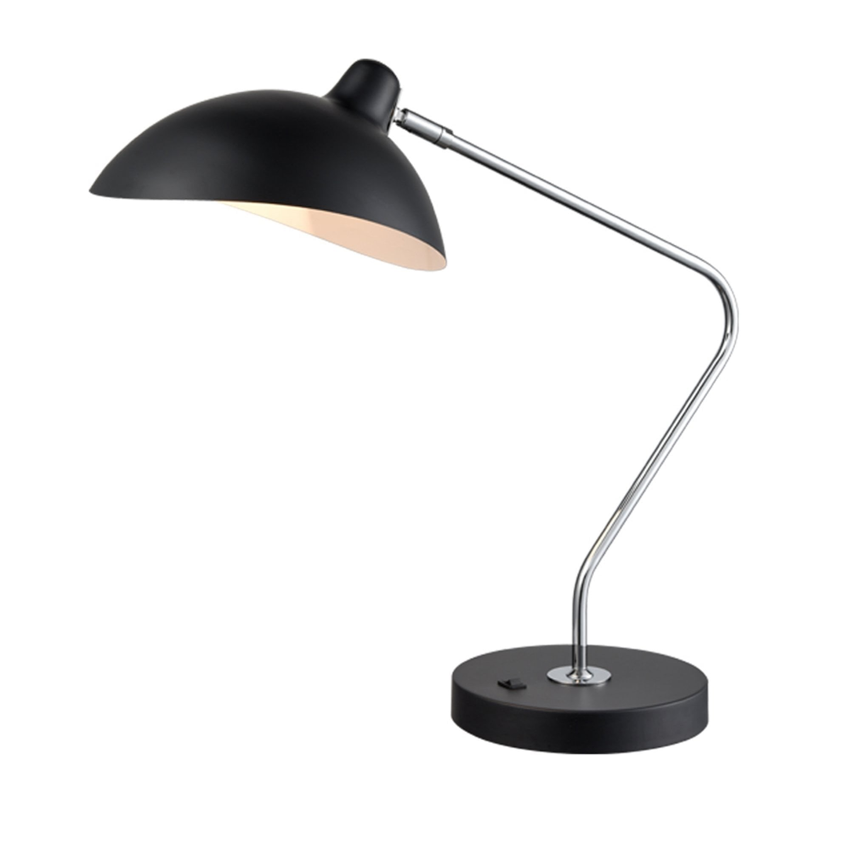 | Each | 6
22 | Trash can with pedal, stainless steel, minimum 10 L size (small for office use). | 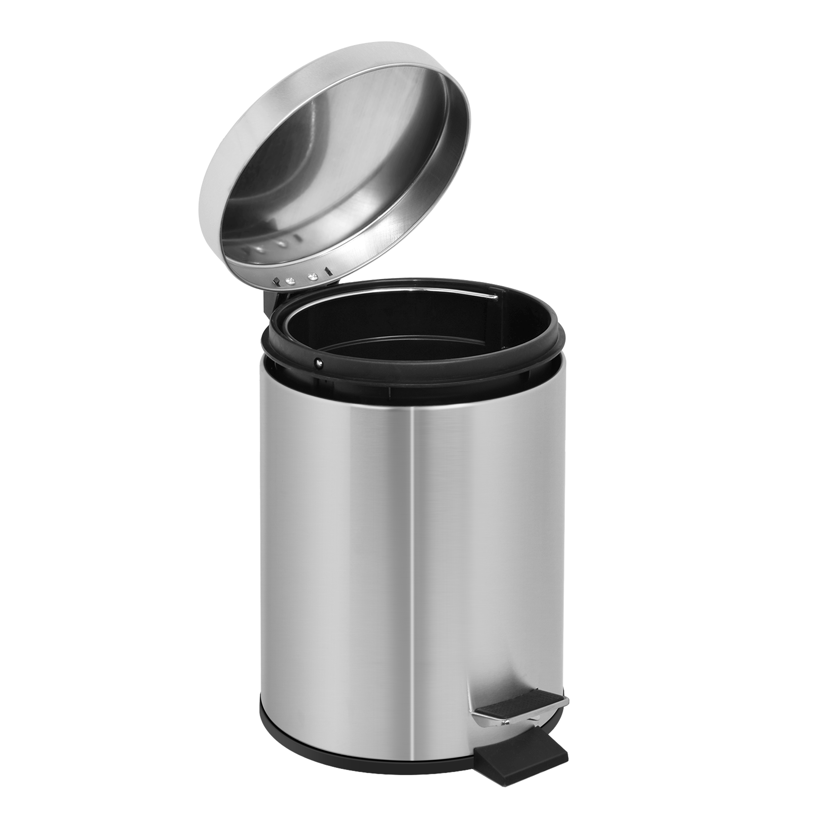 | Each | 6
23 | Trash can with pedal, stainless steel, minimum 25 L size. | 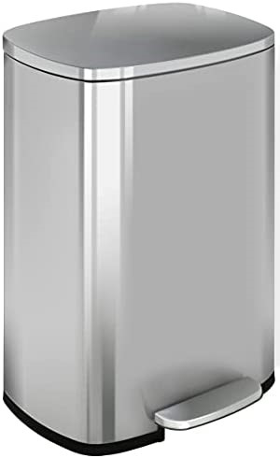 | Each | 6
24 | MOBILE GARBAGE BIN Material: Plastic Capacity: 210 L | 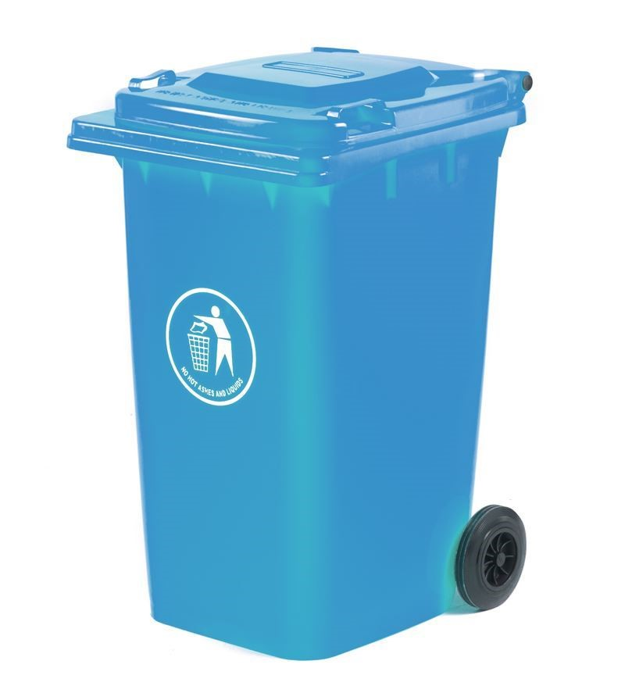 | Each | 1
25 | Comodine Material: MDF / HDF Dimensions at least: Length: 60 cm Width: 40 cm Height: 60 cm | 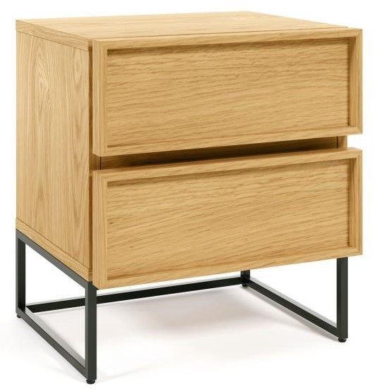 | Each | 1
26 | High quality bedroom furniture Components: Color: Beige, Oak, or equivalent 1- Bed 120 cm X 200 cm 2- Wardrobe (2 doors) 3- Dressing table 4- Bureau 120 cm X 60 cm 5- Comodine | 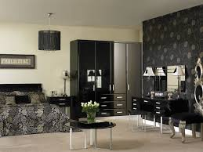 | Set | 1
27 | Bed sheet set (Pillow Cover and Mattress Cover) | 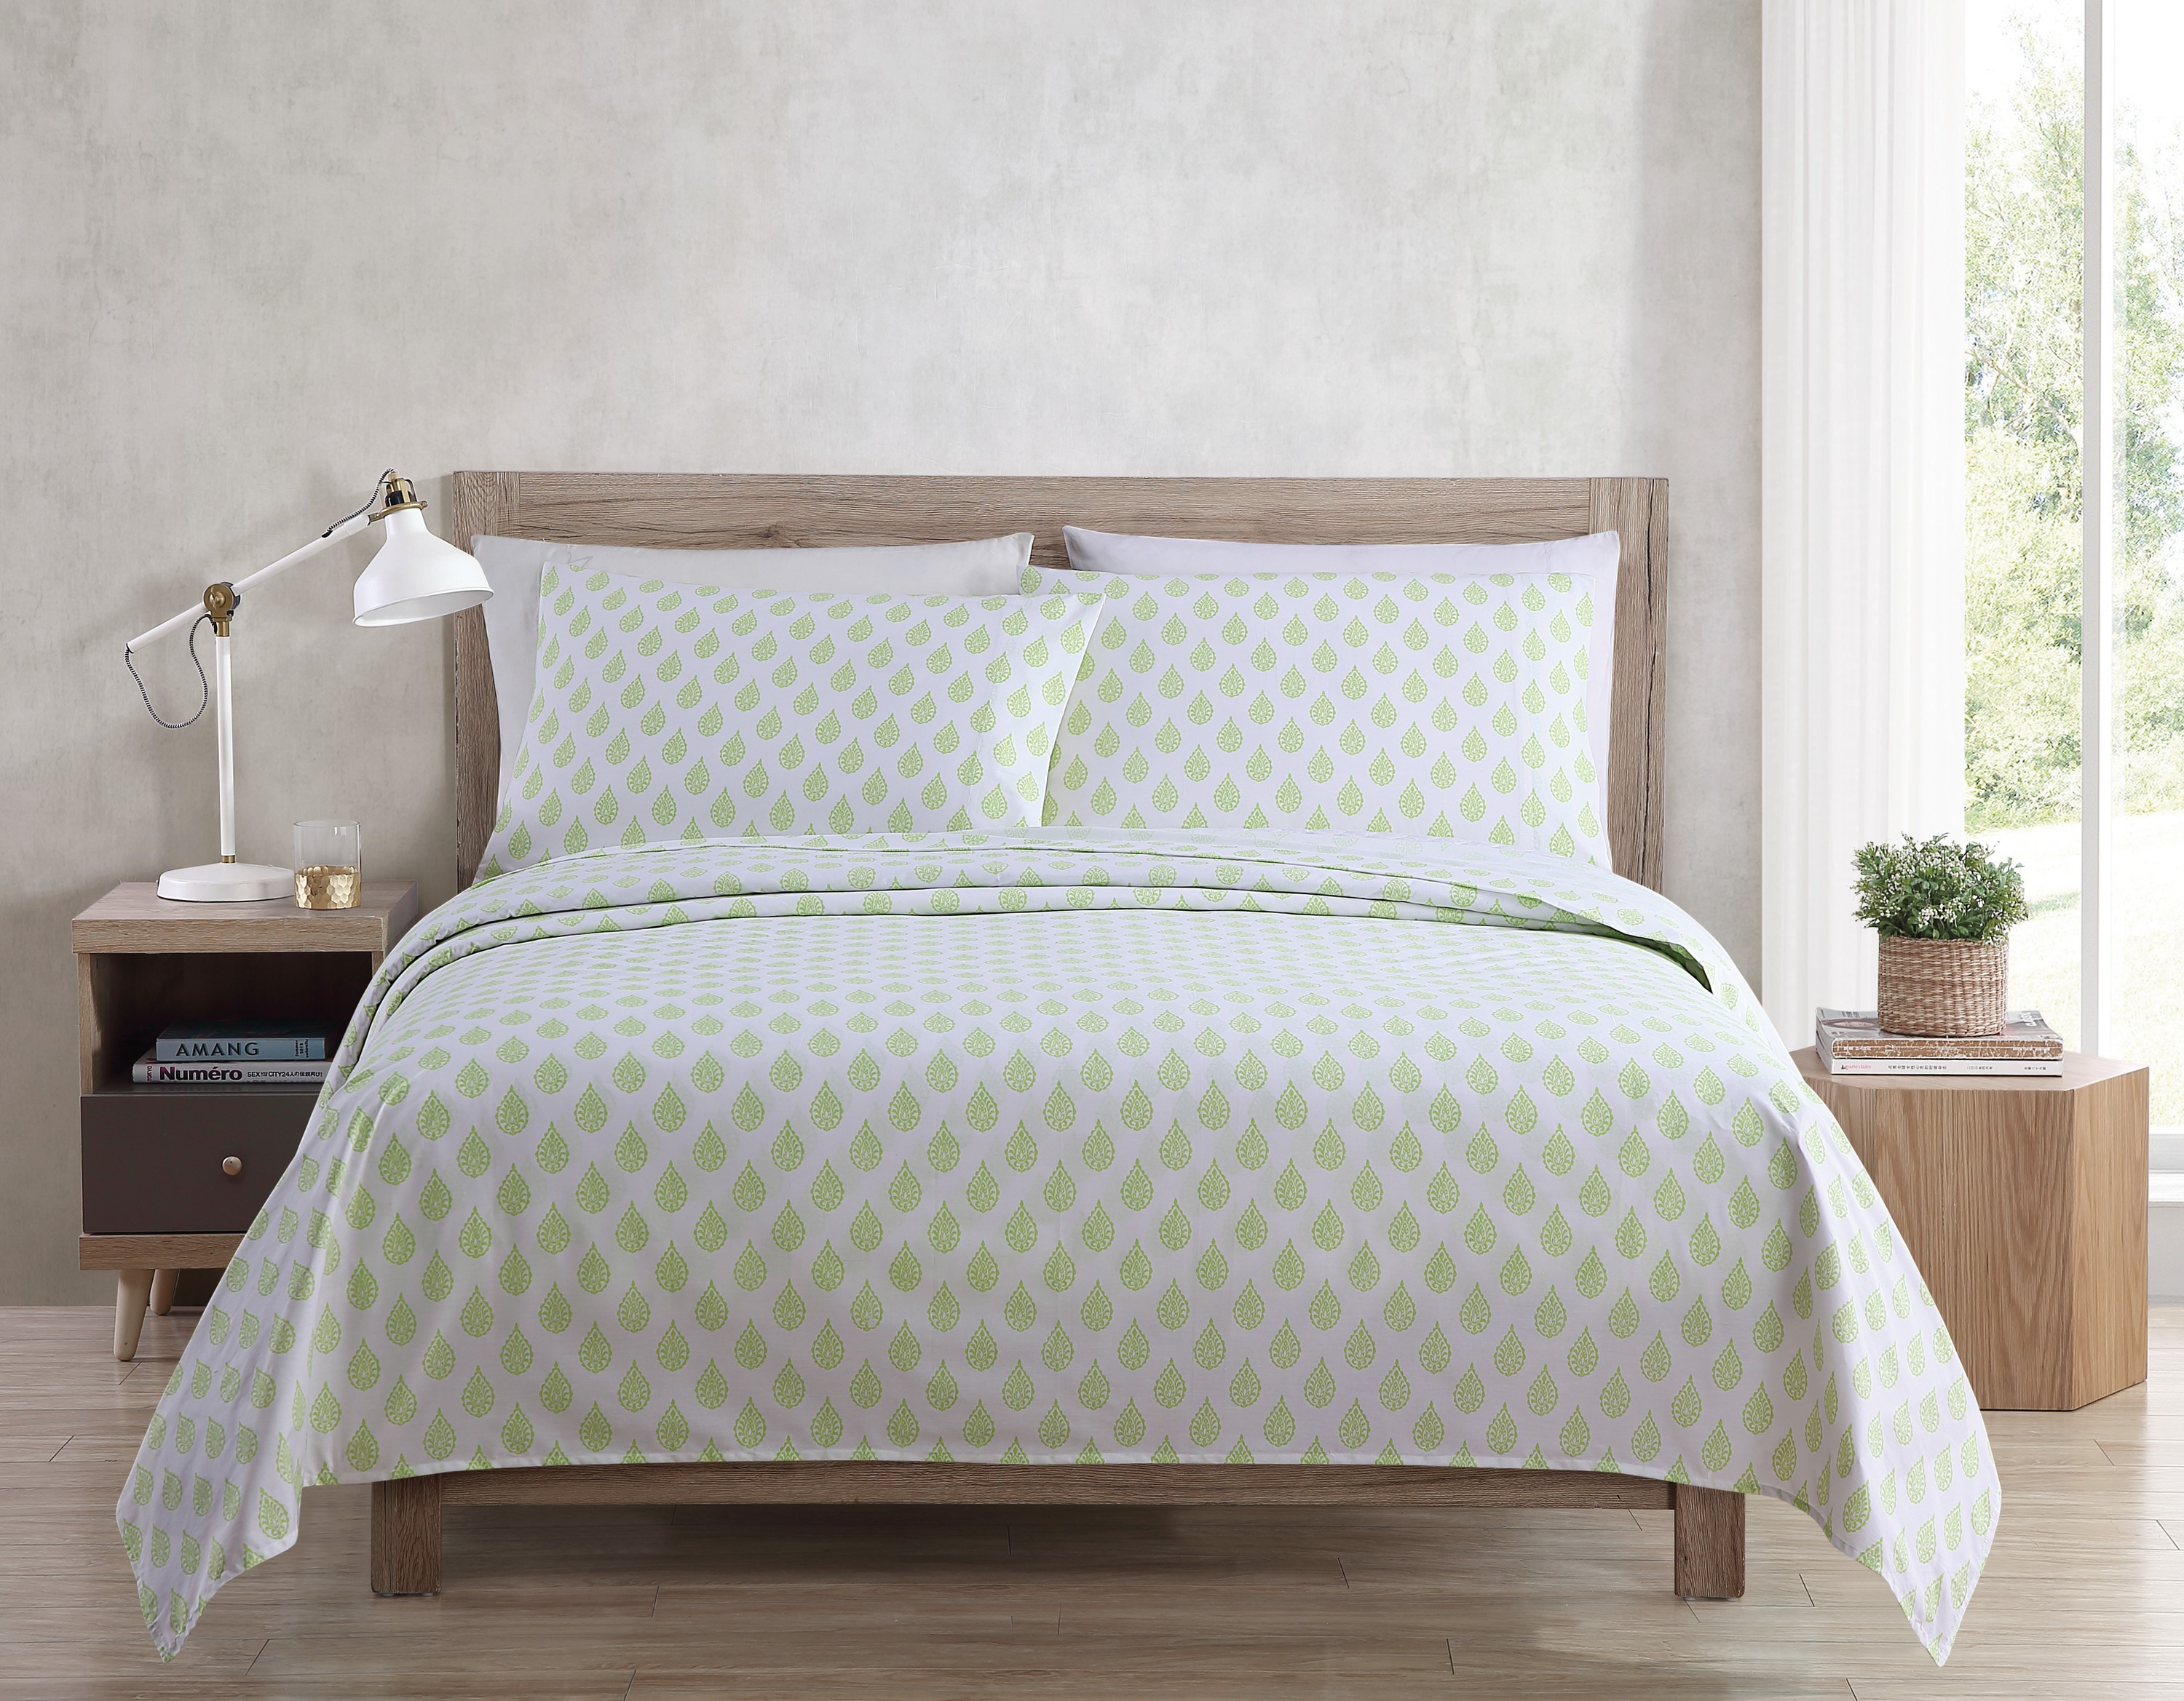 | Set | 8
28 | Ironning board 16X168.5X46.5 cm | 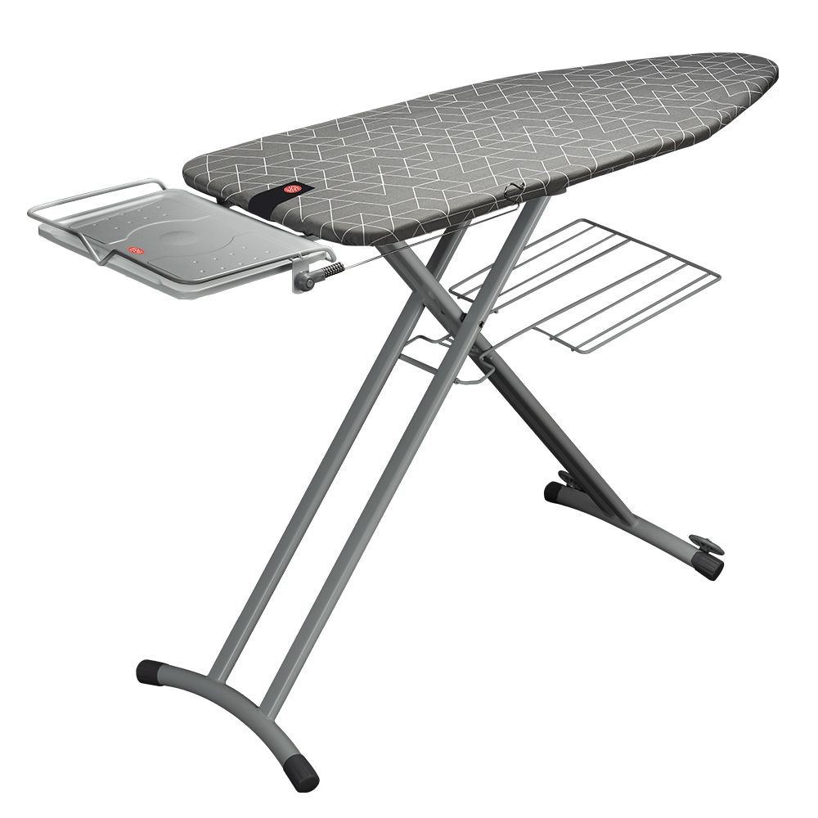 | Each | 4
29 | Long standing mirror | 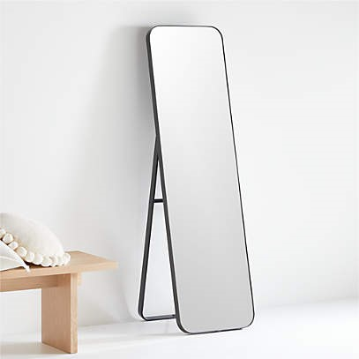 | Each | 5
30 | TV Stand Mobile TV Stand Cart for 27 - 60 inch TVs with Locking Wheels & Large Media Shelf &Tilt Mount Trolley Floor Stand Height Adjustable | 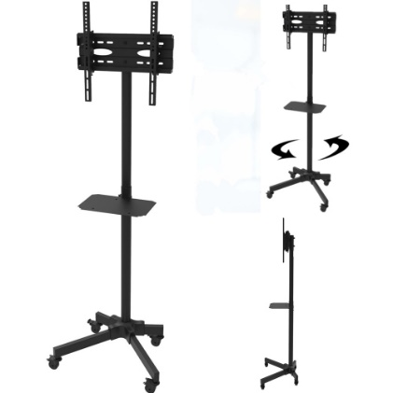 | Each | 1

 | Note:
- | Above prices must be inclusive of delivery and installation in our office located at Al-Mansour, Baghdad, Iraq.
- | Above quantities are not confirmed, iMMAP has the right to change the quantity on the PO according to the needs.

 | Offer validity:
 | Delivery and installation period:
 | Company name:
 | Contact person:
 | Email:
 | Phone number:
 | Date, Stamp, and Signature:

