NFI-Technical-Zummar
 | NFI-Technical-Lot1-Zummar |  |  | ITB003TAF23 Supply and distributing Wash & NFI kits Purchase Agreement
DRC to complete |  |  |  |  | Bidder to complete
 | Item/Milestone Required | Delivery Location | Unit | Quantity required | Item/Milestone offered (name make and model with full specification) | Country of Origin | Pictures
 | Brief Description: Supply and distributing NFI kits in Zummar Subdistrict -Telafar districts
1 | Blankets: Syntetics 1.5x2m, medium thermal Make: Knitted or woven, dry raised both sides Content ISO 1833 on dry weight: 100% virgin polyester and/or acrylic fibers or polyester/cotton Colours: Any dark uniform colour, other than black, red, or white. Size: 150 x 200cm +3%/-1%. To be taken on flat stabilized sample, without folds. Weight: 350 to 670g/m2 Weight determined by total weight/total surface. | Zummar subdistrict | PC | 1000 |  |  | 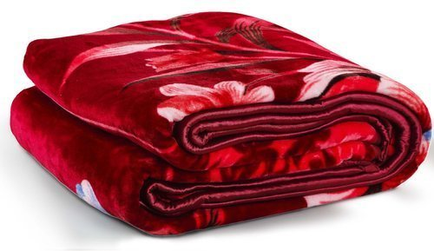
3 | Mattress: 10 cm, high density foam mattress Density lbs/cu. ft. Minimum 1.70, ILD/50 sq. in. @ 25% (4 in.) 52 - 58, 90 cm x 180 cm, cotton/poly blend removable cover Indentation Load Deflection: 16kg min. | Zummar subdistrict | PC | 1000 |  |  | 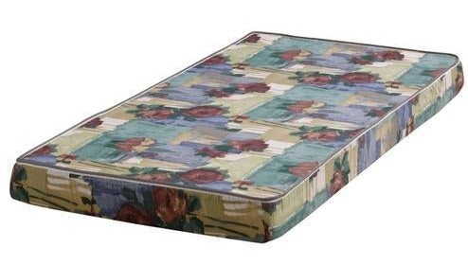
6 | Gas Cooker (Table stove): Stainless steel, 3 burners with control knob and igniter, 66 x 33 x 8 cm, with High Quality gas regulator ( 300 mmSS / 0,2 kg/h )and a gas hose for connection with gas canister. | Zummar subdistrict | PC | 250 |  |  | 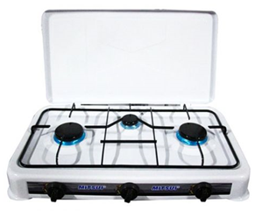
11 | Rechargeable LED lantern: Rechargeable LED lantern - Dimension 137x137x236 mm, AC 220-240V 50/ 60Hz, With plastic handle, Rechargeable with solar panel and power cord, USB output, LED 60x0.1W, Operating time of 12/15 hours. | Zummar subdistrict | PC | 250
13 | Evaporative water air-cooler: portable: Max. Air-flow (5000 m3/hr.); cooling medium made of anti-microbial honeycomb pad shape; Voltage (220-240); Power (230) W; effective for area of (30-40) m2, low noise, electrical-shock protection, water tank capacity 55-L or larger, vertical and horizontal louver movement capability | Zummar subdistrict | PC | 250
14 | Kitchen set: 6 bowls stainless steel + 6 cups (made of High Quality food grade plastic) + 6 plates + 1 cooking pot 5L (High quality ALuminum with a cover) + 1 frying pan 7L (Aluminum with Handle and cover)+ 6 forks (High quality stainless steel) + 6 knives (High quality stainless steel) + 6 spoons (High quality stainless steel) + 1 wooden stiring spoon + 1 steel serving spoon + 1 kitchen knife stainless steel 15cm + 1 scouring pad (High quality) . All those items needs to be packaged by the supplier, each item needs to be properly protected to avoid breakage, and the set needs to be put in a carton box. | Zummar subdistrict | PC | 250 |  |  | 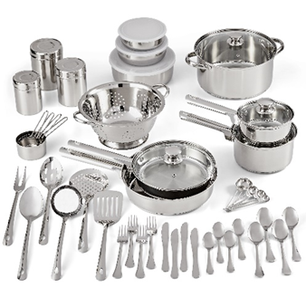
16 | Carpet: 4m x 6m, carpet made of polyester fire, and flame resistant, preferably dark colour. | Zummar subdistrict | PC | 250 |  |  | 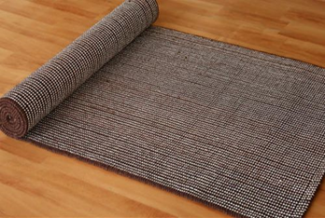
 | DRC to complete |  |  |  | Bidder to complete
 | Delivery time required (days after PO signature): |  | 30 days |  | Delivery time offered (days after PO signature):
 | Delivery Terms required (Add Incoterm if necessary): |  | DDP |  | Delivery Terms offered (must include incoterm):
 | Delivery Destination required: |  | Zummar subdistrict |  | Delivery Destination offered:
 | Minimum bid validity period required: |  | 90 Days |  | Bid validity period offered:
 | Additional comments to bidders: |  |  |  | Company Name:
 | 1- All the works and materials must be approved by the project manager Engineer. 2- The item cost included manpower, transportation, equipment, tools, temporary works, and all the other works required", as approved by the Engineer. 3 - Please, read all the documents carefully, then price it. 4 - Items to be distributed either in a distribution site or door to door (Based on DRC request). 5 - All items supplied are to be of known origin, high quality and with recognizable brand. 6 - This FWA is to cover the delivery of NFI and Wash items to Zummar and Rabaa'a districts under Ninewa Governorate. 7- the supplier is responsible for Loading and unloading of NFI and Wash Kits and items into and out of the trucks and distribution site he/she is through provision of sufficient labor. 8 - the supplier is directly responsible for obtaining all the necessary paper works, Access letters and Security access letters to ensure access of supplied items through checkpoints and delivery of items into the distribution site. 9 - The contractor must fully adhere to occupational safety procedures at distribution site and ensure that his/her work team or sub-contractors fully adhere to occupational safety procedures and follow COVID-19 prevention guidelines during distribution. 10 - Bidders are to submit Pictures of samples with this tender by numbering the itme line (the pictures are to clearly show the brand and origin of supplied items whenever possible). 11- The winner bidder should provide samples for the requested items before signing any purchase order. 12- The listed pictures are for illustrative purposes only. 13- Ability to deliver 500 kits within 30 calendar day. And 20 kits as minimum request of delivery. Will be based on the need and not necessary include all the requested items, the supplier has 30 days from contract signing date to do the finish deliver kits to the beneficiaries, including purchasing, packing, transportation and distributing, (the distribution itself nee |  |  |  | Contact Person:
 |  |  |  |  | Address: |  | Phone number:
 |  |  |  |  | Email Address: |  | Date:
 |  |  |  |  | Signed by a duly authorized company representative:

 |  |  |  |  | Title:
 |  |  |  |  | Print Name:
 |  |  |  |  | Stamp of company

