Wash -Technical-lot2-Rabiea
 | Wash -Technical-lot2-Rabiea |  |  | ITB: Reference Number: ITB003TAF23 Supply and distributing Wash & NFI kits Purchase Agreement
DRC to complete |  |  |  |  | Bidder to complete
 | Item/Milestone Required | Delivery Location | Unit | Quantity required | Item/Milestone offered (name make and model with full specification) | Country of Origin | Pictures
 | Brief Description: Supply and distributing Wash kits (hygiene kits) in Telafar districts - Rabiea subdistrict
1 | Plastic Garbage bins of 80 liters capacity, with lid and two wheels, injection-moulded HDPE plastic, resistant to decay, frost, heat, and chemicals. The bin must compliant with EN840 and AS4123 quality standards. The bin must holds DRC logo paint/printed colorfully on the front side using permeant ink/paint in clearly visible manner | Rabiea subdistrict | PC | 600 |  |  | 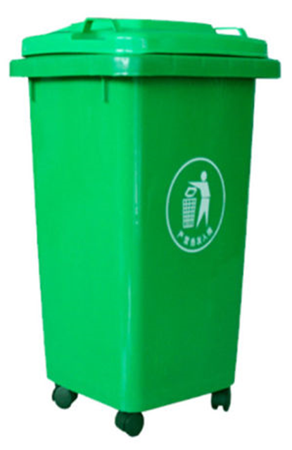
2 | Plastic Garbage bins of 120 liters capacity, with lid and two wheels. Injection-moulded HDPE plastic, resistant to decay, frost, heat, and chemicals. The bin must compliant with EN840 and AS4123 quality standards. The bin must holds DRC logo paint/printed colorfully on the front side using permeant ink/paint in clearly visible manner | Rabiea subdistrict | PC | 600
3 | Disinfection liquid (similar to Dettol) of 500 ml, suitable for multipurpose usage (surface/floor cleaning , laundary, …etc.) | Rabiea subdistrict | PC | 1000 |  |  | 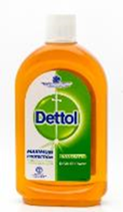
4 | Large plastic garbage bags 60-L (or, 82 cm x 29 cm x 16.5 cm) of high quality, durable, leakage proof and tear resistant, for regular domistic trash collection, at least 16 bags per each roll/pack | Rabiea subdistrict | Roll | 1000 |  |  | 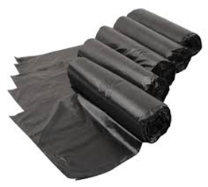
5 | Shampoo for normal hair, mostly made from natural ingredients, preferably parabems free, 500 ml, good quality | Rabiea subdistrict | PC | 1000 |  |  | 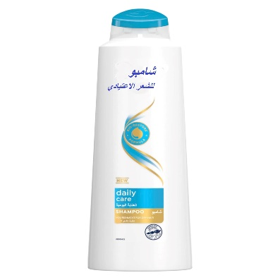
6 | Detergent powder (bag of 5 Kg) for washing cloths by hands or half automatic machiene in suitable well-closed pack | Rabiea subdistrict | PC | 500 |  |  | 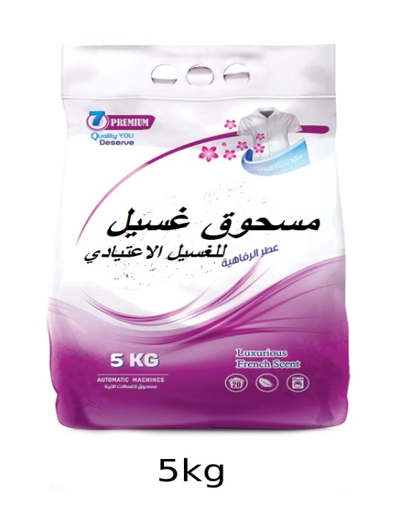
7 | Tooth paste (100 ml) with 3 brushes for adults of good quality packed porperly. | Rabiea subdistrict | Set | 1000 |  |  | 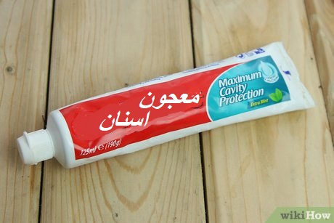
8 | Baby disposable diapers (0-3) years old, anti-leaking, high absorption, dry comfortable, compacted in a package , Pack of 30 or 32 pieces. | Rabiea subdistrict | Pack | 2000 |  |  | 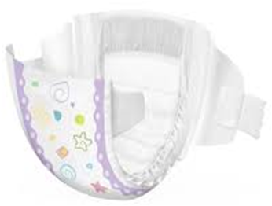
9 | Hand soap, wrapped bar. Non-perfumed, for normal skin. Hypoallergenic, 250g for each piece(1.5 kg for the set). Long durability. Pack of 6 | Rabiea subdistrict | Set | 2000 |  |  | 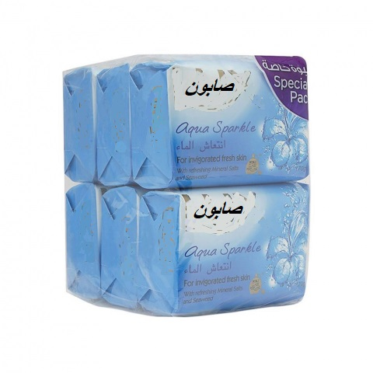
10 | Women napkin package : Sanitary pads, female, with wings, disposable, wrapped individually in plastic packaging, pack of 10 pieces. | Rabiea subdistrict | Pack | 2000 |  |  | 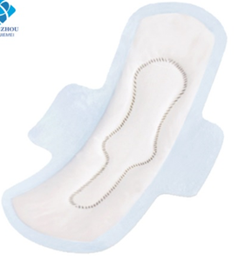
11 | Towels, cotton, medium size (130 x 70) cm, 250-g, high absorbency rate, no shrinkage and low color fade after repeated washing. | Rabiea subdistrict | PC | 500 |  |  | 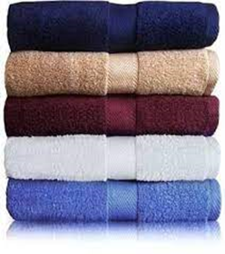
12 | Lequid disinfectant soap, 380 ml, 3-6% (antibacterial soap) | Rabiea subdistrict | PC | 1000 |  |  | 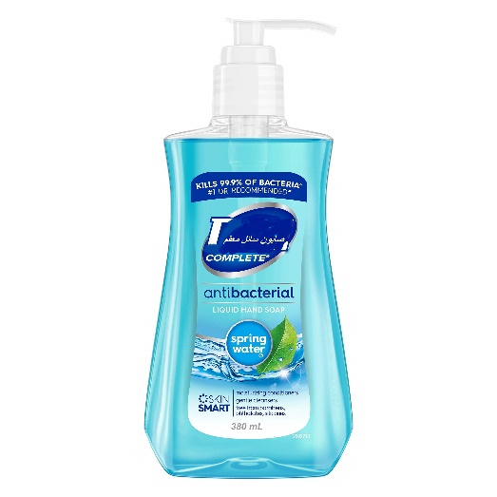
13 | Cardboard box (brown) for packaging smaller sized items with dimensions of 50 (L) 50 (b) 50 (h) cm Box. With DRC Logo printed on 2 sides (Note Photo is not proportional to requested dimension - but just a sample of Box type) | Rabiea subdistrict | PC | 500 |  |  | 
 | DRC to complete |  |  |  | Bidder to complete
 | Delivery time required (days after PO signature): |  | 30 days |  | Delivery time offered (days after PO signature):
 | Delivery Terms required (Add Incoterm if necessary): |  | DDP |  | Delivery Terms offered (must include incoterm):
 | Delivery Destination required: |  | Rabiea subdistrict |  | Delivery Destination offered:
 | Minimum bid validity period required: |  | 90 Days |  | Bid validity period offered:
 | Additional comments to bidders: |  |  |  | Company Name:
 | 1- All the works and materials must be approved by the project manager Engineer. 2- The item cost included manpower, transportation, equipment, tools, temporary works, and all the other works required", as approved by the Engineer. 3 - Please, read all the documents carefully, then price it. 4 - Items to be distributed either in a distribution site or door to door (Based on DRC request). 5 - All items supplied are to be of known origin, high quality and with recognizable brand. 6 - This FWA is to cover the delivery of NFI and Wash items to Zummar and Rabaa'a districts under Ninewa Governorate. 7- the supplier is responsible for Loading and unloading of NFI and Wash Kits and items into and out of the trucks and distribution site he/she is through provision of sufficient labor. 8 - the supplier is directly responsible for obtaining all the necessary paper works, Access letters and Security access letters to ensure access of supplied items through checkpoints and delivery of items into the distribution site. 9 - The contractor must fully adhere to occupational safety procedures at distribution site and ensure that his/her work team or sub-contractors fully adhere to occupational safety procedures and follow COVID-19 prevention guidelines during distribution. 10 - Bidders are to submit Pictures of samples with this tender by numbering the itme line (the pictures are to clearly show the brand and origin of supplied items whenever possible). 11- The winner bidder should provide samples for the requested items before signing any purchase order. 12- The listed pictures are for illustrative purposes only. 13- Ability to deliver 500 kits within 30 calendar day. And 20 kits as minimum request of delivery. Will be based on the need and not necessary include all the requested items, the supplier has 30 days from contract signing date to do the finish deliver kits to the beneficiaries, including purchasing, packing, transportation and distributing, (the distribution itself nee |  |  |  | Contact Person:
 |  |  |  |  | Address: |  | Phone number:
 |  |  |  |  | Email Address: |  | Date:
 |  |  |  |  | Signed by a duly authorized company representative:

 |  |  |  |  | Title:
 |  |  |  |  | Print Name:
 |  |  |  |  | Stamp of company

