BoQ-Faluja YF
BoQ - Rehabilitation of Faluja youth forum
Important notes and conditions |  |  |  | ملاحظات و شروط مهمة
- Checking the access situation to the site premises before submitting bid is within the responsibility of the contractor. It is important for the contractor to perform this check for the correct calculation of prices. The contractor can perform the check individually and no joint visits, certificates, or appointments will be needed. Submitting bid means the contractor have full idea about the situation on site. - All the work items should be according to IRAQI General Technical Specifications (IGTS), all applicable Iraqi standards, Iraqi construction codes, Iraqi general conditions for the civil engineering works' contracts (part 1 & part 2), and the Iraqi general conditions for the electrical, mechanical, and chemical engineering works' contracts. - All materials must be NEW from best type and passed the lab tests as approved by supervisor -The unit prices include transportation and providing the materials mentioned in the BoQ. -The contractor shall prepare a Time Schedule for the whole project. - The contractor must set up project boards. - All works in the Bill of Quantities will be done according to supplied design details, specifications, instructions and directions of supervisor. - The contract will be executed as "re-measurement contract" with exact values according to the Iraqi standards not to the common market measuring procedure. - Bidder MUST fill these excel sheets as soft copy and send them within the financial offer. - Bidder MUST print the pdf sheets, fill them by handwriting, sign and stamp every sheet, and scan and send them as a soft copy within the financial offer.- Bidder MUST submit a work schedule timeline with a total duration NOT more than six months. - Submitting bid means that the bidder has read all these conditions and notes and accepts all the conditions. - Bidder MUST carefully read and follow Bidding conditions document, failure to follow this document leads to exclusion of the offer. - Supervising engineer will approve only material |  |  | ان التاكد من وضع الطريق و امكانية الدخول الى مناطق العمل مقدما يقع ضمن مسؤوليات المقاول. مهم للمقاول اجراء هذا التأكد لحساب الاسعار بشكل صحيح. يمكن للمقاول التاكد بدون الحاجة الى زيارة مشتركة او تاييد او حجز موعد. ان تقديم العطاء يعني ان المقاول لدية معرفة كاملة عن الوضع في الموقع. جميع الاعمال يجب ان تكون وفق المواصفات العامة العراقية, جميع المواصفات القياسية العراقية النافذة, مدونة الانشاءات العراقية, الشروط العامة لمقاولات اعمال الهندسة المدنية بقسميها الاول و الثاني العراقية, و الشروط العامة لمقاولات اعمال الهندسة الكهربائية و الميكانيكية و الكيميائية العراقية. جميع المواد المستخدمة يجب ان تكون جديدة و من افضل نوعيةو خاضعه للفحص المختبري و حسب موافقة المشرف اسعار الفقرات تشمل النقل و توفير كافة المواد و المستلزمات كما في جدول الكميات المقاول يجب ان يعد مخطط زمني للمشروع على المقاول نصب لوحات دلالة للمشروع جميع الاعمال في جدول الكميات يجب ان تنفذ حسب التصاميم و المواصفات المذكورة و حسب توجيهات المشرف يتم تنفيذ المشروع بطريقة الذرعه الموقعية و بالذرعات الحقيقية حسب المواصفات الهندسية العراقية و ليس حسب الطرق الشائعه يجب على مقدمي العطاءات ملئ جداول الاكسل المرفقة و تقديمها بصيغه اكسل مع العرض المالي يجب على مقدمي العطاءات طباعه جداول الكميات بصيغه (بي دي اف) ثم ملئها يدويا ثم تصويرها الكترونيا ثم ارسالها بملف بصيغة (بي دي اف) مع العرض المالي يجب على مقدمي العطاءات تقديم مخطط زمني لجدول تقدم العمل بمدة عمل كلية لا تزيد عن ستة اشهر تقديم العطاء يعني قراءة هذه الشروط و الملاحظات و الموافقة عليها من قبل مقدمي العطاءات على مقدمي العطاءات قراءة مستند شروط التقديم بعناية و اتباع تعليماته, الفشل في اتباع هذا المستند يؤدي الى استبعاد العرض المهندس المشرف سيوافق فقط على المواد ذات افضل جودة لجميع الفقرات بغض النظر عن الأسعار التي يقدمها مقدم العطاء
 | A - Civil works
No. | Item | Description | Unit | Quantity | Price USD | Total cost USD | Reference picture (not necessarily the same)
A - 1 | Removing windows | Supply materials and remove the steel sections of the exterior windows by cutting the section using angle grinder/cutter (note: the perimeter sections of the window should be kept installed to the walls to be used as a steel frame for installing new windows). The windows should be selected by the supervising engineer. Price includes patching all the holes and openings in the remaining section to ensure a completely ready frame, and smoothing all welding points and sharp edges with angle grinder, and painting with antirust. Price also includes disposing all the rubble to the locations specified by the municipality. Note: there are multiple sizes and shapes of the windows, ranging from (1*2) m2 to (8*2) m2 , plain and/or curved. A total of approximately 120 windows. | m2 | 475 |  | 0 | -
A - 2 | Installing windows | Supply materials and install new aluminum windows in different sizes and shapes (side opener casement and fixed panels) for the locations of above item (A- 1). Total profile depth should be not less than 4.5 cm, and the aluminum thickness not less than 1.8 mm. Samples and catalogues should be officially approved by the supervising engineer prior to implementation. Price includes installing double glass 6 mm each face with a void width of not less than 10 mm for the fixed panel, and not less than 16 mm for the side opener. Price also includes handles, hinges, anti-insect mesh, and all required accessories for the proper insulation of heat, damp, sound, and dust. All works should be done according to the drawings and the instructions of the supervising engineer | m2 | 475 |  | 0 | -
A - 3 | Removing steel doors | Supply materials and remove the steel sections of the exterior entrance doors by cutting the section using angle grinder/cutter (note: the perimeter sections of the window should be kept installed to the walls to be used as a steel frame for installing new windows). The windows should be selected by the supervising engineer. Price includes patching all the holes and openings in the remaining section to ensure a completely ready frame, and smoothing all welding points and sharp edges with angle grinder, and painting with antirust. Price also includes disposing all the rubble to the locations specified by the municipality. Note: there are multiple sizes of the doors, ranging from (1*2.4) m2 to (3*3.8) m2, around 20 doors approximately, distributed on two stories. A total of approximately 16 doors. | m2 | 94 |  | 0 | 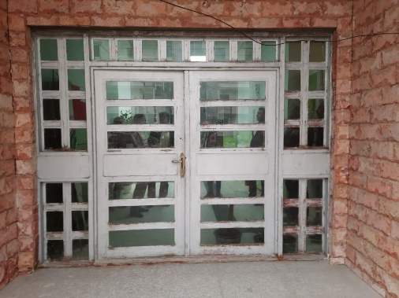
A - 4 | Aluminum doors | Supply materials and install new aluminum doors (same sizes and locations as in the above item) with aluminum thickness of 2mm. Samples and catalogues should be officially approved by the supervising engineer prior to implementation. Price includes knobs, lock hardware with keys, handles, hinges, and all accessories of the best quality. All works should be dome according to the specifications and instructions of the supervising engineer. Note: in the doors which will be used as emergency exit, the interior handle should be a special emergency type (opens the door directly regardless of lock situation). Emergency doors are indicated in the drawings. | m2 | 106 |  | 0 | -
A - 5 | Facades works | Supply materials and fixing Natural Stone (Halan) 30 cm width with marble, 2 cm thickness for the facade at the front and side faces of the building. The stone should be fixed by using BRC mesh 15x15 cm 6 mm diameter for linking with the walls and pointing the joints and filling the gap between facade and the edge of wall with cement-sand mortar with mix ratio 1:3 using sulphate resisting cement. Price includes scaffolding and all other requirements according to drawings and instruction of the site engineer. | m2 | 1000 |  | 0 | -
A - 6 | Remove damaged alucobond | Supply materials and remove the damaged alucobond finishes, including the steel frames. Price includes disposing the rubble to the locations specified by the municipality. The parts to be removed must be identified by the supervising engineer. | m2 | 1250 |  | 0 | -
A - 7 | Cement plastering | Supply materials and plastering with cement sand mortar 1:3 wherever needed, 10 mm thick min. and the final layer should be very smooth, using aluminum straight edges for plastering guides for outer walls, all work must be done according to the instruction of engineers. | m2 | 1250 |  | 0 | -
A - 8 | Secondary ceiling | Supply materials and remove the damaged secondary ceiling with all accessories and install a new ceiling of the Acoustic type (plastic for the WCs) with galvanized steel sections, screws, fishers, scaffolds, and all accessories and requirements according to the instructions of the supervising engineer. | m2 | 1600 |  | 0 | -
A - 9 | Rebuild damaged walls | Supply materials and remove the damaged brickwork in walls and dispose the rubble to the locations specified by the municipality, then building of walls with clay brick and cement mortar (1:3), according to the dimensions specified by the site engineer. | m3 | 2 |  | 0 | -
A - 10 | Walls treatment | Supply materials and remove the plastering of walls which are affected by damp, face of bricks should be revealed including joints, then re-plastering using gypsum plastering and plaster of Paris according to the instructions of the supervising engineer. Price includes restoring all the affected embedments in the walls such as electrical and water pipes, or cancelling the unwanted embedments according to preference of the end user and the instructions of the supervising engineer. Note: price includes removal of AC indoor unit, and re-installing it again after completion of works with remedy of any damage that might happen during the work. This note applies for one wall. | m2 | 30 |  | 0
A - 11 | Walls Painting | Supply materials and paint the internal walls with three layers of paint. Type and color of paints should be officially approved by the supervisor engineer prior to implementation. Price includes treatment of walls' defects with paste according to specification and instructions of the site engineer. | m2 | 3000 |  | 0 | -
A - 12 | Handrail rehabilitation | Supply materials and rehabilitate the Aluminum handrail of the building for all the stairs. Works include replacing the damaged/missing parts with equivalent new parts. Price includes (re)fixing to the floor to ensure durable security for all the handrail sections. Rehabilitation should be according to the initial design of the existing handrail. All works should be done according to the instructions of the supervising engineer. | m | 90 |  | 0 | 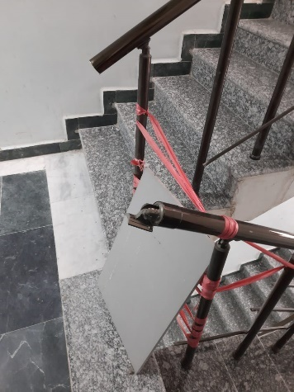
A - 13 | Remove PVC partition | Supply materials and remove the old PVC partition (1.6*2.4) m2 at the entrance of the administration section and dispose the rubble to the locations specified by the municipality. Price includes repairing the wall finishes to prepare for installing new partition at the location. All works should be done according to the instructions of the supervising engineer. | L.S | 1 |  | 0 | -
A - 14 | Gypsum board partition | Supply materials and install new gypsum board partition including aluminum door (1*2.1) m2. The structure of the partition should be made of 3" rectangular steel section with spacing not more than 60 cm between vertical sections (center to center), the structure should be fixed to the floor and walls using roll bolts according to the size and locations specified by the supervising engineer. Height of each partition is about 3.3 m. The joints and screws should be treated by mesh strips and plastering / softening process. The final gypsum board surface must be painted using plastic emulsion paints according to the type and color selected by the supervising engineer. All steel sections should be painted with antirust and oil paints. Door's aluminum sections should not be less than 2 mm thick from best quality. Samples and catalogues should be officially approved by the supervising engineer prior to implementation. Price includes knobs, lock hardware with keys, handles, hinges, and all accessories of the best quality. All works should be dome according to the specifications and instructions of the supervising engineer. This item is to be implemented in 4 different locations, each of them contain a door, one of the doors should be made for emergency exit purposes which requires special handles and cannot be locked, the emergency door is identified in the drawings (under the staircase). | m2 | 40 |  | 0 | -
A - 15 | Interior wooden doors | Supply materials and remove the damaged doors' leaves (the frames to be kept), then install new interior wooden leaves, size (1.5*2.4)m. The door leaf should be made of 5mm thick wooden sheets, and the filling rectangular wood sections should be spaced at 5 cm intervals. Samples and catalogues should be officially approved by the supervising engineer prior to implementation. Price includes knobs, lock hardware with keys, handles, hinges, and all accessories of the best quality. All works should be done according to the specifications and instructions of the supervising engineer. | Pcs | 15 |  | 0 | -
A - 16 | Skirting | Supply materials and install 10 cm ceramic skirting with cement mortar using sulphate resisting cement and mixing with SBR according to the instructions of the supervising engineer. Samples and catalogues should be officially approved by the supervising engineer prior to implementation. Price includes pointing joints with cement paste. | m | 50 |  | 0 | -
A - 17 | Glass | Supply materials and remove the Brocken glass from windows/doors and dispose the rubble to the locations specified by the municipality. Then fix new 4 mm glass according to the sizes required. The glasses to be replaced should be selected by the supervising engineer. Price includes paste and cleaning the work area according to the instructions of the supervising engineer. | m2 | 20 |  | 0 | -
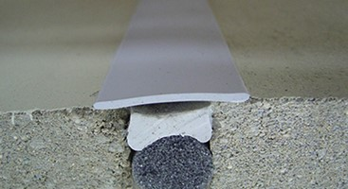
A - 18 | Expansion joints repair | Supply materials and repair the expansion joints of the building according to the instructions of the supervising engineer and through the following steps:
 |  | A- remove the joint's cover, old treatment materials, plastering layers, and/or concrete caps over the joint. Price includes removal of rubble and dispose it in the locations specified by the municipality | m | 50 |  | 0
 |  | B- cleaning all obstacles inside the joint then, inserting Sponge Cord inside the joint 50 mm deep | m | 50 |  | 0
 |  | C- sealing the joint with special flexible joint treatment material. The material's sample and catalogue should be officially submitted by the construction company and approved by the supervisor engineer prior to implementation. | m | 50 |  | 0
 |  | D- finishing the joint cover by new aluminum joint cover strips for indoor ends of the joint. The strips must be fixed by screws to one side of the joint and free cover the other side (to allow movement) according to the instructions of the supervising engineer | m | 50 |  | 0
 |  | E- finishing the joint cover by casting concrete caps of L-shaped section with 25 mPa concrete using sulphate resisting cement for the roof ends of the joint. Reinforcements should be done by 6 bars of 12 mm diameter and stirrups of 10 mm diameter at 25 cm spacing, according to the instructions of the supervising engineer. | m | 50 |  | 0
A - 19 | Floor ceramic | Supply materials and remove the damaged ceramic floors of the ground floor WCs with the mortar and dispose the rubble to the locations specified by the municipality. Then apply new ceramic tiles (30*30) cm, rough surface with all necessary works by a layer of sulphate resisting cement:sand mortar with mix ratio 1:3 according to instructions of site engineer. Price includes filling the joints with white cement and ensure curing for all the applied ceramics. Samples must be submitted by the construction company and approved by the supervising engineer prior to implementation. | m2 | 133 |  | 0 | -
A - 20 | ceramic for walls | Supply materials and Clad the walls with ceramic tiles (approved sample) using cement sand mortar with SBR with all necessary works according to instructions of site engineer. Price includes filling the joints with white Cement and ensure curing for all the applied Ceramics. Works of Ceramics should be leveled Horizontally and Vertically. All works should be dome according to the specifications and instructions of the supervising engineer. | m2 | 20 |  | 0 | -
A - 21 | PVC door rehabilitation | Supply materials and rehabilitate the existing PVC doors by changing the key lock hardware, changing the damaged hinges and handles, replacing any damaged part, and compensating any missing part with all other requirements according to the instructions of the supervising engineer. | Pcs | 10 |  | 0 | -
A - 22 | Skylight | Supply materials and install skylight for the courts of the building according to the design selected by the supervising engineer. The structure of the skylight should be made of a suitable size steel sections, and the covering should be made of fiberglass according to the type and color selected by the supervising engineer. The skylight should have a design of "extended pyramid" with raised sides. Sides of the skylight should be 50 cm high. all steel sections should be painted with antirust and oil paints according to the type and color selected by supervising engineer. Price includes smoothing all welding points and sharp edges with angle grinder. This position will be implemented for three different courts, measurement will be considered as top view (base area). | m2 | 43 |  | 0 | 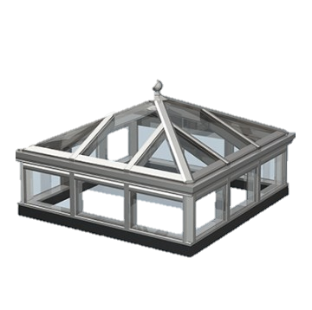
A - 23 | Roofing rehabilitation | Supply materials and rehabilitate the existing roofing through the following steps: - remove the roofing layers down to the slab, the concrete blocks should be kept from damage to allow re-use. Price includes disposing the rubble to the locations specified by the municipality. - clean the roof from the remains of materials. - paint the roof with bitumen 20/30 degree, two layers each layer in one day and in opposite directions. - Layer of agricultural nylon then a 5 cm compacted Styrofoam with density not less than 20 KG/M3. - a layer of average 12 cm thick clean river sand with the proper slope. - paving by the already removed concrete blocks (80*80*4 cm), price includes substituting the Brocken concrete blocks with new ones. - fill the joint between the concrete blocks with bitumen. - fill the outside joints with cement mortar using sulphate resisting cement, price includes making joints same as shtyger size | m2 | 1600 |  | 0 | -
A - 24 | Parapet rehabilitation | Supply materials and rehabilitate the damaged places of the parapet by removing damaged concrete according to the instructions of the supervising engineer, adding rebars of the same size of the existing rebars and connect them together according to the instructions of the supervising engineer, then casting concrete 30 mPa compressive strength using sulphate resisting cement and special chemical binder to bind the old-new concrete. The chemical binder should be officially approved by the supervising engineer prior to implementation. All works should be done according to the requirements of the supervising engineer. Parapet height is about 1 m and thickness is about 20 cm. | m | 20 |  | 0 | 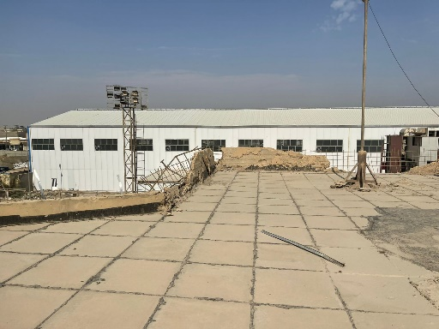
A - 25 | Acoustic wall cover | Supply materials and install sound absorbing wall covers for the interior walls of the theatre hall and music training room. The covering should be done using standard foam panels, fixed to the walls using special adhesives and according to the instructions of the supervising engineer. The portion of the walls to be covered should be identified by the supervising engineer. Price includes scaffolding and all other requirements. All works should be done according to the instructions of the supervising engineer. All samples must be submitted by the construction company and approved by the supervising engineer prior to implementation. | m2 | 250 |  | 0 | 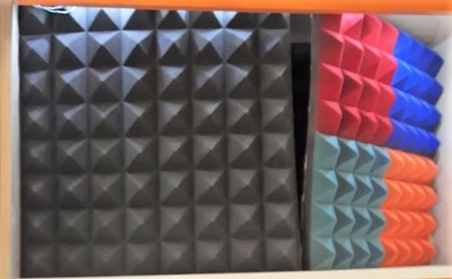
A - 26 | Excavation | Supply materials and excavate in the existing natural ground (fine sand) to the level specified by the supervising engineer. Price includes disposing the rubble to the locations specified by the municipality. | m3 | 248 |  | 0 | -
A - 27 | Subbase filling | Supply materials and backfill using layers of type B subbase according to the required level to be consistent with the existing garage floor. Each layer should not be more than 25 cm thick. Price includes compacting the subbase to 95% RD. All works should be done according to the instructions of the supervising engineer. | m3 | 248 |  | 0 | -
A - 28 | Hexagonal garage tiles | Supply materials and apply a new colored hexagonal tiles on the subbase layer, price includes casting concrete supports for retaining the free ends of the floor, concrete supports should be 15 cm wide and 30 cm deep with using sulphate resisting cement. All works should be done according to the instructions of the supervising engineer. | m2 | 496 |  | 0 | 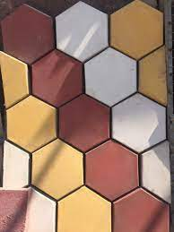
A - 29 | Ramp for the entrance | Supply materials and construct ramp using reinforced concrete using mix ratio 1:2:4 and BRC dia. 6mm @ 15 cm two layers. Slope 6% the work includes casting the edge protection at 0.05 m height from ramp level . Ramp design should be according to the drawings and should be supported by concrete wall using bars dia.12 mm @12 cm height as per instruction of supervisor engineer. All works should be done according to the drawings and instructions of the supervising engineer. | m2 | 6 |  | 0 | -
A - 30 | Handrail for the ramp | Supply materials and install new aluminum handrail for the ramp with one inclined main section and 3 inclined secondary sections and a vertical section every 1.5 m with a height not less than 1 m. Samples must be submitted by the construction company and approved by the supervising engineer prior to implementation. All works should be done according to the instructions of the supervising engineer. | m | 12 |  | 0 | -
A - 31 | Emergency stair | Supply materials and install steel emergancy stairs with landings according to the drawings. The structure of the stair should be made of I section 6 inches size, and the steps and landings should be covered with steel checkered plate 4 mm thick. Horizontal supports should be made using steel rectangular sections 4 inches size. The stair should be fixed to the walls using roll bolts of enough sizes and amount to establish a safe connection. All the connections to the walls should be through base plates not less than 4 mm thickness. The stair should have steel handrail using rectangular steel sections 3 inches size. Price includes smoothing all welding points and sharp edges with angle grinder, and painting with antirust and finishing with oil paints according to the type and color selected by the supevising engineer. All works should be done according to the drawings and instructions of the supervising engineer. | m | 27 |  | 0 | -
A - 32 | Concrete Base | Supply mareials and cast 40 cm thick reinforced concrete base for the emergency stair by C35 concrete using sulphate resisting cement. Reinforcements should be using two layers of rebars, each layer should be made of Φ 12 mm bars at 15 cm spacing for both directions. All works should be done according to the drawings and instructions of the supervising engineer. | m3 | 10 |  | 0 | -
A - 33 | Opening for emergency doors | Supply materials and make opening in the wall for installing the emergency doors in the ground and first floors and in the roof. Locations of the openings should be specified by the supervising engineer prior to implementation. Works include installing steel frame made of 4 inches rectangular sections and repairing the damaged edges and finishes, and repositioning the location of all embedments and connections that intersect the works. according to the instructions of the supervising engineer. Price includes scaffoldings, and disposing the rubble to the locations specified by the minicipality. The opening in the ground floor is located under the stair landing (see photo) which require repositioning the electrical board and all wirings and connections under the stair. All works should be done according to the instructions of the supervising engineer. | Pcs | 6 |  | 0 | 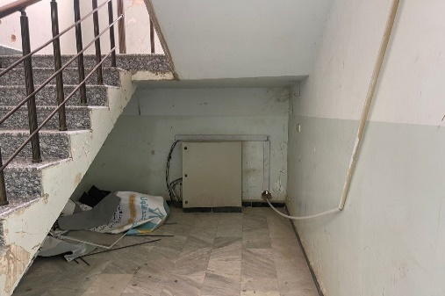
A - 34 | Ground floor lowering | Supply mateials and remove the marble finish of the area under the staircase shown in the above item and the layers beneath it, then dispose the rubble to the locations specified by the municipality. The total depth of removed layers should be 70 cm. Sides of the existing floor finish which will not be removed must be well protected and supported during the works. A layer of subbase, 10 cm thick, should be placed and compacted on the final excavation level, then casting a 10 cm thick concrete using sulphate resisting cement and reinforced with layer of BRC 6 mm thick with 15*15 cm openings. A new floor finish of marble should be applied at the location according to the size, type, and color selected by the supervising engineer with pointing the joints. The new finish level should be at least 30 cm lower than the original level with making two steps between the new level and the existing floor level. The exterior walkways should be leveled with the new exit level including all the necessary works abovementioned should be done in the walkway at the same width of door opening. All works should be done according to the drawings and the instructions of the supervising engineer. | m2 | 14 |  | 0 | -
 |  |  |  | Total A - Civil works |  | 0
 | B - Fire fighting works
B -1 | Fire alarm system | Supply, install, test & commission a complete fire alarm system by using fire alarm cables inside galvanized pipes as per specifications of site engineer with all necessary works. The materials should be best available type according to the technical specifications as follows:
 |  | A- Smoke Detector | Pcs | 100 |  | 0
 |  | B- Heat Detector | Pcs | 50 |  | 0
 |  | C- Signal lamps | Pcs | 100 |  | 0
 |  | D- Break glass point | Pcs | 20 |  | 0 | -
 |  | E- Electric alarm bell | Pcs | 15 |  | 0
 |  | F- connection box | Pcs | 4 |  | 0
 |  | G- Addressable Fire alarm control panel suitable for (3 Loop) with all battery (UPS) and accessories. Every detector has to be addressable. The controller has to show in which room the fire happens! | Pcs | 1 |  | 0
 |  | H- Fire alarm cables of Capacity (10) Pairs Measuring (1)mm | m | 500 |  | 0
 |  | I- Commissioning of entire fire alarm system, addressing of all sensors room by room, test running, hand over of operating manual and provide training to the operating personnel, at least 4 hours. | L.S. | 1 |  | 0
B -2 | CO2 type fire extinguisher | Deliver and assemble, conceived and designed in accordance with EN 3. Pressure lever faucet (brass), 1-handle operation, internal CO2 pressure gas steel bottle. 9 ltr. or 12 ltr. content, freeze-proof to -30° C (AB), with spray nozzle. Ø 190 mm, height 550 mm. Performance classes / ratings 21 A and 183 B, extinguishing agent units (LE) 6 Permitting in accordance to the governmental rules and regulations. | Pcs | 10 |  | 0 | -
B -3 | Powder type fire extinguisher | Deliver and assemble, conceived and designed in accordance with EN 3. Pressure lever faucet (brass). 1-handle operation. Internal powder. Permitting in accordance to the governmental rules and regulations. | Pcs | 10 |  | 0 | -
B -4 | Photoluminescent emergency exit sign boards | Supply materials and install photoluminescent emergency exit sign boards according to the drawings and instructions of the supervising engineer. Boards must be made of metal plate with a size not less than 20*40 cm. Samples must be submitted by the construction company and approved by the supervising engineer prior to implementation. | Pcs | 15 |  | 0
 |  |  |  | Total B - Fire Fighting Works |  | 0
 | C - Plumbing works
C -1 | Sanitary network 4" | Supply materials and remove the old pipes, then install new UV-resistant and high pressure (4") dia. PVC pipes with all necessary materials and cleaning openings according to the instructions of the site engineer with all necessary work. Including all fittings, floor drains, gully traps, and all attachments and accessories. | m | 186 |  | 0 | -
C -2 | Sanitary network 2" | Supply materials and remove the old pipes, then install new UV-resistant and high pressure (2") dia. PVC pipes with all necessary materials and cleaning openings according to the instructions of the site engineer with all necessary work. Including all fittings, floor drains, gully traps, and all attachments and accessories. | m | 75 |  | 0 | -
C -3 | Desludging | Supply materials and disludge the sanitary network according to the instructions of the supervising engineer, the network contains 10 drain points and it is connected to a septic tank. | L.S. | 1 |  | 0 | -
C -4 | PPR water network | Supply materials and connect PPR pipes for cold and warm water networks with vent pipe for the outside and inside networks, reinforced section embedded in the walls, according to the diameters shown below with all accessories, fittings, and attachments. Price includes insulation by using 5mm thick foam pipe insulation hoses for the exposed pipes. All works should be dome according to the specifications and instructions of the supervising engineer. |  |  |  |  | -
 |  | A- 1/2" diameter pipe | m | 80 |  | 0
 |  | B- 3/4" diameter pipe | m | 20 |  | 0
 |  | C- 1" diameter pipe | m | 10 |  | 0
C - 5 | Eastern toilet | Supply of materials, tools and manpower to install a new ceramic eastern toilet and flush tank of the best available quality in the market. Including proper sewerage and water connection and siphon installation gully trap Ø100mm (4"), Chrome handheld bidet, angle valve and ensure the drain of water to the cesspool and All needed work to complete the job will be included within the price as per instruction of supervisor engineer. The toilet is equipped with, toilet paper holder, spare paper holder. Samples must be submitted by the construction company and approved by the supervising engineer prior to implementation. | Pcs | 11 |  | 0
C - 6 | Western toilet | Supply materials and install white ceramic western toilet including flush tank (one-piece), toilet must be well fixed to the ground. Price includes connecting to the water and sanitary networks, angle valves, and all required fittings and accessories according to the instructions of the supervising engineer. Samples must be submitted by the construction company and approved by the supervising engineer prior to implementation. | Pcs | 7 |  | 0 | -
C - 7 | Handwash basin | Supply materials and install handwash basin with stand, size 0.45 m x 0.45 m and sink height should be 0.8 m from the floor. The work includes high pressure connection steel hose, chromium plated stop valves, two angle valve, flex drain hose and all related accessories, and including connecting to the water and sanitary networks. With all needed works, Paper towel dispenser out of stainless steel. Samples must be submitted by the construction company and approved by the supervising engineer prior to implementation. | Pcs | 10 |  | 0 | -
C - 8 | Basin mixer tap | Supply and install basin mixer tap with the following specifications: - handle should be valve handle at a height of 0.90 m from the floor - chrome color - single hole installation - not less than 35 mm ceramic cartridge - not less than 120 mm between water outlet center and the mixer's body centerline - Water Saving mousseur 5.7 l/min - flexible connection hoses - 55o lever rotation in each direction All works should be done according to the instructions of the supervising engineer. Sample must be submitted by the construction company and approved by the supervising engineer prior to implementation. |  | 34 |  | 0 | 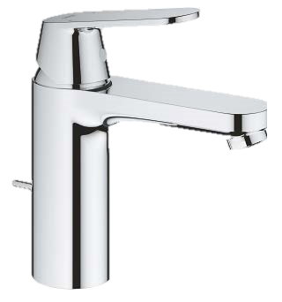
C - 9 | Liquid soap dispenser | Supply materials and install wall mounted liquid soap dispenser, best quality, according to the instructions of the supervising engineer. Dispenser's Sample must be submitted by the construction company and approved by the supervising engineer prior to implementation. |  | 34 |  | 0
C - 10 | Shower set | Supply materials and install a complete shower set and connect to the water source. All works should be done according to the instructions of the supervising engineer. Sample must be submitted by the construction company and approved by the supervising engineer prior to implementation. | Pcs | 24 |  | 0 | 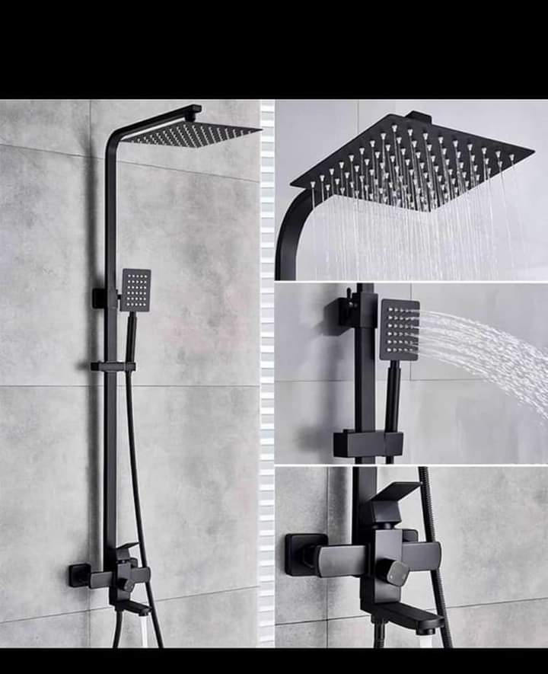
C - 11 | Square shower tray | Supply materials and install new ceramic shower 80*80 cm, white color. Price includes connection to the sanitary network. Good fixing should be ensured according to the instructions of the supervising engineer. Sample must be submitted by the construction company and approved by the supervising engineer prior to implementation. | Pcs | 12 |  | 0
C - 12 | Floor drain | Supply materials and install stainless steel floor drains 4 inches diameter with stainless steel strainer. Samples must be approved by the supervising engineer prior to installation of the floor drains. Price includes all accessories and requirements to complete the work according to the instruction of the supervising engineer | Pcs | 30 |  | 0 | -
C - 13 | Rainwater downpipes | Supply and install 4" PVC rain water drain pipe in lengths and locations specified by the supervising engineer with Iron holder each 1 m. Price includes all the required fittings and accessories according to the instructions of the supervising engineer. | m | 30 |  | 0 | -
C - 14 | Water tanks | Supply and install storage water tank (2000) L in size, PVC type of Minimum three layers reinforced. The price includes the installation and connecting to water network, complete with valves, floating valve, overflow, drain inlets and outlets with all necessary fittings and seat blocks (industrial PVC pallets). Tank should be place at the roof of the building. Samples must be submitted by the construction company and approved by the supervising engineer prior to implementation. | Pcs | 7 |  | 0 | -
C - 15 | Kitchen sink | Supply materials and install stainless steel kitchen sink with two wings, total length of sink should be approximately 1.8 m. The sink should be fixed to a frame of standard suitable size Aluminum frame, with HDF covering including two doors. Price includes standard kitchen mixer best quality approved by supervisor engineer, drain hose with connection to the sewer, angle locks, connection to cold and warm water sources, and all needed requirements according to the instructions of the supervisor engineer. Samples must be submitted by the construction company and approved by the supervising engineer prior to implementation. | Pcs | 1 |  | 0 | -
 |  |  |  | Total C - Plumbing Works |  | 0
 | D - Electrical works
D -1 | Square panel LED light 60*60 cm | Supply materials and install LED panel light, 60*60 cm, for mounting in false ceiling, 60 W, AC 220-240 V, 50-60 Hz, white color, IP20. Price includes connection using single copper wires (3x2.5) mm2, and pulling wires inside the PVC conduits and connecting it to the switches with all installation and connection accessories. All works should be done according to the drawings and the instructions of the supervising engineer. Samples must be submitted by the construction company and approved by the supervising engineer prior to implementation. | Pcs | 425 |  | 0
D -2 | Ceiling Fan | Supply materials and install ceiling fan for mounting on false ceilings, 60*60 cm, supported with remote control and three speeds, with sound alert for each speed. Price includes connection using single copper wires (3x2.5) mm2, and pulling wires inside the PVC conduits and connecting it to the switches with all installation and connection accessories. All works should be done according to the drawings and the instructions of the supervising engineer. Samples must be submitted by the construction company and approved by the supervising engineer prior to implementation. | Pcs | 125 |  | 0 | 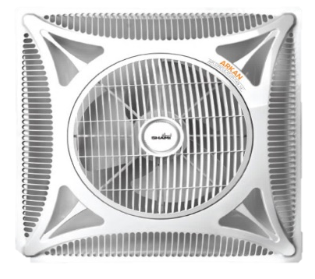
D -3 | AC 1 Ton | supply, install, connect, and check split type air conditioner, wall mounted, cooling and heating, 12000 BTU cooling capacity, T3 class, single phase, invertor compressor, R410 Refrigerant, self cleaning function, turbo button, multi fan speeds, LED display, intelligent defrosting. Price includes fixing 1" diameter PVC or PPR pipes inside the walls for AC condensate dewatering and connecting it to the nearest sewer by a gully trap, connecting the AC to the switches using single copper wires 3x4 mm2, and an electrical protection device. All works should be done according to the instructions of the supervising engineer. Sample must be submitted by the construction company and approved by the supervising engineer prior to implementation. | Pcs | 4 |  | 0 | -
D -4 | AC 2 Ton | supply, install, connect, and check split type air conditioner, wall mounted, cooling and heating, 24000 BTU cooling capacity, T3 class, single phase, invertor compressor, R410 Refrigerant, self cleaning function, turbo button, multi fan speeds, LED display, intelligent defrosting. Price includes fixing 1" diameter PVC or PPR pipes inside the walls for AC condensate dewatering and connecting it to the nearest sewer by a gully trap, connecting the AC to the switches using single copper wires 3x4 mm2, and an electrical protection device. All works should be done according to the instructions of the supervising engineer. Sample must be submitted by the construction company and approved by the supervising engineer prior to implementation. | Pcs | 30 |  | 0 | -
D -5 | AC 3 Ton | supply, install, connect, and check split type air conditioner, floor stand, cooling and heating, 36000 BTU cooling capacity, T3 class, single phase, invertor compressor, R410 Refrigerant, self cleaning function, turbo button, multi fan speeds, LED display, intelligent defrosting. Price includes fixing 1" diameter PVC or PPR pipes inside the walls for AC condensate dewatering and connecting it to the nearest sewer by a gully trap, connecting the AC to the switches using single copper wires 3x4 mm2, and an electrical protection device. All works should be done according to the instructions of the supervising engineer. Sample must be submitted by the construction company and approved by the supervising engineer prior to implementation. | Pcs | 18 |  | 0 | -
D -6 | AC 4 Ton cassette | supply, install, connect, and check split type air conditioner, cassette type, cooling and heating, 48000 BTU cooling capacity, T3 class, invertor compressor, R410 Refrigerant, self cleaning function, turbo button, multi fan speeds, LED display, intelligent defrosting. Price includes fixing 1" diameter PVC or PPR pipes for AC condensate dewatering and connecting it to the nearest sewer by a gully trap, connecting the AC to the switches using single copper wires 3x4 mm2, and an electrical protection device. All works should be done according to the instructions of the supervising engineer. Sample must be submitted by the construction company and approved by the supervising engineer prior to implementation. | Pcs | 8 |  | 0 | -
D -7 | LED downlight | Supply materials and install LED round downlight, for mounting in false ceiling, diameter not less than 210 mm, 18 W, AC 220-240 V, 50-60 Hz, 135 mA, white color, IP40, 25000 hours lifetime. Price includes connection using single copper wires (3x2.5) mm2, and pulling wires inside the PVC conduits and connecting it to the switches with all installation and connection accessories. All works should be done according to the drawings and the instructions of the supervising engineer. Samples must be submitted by the construction company and approved by the supervising engineer prior to implementation. | Pcs | 56 |  | 0 | 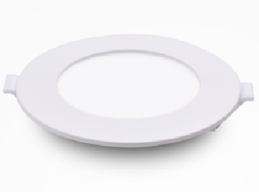
D -8 | Exhaust fan 6" | Supply materials and install a 6-inch exhaust fan, round shape, auto shutter, 15 W, air discharge not less than 2.8 m3/min, 100% copper coil. Price includes connection using single copper wires (3x2.5) mm2, and pulling wires inside the PVC conduits and connecting it to the switches with all installation and connection accessories. All works should be done according to the instructions of the supervising engineer. Samples and catalogues must be submitted by the construction company and approved by the supervising engineer prior to implementation. | Pcs | 36 |  | 0 | 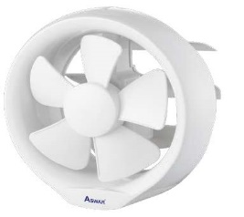
D -9 | Water heater | Supply materials and install a wall mounted electrical vertical water heater, 45 L capacity, structure of 2 mm thick galvanized plate, double foam insulation, up to 8 bar pressure capacity. Price includes connecting to the switches using copper wires (3x4) mm2 according to the instructions of the supervising engineer, all necessary water pipes, safety valves, and shut valves for warm and cold water. the heater should be fixed according to the instruction and location selected by the supervising engineer. Samples must be submitted by the construction company and approved by the supervising engineer prior to implementation. | Pcs | 14 |  | 0 | 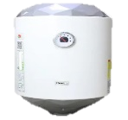
D -10 | Electrical network modifications | Supply materials and change the location of electrical network and control board of the theatre hall to the control room instead of inside the theatre. Price includes installing cable trays for the cables and wires and installing a new electrical board in the control room. All connections, circuit breakers, and all other accessories should be re-implemented perfectly. All works should be done according to the instructions of the supervising engineer. | m | 20 |  | 0 | 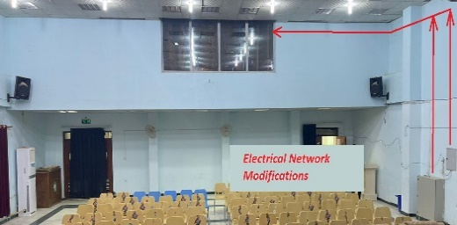
D -11 | Electrical network rehabilitation | Supply materials and rehabilitate the electrical network including all connections and wirings. All network must be connected in such a way to achieve a safe electrical system. All connections should be done by using bootless terminals and heat shrink tubing. All works should be done according to the instructions of the supervising engineer. | L.S. | 1 |  | 0 | -
 |  |  |  | Total D - Electrical Works |  | 0

Summary
Total A - Civil works |  | 0
Total B - Fire Fighting Works |  | 0
Total C - Plumbing Works |  | 0
Total D - Electrical Works |  | 0
Grand Total |  | 0

