Workplan
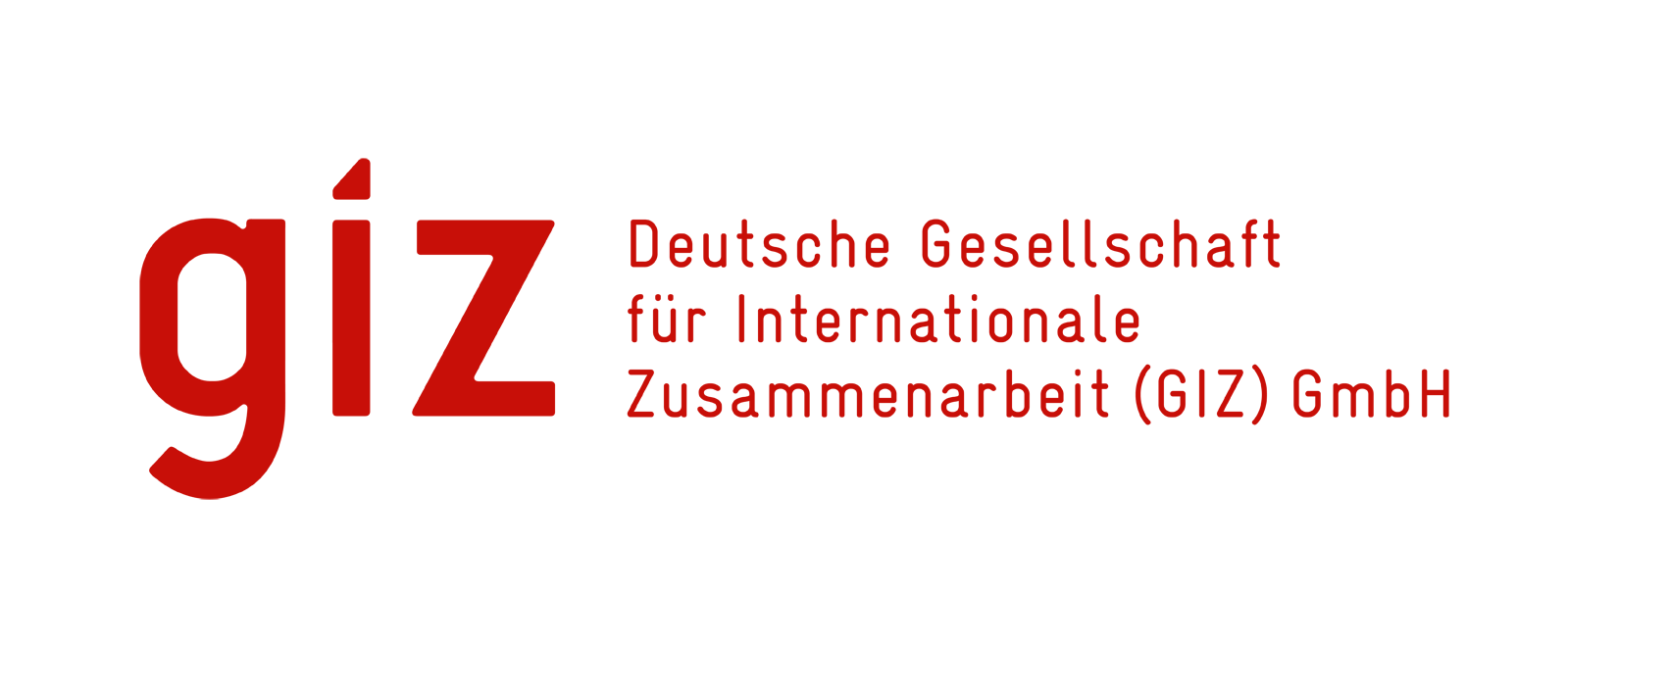 |  | Detailed Workplan Rehabilitation of Faluja youth forum
 | A - Civil works | Planned Start | Planned Duration (Days) | Deadline | Month 1 |  |  |  | Month 2 |  |  |  | Month 3 |  |  |  | Month 4 |  |  |  | Month 5 |  |  |  | Month 6
No. | Item |  |  |  | W 1 | W 2 | W 3 | W 4 | W 1 | W 2 | W 3 | W 4 | W 1 | W 2 | W 3 | W 4 | W 1 | W 2 | W 3 | W 4 | W 1 | W 2 | W 3 | W 4 | W 1 | W 2 | W 3 | W 4
A - 1 | Removing windows |  |  | 0
A - 2 | Installing windows |  |  | 0
A - 3 | Removing steel doors |  |  | 0
A - 4 | Aluminum doors |  |  | 0
A - 5 | Facades works |  |  | 0
A - 6 | Remove damaged alucobond |  |  | 0
A - 7 | Cement plastering |  |  | 0
A - 8 | Secondary ceiling |  |  | 0
A - 9 | Rebuild damaged walls |  |  | 0
A - 10 | Walls treatment |  |  | 0
A - 11 | Walls Painting |  |  | 0
A - 12 | Handrail rehabilitation |  |  | 0
A - 13 | Remove PVC partition |  |  | 0
A - 14 | Gypsum board partition |  |  | 0
A - 15 | Interior wooden doors |  |  | 0
A - 16 | Skirting |  |  | 0
A - 17 | Glass |  |  | 0
A - 18 | Expansion joints repair |  |  | 0
 | A |  |  | 0
 | B |  |  | 0
 | C |  |  | 0
 | D |  |  | 0
 | E |  |  | 0
A - 19 | Floor ceramic |  |  | 0
A - 20 | ceramic for walls |  |  | 0
A - 21 | PVC door rehabilitation |  |  | 0
A - 22 | Skylight |  |  | 0
A - 23 | Roofing rehabilitation |  |  | 0
A - 24 | Parapet rehabilitation |  |  | 0
A - 25 | Acoustic wall cover |  |  | 0
A - 26 | Excavation |  |  | 0
A - 27 | Subbase filling |  |  | 0
A - 28 | Hexagonal garage tiles |  |  | 0
A - 29 | Ramp for the entrance |  |  | 0
A - 30 | Handrail for the ramp |  |  | 0
A - 31 | Emergency stair |  |  | 0
A - 32 | Concrete Base |  |  | 0
A - 33 | Opening for emergency doors |  |  | 0
A - 34 | Ground floor lowering |  |  | 0

 | B - Fire fighting works
B -1 | Fire alarm system |  |  | 0
 | A |  |  | 0
 | B |  |  | 0
 | C |  |  | 0
 | D |  |  | 0
 | E |  |  | 0
 | F |  |  | 0
 | G |  |  | 0
 | H |  |  | 0
 | I |  |  | 0
B -2 | CO2 type fire extinguisher |  |  | 0
B -3 | Powder type fire extinguisher |  |  | 0
B -4 | Photoluminescent emergency exit sign boards |  |  | 0

 | C - Plumbing works
C -1 | Sanitary network 4" |  |  | 0
C -2 | Sanitary network 2" |  |  | 0
C -3 | Desludging |  |  | 0
C -4 | PPR water network |  |  | 0
 | A |  |  | 0
 | B |  |  | 0
 | C |  |  | 0
C - 5 | Eastern toilet |  |  | 0
C - 6 | Western toilet |  |  | 0
C - 7 | Handwash basin |  |  | 0
C - 8 | Basin mixer tap |  |  | 0
C - 9 | Liquid soap dispenser |  |  | 0
C - 10 | Shower set |  |  | 0
C - 11 | Square shower tray |  |  | 0
C - 12 | Floor drain |  |  | 0
C - 13 | Rainwater downpipes |  |  | 0
C - 14 | Water tanks |  |  | 0
C - 15 | Kitchen sink |  |  | 0

 | D - Electrical works
D -1 | Square panel LED light 60*60 cm |  |  | 0
D -2 | Ceiling Fan |  |  | 0
D -3 | AC 1 Ton |  |  | 0
D -4 | AC 2 Ton |  |  | 0
D -5 | AC 3 Ton |  |  | 0
D -6 | AC 4 Ton cassette |  |  | 0
D -7 | LED downlight |  |  | 0
D -8 | Exhaust fan 6" |  |  | 0
D -9 | Water heater |  |  | 0
D -10 | Electrical network modifications |  |  | 0
D -11 | Electrical network rehabilitation |  |  | 0

