Technical Specifications
A. TECHNICAL SPECIFICATIONS OF IT EQUIPMENT
Item No | TECHNICAL SPECIFICATIONS | COMPARATIVE SPECIFICATION / REMARKS
 | Minimum technical requirements. | Comparative specification / remarks should indicate any deviation from technical parameter or functional description of tender specification or confirmation with "Yes" and if applicable further particularities.
1 | 5 x Small form factor desktop PC
1.1 | Class: business (heavy duties)
1.2 | Processor:12th Generation Intel® Core™ i7 or equivalent
1.3 | Operating System: Microsoft Windows 11 Pro 64 Bit System Builder OEM
1.4 | Memory : 32 GB minimum
1.5 | Storage: 1TB SSD minimum
1.6 | Graphics Card: Integrated Intel® UHD Graphics or Equivalent
1.7 | Connectivity: Gigabit Ethernet & WiFi 6E
1.8 | Power Input: Iraqi grid
 | 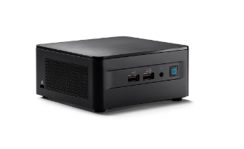

2 | 5 x LED-backlit LCD monitor
2.1 | Product: LED-backlit LCD monitor (Please indicate brand, model and origin of your offered product)
2.2 | Features: Flicker-Free
2.3 | Panel Type: VA or IPS
2.4 | Aspect Ratio:16:9
2.5 | Native Resolution: 1920 x 1080 at 75 Hz
2.6 | Brightness: minimum 250 cd/m²
2.7 | Contrast Ratio: 1000: 1 or above
2.8 | Response Time: up to 5 ms
2.9 | Color Support: minimum 16.7 Million colors
2.10 | Ports & Slots:
2.10.1 | Power Connector
2.10.2 | HDMI Port
2.11 | Diagonal Size: 23,5" to 24.5"
2.12 | Power Input: Iraqi grid

3 | 5 x Mouse and keyboard (cable)
3.1 | Device connection: Cable
3.2 | Device Interface: USB
3.3 | Device language: Arabic

4 | 1 x Network Attached Storage (NAS)
4.1 | Minimum supported disks: 2
4.2 | LAN Interface: Gigabit Ethernet
4.3 | Features: RAID 1 for redundancy
4.4 | RAM: min 2 GB DDR4
4.5 | Reading/Writing: above 100 MB/s over Ethernet
4.6 | Power Input: Iraqi grid (plugged in item No 6)
 | 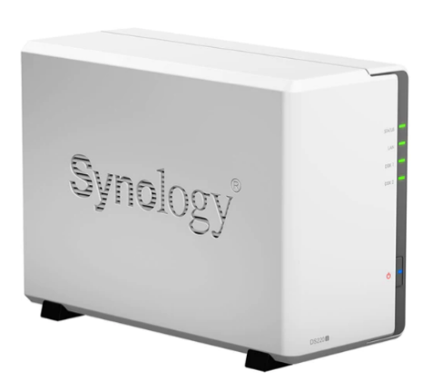

5 | 2 x Hard drives for NAS (item No 4)
5.1 | Product: Internal NAS HDD
5.2 | Form factor: 3.5"
5.3 | Interface: SATA III 6 Gb/s
5.4 | Capacity: minmum 4TB / disk
5.5 | Workload Rate: minimum 170 TB / year

6 | 1 x UPS 1200 VA
6.1 | Product: UPS 1200 VA
6.2 | Rated power: 1200 VA
6.3 | Main Input Voltage: Iraqi grid
6.4 | output connection type: Iraqi grid for items No 1, 4 & 8
6.4 | output connection count: minimum 3x 230V universal (or Iraqi grid) outlets
6.5 | battery type: Lead-acid battery

7 | 1 x UPS 350 VA
7.1 | Product: UPS System 350VA
7.2 | Rated power: 350 VA minimum
7.3 | Main Input Voltage: Iraqi grid
7.4 | output connection type: 5V 2A with at least one USB charging port delivering 2.4A

8 | 1 x Gigabit Ethernet switch
8.1 | Product: Gigabit Ethernet Unmanaged Switch
8.2 | LAN Interface: Gigabit Ethernet
8.3 | Main Input Voltage: Iraqi grid (plugged in item No 6)
8.4 | Min number of Ethernet ports: 4 or more

9 | 1 x USB power extension cable
9.1 | Product:USB-A 3.0 Extension Cable, Male to Female
9.2 | Interface: USB-A 3.0, male to female
9.3 | Length: 2m

B. DELIVERY
B.1 | DDP to Ramadi
B.2 | Packing, loading, transportation and unloading is under responsibility of supplier
B.3 | Please indicate the shortest delivery time (less than 10 working day)

C. REMARKS AND CONDITIONS
C.1 | All standard accessories for all offered items should be provided.
C.2 | The supplier must specify the warranty duration for all Items with1 year waranty
C.3 | Catalogues or technical data sheet are requested for all items!!!
C.4 | Comparable specifications to be highlighted in the catalogues
C.5 | The brand and the model of the offered items to be indicated.
C.6 | Reference pictures are only to recognize and understand the items, not an indication for any model or brand

