Technical Specification
 | LOT 1 SUPPLY AND INSTALL FIVE CABINS
 | TECHNICAL SPECIFICATIONS | COMPARATIVE SPECIFICATION / REMARKS
Minimum technical requirements. |  | Comparative specification / remarks should indicate any deviation from technical parameter or functional description of tender specification or confirmation with "Yes" and if applicable further particularities.
1.0 | SUPPLYING , HANDLING , DELEVRYING AND INSTALLING 5-CABINS INCLUDING THE SITE PREPARATION / GENERAL SPECIFICATION
1.0.1 | 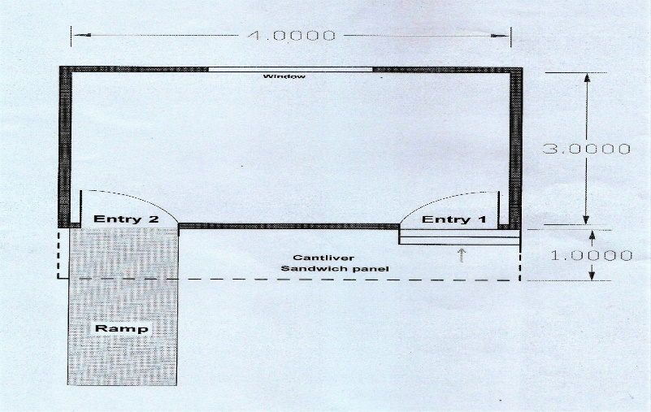 supply and install three Cabins Dimensions W x L x H 300 cm x 400 cm x 300
1.0.2 | Provide material and supply ready to use, turnkey, fireproof Cabins to each of the locations listed below to be used as billing places for water revenue in 5 different locations inside Al.Muthana governorate
1.0.3 | The cabins shall be transported by truck to the installation site. Preparation - adaptation works for an even, safe placement in existing concrete base C21 Mpa is the responsibility of the supplier
1.0.4 | All necessary arrangement shall be provided in compliance with ISO standards at top four corners for safe and easy lifting.Openings for fork-lift pockets in the floor framework
1.0.5 | Press-bent steel profiles according to UNIEN 10025.
1.0.6 | Galvanized sheets type DX51D or S280GD according to UNI EN 10346 Aluminum alloy profiles according to UNI EN 485-2 and UNI EN 573-3
1.0.7 | Handling , Transportation and delivering . The supplier is responsible of transportation, delivering and installation. All required lifting devices are responsibility of the supplier. Necessary arrangement shall be provided in compliance with ISO standards at top four corners for safe and easy lifting.
1.0.8 | Forklift openings: openings for fork-lift pockets in the floor framework, dim 88×250mm in 1700 mm
1.1 | Site preparation
 | Provide material and work to supplying subbase for cabins’ sites (Area- 100 M ²) , thickness 20 cm after compaction using pneumatic compactor Tire 20 Ton (road roller), work include all necessary work to remove muds or debris if founded. All permission of work & performing under supervision of sites’ engineer.
 | Provide material & work to cast normal concrete for cabins floors, using concrete C21 . Area (150 M ²) The thickness of concrete is (15) cm. performing includes:
 | Laying nylon (2 layers) before executing concrete per each site and old cleaning concrete
 | Refining, smoothing concrete surface using suitable Helicopter.
 | Using wooden molding for edges
 | Curing concrete with water for 7 days before install Cabins
1.1 | Main Shell
1.1.1 | The structural framework shall be integral (Welded) to comprise of the bottom frame, overall framework, internal, external cladding with insulation and other peripherals, sloping self-draining roof and desired door, window, AC openings etc.
1.1.2 | The main corner vertical supported shall be made with square pipe section. All the corner post to be suitably welded. The corner post to be housing the MS corner block / lifting hooks.
1.3 | Base Frame & Concrete work
1.3.1 | The main bottom base frame is fabricated with rolled steel channels to support the floor and welded to the outer frame.
1.3.2 | The base frame cross member shall be about 75 x 40 mm
1.3.3 | the longitudinal skid joist about 100X50 mm.
1.3.4 | Supplying and laying subbase for cabins’ sites, thickness 20 cm after compaction using pneumatic compactor Tire 20 Ton (road roller), work include all necessary work to remove muds or debris as per engineer insrcutions . Covered subbase area is (100 )m²
1.3.5 | Work to cast normal concrete for cabins floors, type C21 . The thickness of concrete is (15) cm. Total casted concerete area is 150 m² . Item specifications are -Laying nylon (2 layers) before executing concrete per each site and old cleaning concrete . See annex 3
1.4 | External frame & legs
1.4.1 | 25 cm height by using (I -section beam 5.5 Inch)
1.4.2 | square patch of about 20 x20 cm.
1.5 | Matting floor base
1.5.1 | rectangular section thickness 2 mm and 4 x 2 Inch.
1.5.2 | The steel base & partition will be distributed each 50 cm.
1.6 | Load bearing capacity.
1.6.1 | - Floor: max. load capacity 2.0 kN/m² (200 kg/m²)
1.6.2 | Wind force vb: vb = 27 m/s, [97.2 km/h] terrain category III (max 2 store).
1.7 | Static calculations
1.7.1 | as EN 1990, EN 1991-1-4 (wind); EN 1993-1-1 (steel). Any applicable national standard (Iraq) must be meet as well.
1.8 | Painting
1.8.1 | The external steel surface shell be pre-treated with anticorrosive steel guard chemical.
1.8.2 | Outer: one coat of red oxide primer and two coats of epoxy final Paint of customer approved color to be applied.
1.8.3 | Under structure: one coat red oxide primer and one black paint.
1.9 | supply and install Walls, Roof, Floor, Finishing Walls panels
1.9.1 | Made of fireproof sandwich panels thickness 60 mm (minimum) for walls and roof. (RW or equivalent), density about 100Kg/m³, resistant to 850 C°
1.9.2 | Fire grade certificate (fireproof) must be provided.
1.9.3 | material shall be in compliance with EN 13501-1 Panel’s Plate thickness minimum 0.4 mm from both sides.
1.9.4 | Wall thickness: Minimum ≈ 60 mm
1.9.5 | External cladding: corrugated, galvanized and coated steel sheet, thickness 0.6 mm.
1.10 | Roof slope
1.10.1 | 3 % , roof drainage
1.11 | Internal cladding
1.11.1 | Floor: Plywood board - thickness 21 mm Е1 in accordance with EN 636:2012 fire behavior D-s2, d0 or Dfl-s1 according to EN 13501-1.
1.11.2 | Floor covering vinyl floor cover welded in sheets). Prices include fitting proper MDF skirt. The floor color & Skirt color will be approved by site engineer.
1.12 | Internal Finishing
1.12.1 | Walls & ceiling: MDF, thickness ≈ 8mm
1.12.2 | Floor: Heavy duty Vinyl parket (as above)
1.12.3 | Colors: to be decided upon samples provided by the bidder
1.13 | Power & Wiring (per each 1 cabin)
1.13.1 | Inner distribution system: wires 1.5, 2.5 and 4.00 mm² (minimum), for 220 V.
1.13.2 | to connect electricity for interior switches and the AC in compliance with all power and fire protection requirements.
1.13.3 | Earthing: galvanized connector with a steel plate of dimensions of about 30x80 mm welded on the bottom frame
1.14 | Electric distribution box
1.14.1 | Electric distribution box with suitable protective circuit breaker, current switch, automatic fuses (C-characteristics) of suitable power (6A, 10A,16A, 20A).
1.14.2 | Inner distribution system: cables of suitable dimensions (6, 2.5,1.5 mm2 for 220 voltages, flush-mounted
1.15 | Other Electrical Fittings
1.15.1 | 20 PCs of 4 LED lighting fluorescent 2 for each cabin . power of fluorescent is 36 Watts.
1.15.2 | 10 PCs of water proof outdoor flood light ,125-150-watt. working voltage AC100-240V
1.15.3 | Main Material: Aluminium
1.16 | 15 pcs of Plug Socket Switch
1.16.1 | Supply and fix 13 Ampere type G Plug Socket Switch with Neon Light with all requirements works. 6 socket /site
1.17 | 10 Pcs of Lights Switch
1.17.1 | Supply and fix 10 Ampere Light Switch 3 gangs two-way switch for fluorescent strip, work includes all requirements for fixing. 2 SWITCHES /site.
1.18 | 5 Pcs of Lights Switch
1.18.1 | Supply and fix 32 Ampere Light Switch 1 gangs two-way switch for A/C, work includes all requirements for fixing
1.19 | 5 Pcs of Electric socket
1.19.1 | 2 gangs - Low level flush-mounted, 13 A-220 V, illuminated double sockets with all requirements works
1.20 | cable (200 M.L)
1.20.1 | Provide and fixing cables 2x10 mm.
1.20.2 | Type Insulated
1.20.3 | Conductor Material copper
1.20.4 | Sheath Material PVC.
1.20.5 | Insulation Material PVC.
1.20.6 | MAX. Nominal cross-sectional area is 6 mm2.
1.20.7 | Operating Temperature.0°C, can be 90°C,105°C as per requirement

1.21 | Supply and fixing & operating 5 Air Conditioned Splits (AC) .
1.21.1 | 24566 Btu/hr
1.21.2 | Wall type. Phase single
1.21.3 | Cooling capacity: ≈ 24566 Btu/hr
1.21.4 | Heating capacity: ≈ 25248 BTU/hr.
1.21.5 | Cooling Power input 2300 W,
1.21.6 | heating power input 2100 W
1.21.7 | cooling rated running current 10 A
1.21.8 | Heating running current 9 A Air flow rate- cooling 1250 M³/hr.
1.21.9 | Indoor sound pressure Noise Level 38 dB Indoor
1.21.10 | dimensions (W×H×D) mm (1135x328x247) mm
1.21.11 | outdoor dimensions ≈ 965×700×396 mm
1.21.12 | Gas Charge R410a 1.7 Kg
1.21.13 | Compressor Type Rotary
1.21.14 | Climate type T3. Net Weight about 55 Kg
1.22 | 10 Doors
1.22.1 | Door dimensions W x H: 0.8 x2 m
1.22.2 | Door type: Key locked
1.22.3 | RW supported steel
1.22.4 | fire resistant
1.22.5 | colour white
1.22.6 | open style swing
1.22.7 | Thickness: 70 mm Standards ISO 14001,ISO 45001,ISO 9001
1.22.8 | frame depth min 90 mm and lock
1.22.9 | Inclusive of all fittings to fix the door.
1.23 | 5 windows
1.23.1 | Aluminum sliding window overlap to slide open for easy access
1.23.2 | Dimensions WxH: 1.5x1 m
1.23.3 | Aluminum Profiles With thermal break aluminum system design for more energy saving function
1.23.4 | Aluminum alloy (Turkish) origin clear Glass type single 6mm
1.23.5 | Thickness: 70 mm Standards : ISO 14001,ISO 45001,ISO 9001
1.24 | 5 Accessibility ramps
1.24.1 | The Separate door (08x2) m (Entry 2 ), ramp using anti slip embossed plate thickness 6 mm
1.24.2 | Standard dstandard dimensions of plate is (1x2)m (WX1) . Slope ratio (1:14) (7%)
1.24.3 | Ramp width before landing is 90 cm including hand rails Symbols .
1.24.4 | Wheelchaired sign above the special door. Work includes all requirements of welding to fit the ramp on sites
1.25 | 5 Anti slip tread
1.25.1 | The Separate door (08x2) m (Entry 1),
1.25.2 | fixing anti slip 2 stairs tread using embossed plate thickness 6 mm. dimensfixing anti slip 2 stairs tread using embossed plate thickness 6 mm. dimension of tread is ( (0.15 x1)m (HxW) .
1.25.3 | Work includes all requirements of welding & iron section needed to fit stairs tread on sites
1.26 | 5 Fire extinguishers
1.26.1 | Supply & install portable Co2 fire extinguisher, one extinguishers in each cabin
1.26.2 | Capacity 6 ± 0.15 L,
1.26.3 | Fire rating 60 B, working temperature :-20 C° ~ + 55 C°
1.26.4 | Rate pressure test 22.5 Mpa.

