Sheet1
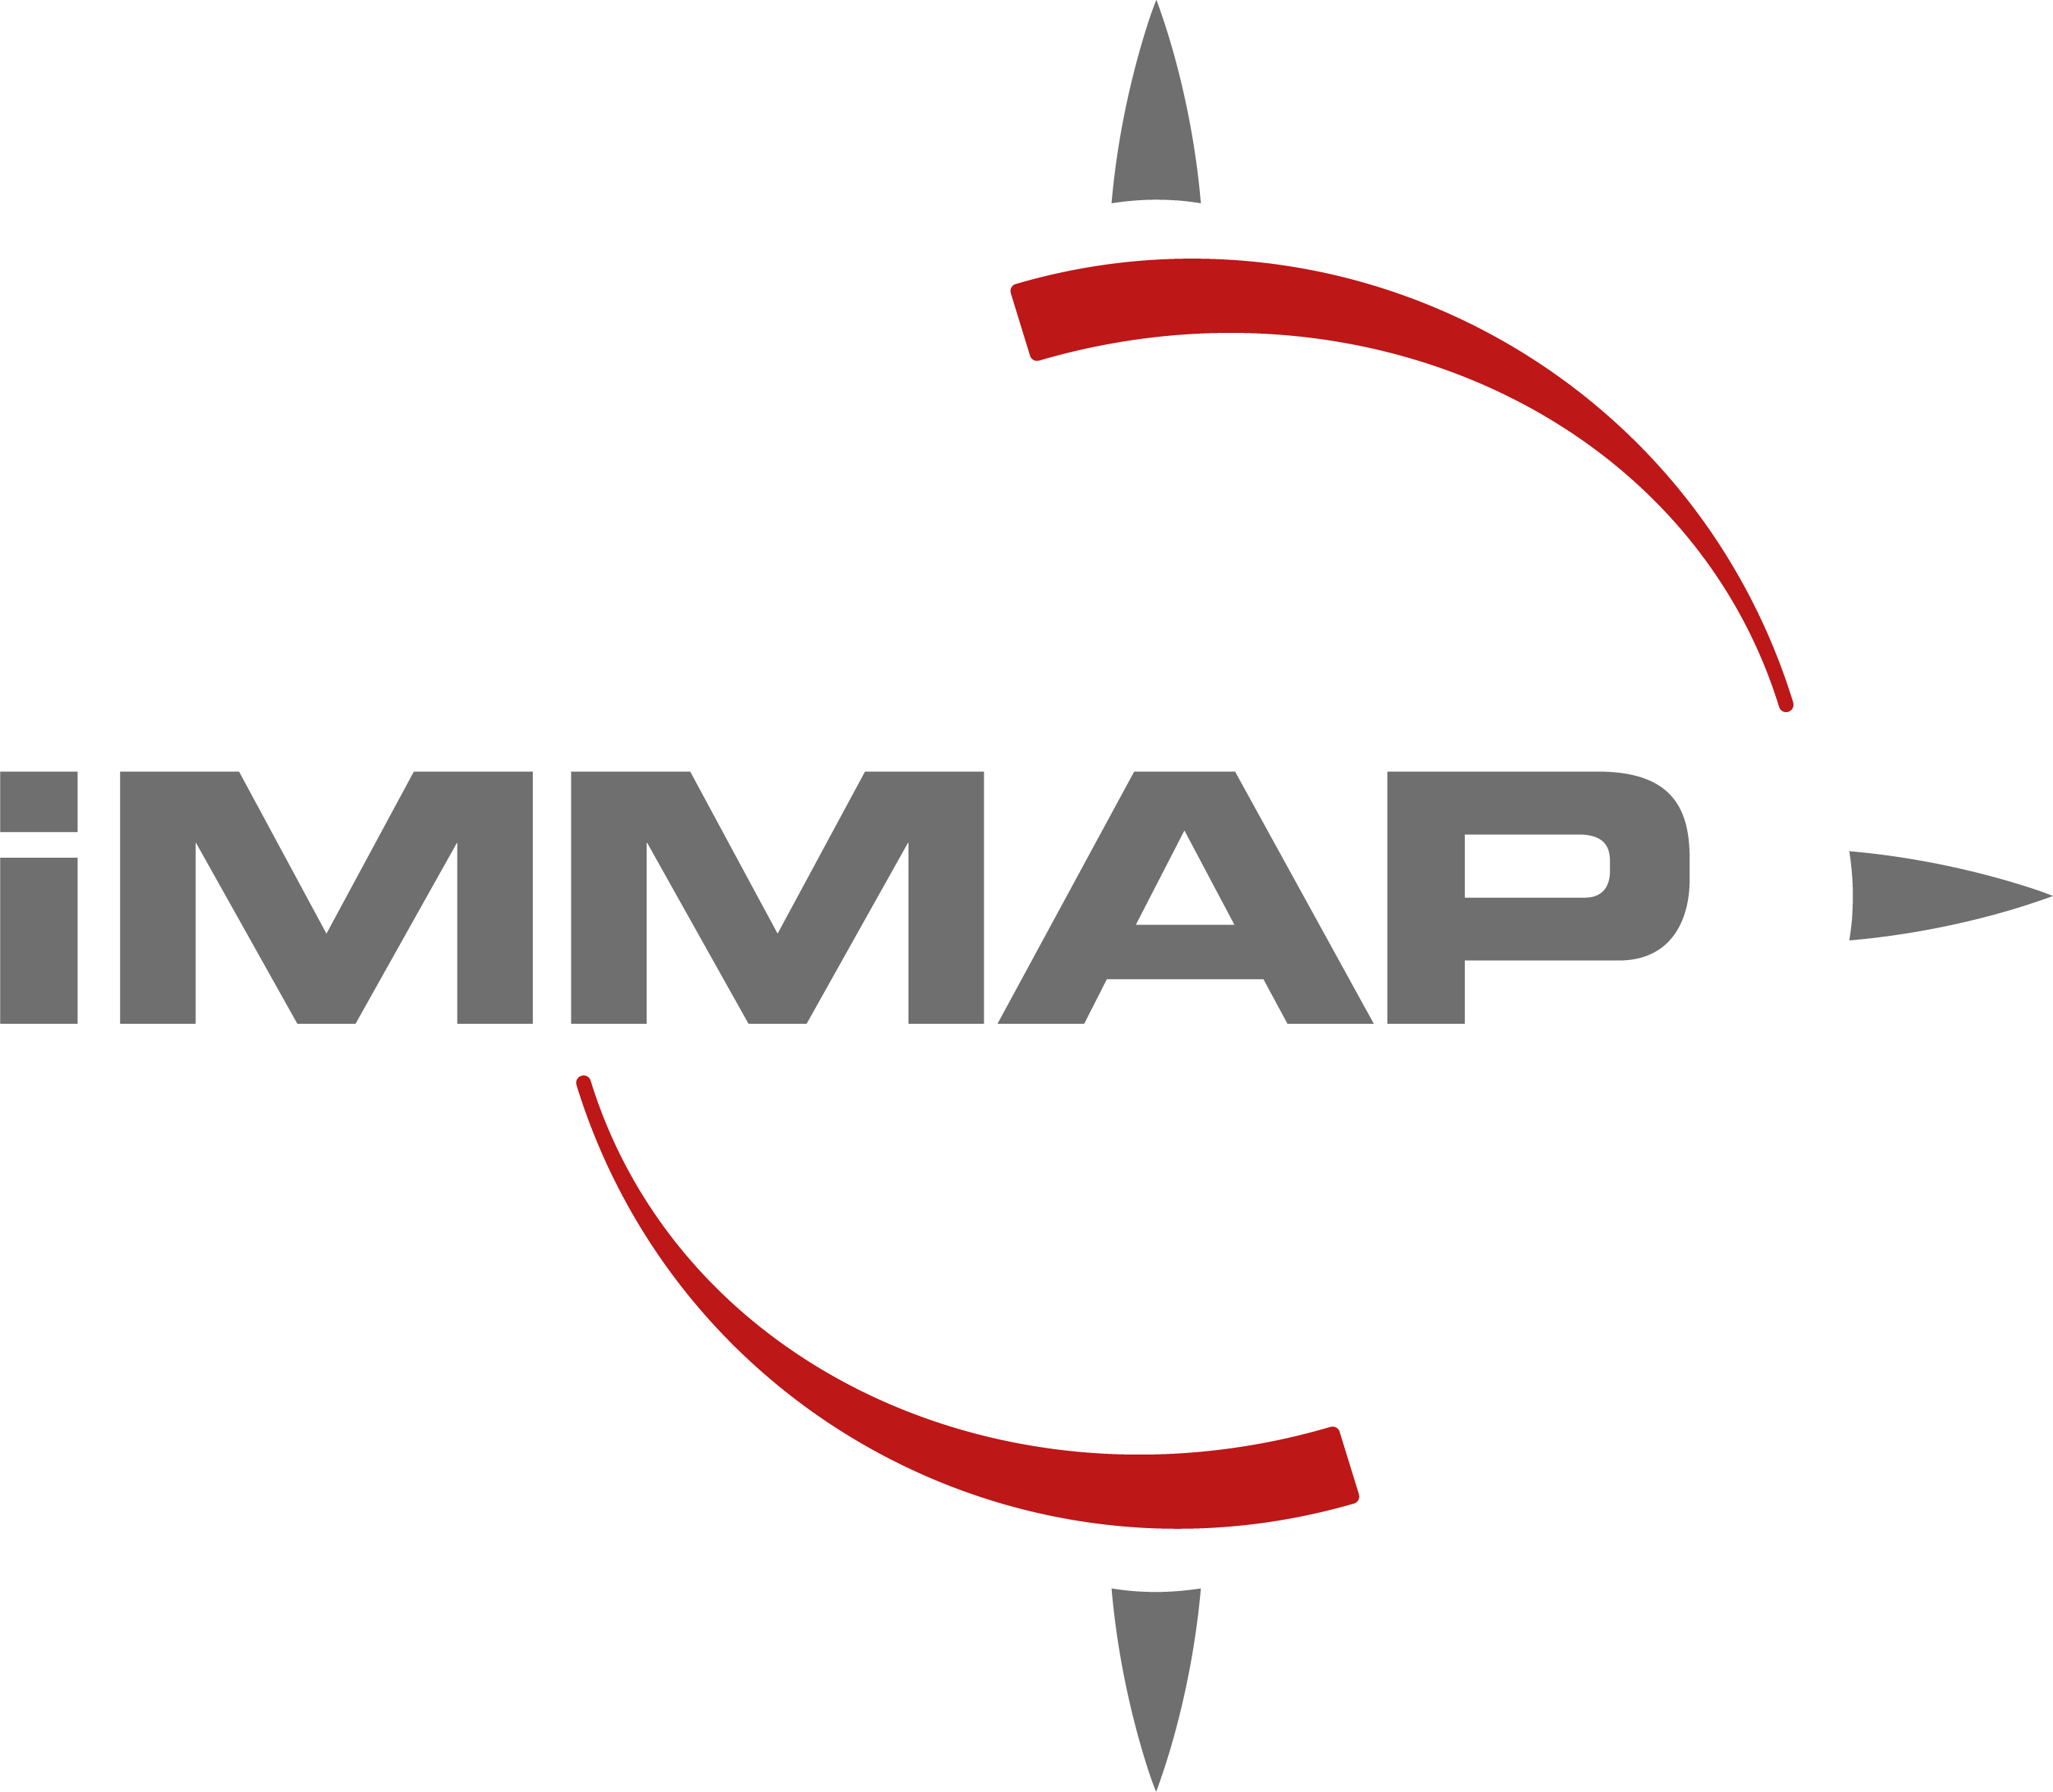 Annex III Financial Bid Form
# | Description | Unit | Quantity | Unit Price (Baghdad)
1 | Develop a comprehensive media strategy • In coordination with iMMAP France and the Ministry of Labour and Social Affairs, conduct consultation to support the development of promotional material. The consultation should outline the key benefits and features of the Mihan platform which can aid the private sector, to support development of promotional material. • Conduct assessment of the private sector’s current recruitment management processes, as well as identify challenges in talent acquisition. • In coordination with the MoLSA, identify key segments to target within the private sector. • Develop a media strategy to outline the messaging, channels and methods to reach the targeted segments of the private sector through the media campaign. | Deliverable | 1

2 | Development of media campaign content • Design creative and compelling campaign materials (including graphics, videos, and written content) to facilitate understanding of the Mihan platform and the benefits for private sector companies. • Media content can include graphics, videos and written information, ensuring that all materials adhere to Mihan branding and messaging. • Review all campaign materials with MoLSA’s media department to ensure appropriate and relevant messaging and content. The final content of the marketing material will be determined after agreement with the MoLSA. • For any recorded videos, the consultant/company shall capture high-quality video (16:9, 4K/25p), screen capture and audio footage including any required interview and B-roll footage. iMMAP France will provide the consultant/company with access to and demonstrations of the Mihan platform to support the creation of screen capture footage. • The video resolution shall be amendable. cut, crop and adapt the videos or change their resolution and aspect ratio to be used on a street billboard, when required. • Ensure signed consent is obtained from any persons featured within promotional video footage, in alignment with iMMAP France and GIZ Data Protection Policies. | Deliverable | 1

3 | Execution of media campaign • Publish media campaign materials through the appropriate channels, which can include but is not limited to the MoLSA’s social media channels. Additional channels can include online advertising, billboards, targeted email campaigns, etc. • Monitor and provide regular feedback on media campaign performance, revising the strategy as necessary to maximize reach and engagement. • As required, collect feedback from private sector companies to support monitoring of media campaign effectiveness. • The MoLSA and iMMAP France will support to provide analytics from the Mihan platform to monitor website traffic and private sector registration. | Deliverable | 1

Total |  |  |  | $0.00

 | Preferred payment terms:
 | Preferred payment means:
 | Validity of the proposal (minimum 100 days):
 | Name:
 | Title:
 | Signature and stamp:
 | Date:

