Sheet1
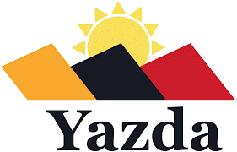
BOQ (Bill of Quantity) Technical offer ITB#02-SNJ-YAZDA-2023

Importatn Note: 1- Vehicle Bus 24 seater diesel 2- In good conditions. 3- Model 2018 or above 4- Prefred Toyota or Nissan 5- Clean Engine & in Good Shape & seat bills and tyers fuctional. 6- Delievery to Yazda Office in Sinune Sub District in Sinjar , Ninewa |  |  |  |  | Supplier to fill
# | Item Description | Unit | Quantity Requested | Model ( Please indicate the year ) | Brand Name ( The company of Origin as example Toyota coaster or Nissan civilian ) | Country of Origion ( Please mentione the country which is been made ) | Used Bus or New (Please indicate if the ofred bus is new or used, in Case is used How many Killometer or Mile is used please mention ) | Remarks If you have any other details to be mentioned
1 | Vehicle Bus 24 seater diesel , Model 2018 or above, in Good Conditions , Preferred Toyota or Nissan brand, Clean Engine & In Good Shape, seat bills and tyres are functional | Bus | 1

Vendor Name |  |  |  |  | Offer Validity

Vendor Representative and Position |  |  |  |  | Vedor Adress

Date |  |  |  |  | Vendor Stamp

Vendor Signature

