Technical Specifications
A. TECHNICAL SPECIFICATIONS OF IT EQUIPMENT
Item No | TECHNICAL SPECIFICATIONS | COMPARATIVE SPECIFICATION / REMARKS
 | Minimum technical requirements. | Comparative specification / remarks should indicate any deviation from technical parameter or functional description of tender specification or confirmation with "Yes" and if applicable further particularities.
0 | Schematics of overall set-up
0.1 | 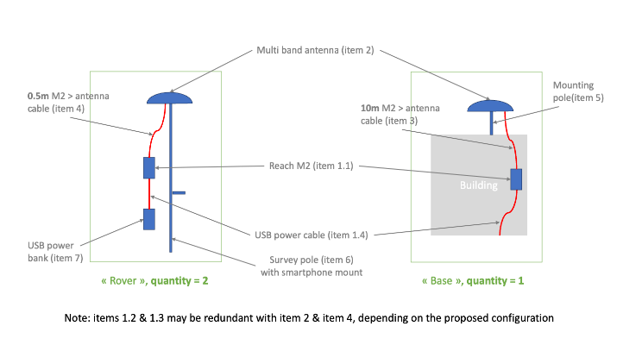
1 | 3 x Reach M2 with GNSS Antenna (RCH103-Kit), including the following components
1.1 | Reach M2
1.2 | Multiband GNSS antenna
1.3 | Reach M+/M2 SMA antenna adapter cable 0,5m
1.4 | Micro-USB cable
1.5 | JST-GH 6-pin to jumper pin cable
1.6 | JST-GH 5-pin to jumper pin cable
 | 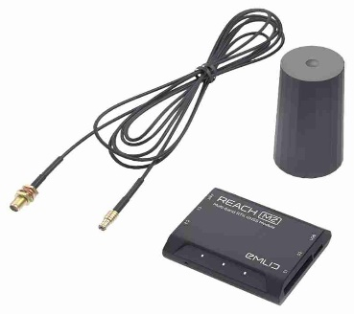

2 | 3 x Multi-band GNSS antenna
2.1 | L1/L2 bands on GPS, GLONASS, BeiDou and E1/E5 on Galileo
2.2 | Standard 5/8"-11 UNC thread for mounting on rooftop and survey poles
2.3 | Antenna output current < 100 mA
2.4 | Antenna DC bias : 3.3 V
2.5 | See requirements for Reach M2 compatibility here https://docs.emlid.com/reach/reference/specifications/specs/

3 | 1x Antenna cable (10 m)
3.1 | Connects Reach M2 (item 1.1) with GNSS Antenna (item 2)
3.2 | Connection on Reach M2 side: MCX (or provision of MCX to SMA / TNX adapter / extension cables)
3.3 | On antenna side: needs to fit item 2
3.4 | Attenuation: sufficient to have good reception over 10 m
3.5 | Length: 10 m

4 | 2 x Antenna cables (0.5 - 0.7 m)
4.1 | Connects Reach M2 (item 1.1) with GNSS Antenna (item 2)
4.2 | Connection on Reach M2 side: MCX (or provision of MCX to SMA / TNX adapter / extension cables)
4.3 | On antenna side: needs to fit item 2
4.5 | Length: 0.5 - 0.7 m

5 | 1x Mounting pole for the base antenna
5.1 | Optional => only if not provided with antenna
5.2 | Standard 5/8"-11 UNC thread for mounting antenna on rooftop

6 | 2 x Survey poles
6.1 | 5/8"-11 standard UNC thread to support the antenna
6.2 | smart phone mount included

7 | 2 x USB power bank
7.1 | Capacity: above 10.000 mAh

B. DELIVERY
B.1 | DDP to Ramadi
B.2 | Packing, loading, transportation and unloading is under responsibility of supplier
B.3 | Please indicate the shortest delivery time

C. REMARKS AND CONDITIONS
C.1 | All standard accessories for all offered items should be provided.
C.2 | The supplier must specify the warranty duration for all Items with1 year waranty
C.3 | Catalogues or technical data sheet are requested for all items!!!
C.4 | Comparable specifications to be highlighted in the catalogues
C.5 | The brand and the model of the offered items to be indicated.
C.6 | Reference pictures are only to recognize and understand the items, not an indication for any model or brand

